Summary
STNL VALUTION MODEL | INVESTMENT SUMMARY |  |  |  |  |  |  |  |  |  | Wal-Aid Fairview

Interest: | Fee Simple |  |  |  |  |  |  |  |  | v2.4
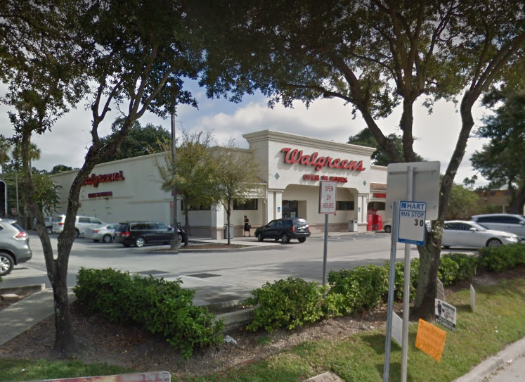
PROPERTY DESCRIPTION |  |  |  |  | LEASE SUMMARY |  |  |  | Property Photo
Name |  |  |  | Wal-Aid Fairview | Lease Commencement |  |  | 1-Jan-15
Address |  |  |  | 9999 Tennessee Ave. | Lease Expiration |  |  | 31-Dec-29
City |  |  |  | Anytown | Options to Renew |  |  | 2+
State |  |  |  | GA | Lease Term |  |  | 15.0 years
Property Type |  |  |  | Retail | Remaining Term |  |  | 8.6 years
Sub-Property Type |  |  |  | Pharmacy | Lease Type |  |  | NNN
Measurement Type |  |  |  | SF
Land Size (SF) |  |  |  | 52,272 | PRICING/VALUATION | Cap Rate | Amount | Amount
Net Rentable Area (SF) |  |  |  | 13,500 | Asking Price | 5.94% | 259.26 | 3,500,000
FAR |  |  |  | 0.26 | Acquisition Price | 6.00% | 256.83 | 3,467,250
Parking |  | # Structured | 0 | 100 Spaces | Direct Cap Value | 6.00% | 256.83 | 3,467,250
Year Built |  | Year Renovated |  | 1999 | DCF Value | 6.00% | 256.76 | 3,466,221
 |  |  |  |  | Replacement Cost | 5.14% | 300.00 | 4,050,000
 |  |  |  |  |  |  |  |  | 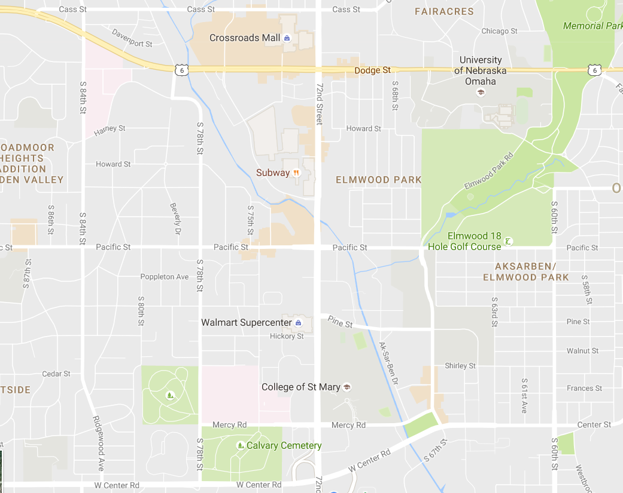 Location Map
Strengths |  |  |  |  | Weaknesses
Affluent area (avg. HH income: 1-mile radius = $112,000) |  |  |  |  | Less than nine years left on lease
55,000 traffic count |  |  |  |  | $100,000+ deferred maintenance
Hard corner |  |  |  |  | New CVG coming across street
Neighboring retailers: Albertsons, Walmart, Pep Boys

Key Return Metrics
 | Going-In Cap Rate | Target Cap Rate | Unlevered IRR | Levered IRR
 | 6.00% | 6.00% | 5.82% | 9.77%
PROJECT COST VS. PV
 | Project Cost | Present Value
 | 3,519,259 | 3,466,221

Contract vs. Speculative Income
 | Credit Cash Flows | Speculative Cash Flows
1 | 16,774 | -
2 | 16,774 | -
3 | 16,774 | -
4 | 16,774 | -
5 | 16,774 | -
6 | 16,774 | -
7 | 16,774 | -
8 | 16,774 | -
9 | 16,774 | -
10 | 16,774 | -
11 | 16,774 | -
12 | 16,774 | -
13 | 16,774 | -
14 | 16,774 | -
15 | 16,774 | -
16 | 16,774 | -
17 | 16,774 | -
18 | 16,774 | -
19 | 16,774 | -
20 | 16,774 | -
21 | 16,774 | -
22 | 16,774 | -
23 | 16,774 | -
24 | 16,774 | -
25 | 16,774 | -
26 | 16,774 | -
27 | 16,774 | -
28 | 16,774 | -
29 | 16,774 | -
30 | 16,774 | -
31 | 16,774 | -
32 | 16,774 | -
33 | 16,774 | -
34 | 16,774 | -
35 | 16,774 | -
36 | 16,774 | -
37 | 16,774 | -
38 | 16,774 | -
39 | 16,774 | -
40 | 16,774 | -
41 | 16,774 | -
42 | 16,774 | -
43 | 16,774 | -
44 | 16,774 | -
45 | 16,774 | -
46 | 16,774 | -
47 | 16,774 | -
48 | 16,774 | -
49 | 16,774 | -
50 | 16,774 | -
...
Partition of PV
Credit Cash Flow | 69.3%
Spec Cash Flow | 6.9%
Residual Cash Flow | 23.8%

