Aspiration
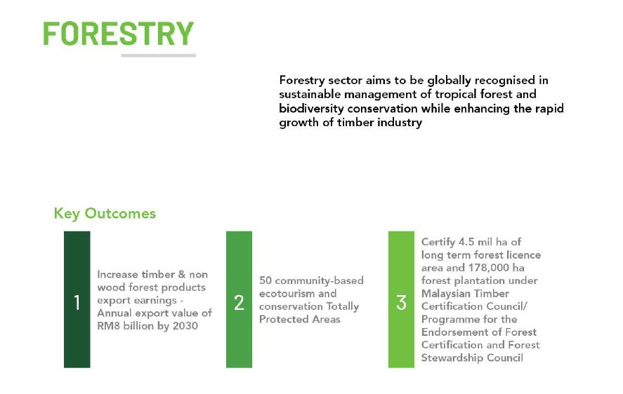
Aspiration Framework for Foresty Sector

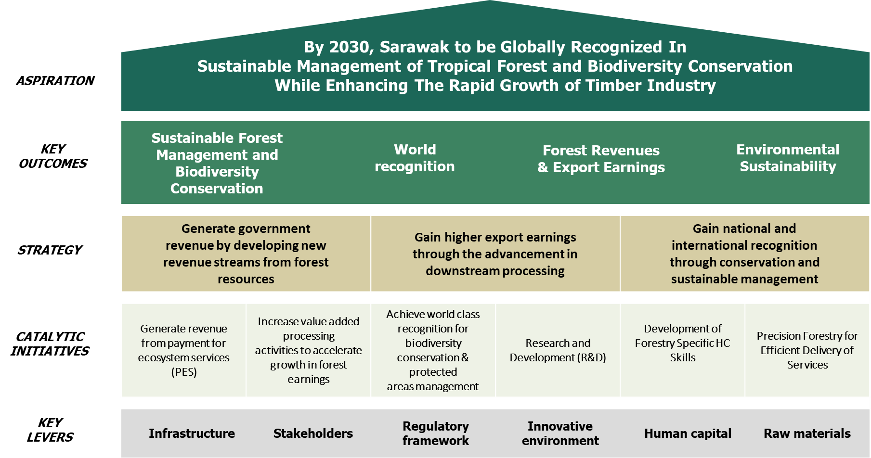

 | 3 | Certify 3 mil ha of long term forest licence area and 178,000 ha forest plantation under Malaysian Timber Certification Council/Programme for the Endorsement of Forest Certification and Forest Stewardship Council

Timber Export Value
Timber Export Value (RM)
 | 2023 | 2024
JAN | 263569916.63 | 276004972.69
FEB | 226356164.3 | 191530929.47
MAR | 261778295.29 | 214907671.7
APR | 215771835.07 | 232014272.14
MAY | 324280067.64 | 324627750.87
JUN | 235560482.89 | 212303812.34
JUL | 244689028.37 | 274788036.68
AUG | 344761866.36 | 210420404.31
SEP | 210214202.2 | 191837139
OCT | 266639022.25
NOV | 296062485.55
DEC | 251155864.77
TIMBER EXPORT VALUE (RM)
Month | 2022 | 2023 | 2024 | 2025
JAN | RM408,531,176.77 | RM263,569,916.63 | RM276,004,972.69
FEB | RM239,761,718.38 | RM226,356,164.30 | RM191,530,929.47
MAR | RM394,935,606.46 | RM261,778,295.29 | RM214,907,671.70
APR | RM400,891,037.27 | RM215,771,835.07 | RM232,014,272.14
MAY | RM345,725,679.36 | RM324,280,067.64 | RM324,627,750.87
JUN | RM268,966,198.26 | RM235,560,482.89 | RM212,303,812.34
JUL | RM359,792,973.34 | RM244,689,028.37 | RM274,788,036.68
AUG | RM310,830,376.16 | RM344,761,866.36 | RM210,420,404.31
SEP | RM318,990,291.52 | RM210,214,202.20 | RM191,837,139.00
OCT | RM304,693,148.30 | RM266,639,022.25
NOV | RM303,936,172.09 | RM296,062,485.55
DEC | RM289,911,760.38 | RM251,155,864.77
 | RM3,946,966,138.29 | RM3,140,839,231.32 | RM2,128,434,989.20

Data - Chart (Deg. Area)
Total Degraded Area Restored (Ha)
 | Total Degraded Area Restored (Ha) Year 2022 | Total Degraded Area Restored (Ha) Year 2023 | Total Degraded Area Restored (Ha) Year 2024
Jan | 787.01 | 1856.37 | 0
Feb | 912.41 | 3449.94 | 3146.6
Mar | 513.04 | 2284.69 | 6660.5
Apr | 428.18 | 1807.69 | 3203.8
May | 485.08 | 3255.8 | 1871.5
Jun | 1277.9 | 3120.66 | 2750.2
Jul | 745.15 | 2562.38 | 3396.3
Aug | 762.69 | 2474.93
Sep | 579.09 | 3251.93
Oct | 676.27 | 3086.64
Nov | 2012.35 | 3081.63
Dec | 1114.64 | 3240.14
Month | Total Degraded Area Restored (Ha) Year 2022 | Total Degraded Area Restored (Ha) Year 2023 | Total Degraded Area Restored (Ha) Year 2024
Jan | 787.01 | 1,856.37 | 3,146.60
Feb | 912.41 | 3,449.94 | 6,660.50
Mar | 513.04 | 2,284.69 | 3,203.80
Apr | 428.18 | 1,807.69 | 1,871.50
May | 485.08 | 3255.80 | 2,750.20
Jun | 1277.9 | 3,120.66 | 3,396.30
Jul | 745.15 | 2,562.38
Aug | 762.69 | 2,474.93
Sep | 579.09 | 3,251.93
Oct | 676.27 | 3,086.64
Nov | 2012.35 | 3,081.63
Dec | 1114.64 | 3,240.14
 | 10,293.81 | 33,472.80 | 21,028.90

Half Yearly Report

