Example 1.OD demand split
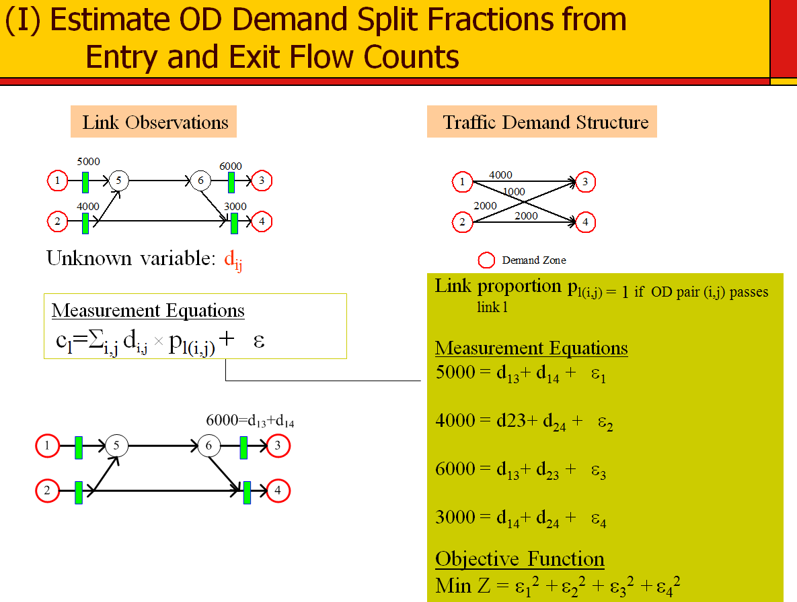
 |  |  |  |  | Link flow proportion |  | pl(i,j) |  |  | Intermediate matrix
OD pair |  |  |  | zone | 1 | 2 | 3 | 4 |  | 1 | 2 | 3 | 4
 | Ground truth OD demand | origin zone | destination zone | estimated OD demand |  |  |  |  |  |  |  |  |  | di,j × pl(i,j)
1->3 | 4000 | 1 | 3 | 3250.00 | 1 |  | 1 |  |  | 3250.00 | 0.00 | 3250.00 | 0.00
1->4 | 1000 | 1 | 4 | 1750.00 | 1 | 0 |  | 1 |  | 1750.00 | 0.00 | 0.00 | 1750.00
2->3 | 2000 | 2 | 3 | 2750.00 | 0 | 1 | 1 |  |  | 0.00 | 2750.00 | 2750.00 | 0.00
2->4 | 2000 | 2 | 4 | 1250.00 |  | 1 |  | 1 |  | 0.00 | 1250.00 | 0.00 | 1250.00

 |  |  |  |  |  |  |  |  | estimated link flow | 4999.9998334 | 3999.9996088 | 5999.9993299 | 3000.0001123
objective function |  |  |  |  |  |  |  |  | observed link flow | 5000 | 4000 | 6000 | 3000
0.000 |  |  |  |  |  |  |  |  | estimation error | 0.00 | 0.00 | 0.00 | 0.00

Measurement Equations
c_{l}=Σ_{i,j} d_{i,j} × p_{l(i,j)}

Example 2. link flow split
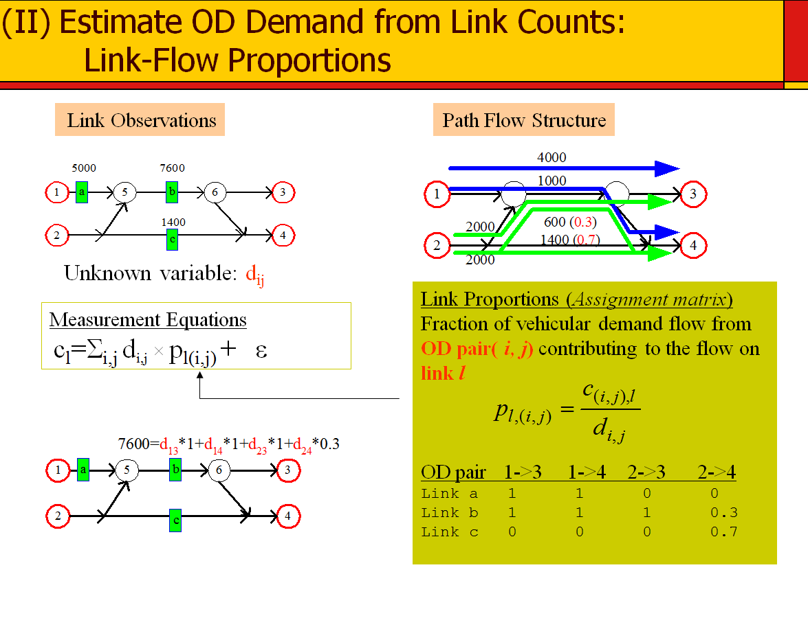
 |  |  |  |  | Link flow proportion |  | pl(i,j) |  | Intermediate matrix
 |  |  |  | link | 1->5 | 5->6 | 4
OD pair |  |  |  | sensor id | a | b | c |  | a | b | c
 | Ground truth OD demand | origin zone | destination zone | estimated OD demand |  |  |  |  |  |  |  | di,j × pl(i,j)
1->3 | 4000 | 1 | 3 | 3249.99 | 1 | 1 | 0 |  | 3249.99 | 3249.99 | 0.00
1->4 | 1000 | 1 | 4 | 1750.01 | 1 | 1 |  |  | 1750.01 | 1750.01 | 0.00
2->3 | 2000 | 2 | 3 | 2000.00 | 0 | 1 |  |  | 0.00 | 2000.00 | 0.00
2->4 | 2000 | 2 | 4 | 2000.00 |  | 0.3 | 0.7 |  | 0.00 | 600.00 | 1400.00

 |  |  |  |  |  |  |  | estimated link flow | 5000.00 | 7600.00 | 1400.00
objective function |  |  |  |  |  |  |  | observed link flow | 5000 | 7600 | 1400
0.000 |  |  |  |  |  |  |  | estimation error | 0.00 | 0.00 | 0.00

Measurement Equations
c_{l}=Σ_{i,j} d_{i,j} × p_{l(i,j)}

