Feuil1
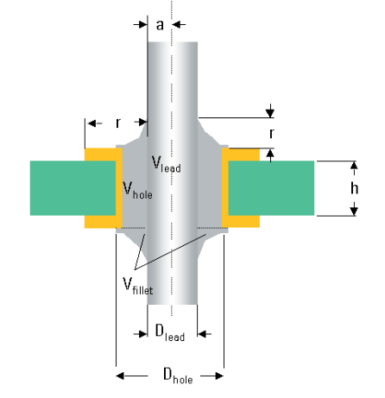
Hole diameter | Lead diameter | r | PCB Thickness | Stencil thickness | Vpaste 1 fillet | Stencil aperture (circle) 1 fillet | Stencil aperture (square) 1 fillet | Vpaste 2 fillet | Stencil aperture (circle) 2 fillet | Stencil aperture (square) 2 fillet | Vhole rest | Vfillet
1.2 | 1 | 0.1 | 1.6 | 0.15 | 1.12 | 3.08 | 2.73 | 1.13 | 3.10 | 2.75 | 0.55 | 0.01
0.9 | 0.4 | 0.5 | 1.55 | 0.15 | 1.30 | 3.32 | 2.94 | 1.51 | 3.58 | 3.17 | 0.79 | 0.11
3.25 | 3 | 0.1 | 1.6 | 0.15 | 1.16 | 3.14 | 2.78 | 1.20 | 3.19 | 2.83 | 1.96 | 0.02
 |  |  |  |  | 0.00 | #DIV/0! | #DIV/0! | 0.00 | #DIV/0! | #DIV/0! | 0.00 | 0.00
 |  |  |  |  | 0.00 | #DIV/0! | #DIV/0! | 0.00 | #DIV/0! | #DIV/0! | 0.00 | 0.00
 |  |  |  |  | 0.00 | #DIV/0! | #DIV/0! | 0.00 | #DIV/0! | #DIV/0! | 0.00 | 0.00
 |  |  |  |  | 0.00 | #DIV/0! | #DIV/0! | 0.00 | #DIV/0! | #DIV/0! | 0.00 | 0.00
 |  |  |  |  | 0.00 | #DIV/0! | #DIV/0! | 0.00 | #DIV/0! | #DIV/0! | 0.00 | 0.00
 |  |  |  |  | 0.00 | #DIV/0! | #DIV/0! | 0.00 | #DIV/0! | #DIV/0! | 0.00 | 0.00
 |  |  |  |  | 0.00 | #DIV/0! | #DIV/0! | 0.00 | #DIV/0! | #DIV/0! | 0.00 | 0.00
 |  |  |  |  | 0.00 | #DIV/0! | #DIV/0! | 0.00 | #DIV/0! | #DIV/0! | 0.00 | 0.00
 |  |  |  |  | 0.00 | #DIV/0! | #DIV/0! | 0.00 | #DIV/0! | #DIV/0! | 0.00 | 0.00
 |  |  |  |  | 0.00 | #DIV/0! | #DIV/0! | 0.00 | #DIV/0! | #DIV/0! | 0.00 | 0.00
 |  |  |  |  | 0.00 | #DIV/0! | #DIV/0! | 0.00 | #DIV/0! | #DIV/0! | 0.00 | 0.00

