Sheet1
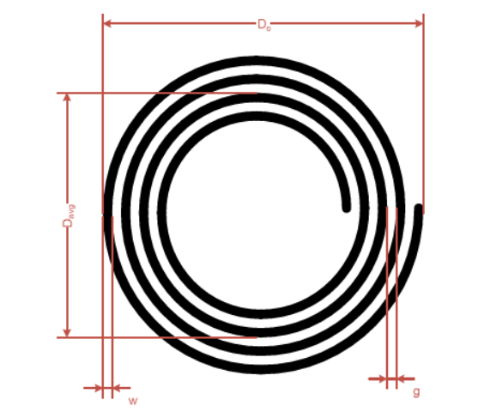
Rounded Antenna

Antenna diameter (cm) | Do | 13
Track thickness | t | 0.035
Track width | w | 0.3
Track spacing | g | 0.3
Turns | Nc | 3

Average antenna diamter (cm) | Davg | 11.2
Equivalent diameter of track | d | 0.38
Average antenna circunference | l | 35.19
Turn exponent | p | 1.75

Antenna inductance (uH) | L | 1.6617404992

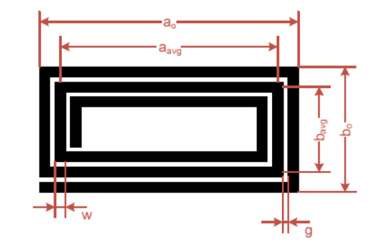
Rectangular (square) Antenna
Width | a0 | 16
Length | b0 | 16
Track thickness | t | 0.035
Track width | w | 0.3
Track spacing | g | 0.3
Turns | Nc | 5
Turn exponent | p | 1.75
Magnetic constant | u0 | 1.2566370614E-06

Equivalent diameter of track | d | 0.21326762374
Average dimension of antenna | a_avg | 13
Average dimension of antenna | b_avg | 13
- | x1 | 50.985095245
- | x2 | 50.985095245
- | x3 | 15.230447378
- | x4 | 6.5

Antenna inductance (uH) | L | 0.62353174244

