Sheet1
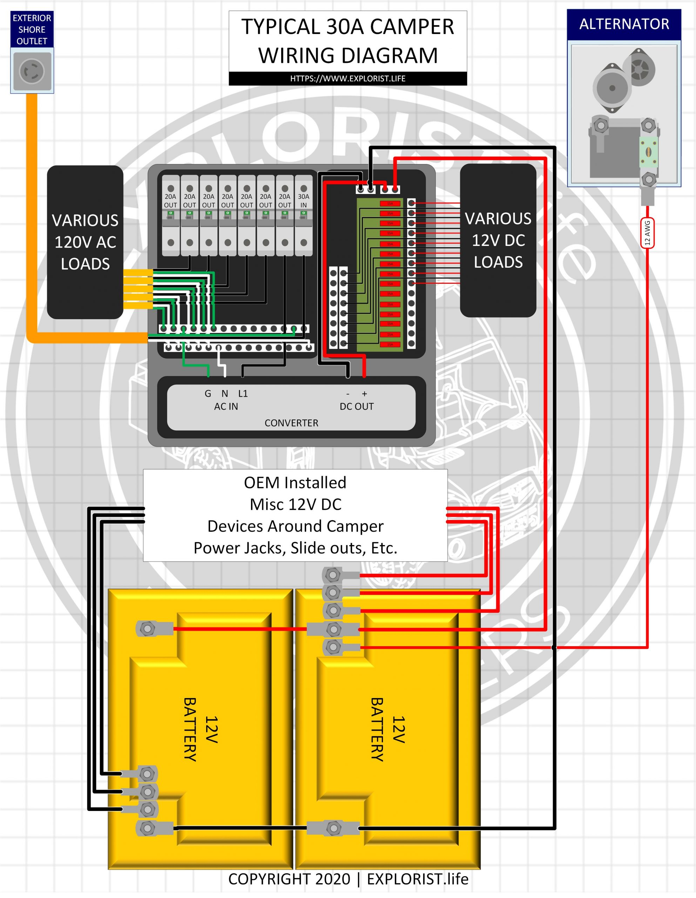
Product | Amazon Price | Quantity | Chart Names | Cost | Notes
EVE LF280K V3 280Ah LiFePO4 3.2V Cells | $130.00 | 0 | LFP Cells | $842.00 | https://www.18650batterystore.com/products/eve-lf280k-version-3-v3-grade-a-cells-lifepo4-battery
3000W DC 24V Pure Sine Wave Inverter with 80A MPPT Solar Charger and 40A AC Battery Charger, Hybrid Solar Inverter Charger Manufactured by SunGoldPowerCo,Ltd | $649.00 | 1 | SunGold All-in-one | $649.00 | SunGold All-in-one
SunPower 210 (USED) | $35.71 | 7 | Solar Panels | $250.00 | 1470W 31x61 (x7) | Isc=5.75A Voc=47.7V Imax=5.25A Vmax=40V | Voc=333.9V Isc=5.75A Vmax=280V Imax=5.25A
Orion-Tr Smart Non-Isolated DC/DC Charger 12/24-15 (USED) | $166.00 | 1 | 12 to 24V Charger | $166.00 | VE Used Equipment Sale
VE Lynx Power In (USED) | $115.00 | 1 | Lynx Power-In | $115.00 | VE Used Equipment Sale
WNI 2/0 Gauge 5 Feet Black 5 Feet Red 2/0 AWG Ultra Flexible Welding Battery Copper Cable Wire - Made In The USA - Car, Inverter, RV, Solar | $58.00 | 1 | 2/0 AWG Wire | $58.00 | 2/0 Wire 5ft Red+Black
4 Gauge 4 AWG 10 Feet Black + 10 Feet Red Welding Battery Pure Copper Flexible Cable Wire - Car, Inverter, RV, Solar | $40.52 | 1 | 4 AWG Wire | $40.52 | 4 AWG wire 10ft Red+Black
Orion-Tr 24/12-20 DC/DC Converter | $33.75 | 1 | 24 to 12V Converter | $33.75 | VE Used Equipment Sale
Shirbly 10 Gauge Wire 20FT Tinned Copper Wire-2 Conductor Parallel Wire Insulated Stranded Wire for Solar Panel Car Audio Automotive | $29.99 | 1 | 10AWG Wire | $29.99 | 10 AWG wire 20ft Red+black
Battery ON/OFF switch 300A | $27.00 | 1 | Battery Disconnect | $27.00
Raspberry Pi Zero 2 W (Wireless / Bluetooth) 2021 (RPi Zero 2W) | $26.00 | 1 | Rpi Zero2 | $26.00
1/8 inch thick copper bar (1x12in) | $18.00 | 1 | Copper bar stock | $18.00
200A MRBF Fuse | $17.00 | 1 | MRBF Fuse | $17.00
100A Mega Fuse (x5) | $15.00 | 1 | Mega Fuse 100A x5 | $15.00 | 100A Mega Fuse x5
2P 250V Low Voltage DC Miniature Circuit Breaker for Solar Panels (63A) Double Pole | $14.00 | 1 | Solar Disconnect Breaker | $14.00
RV Electrical Upgrade Total Cost = $2348.00
MOLLOM Circuit Breaker MCB Distribution Protection Box with DIN Rail, IP65 Waterproof,for Indoor and Outdoor (5 Way) | $13.00 | 1 | Splice Junction | $13.00
1/2" NPT Cable Glands Nylon, Black IP68 Waterproof Adjustable Strain Relief Cord Connector, 25pcs Junction Box Connectors | $13.00 | 1 | NPT Connectors | $13.00
Koverflame Lever Wire Nut Connector, Quick Wiring Cable Connector Push-in Conductor Terminal Block, Splicing Connectors for Circuit Inline (PCT-223D(DIN Rail), 10) | $13.00 | 1 | Terminal Blocks | $13.00
2 Pack of IP68 Waterproof Solar Cable Entry Gland by Restmo, Weather Resistant | $12.99 | 1 | Cable Entry Glands | $12.99
200A littleFUSE MEGA fuse slo-blo | $5.29 | 1 | Mega Fuse 200A | $5.29 | 200A slo-blo Mega fuse
EVE LF230 V3 230Ah LiFePO4 3.2V Cells | $399.00 | 0 | LFP Cells | $0.00
Trina Solar 245W (USED) | $50.00 | 0 |  | $0.00 | 1225W 39x65 (x6) | Isc=9.1A??? Voc=36.4V??? Imax=8.27A Vmax=30.3V | SanTan Solar - Used Solar Panels
Victron Energy Orion-Tr Smart 12/24-Volt 15 amp 360-Watt DC-DC Charger Isolated (Bluetooth) | $257.00 | 0 |  | $0.00
Victron Energy Orion-Tr Smart 12/24-Volt 15 amp 360-Watt DC-DC Charger Non-Isolated (Bluetooth) | $226.00 | 0 |  | $0.00
Orion-Tr Smart 12/24-10A (240W) Isolated DC-DC Charger B2B Booster | $169.00 | 0 |  | $0.00
Orion-Tr Smart Isolated DC-DC Charger 12-24/10 (USED) | $125.00 | 0 |  | $0.00 | VE Used Equipment Sale
30-Amp DC to DC On-Board Battery Charger 12V/24V, 30amp Dual Battery MPPT Controller/Charger, for Starter and Service Batteries in RVs, Cars, | $189.00 | 0 |  | $0.00 |  |  |  | 333.9
Victron Energy Orion-Tr IP43 24/12-Volt 20 amp 240-Watt DC/DC Converter, Non Isolated | $45.00 | 0 |  | $0.00 | Maybe need 2?
Renogy Solar Panel 200W 12V Lightweight Monocrystalline Semi-Flexible Bendable Mono Off-Grid Charger for Marine RV Cabin Van Car Uneven Surfaces | $329.00 | 0 |  | $0.00 | 63x30 inches |  |  | Offerup listing - sunpower 210 | 1470
JJN Bifacial 400 Watt Solar Panels 12V 10BB Monocrystalline Solar Panel High Efficiency Solar Module for RV Home Farm Trailer Camper Marine Off Grid System 2 Piece 200 Watt | $329.00 | 0 |  | $0.00 | 1200W 30x54 (x6) | Isc=9.12A Voc=28.1V Imax=8.55A Vmax=23.4V
EcoFlow 400W x2 Rigid Solar Panel | $999.00 | 0 |  | $0.00 | 68x45 800W
RICH SOLAR 200W Solar Panel 99BB Cell Monocrystalline | $209.00 | 0 |  | $0.00 | 59x27 inches
Renogy 2pcs Solar Panel Kit 320W 24V Monocrystalline On/Off Grid for RV Boat Shed Farm Home House Rooftop Residential Commercial House, 2 Pieces, | $599.00 | 0 |  | $0.00 | 40x66 inches
BougeRV Solar Y Connector Solar Panel Parallel Connectors | $9.00 | 0 |  | $0.00
Victron Energy Cerbo GX, System Monitoring and Control | $289.00 | 0 |  | $0.00
Victron Energy GX Touch 50, Display Screen for Cerbo GX | $220.00 | 0 |  | $0.00
Victron Energy MultiPlus Compact 2000VA 24-Volt Pure Sine Wave Inverter 50 amp Battery Charger | $1,130.00 | 0 |  | $0.00
Victron Energy MultiPlus 3000VA 24-Volt Pure Sine Wave Inverter 70 amp Battery Charger | $1,369.00 | 0 |  | $0.00
Victron Energy MultiPlus-II 2X 120V, 3000VA 24-Volt Pure Sine Wave Inverter and 70 amp Battery Charger | $1,346.00 | 0 |  | $0.00
Victron Energy Lynx Distributor | $220.00 | 0 |  | $0.00
Victron Energy Lynx Power In | $156.40 | 0 |  | $0.00 | VE Lynx Power In
Victron Energy Modular Fuse Holder for MEGA-fuse | $36.00 | 0 |  | $0.00
Victron Energy Busbar to connect 6 CIP100200100 fuse holder | $44.00 | 0 |  | $0.00
Victron Energy 6-Way Mega Fuse Holder Busbar 500 Amp | $27.00 | 0 |  | $0.00
Victron Mega Fuse Holder Kit – with 400 Amp 32V Fuse | $20.00 | 0 |  | $0.00
 |  |  |  | $2,358.54

