unsorted
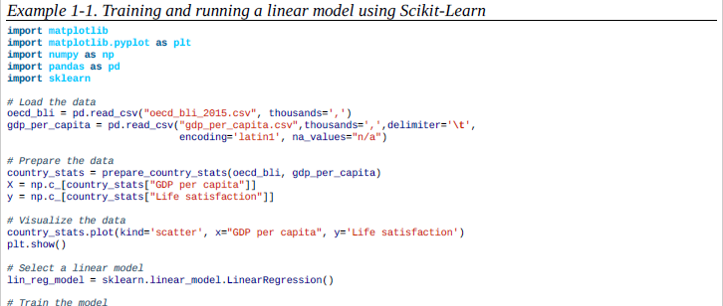
Book | page | what

Hands on .. | 30 | feature extraction
Hands on .. | 30 | anomaly detection
Hands on .. | 40 | utility function (or fitness function) | good your model is,
 | 46 | sampling bias
 | 49 | feature engineering
 | 50 | nn | data not noisy data big enough
 | 51 | hyperparameter | amount of regularization to apply during learning
 | 54 | generalization error (or out-of-sample error),
 | 54 | regularization
 |  | Gradient decent --> very computational Stoch Gradient decent (Pick one Point) --> noisy calc avg over B batches of data points --> stoch gradients | parallelize computation

Tabelle1
