Fatture
Data | Cliente | Categoria | Importo fattura | Spese di spedizione | Totale Fatturato
2000-01-04 | Ferguson and Bardell | Abbigliamento | € 50,000.00 | € 16.00 | 50,016.00 €
2000-01-09 | Chateau St. Mark | Abbigliamento | € 29,970.00 | € 29.00 | 29,999.00 €
2000-01-22 | Allstate | Assicurazione | € 50,800.00 | € 22.00 | 50,822.00 €
2000-01-18 | Fletcher's for Children | Attrezzatura | € 43,500.00 | € 29.00 | 43,529.00 €
2000-01-20 | Barber Shop | Personale | € 13,500.00 | € 15.00 | 13,515.00 €
2000-01-27 | America Online | Posta elettronica | € 7,950.00 | € 23.00 | 7,973.00 €
2000-03-09 | Biergarten | Viaggio d'affari: pasti | € 27,270.00 | € 14.00 | 27,284.00 €
2000-02-24 | Biobottoms | Abbigliamento | € 151,500.00 | € 13.00 | 151,513.00 €
2000-03-10 | Biobottoms | Abbigliamento | € 19,000.00 | € 17.00 | 19,017.00 €
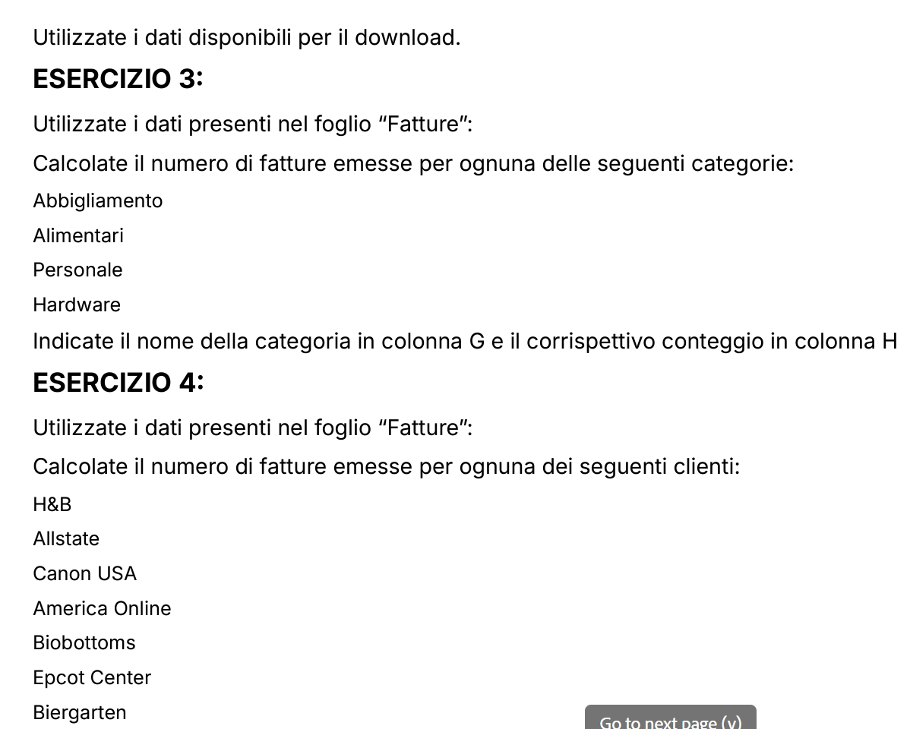
2000-01-28 | Deluxe Business Forms | Ufficio | € 87,450.00 | € 24.00 | 87,474.00 €
2000-01-29 | Agora Publishing | Manuali | € 295,000.00 | € 27.00 | 295,027.00 €
2000-01-30 | Fletcher's for Children | Mobili | € 348,980.00 | € 15.00 | 348,995.00 €
2000-02-02 | Furrow Building Materials | Educazione dei figli | € 127,490.00 | € 17.00 | 127,507.00 €
2000-02-02 | Chinaberry Book | Svago | € 49,400.00 | € 13.00 | 49,413.00 €
2000-02-17 | Alaska Airlines | Viaggio d'affari | € 201,000.00 | € 14.00 | 201,014.00 €
2000-02-17 | American Airlines | Viaggio d'affari | € 1,368,000.00 | € 28.00 | 1,368,028.00 €
2000-02-20 | DeFrisco's | Ristorante | € 36,850.00 | € 16.00 | 36,866.00 €
2000-04-16 | Biobottoms | Abbigliamento | € 31,000.00 | € 16.00 | 31,016.00 €
2000-03-04 | Barber Shop | Personale | € 13,500.00 | € 20.00 | 13,520.00 €
2000-03-08 | Airport City Taxi | Viaggio d'affari: trasporto | € 17,000.00 | € 18.00 | 17,018.00 €
2000-04-21 | Biobottoms | Abbigliamento | € 81,500.00 | € 25.00 | 81,525.00 €
2000-01-23 | Canon USA | Ufficio | € 98,450.00 | € 21.00 | 98,471.00 €
2000-03-09 | Dolphin Hotel | Viaggio d'affari: pasti | € 13,400.00 | € 14.00 | 13,414.00 €
2000-03-09 | Epcot Center | Svago | € 35,900.00 | € 16.00 | 35,916.00 €
2000-03-10 | Epcot Center | Svago | € 71,800.00 | € 18.00 | 71,818.00 €
2000-03-10 | Dolphin Hotel | Viaggio d'affari: pasti | € 12,280.00 | € 14.00 | 12,294.00 €
2000-03-10 | Dolphin Hotel | Viaggio d'affari: pasti | € 14,670.00 | € 17.00 | 14,687.00 €
2000-03-11 | After the Stork | Abbigliamento | € 163,500.00 | € 18.00 | 163,518.00 €
2000-03-11 | DAK Industries | Mobili | € 183,900.00 | € 26.00 | 183,926.00 €
2000-03-11 | Chambers | Regali | € 43,500.00 | € 16.00 | 43,516.00 €
2000-03-11 | Cap n Jacks | Viaggio d'affari: pasti | € 10,730.00 | € 17.00 | 10,747.00 €
2000-03-11 | Dallas Airport | Viaggio d'affari: pasti | € 11,210.00 | € 25.00 | 11,235.00 €
2000-03-11 | Avis | Viaggio d'affari: trasporto | € 127,950.00 | € 20.00 | 127,970.00 €
2000-03-12 | Annual fee | Operazioni bancarie | € 20,000.00 | € 23.00 | 20,023.00 €
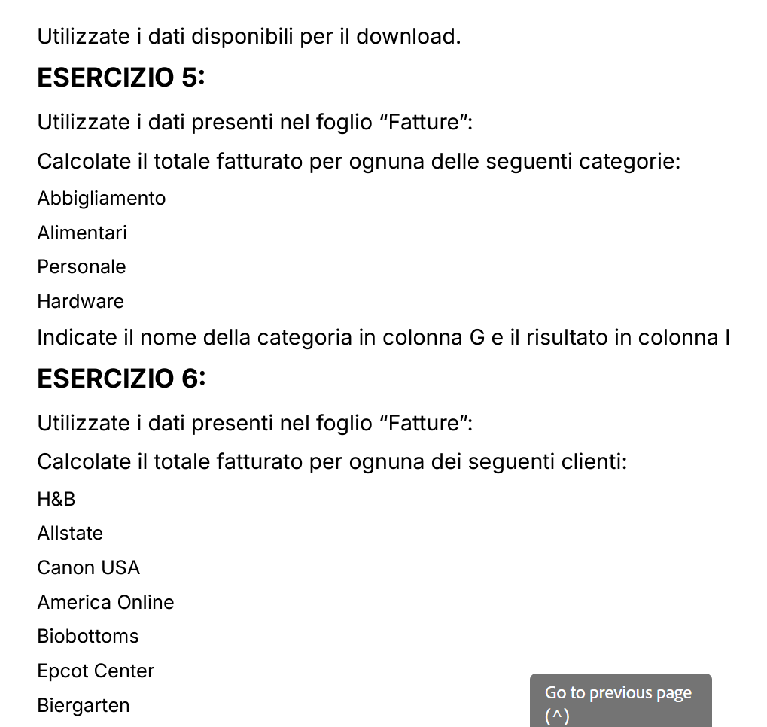
2000-03-12 | Concession Air, Portland Airport | Viaggio d'affari: pasti | € 7,850.00 | € 25.00 | 7,875.00 €
2000-03-13 | Furrow Building Materials | Educazione dei figli | € 127,490.00 | € 21.00 | 127,511.00 €
2000-03-13 | Bagels | Ristorante | € 3,950.00 | € 17.00 | 3,967.00 €
2000-03-13 | Ferguson and Bardell | Salute | € 50,000.00 | € 15.00 | 50,015.00 €
2000-03-15 | Childcraft Catalog | Giocattoli e libri | € 16,650.00 | € 24.00 | 16,674.00 €
2000-03-18 | Chinaberry Book | Svago | € 87,300.00 | € 18.00 | 87,318.00 €
2000-03-19 | Gateway 2000 | Hardware | € 2,425,000.00 | € 11.00 | 2,425,011.00 €
2000-03-23 | Brights Creek | Abbigliamento | € 18,230.00 | € 21.00 | 18,251.00 €
2000-03-24 | Avis | Viaggio d'affari: trasporto | € 78,530.00 | € 25.00 | 78,555.00 €
2000-03-24 | Classic Cab Company | Viaggio d'affari: trasporto | € 21,000.00 | € 18.00 | 21,018.00 €
2000-03-27 | David Kay | Abitazione | € 34,900.00 | € 16.00 | 34,916.00 €
2000-03-29 | Bagels | Ristorante | € 8,000.00 | € 22.00 | 8,022.00 €
2000-03-29 | Evergreen Photo | Svago | € 24,660.00 | € 27.00 | 24,687.00 €
2000-03-31 | Gardeners Eden | Abitazione | € 22,450.00 | € 18.00 | 22,468.00 €
2000-04-06 | Gardeners Eden | Abitazione | € 44,950.00 | € 20.00 | 44,970.00 €
2000-04-08 | Elco Computers | Hardware | € 55,600.00 | € 11.00 | 55,611.00 €
2000-04-13 | DeLorme Publishing | Software ufficio | € 84,500.00 | € 21.00 | 84,521.00 €
2000-04-16 | After the Stork | Abbigliamento | € 51,800.00 | € 21.00 | 51,821.00 €
2000-01-12 | H&B | Svago | € 27,560.00 | € 21.00 | 27,581.00 €
2000-01-26 | H&B | Svago | € 45,890.00 | € 18.00 | 45,908.00 €
2000-04-21 | DAK Industries | Mobili | € 183,900.00 | € 18.00 | 183,918.00 €
2000-04-21 | Barber Shop | Personale | € 13,500.00 | € 18.00 | 13,518.00 €
2000-04-22 | Food Value | Alimentari | € 2,010.00 | € 21.00 | 2,031.00 €
2000-04-24 | Friendship House | Abitazione | € 36,300.00 | € 23.00 | 36,323.00 €
2000-04-26 | Brights Creek | Abbigliamento | € 7,640.00 | € 20.00 | 7,660.00 €
2000-04-28 | Airport City Taxi | Viaggio d'affari: trasporto | € 18,000.00 | € 21.00 | 18,021.00 €
2000-04-29 | Food Value | Alimentari | € 8,730.00 | € 18.00 | 8,748.00 €
2000-04-29 | Airport City Taxi | Viaggio d'affari: trasporto | € 19,000.00 | € 12.00 | 19,012.00 €
2000-05-03 | Gateway 2000 | Hardware | € 2,425,000.00 | € 21.00 | 2,425,021.00 €
2000-05-05 | Gateway 2000 | Hardware | € 1,860,000.00 | € 19.00 | 1,860,019.00 €
2000-05-06 | Great Harvest Bakery | Alimentari | € 6,570.00 | € 13.00 | 6,583.00 €
2000-05-07 | GG&G | Benzina | € 14,000.00 | € 16.00 | 14,016.00 €
2000-05-19 | Best Products | Attrezzatura | € 29,980.00 | € 19.00 | 29,999.00 €
2000-05-20 | Cato Institute | Svago | € 17,950.00 | € 17.00 | 17,967.00 €
2000-05-20 | Evergreen Photo | Svago | € 32,320.00 | € 20.00 | 32,340.00 €
2000-05-21 | Baker's Pharmacy | Salute | € 27,350.00 | € 19.00 | 27,369.00 €
2000-05-26 | GG&G | Benzina | € 15,000.00 | € 20.00 | 15,020.00 €
2000-06-04 | Barber Shop | Personale | € 13,500.00 | € 21.00 | 13,521.00 €
2000-06-05 | Great Harvest Bakery | Alimentari | € 8,600.00 | € 22.00 | 8,622.00 €
2000-06-08 | Fletcher's for Children | Attrezzatura | € 15,980.00 | € 14.00 | 15,994.00 €
2000-06-09 | Brights Creek | Abbigliamento | € 7,640.00 | € 22.00 | 7,662.00 €
2000-06-20 | Bridgewater Restaurant, Florence | Ristorante | € 40,650.00 | € 17.00 | 40,667.00 €
2000-06-23 | H & B Recordings | Svago | € 50,280.00 | € 20.00 | 50,300.00 €
2000-06-23 | H & B Recordings | Svago | € 1,050.00 | € 21.00 | 1,071.00 €
2000-06-28 | Flower Market | Alimentari | € 4,950.00 | € 28.00 | 4,978.00 €

 | Report Clienti

 | Cliente | Conteggio Fatture | Totale Fatturato
 | Allstate | 1 | € 50,822.00
 | America Online | 1 | € 7,973.00
 | Biergarten | 1 | € 27,284.00
 | Biobottoms | 4 | € 283,071.00
 | Canon USA | 1 | € 98,471.00
 | Epcot Center | 2 | € 107,734.00
 | H&B | 2 | € 73,489.00

 | Report Categorie

 | Categorie | Conteggio Fatture | Totale Fatturato
 | Abbigliamento | 11 | € 611,998.00
 | Personale | 4 | € 54,074.00
 | Hardware | 4 | € 6,765,662.00
 | Alimentari | 5 | € 30,962.00

