Parcheggio
TARGA | ORE PARCHEGGIATE | TIPOLOGIA VEICOLO | COSTO
AC234DF | 1.50 | 0 | 6.00 €
LM789GH | 2.50 | 1 | 7.50 € | Tabella Riferimenti
PQ456IJ | 3.50 | 2 | 7.00 € | Classificazione Veicoli |  | Calcolo Costo
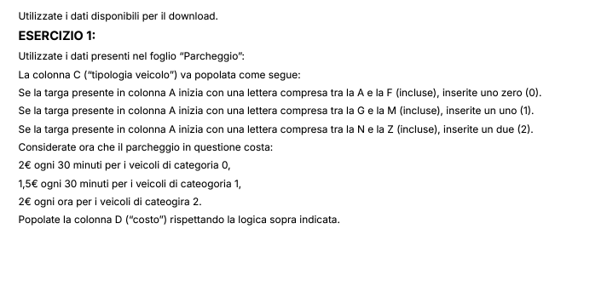
UV123KL | 4.50 | 2 | 9.00 € | INIZIALE TARGA | TIPOLOGIE VEICOLI | TARIFFA | SEGMENTO ORARIO | TARIFFA ORARIA
WX789MN | 5.50 | 2 | 11.00 € | A | 0 | 2.00 € | 0.50 | 4.00 €
YZ012OP | 6.50 | 2 | 13.00 € | B | 0 | 2.00 € | 0.50 | 4.00 €
AB345QR | 7.50 | 0 | 30.00 € | C | 0 | 2.00 € | 0.50 | 4.00 €
CD678ST | 8.50 | 0 | 34.00 € | D | 0 | 2.00 € | 0.50 | 4.00 €
EF901UV | 9.50 | 0 | 38.00 € | E | 0 | 2.00 € | 0.50 | 4.00 €
GH234WX | 10.00 | 1 | 30.00 € | F | 0 | 2.00 € | 0.50 | 4.00 €
IJ567YZ | 0.50 | 1 | 1.50 € | G | 1 | 1.50 € | 0.50 | 3.00 €
KL890AB | 1.00 | 1 | 3.00 € | H | 1 | 1.50 € | 0.50 | 3.00 €
MN123CD | 2.00 | 1 | 6.00 € | I | 1 | 1.50 € | 0.50 | 3.00 €
OP456EF | 3.00 | 2 | 6.00 € | L | 1 | 1.50 € | 0.50 | 3.00 €
QR789GH | 4.00 | 2 | 8.00 € | M | 1 | 1.50 € | 0.50 | 3.00 €
ST012IJ | 5.00 | 2 | 10.00 € | N | 2 | 2.00 € | 1.00 | 2.00 €
UV345KL | 6.00 | 2 | 12.00 € | O | 2 | 2.00 € | 1.00 | 2.00 €
WX678MN | 7.00 | 2 | 14.00 € | P | 2 | 2.00 € | 1.00 | 2.00 €
YZ901OP | 8.00 | 2 | 16.00 € | Q | 2 | 2.00 € | 1.00 | 2.00 €
AB234QR | 9.00 | 0 | 36.00 € | R | 2 | 2.00 € | 1.00 | 2.00 €
CD567ST | 10.00 | 0 | 40.00 € | S | 2 | 2.00 € | 1.00 | 2.00 €
EF890UV | 0.50 | 0 | 2.00 € | T | 2 | 2.00 € | 1.00 | 2.00 €
GH123WX | 1.00 | 1 | 3.00 € | U | 2 | 2.00 € | 1.00 | 2.00 €
IJ456YZ | 2.00 | 1 | 6.00 € | V | 2 | 2.00 € | 1.00 | 2.00 €
KL789AB | 3.00 | 1 | 9.00 € | W | 2 | 2.00 € | 1.00 | 2.00 €
MN012CD | 4.00 | 1 | 12.00 € | X | 2 | 2.00 € | 1.00 | 2.00 €
OP345EF | 5.00 | 2 | 10.00 € | Y | 2 | 2.00 € | 1.00 | 2.00 €
QR678GH | 6.00 | 2 | 12.00 € | Z | 2 | 2.00 € | 1.00 | 2.00 €
ST901IJ | 7.00 | 2 | 14.00 €
UV234KL | 8.00 | 2 | 16.00 €
WX567MN | 9.00 | 2 | 18.00 €
YZ890OP | 10.00 | 2 | 20.00 €
AB123QR | 0.50 | 0 | 2.00 €
CD456ST | 1.00 | 0 | 4.00 €
EF789UV | 2.00 | 0 | 8.00 €
GH012WX | 3.00 | 1 | 9.00 €
IJ345YZ | 4.00 | 1 | 12.00 €
KL678AB | 5.00 | 1 | 15.00 €
MN901CD | 6.00 | 1 | 18.00 €
OP234EF | 7.00 | 2 | 14.00 €
QR567GH | 8.00 | 2 | 16.00 €
ST890IJ | 9.00 | 2 | 18.00 €
UV123KL | 10.00 | 2 | 20.00 €
WX456MN | 0.50 | 2 | 1.00 €
YZ789OP | 1.00 | 2 | 2.00 €
AB012QR | 2.00 | 0 | 8.00 €
CD345ST | 3.00 | 0 | 12.00 €
EF678UV | 4.00 | 0 | 16.00 €
GH901WX | 5.00 | 1 | 15.00 €
IJ234YZ | 6.00 | 1 | 18.00 €
KL567AB | 7.00 | 1 | 21.00 €
MN890CD | 8.00 | 1 | 24.00 €
OP123EF | 9.00 | 2 | 18.00 €
QR456GH | 10.00 | 2 | 20.00 €
ST789IJ | 0.50 | 2 | 1.00 €
UV012KL | 1.00 | 2 | 2.00 €
WX345MN | 2.00 | 2 | 4.00 €
YZ678OP | 3.00 | 2 | 6.00 €
AB901QR | 4.00 | 0 | 16.00 €
CD234ST | 5.00 | 0 | 20.00 €
EF567UV | 6.00 | 0 | 24.00 €
GH890WX | 7.00 | 1 | 21.00 €
IJ123YZ | 8.00 | 1 | 24.00 €
KL456AB | 9.00 | 1 | 27.00 €
MN789CD | 10.00 | 1 | 30.00 €
OP012EF | 0.50 | 2 | 1.00 €
QR345GH | 1.00 | 2 | 2.00 €
ST678IJ | 2.00 | 2 | 4.00 €
UV890KL | 3.00 | 2 | 6.00 €
WX123MN | 4.00 | 2 | 8.00 €
YZ456OP | 5.00 | 2 | 10.00 €
AB789QR | 6.00 | 0 | 24.00 €
CD012ST | 7.00 | 0 | 28.00 €
EF345UV | 8.00 | 0 | 32.00 €
GH678WX | 9.00 | 1 | 27.00 €
IJ901YZ | 10.00 | 1 | 30.00 €
KL234AB | 0.50 | 1 | 1.50 €
MN567CD | 1.00 | 1 | 3.00 €
OP890EF | 2.00 | 2 | 4.00 €
QR123GH | 3.00 | 2 | 6.00 €
ST456IJ | 4.00 | 2 | 8.00 €
UV789KL | 5.00 | 2 | 10.00 €
WX012MN | 6.00 | 2 | 12.00 €
YZ345OP | 7.00 | 2 | 14.00 €
AB678QR | 8.00 | 0 | 32.00 €
CD901ST | 9.00 | 0 | 36.00 €
EF234UV | 10.00 | 0 | 40.00 €
GH567WX | 0.50 | 1 | 1.50 €
IJ890YZ | 1.00 | 1 | 3.00 €
KL123AB | 2.00 | 1 | 6.00 €
MN456CD | 3.00 | 1 | 9.00 €
OP789EF | 4.00 | 2 | 8.00 €
QR012GH | 5.00 | 2 | 10.00 €
ST345IJ | 6.00 | 2 | 12.00 €
UV678KL | 7.00 | 2 | 14.00 €
WX901MN | 8.00 | 2 | 16.00 €
YZ234OP | 9.00 | 2 | 18.00 €
AB567QR | 10.00 | 0 | 40.00 €
CD890ST | 0.50 | 0 | 2.00 €
EF123UV | 1.00 | 0 | 4.00 €

Frutta
FRUTTA | PESO | COSTO
Mela | 55
Banana | 70 | 80
Arancia | 40 | 60 | REPORT
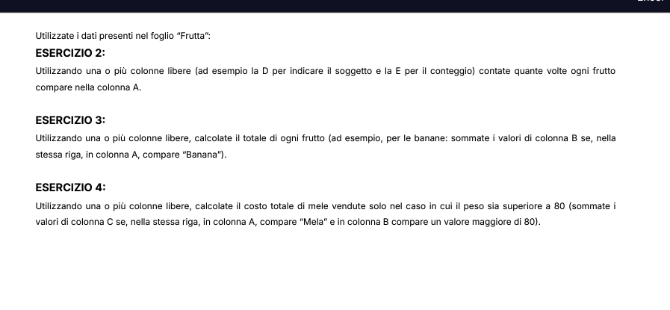
Mela | 20 | 100
Pera | 90 | 30 | CATEGORIA | CONTEGGIO | TOT COSTO | COSTO >=80KG
Banana | 50 | 40 | Mela | 11 | 555 | 0
Arancia | 60 | 55 | Banana | 14 | 815 | 200
Mela | 45 |  | Arancia | 11 | 495 | 0
Banana | 25 | 85 | Pera | 7 | 225 | 30
Pera | 35 | 50 | Uva | 3 | 150 | 0
Uva | 60 | 95
Arancia | 80
Banana | 40 | 45
Mela | 65 | 65
Arancia | 55 | 30
Pera | 70
Banana | 45 | 80
Mela | 25 | 60
Banana | 35
Arancia | 60 | 30
Mela | 70 | 40
Banana | 45 | 55
Pera | 25 | 70
Uva | 35
Arancia | 60 | 50
Banana | 80 | 95
Mela | 40 | 75
Arancia | 65 | 45
Banana | 55 | 65
Pera | 70 | 30
Mela | 45
Banana | 25 | 80
Arancia | 35 | 60
Mela | 60 | 100
Banana | 80 | 30
Pera | 40
Uva | 65 | 55
Arancia | 55 | 70
Banana | 70 | 85
Mela | 40 | 50
Arancia | 20 | 95
Banana | 90 | 75
Pera | 50 | 45
Mela | 60 | 65
Banana | 45
Arancia | 25

