Foaie1
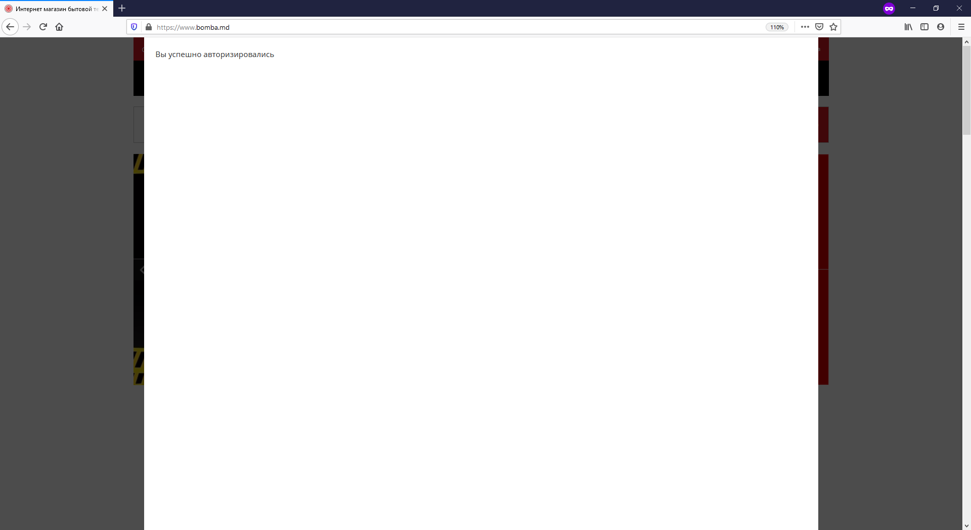
OS: | Windows 10
Browser: | Firefox ESR 52
Priority: | Medium
Severoty: | Low
Version: | 0.1
Created by: | Grosu Sergiu
Creation date: 15.01.2020
Defect ID: | Bomba-001

 |  | Prerequisites: | Firefox browser Navigate to http://bomba.md
Description: | product search by price does not match boundaries, input variable values at their Minimum
Steps to reprodusce: | 1. Go to main page
 | 2. Click "Aparate de uz casnic" select "Lanterne" in submenu
 | 3. Check the search filter forms buy inserting price 30 to 38
Expected result: | "Sorry, nothing was found at your request."
Actual result: | item is displayed in the result field

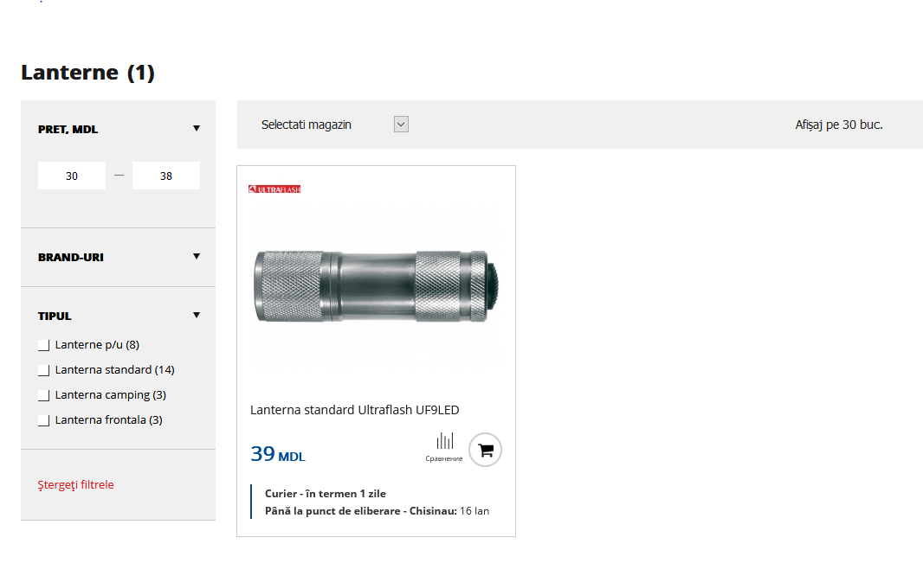

Defect ID: | Bomba-002
Prerequisites: | Firefox browser Navigate to http://bomba.md
Description: | action click doesn't redirect to url with map where the item is in stock
Steps to reprodusce: | 1. Go to main page
 | 2. Click "Aparate de uz casnic" select "Lanterne" in submenu
 | 3. select the item with price less than 449 mdl
 | 4. click on "Disponibilitate în Magazin"
 | 5. select the magazine where it is in stock and make click for redirection
Expected result: | redirect to map with magazine coordinations
Actual result: | nothing happens
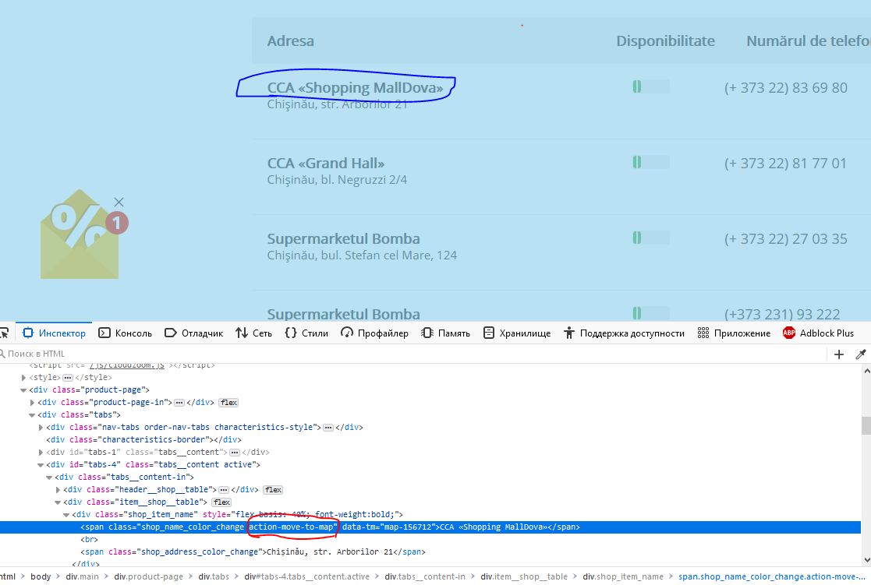

Defect ID: | Bomba-003
Prerequisites: | Firefox browser Navigate to http://bomba.md
Description: | after authorizations with facebook acount, a pop-up window appears about successful authorizations, which interferes impede further use of the site
Steps to reprodusce: | 1. Go to main page
 | 2. go to login page
 | 3. "Sign in with social networks" click on the facebook button
 | 4. verify valid facebook account
Expected result: | logged by facebook account and continue to shop
Actual result: | the pop-up windows can't be closed and it impede further shoping

