PovertyReport
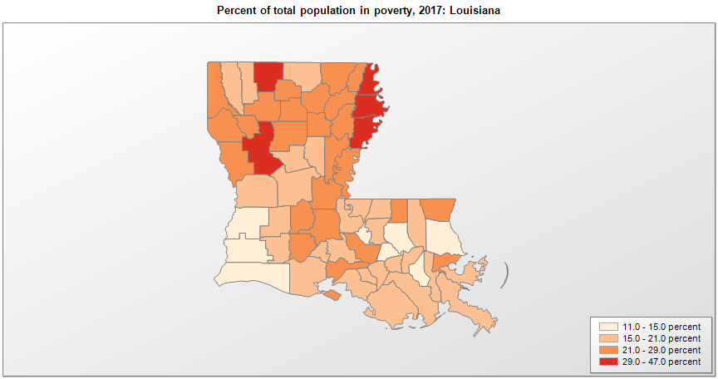
 | Percent | Number
 |  |  |  | All people in poverty (2017) |  |  | Children ages 0-17 in poverty (2017)
 |  |  |  |  | 90% confidence interval of estimate |  |  | 90% confidence interval of estimate
FIPS* |  | Name | RUC Code | Percent | Lower Bound | Upper Bound | Percent | Lower Bound | Upper Bound
22000 |  | Louisiana |  | 19.6 | 19.2 | 20 | 27.7 | 26.8 | 28.6
22001 |  | Acadia | 2 | 23.1 | 19.6 | 26.6 | 34.3 | 28.8 | 39.8
22003 |  | Allen | 6 | 20.8 | 16.3 | 25.3 | 24.1 | 17.9 | 30.3
22005 |  | Ascension | 2 | 12.6 | 10.8 | 14.4 | 14.6 | 11.7 | 17.5
22007 |  | Assumption | 6 | 18.9 | 14.9 | 22.9 | 27.4 | 20.8 | 34
22009 |  | Avoyelles | 6 | 24.6 | 19.6 | 29.6 | 33 | 25.7 | 40.3
22011 |  | Beauregard | 6 | 14.6 | 11.9 | 17.3 | 17.9 | 13.2 | 22.6
22013 |  | Bienville | 6 | 25.4 | 20.4 | 30.4 | 36.8 | 28.7 | 44.9
22015 |  | Bossier | 2 | 16.8 | 14.7 | 18.9 | 23.9 | 19.9 | 27.9
22017 |  | Caddo | 2 | 25.8 | 23.3 | 28.3 | 39.1 | 34.2 | 44
22019 |  | Calcasieu | 3 | 14.2 | 11.8 | 16.6 | 20.8 | 16.3 | 25.3
22021 |  | Caldwell | 8 | 23.4 | 18.6 | 28.2 | 32.1 | 24.2 | 40
22023 |  | Cameron | 3 | 13.2 | 10.2 | 16.2 | 16.9 | 12.4 | 21.4
22025 |  | Catahoula | 9 | 27.8 | 21.5 | 34.1 | 39 | 29.3 | 48.7
22027 |  | Claiborne | 6 | 39.5 | 33.5 | 45.5 | 47.6 | 38.8 | 56.4
22029 |  | Concordia | 7 | 27.7 | 21.6 | 33.8 | 38.6 | 29.1 | 48.1
22031 |  | De Soto | 2 | 22.8 | 19.5 | 26.1 | 36.3 | 31.3 | 41.3
22033 |  | East Baton Rouge | 2 | 18.9 | 16.9 | 20.9 | 26.3 | 22.3 | 30.3
22035 |  | East Carroll | 7 | 46.7 | 36.9 | 56.5 | 62.3 | 47.7 | 76.9
22037 |  | East Feliciana | 2 | 20.6 | 15.8 | 25.4 | 26.8 | 20 | 33.6
22039 |  | Evangeline | 6 | 23.6 | 19.1 | 28.1 | 32.2 | 24.8 | 39.6
22041 |  | Franklin | 7 | 27.9 | 22.8 | 33 | 40.7 | 31.1 | 50.3
22043 |  | Grant | 3 | 21 | 16.7 | 25.3 | 26 | 19.7 | 32.3
22045 |  | Iberia | 2 | 23.8 | 20 | 27.6 | 34.5 | 27.8 | 41.2
22047 |  | Iberville | 2 | 22.9 | 18 | 27.8 | 31 | 23.9 | 38.1
22049 |  | Jackson | 6 | 24.6 | 20.7 | 28.5 | 41.4 | 35.2 | 47.6
22051 |  | Jefferson | 1 | 17.1 | 15.6 | 18.6 | 27.2 | 24.1 | 30.3
22053 |  | Jefferson Davis | 6 | 19.3 | 16.1 | 22.5 | 24.4 | 18.8 | 30
22055 |  | Lafayette | 2 | 17.4 | 15.2 | 19.6 | 22.6 | 18.5 | 26.7
22057 |  | Lafourche | 3 | 15.8 | 13.2 | 18.4 | 21.9 | 17.4 | 26.4
22059 |  | La Salle | 6 | 18.4 | 14.3 | 22.5 | 23.4 | 17.5 | 29.3
22061 |  | Lincoln | 4 | 27.9 | 24.4 | 31.4 | 28.3 | 22.1 | 34.5
22063 |  | Livingston | 2 | 11.4 | 9.2 | 13.6 | 14.7 | 11.2 | 18.2
22065 |  | Madison | 7 | 38.9 | 30 | 47.8 | 52.2 | 39.3 | 65.1
22067 |  | Morehouse | 6 | 28 | 22.5 | 33.5 | 40.3 | 30.1 | 50.5
22069 |  | Natchitoches | 6 | 30.3 | 26.7 | 33.9 | 36.5 | 30.1 | 42.9
22071 |  | Orleans | 1 | 26.1 | 24.1 | 28.1 | 38.9 | 34.3 | 43.5
22073 |  | Ouachita | 3 | 24.7 | 22.1 | 27.3 | 37.6 | 33 | 42.2
22075 |  | Plaquemines | 1 | 16.2 | 12.8 | 19.6 | 19 | 14.3 | 23.7
22077 |  | Pointe Coupee | 2 | 18.8 | 14.8 | 22.8 | 27.6 | 20.6 | 34.6
22079 |  | Rapides | 3 | 19.9 | 17.1 | 22.7 | 26 | 20.6 | 31.4
22081 |  | Red River | 8 | 23.3 | 17.5 | 29.1 | 34.8 | 25.8 | 43.8
22083 |  | Richland | 6 | 27.8 | 23.2 | 32.4 | 44.4 | 37 | 51.8
22085 |  | Sabine | 6 | 22.2 | 18.5 | 25.9 | 28.7 | 21.8 | 35.6
22087 |  | St. Bernard | 1 | 20 | 16.6 | 23.4 | 28.7 | 22.4 | 35
22089 |  | St. Charles | 1 | 11.4 | 9 | 13.8 | 16.7 | 12.6 | 20.8
22091 |  | St. Helena | 2 | 23.2 | 18.2 | 28.2 | 36.6 | 27.2 | 46
22093 |  | St. James | 1 | 16.7 | 13 | 20.4 | 23.9 | 17.9 | 29.9
22095 |  | St. John the Baptist | 1 | 18.1 | 14.4 | 21.8 | 27.5 | 20.9 | 34.1
22097 |  | St. Landry | 4 | 25.6 | 22.1 | 29.1 | 35.7 | 29.4 | 42
22099 |  | St. Martin | 2 | 19.2 | 15.8 | 22.6 | 29.3 | 23.3 | 35.3
22101 |  | St. Mary | 4 | 20.5 | 16.4 | 24.6 | 30.4 | 23.1 | 37.7
22103 |  | St. Tammany | 1 | 11.1 | 9.5 | 12.7 | 15 | 12.2 | 17.8
22105 |  | Tangipahoa | 3 | 20.9 | 17.6 | 24.2 | 31 | 25.2 | 36.8
22107 |  | Tensas | 9 | 34.9 | 27.6 | 42.2 | 55.1 | 42.7 | 67.5
22109 |  | Terrebonne | 3 | 19.7 | 16.9 | 22.5 | 24.7 | 19.5 | 29.9
22111 |  | Union | 3 | 16.4 | 12.5 | 20.3 | 28.9 | 21.2 | 36.6
22113 |  | Vermilion | 2 | 17 | 13.6 | 20.4 | 23.6 | 17.8 | 29.4
22115 |  | Vernon | 5 | 18.3 | 15.8 | 20.8 | 23.8 | 19.4 | 28.2
22117 |  | Washington | 6 | 23.1 | 18.1 | 28.1 | 33.1 | 24.6 | 41.6
22119 |  | Webster | 2 | 20.3 | 16.7 | 23.9 | 29.1 | 22.4 | 35.8
22121 |  | West Baton Rouge | 2 | 13.5 | 10.2 | 16.8 | 19.5 | 14.3 | 24.7
22123 |  | West Carroll | 9 | 21.2 | 16.4 | 26 | 30.4 | 22.5 | 38.3
22125 |  | West Feliciana | 2 | 21 | 15.7 | 26.3 | 20.2 | 15 | 25.4
22127 |  | Winn | 6 | 23.7 | 18.4 | 29 | 31.5 | 24 | 39

See the county-level poverty rates from the 1990 and 2000 Census of Population. See important notes about intercensal model-based poverty estimates. The 2013 rural-urban continuum codes classify metropolitan counties (codes 1 through 3) by size of the Metropolitan Statistical Area (MSA), and nonmetropolitan counties (codes 4 through 9) by degree of urbanization and proximity to metro areas. See rural-urban continuum codes for precise definitions of each code. Source: Census Bureau, Small Area Income and Poverty Estimates.

*See the Census Bureau web site for a description of FIPS codes.

