PovertyReport
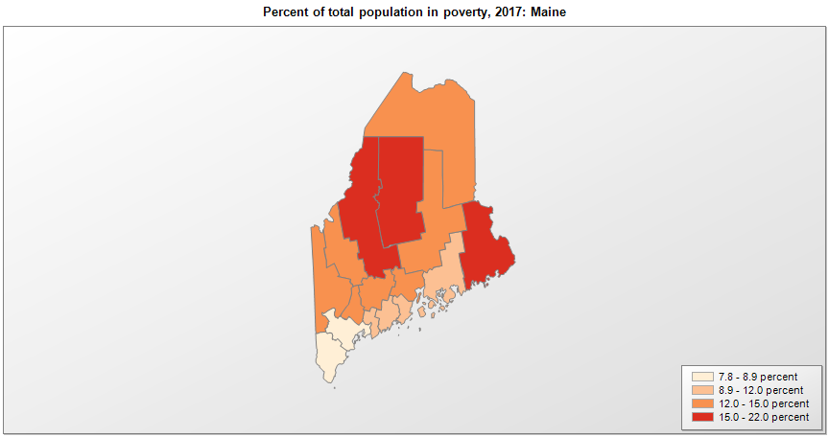
 | Percent | Number
 |  |  |  | All people in poverty (2017) |  |  | Children ages 0-17 in poverty (2017)
 |  |  |  |  | 90% confidence interval of estimate |  |  | 90% confidence interval of estimate
FIPS* |  | Name | RUC Code | Percent | Lower Bound | Upper Bound | Percent | Lower Bound | Upper Bound
23000 |  | Maine |  | 11.3 | 10.9 | 11.7 | 14.2 | 13.2 | 15.2
23001 |  | Androscoggin | 3 | 12.4 | 10.2 | 14.6 | 15.8 | 11.3 | 20.3
23003 |  | Aroostook | 7 | 14.4 | 12.2 | 16.6 | 17.5 | 12.6 | 22.4
23005 |  | Cumberland | 2 | 8.1 | 7 | 9.2 | 9.2 | 7 | 11.4
23007 |  | Franklin | 6 | 13.7 | 10.5 | 16.9 | 19.5 | 14 | 25
23009 |  | Hancock | 6 | 11 | 9.1 | 12.9 | 15 | 11.1 | 18.9
23011 |  | Kennebec | 4 | 12.4 | 10.6 | 14.2 | 14.2 | 10.6 | 17.8
23013 |  | Knox | 7 | 10.7 | 8.2 | 13.2 | 14.7 | 10.1 | 19.3
23015 |  | Lincoln | 8 | 11.4 | 9.2 | 13.6 | 15.3 | 10.8 | 19.8
23017 |  | Oxford | 6 | 13.5 | 10.7 | 16.3 | 20.2 | 14.9 | 25.5
23019 |  | Penobscot | 3 | 14.3 | 12.5 | 16.1 | 16.2 | 12.8 | 19.6
23021 |  | Piscataquis | 8 | 15.5 | 11.9 | 19.1 | 23.4 | 16.4 | 30.4
23023 |  | Sagadahoc | 2 | 9.7 | 7.7 | 11.7 | 14 | 10.2 | 17.8
23025 |  | Somerset | 6 | 15.9 | 13.1 | 18.7 | 22 | 16.3 | 27.7
23027 |  | Waldo | 6 | 13.1 | 10.4 | 15.8 | 18.8 | 13.8 | 23.8
23029 |  | Washington | 7 | 21.1 | 18.3 | 23.9 | 26.8 | 20.9 | 32.7
23031 |  | York | 2 | 7.8 | 6.3 | 9.3 | 9.7 | 7 | 12.4

See the county-level poverty rates from the 1990 and 2000 Census of Population. See important notes about intercensal model-based poverty estimates. The 2013 rural-urban continuum codes classify metropolitan counties (codes 1 through 3) by size of the Metropolitan Statistical Area (MSA), and nonmetropolitan counties (codes 4 through 9) by degree of urbanization and proximity to metro areas. See rural-urban continuum codes for precise definitions of each code. Source: Census Bureau, Small Area Income and Poverty Estimates.

*See the Census Bureau web site for a description of FIPS codes.

