PovertyReport
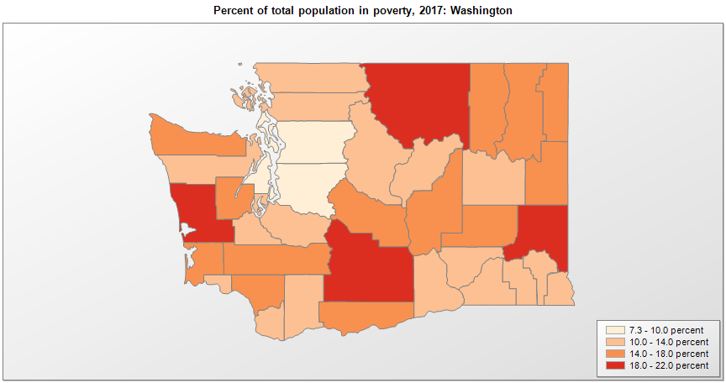
 | Percent | Number
 |  |  |  | All people in poverty (2017) |  |  | Children ages 0-17 in poverty (2017)
 |  |  |  |  | 90% confidence interval of estimate |  |  | 90% confidence interval of estimate
FIPS* |  | Name | RUC Code | Percent | Lower Bound | Upper Bound | Percent | Lower Bound | Upper Bound
53000 |  | Washington |  | 11 | 10.8 | 11.2 | 14.2 | 13.6 | 14.8
53001 |  | Adams | 6 | 15.8 | 12.7 | 18.9 | 20.5 | 15.6 | 25.4
53003 |  | Asotin | 3 | 12.9 | 9.8 | 16 | 21.3 | 15.8 | 26.8
53005 |  | Benton | 2 | 12 | 10.4 | 13.6 | 16.5 | 13.6 | 19.4
53007 |  | Chelan | 3 | 13.3 | 11 | 15.6 | 17 | 13.4 | 20.6
53009 |  | Clallam | 5 | 16.4 | 14.1 | 18.7 | 25.5 | 21 | 30
53011 |  | Clark | 1 | 10.2 | 9.1 | 11.3 | 13.6 | 11.5 | 15.7
53013 |  | Columbia | 3 | 13.5 | 10.3 | 16.7 | 20.8 | 15.5 | 26.1
53015 |  | Cowlitz | 3 | 16.4 | 14.2 | 18.6 | 21 | 16.7 | 25.3
53017 |  | Douglas | 3 | 13.4 | 11.1 | 15.7 | 19.3 | 15.3 | 23.3
53019 |  | Ferry | 9 | 17.3 | 13.2 | 21.4 | 26.9 | 19.8 | 34
53021 |  | Franklin | 2 | 13.4 | 10.9 | 15.9 | 18.2 | 14.3 | 22.1
53023 |  | Garfield | 8 | 14 | 10.6 | 17.4 | 22.2 | 16.6 | 27.8
53025 |  | Grant | 5 | 14.7 | 11.8 | 17.6 | 20.3 | 15.9 | 24.7
53027 |  | Grays Harbor | 4 | 18.3 | 15.7 | 20.9 | 26.1 | 21 | 31.2
53029 |  | Island | 4 | 9.2 | 7.6 | 10.8 | 12.1 | 9.4 | 14.8
53031 |  | Jefferson | 6 | 12.7 | 10.3 | 15.1 | 20.7 | 15.6 | 25.8
53033 |  | King | 1 | 9.3 | 8.8 | 9.8 | 11.6 | 10.5 | 12.7
53035 |  | Kitsap | 2 | 8.3 | 7.1 | 9.5 | 10.8 | 8.6 | 13
53037 |  | Kittitas | 4 | 14.2 | 11.4 | 17 | 14.2 | 10.6 | 17.8
53039 |  | Klickitat | 6 | 14.5 | 11.3 | 17.7 | 21.5 | 16.2 | 26.8
53041 |  | Lewis | 4 | 15 | 12.6 | 17.4 | 21.4 | 16.7 | 26.1
53043 |  | Lincoln | 8 | 12.6 | 9.8 | 15.4 | 17 | 12.9 | 21.1
53045 |  | Mason | 4 | 14.5 | 12 | 17 | 23 | 18.2 | 27.8
53047 |  | Okanogan | 6 | 20.4 | 17.4 | 23.4 | 28.6 | 23.6 | 33.6
53049 |  | Pacific | 7 | 16.9 | 13.6 | 20.2 | 25.2 | 19.5 | 30.9
53051 |  | Pend Oreille | 2 | 16.3 | 12.7 | 19.9 | 26.6 | 19.9 | 33.3
53053 |  | Pierce | 1 | 10.2 | 9.3 | 11.1 | 12.1 | 10.4 | 13.8
53055 |  | San Juan | 9 | 10.3 | 8.6 | 12 | 14.8 | 11.3 | 18.3
53057 |  | Skagit | 3 | 11.3 | 9.5 | 13.1 | 15.8 | 12.5 | 19.1
53059 |  | Skamania | 1 | 12 | 9.4 | 14.6 | 17.8 | 13.5 | 22.1
53061 |  | Snohomish | 1 | 7.3 | 6.5 | 8.1 | 8.8 | 7.3 | 10.3
53063 |  | Spokane | 2 | 14.1 | 12.8 | 15.4 | 17 | 14.4 | 19.6
53065 |  | Stevens | 2 | 14.8 | 12 | 17.6 | 23.6 | 18.2 | 29
53067 |  | Thurston | 2 | 10.5 | 9.2 | 11.8 | 12.5 | 10.3 | 14.7
53069 |  | Wahkiakum | 8 | 12.3 | 9.6 | 15 | 22.9 | 17.1 | 28.7
53071 |  | Walla Walla | 3 | 13.6 | 10.9 | 16.3 | 18 | 13.8 | 22.2
53073 |  | Whatcom | 3 | 13 | 11.5 | 14.5 | 13.1 | 10.2 | 16
53075 |  | Whitman | 4 | 21.4 | 18.8 | 24 | 14.2 | 10.7 | 17.7
53077 |  | Yakima | 3 | 18.1 | 15.8 | 20.4 | 26.1 | 22.3 | 29.9

See the county-level poverty rates from the 1990 and 2000 Census of Population. See important notes about intercensal model-based poverty estimates. The 2013 rural-urban continuum codes classify metropolitan counties (codes 1 through 3) by size of the Metropolitan Statistical Area (MSA), and nonmetropolitan counties (codes 4 through 9) by degree of urbanization and proximity to metro areas. See rural-urban continuum codes for precise definitions of each code. Source: Census Bureau, Small Area Income and Poverty Estimates.

*See the Census Bureau web site for a description of FIPS codes.

