20210903_prophet
Dodanie prophet

baza

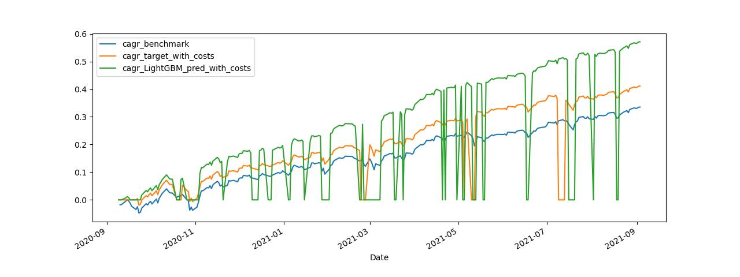
target_variable | cnt_days | cnt_change | cagr_benchmark | cagr_target_without_costs | cagr_target_with_costs | sample | cagr_LightGBM_pred_without_costs | cagr_LightGBM_pred_with_costs | lgbmclassifier__learning_rate | lgbmclassifier__max_depth | lgbmclassifier__n_estimators | cv_best_index | cv_refit_time | cv_n_splits | scorer | cv_best_score | oot_score |  | importance_cv | importance_cv_abs
target | 7891 | 417 | 11.618393422 | 3064.5726745 | 912.17979754 | ['out_of_fold', 'out_of_time'] |  |  | 0.05 | 2 | 60 | 1 | 0.39513683319 | 5 | make_scorer(f1_score, average=binary) | 0.37849260742 | 0.34090909091 | base_Close_lag_pr_3 | 14 | 14
LightGBM_pred | 7891 | 1112 | 11.618393422 |  |  | ['out_of_fold', 'out_of_time'] | 4710773.226 | 186441.43516 |  |  |  |  |  |  |  |  |  | base_Close_lag_pr_4 | 13 | 13
target | 7641 | 406 | 8.2630878403 | 2096.9704501 | 644.23537081 | ['out_of_fold'] |  |  |  |  |  |  |  |  |  |  |  | base_my_trend_macd_diff_5_35_5 | 10 | 10
LightGBM_pred | 7641 | 1065 | 8.2630878403 |  |  | ['out_of_fold'] | 2608049.9938 | 118316.47452 |  |  |  |  |  |  |  |  |  | base_trend_stc | 9 | 9
target | 250 | 11 | 0.33532316153 | 0.46120870025 | 0.41526617859 | ['out_of_time'] |  |  |  |  |  |  |  |  |  |  |  | vix_Close_lag_pr_3 | 8 | 8
LightGBM_pred | 250 | 47 | 0.33532316153 |  |  | ['out_of_time'] | 0.8062431437 | 0.5757810578 |  |  |  |  |  |  |  |  |  | base_volume_vwap | 7 | 7
 |  |  |  |  |  |  |  |  |  |  |  |  |  |  |  |  |  | base_trend_kst_diff | 7 | 7
 |  |  |  |  |  |  |  |  |  |  |  |  |  |  |  |  |  | base_Close_lag_pr_2 | 7 | 7
 |  |  |  |  |  |  |  |  |  |  |  |  |  |  |  |  |  | base_my_close_pr_trend_sma_5 | 6 | 6
 |  |  |  |  |  |  |  |  |  |  |  |  |  |  |  |  |  | vix_volatility_bbl | 6 | 6
 |  |  |  |  |  |  |  |  |  |  |  |  |  |  |  |  |  | dollar_momentum_tsi | 6 | 6
 |  |  |  |  |  |  |  |  |  |  |  |  |  |  |  |  |  | dollar_trend_macd | 5 | 5
 |  |  |  |  |  |  |  |  |  |  |  |  |  |  |  |  |  | vix_Close_lag_pr_4 | 5 | 5
 |  |  |  |  |  |  |  |  |  |  |  |  |  |  |  |  |  | base_momentum_stoch_rsi_d | 4 | 4
 |  |  |  |  |  |  |  |  |  |  |  |  |  |  |  |  |  | base_momentum_stoch_rsi | 4 | 4

prophet

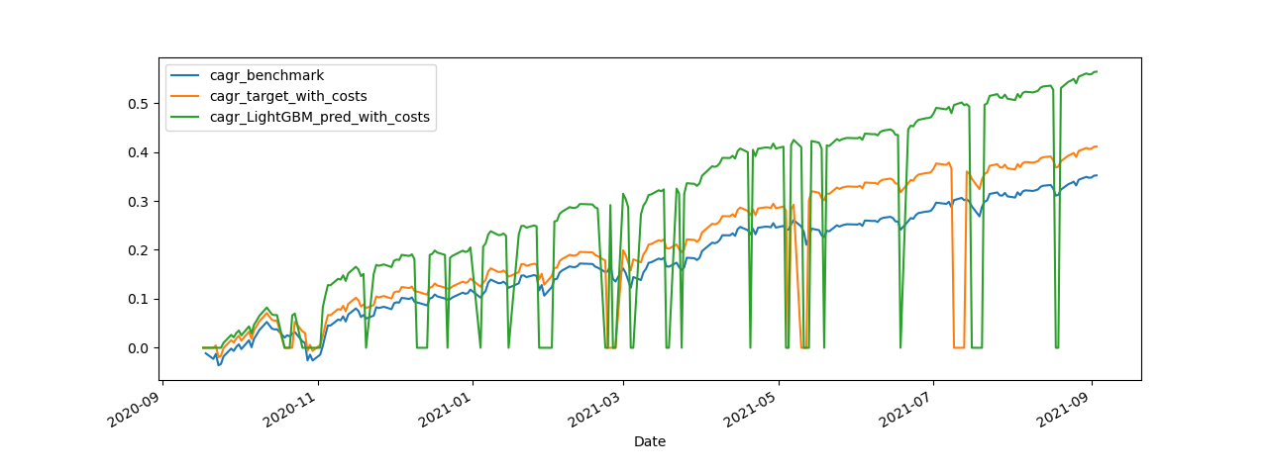
target_variable | cnt_days | cnt_change | cagr_benchmark | cagr_target_without_costs | cagr_target_with_costs | sample | cagr_LightGBM_pred_without_costs | cagr_LightGBM_pred_with_costs | lgbmclassifier__learning_rate | lgbmclassifier__max_depth | lgbmclassifier__n_estimators | cv_best_index | cv_refit_time | cv_n_splits | scorer | cv_best_score | oot_score |  | importance_cv | importance_cv_abs
target | 7891 | 417 | 11.618894342 | 3064.6943703 | 912.21604856 | ['out_of_fold', 'out_of_time'] |  |  | 0.01 | 2 | 180 | 58 | 0.67480325699 | 5 | make_scorer(f1_score, average=binary) | 0.38096736847 | 0.36363636364 | base_Close_lag_pr_3 | 68 | 68
LightGBM_pred | 7891 | 1122 | 11.618894342 |  |  | ['out_of_fold', 'out_of_time'] | 6715207.5645 | 258165.05879 |  |  |  |  |  |  |  |  |  | base_Close_lag_pr_4 | 49 | 49
target | 7647 | 406 | 8.4122437856 | 2096.9704501 | 644.23537081 | ['out_of_fold'] |  |  |  |  |  |  |  |  |  |  |  | base_my_trend_macd_diff_5_35_5 | 45 | 45
LightGBM_pred | 7647 | 1080 | 8.4122437856 |  |  | ['out_of_fold'] | 3800858.5553 | 165079.34912 |  |  |  |  |  |  |  |  |  | prophet_r2_score | 35 | 35
target | 244 | 11 | 0.35206333121 | 0.46126670669 | 0.41532236122 | ['out_of_time'] |  |  |  |  |  |  |  |  |  |  |  | base_my_close_pr_trend_sma_5 | 34 | 34
LightGBM_pred | 244 | 41 | 0.35206333121 |  |  | ['out_of_time'] | 0.7667605095 | 0.56842967219 |  |  |  |  |  |  |  |  |  | base_momentum_stoch_rsi | 24 | 24
 |  |  |  |  |  |  |  |  |  |  |  |  |  |  |  |  |  | dollar_momentum_tsi | 23 | 23
 |  |  |  |  |  |  |  |  |  |  |  |  |  |  |  |  |  | base_trend_kst_diff | 22 | 22
 |  |  |  |  |  |  |  |  |  |  |  |  |  |  |  |  |  | vix_volatility_bbl | 18 | 18
 |  |  |  |  |  |  |  |  |  |  |  |  |  |  |  |  |  | base_Close_lag_pr_2 | 17 | 17
 |  |  |  |  |  |  |  |  |  |  |  |  |  |  |  |  |  | base_trend_stc | 17 | 17
 |  |  |  |  |  |  |  |  |  |  |  |  |  |  |  |  |  | vix_trend_macd_diff | 14 | 14
 |  |  |  |  |  |  |  |  |  |  |  |  |  |  |  |  |  | base_volume_vwap | 12 | 12
 |  |  |  |  |  |  |  |  |  |  |  |  |  |  |  |  |  | dollar_trend_macd | 11 | 11
 |  |  |  |  |  |  |  |  |  |  |  |  |  |  |  |  |  | vix_momentum_rsi | 11 | 11
 |  |  |  |  |  |  |  |  |  |  |  |  |  |  |  |  |  | vix_my_close_pr_trend_sma_slow | 10 | 10

my features

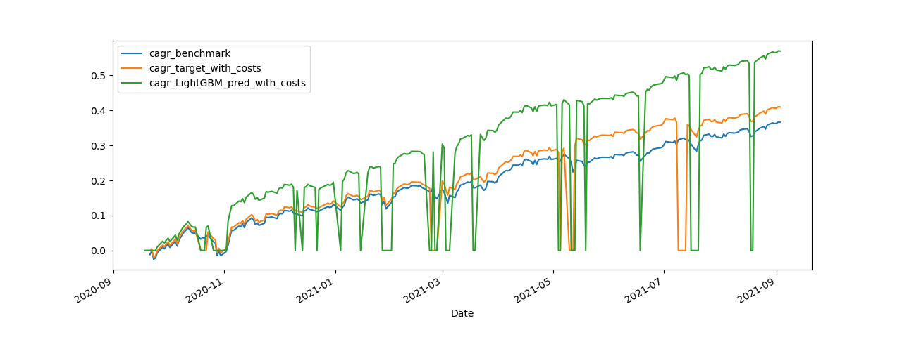
target_variable | cnt_days | cnt_change | cagr_benchmark | cagr_target_without_costs | cagr_target_with_costs | sample |  |  | lgbmclassifier__learning_rate | lgbmclassifier__max_depth | lgbmclassifier__n_estimators | cv_best_index | cv_refit_time | cv_n_splits | scorer | cv_best_score | oot_score |  | importance_cv | importance_cv_abs
target | 7891 | 417 | 11.609275056 | 3062.3574152 | 911.51991101 | ['out_of_fold', 'out_of_time'] |  |  | 0.01 | 2 | 180 | 58 | 1.0484783649 | 5 | make_scorer(f1_score, average=binary) | 0.3772215278 | 0.3606557377 | base_Close_lag_pr_3 | 64 | 64
LightGBM_pred | 7891 | 1106 | 11.609275056 | 7456116.1526 | 300283.49074 | ['out_of_fold', 'out_of_time'] |  |  |  |  |  |  |  |  |  |  |  | base_my_psar_down | 51 | 51
target | 7648 | 406 | 8.3330645472 | 2096.9704501 | 644.23537081 | ['out_of_fold'] |  |  |  |  |  |  |  |  |  |  |  | base_my_trend_macd_diff_5_35_5 | 41 | 41
LightGBM_pred | 7648 | 1068 | 8.3330645472 | 4254114.3024 | 191318.05098 | ['out_of_fold'] |  |  |  |  |  |  |  |  |  |  |  | base_Close_lag_pr_4 | 39 | 39
target | 243 | 11 | 0.3663115545 | 0.46015279435 | 0.41424347191 | ['out_of_time'] |  |  |  |  |  |  |  |  |  |  |  | dollar_momentum_tsi | 27 | 27
LightGBM_pred | 243 | 37 | 0.3663115545 | 0.7526833719 | 0.57411322578 | ['out_of_time'] |  |  |  |  |  |  |  |  |  |  |  | base_my_close_pr_trend_sma_5 | 27 | 27
 |  |  |  |  |  |  |  |  |  |  |  |  |  |  |  |  |  | prophet_r2_score | 22 | 22
 |  |  |  |  |  |  |  |  |  |  |  |  |  |  |  |  |  | base_Bollinger_Bands_min_max_pr_SMA_5 | 19 | 19
 |  |  |  |  |  |  |  |  |  |  |  |  |  |  |  |  |  | base_volume_vwap | 18 | 18
 |  |  |  |  |  |  |  |  |  |  |  |  |  |  |  |  |  | vix_volatility_bbl | 17 | 17
 |  |  |  |  |  |  |  |  |  |  |  |  |  |  |  |  |  | base_Close_lag_pr_2 | 16 | 16
 |  |  |  |  |  |  |  |  |  |  |  |  |  |  |  |  |  | base_momentum_stoch_rsi | 15 | 15
 |  |  |  |  |  |  |  |  |  |  |  |  |  |  |  |  |  | base_trend_kst_diff | 15 | 15
 |  |  |  |  |  |  |  |  |  |  |  |  |  |  |  |  |  | base_Bollinger_Bands_min_max_pr_SMA_20 | 15 | 15
 |  |  |  |  |  |  |  |  |  |  |  |  |  |  |  |  |  | base_trend_stc | 13 | 13

20210911_counter_ind
dodanie Countr Indicator

base

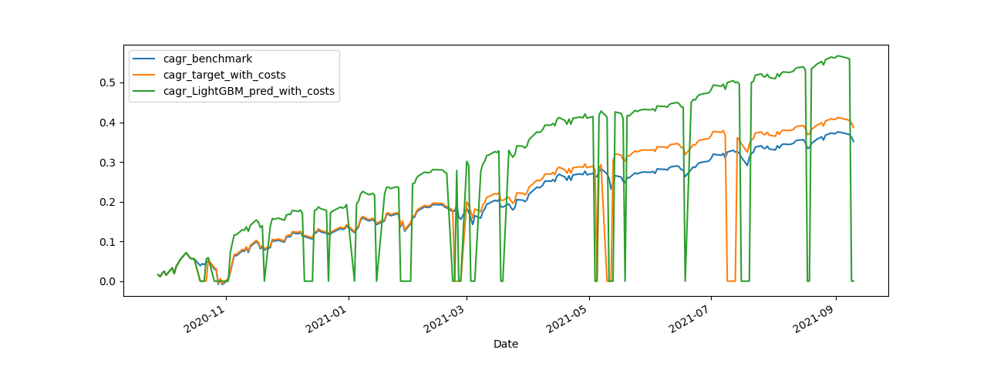
target_variable | cnt_days | cnt_change | cagr_benchmark | cagr_target_without_costs | cagr_target_with_costs | sample | lgbmclassifier__learning_rate | lgbmclassifier__max_depth | lgbmclassifier__n_estimators | cv_best_index | cv_refit_time | cv_n_splits | scorer | cv_best_score | oot_score |  | importance_cv | importance_cv_abs
target | 7895 | 417 | 11.395618582 | 3010.4506925 | 896.05781777 | ['out_of_fold', 'out_of_time'] | 0.01 | 2 | 190 | 59 | 1.1071283817 | 5 | make_scorer(f1_score, average=binary) | 0.3716430518 | 0.31034482759 | base_Close_lag_pr_3 | 64 | 64
LightGBM_pred | 7895 | 1121 | 11.395618582 | 6918036.1912 | 266736.33957 | ['out_of_fold', 'out_of_time'] |  |  |  |  |  |  |  |  |  | base_my_psar_down | 45 | 45
target | 7653 | 407 | 8.0260781947 | 2074.9297137 | 635.60517001 | ['out_of_fold'] |  |  |  |  |  |  |  |  |  | base_my_trend_macd_diff_5_35_5 | 41 | 41
LightGBM_pred | 7653 | 1083 | 8.0260781947 | 3933867.8089 | 169374.10503 | ['out_of_fold'] |  |  |  |  |  |  |  |  |  | base_Close_lag_pr_4 | 37 | 37
target | 242 | 10 | 0.35171568881 | 0.42783937193 | 0.38696823826 | ['out_of_time'] |  |  |  |  |  |  |  |  |  | prophet_r2_score | 31 | 31
LightGBM_pred | 242 | 37 | 0.35171568881 | 0.73092902992 | 0.55457530012 | ['out_of_time'] |  |  |  |  |  |  |  |  |  | base_my_close_pr_trend_sma_5 | 31 | 31
 |  |  |  |  |  |  |  |  |  |  |  |  |  |  |  | dollar_momentum_tsi | 25 | 25
 |  |  |  |  |  |  |  |  |  |  |  |  |  |  |  | base_volume_vwap | 20 | 20
 |  |  |  |  |  |  |  |  |  |  |  |  |  |  |  | base_Bollinger_Bands_min_max_pr_SMA_5 | 19 | 19
 |  |  |  |  |  |  |  |  |  |  |  |  |  |  |  | vix_volatility_bbl | 19 | 19
 |  |  |  |  |  |  |  |  |  |  |  |  |  |  |  | dollar_trend_macd | 18 | 18
 |  |  |  |  |  |  |  |  |  |  |  |  |  |  |  | base_Close_lag_pr_2 | 17 | 17
 |  |  |  |  |  |  |  |  |  |  |  |  |  |  |  | base_trend_kst_diff | 15 | 15
 |  |  |  |  |  |  |  |  |  |  |  |  |  |  |  | base_Bollinger_Bands_min_max_pr_SMA_20 | 15 | 15
 |  |  |  |  |  |  |  |  |  |  |  |  |  |  |  | base_trend_stc | 15 | 15
 |  |  |  |  |  |  |  |  |  |  |  |  |  |  |  | base_momentum_stoch_rsi | 14 | 14
 |  |  |  |  |  |  |  |  |  |  |  |  |  |  |  | base_volatility_atr | 13 | 13
 |  |  |  |  |  |  |  |  |  |  |  |  |  |  |  | vix_my_close_pr_trend_sma_slow | 11 | 11
 |  |  |  |  |  |  |  |  |  |  |  |  |  |  |  | vix_trend_macd_diff | 10 | 10
 |  |  |  |  |  |  |  |  |  |  |  |  |  |  |  | base_volume_fi | 9 | 9
 |  |  |  |  |  |  |  |  |  |  |  |  |  |  |  | vix_momentum_rsi | 9 | 9
 |  |  |  |  |  |  |  |  |  |  |  |  |  |  |  | vix_trend_vortex_ind_neg | 8 | 8
 |  |  |  |  |  |  |  |  |  |  |  |  |  |  |  | base_trend_macd_diff | 8 | 8
 |  |  |  |  |  |  |  |  |  |  |  |  |  |  |  | base_volatility_kcp | 7 | 7
 |  |  |  |  |  |  |  |  |  |  |  |  |  |  |  | vix_my_psar_down | 7 | 7

counter indicator

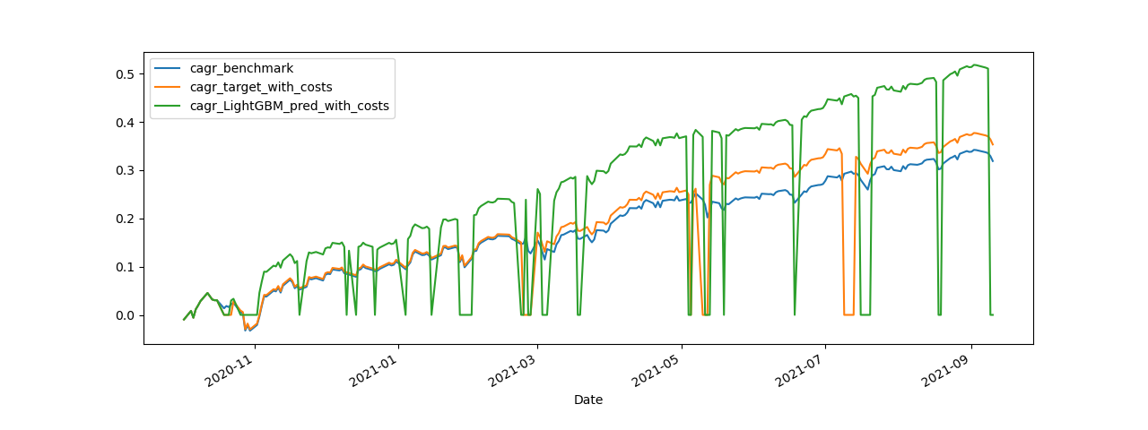
target_variable | cnt_days | cnt_change | cagr_benchmark | cagr_target_without_costs | cagr_target_with_costs | sample | lgbmclassifier__learning_rate | lgbmclassifier__max_depth | lgbmclassifier__n_estimators | cv_best_index | cv_refit_time | cv_n_splits | scorer | cv_best_score | oot_score |  | importance_cv | importance_cv_abs
target | 7895 | 417 | 11.395618582 | 3010.4506925 | 896.05781777 | ['out_of_fold', 'out_of_time'] | 0.01 | 2 | 180 | 58 | 1.176943779 | 5 | make_scorer(f1_score, average=binary) | 0.37025000046 | 0.3 | base_Close_lag_pr_3 | 64 | 64
LightGBM_pred | 7895 | 1127 | 11.395618582 | 7418690.6124 | 281098.80127 | ['out_of_fold', 'out_of_time'] |  |  |  |  |  |  |  |  |  | base_my_psar_down | 46 | 46
target | 7657 | 407 | 8.3497177491 | 2149.3643632 | 658.43131988 | ['out_of_fold'] |  |  |  |  |  |  |  |  |  | base_my_trend_macd_diff_5_35_5 | 40 | 40
LightGBM_pred | 7657 | 1088 | 8.3497177491 | 4375355.4159 | 185666.85612 | ['out_of_fold'] |  |  |  |  |  |  |  |  |  | base_Close_lag_pr_4 | 36 | 36
target | 238 | 10 | 0.31879437226 | 0.39306404725 | 0.35318833853 | ['out_of_time'] |  |  |  |  |  |  |  |  |  | base_my_close_pr_trend_sma_5 | 27 | 27
LightGBM_pred | 238 | 39 | 0.31879437226 | 0.68663560174 | 0.50602158775 | ['out_of_time'] |  |  |  |  |  |  |  |  |  | prophet_r2_score | 26 | 26
 |  |  |  |  |  |  |  |  |  |  |  |  |  |  |  | dollar_momentum_tsi | 22 | 22
 |  |  |  |  |  |  |  |  |  |  |  |  |  |  |  | base_Bollinger_Bands_min_max_pr_SMA_5 | 19 | 19
 |  |  |  |  |  |  |  |  |  |  |  |  |  |  |  | base_Close_lag_pr_2 | 17 | 17
 |  |  |  |  |  |  |  |  |  |  |  |  |  |  |  | vix_volatility_bbl | 16 | 16
 |  |  |  |  |  |  |  |  |  |  |  |  |  |  |  | base_Bollinger_Bands_min_max_pr_SMA_20 | 15 | 15
 |  |  |  |  |  |  |  |  |  |  |  |  |  |  |  | base_momentum_stoch_rsi | 15 | 15
 |  |  |  |  |  |  |  |  |  |  |  |  |  |  |  | base_volatility_atr | 13 | 13
 |  |  |  |  |  |  |  |  |  |  |  |  |  |  |  | dollar_trend_macd | 13 | 13
 |  |  |  |  |  |  |  |  |  |  |  |  |  |  |  | base_trend_kst_diff | 13 | 13
 |  |  |  |  |  |  |  |  |  |  |  |  |  |  |  | base_volume_vwap | 12 | 12
 |  |  |  |  |  |  |  |  |  |  |  |  |  |  |  | base_trend_stc | 12 | 12
 |  |  |  |  |  |  |  |  |  |  |  |  |  |  |  | vix_my_close_pr_trend_sma_slow | 10 | 10
 |  |  |  |  |  |  |  |  |  |  |  |  |  |  |  | base_trend_macd_diff | 9 | 9
 |  |  |  |  |  |  |  |  |  |  |  |  |  |  |  | vix_trend_vortex_ind_neg | 9 | 9
 |  |  |  |  |  |  |  |  |  |  |  |  |  |  |  | vix_trend_macd_diff | 8 | 8
 |  |  |  |  |  |  |  |  |  |  |  |  |  |  |  | base_volatility_kcp | 8 | 8
 |  |  |  |  |  |  |  |  |  |  |  |  |  |  |  | vix_momentum_rsi | 7 | 7
 |  |  |  |  |  |  |  |  |  |  |  |  |  |  |  | base_5_countdown_indicator_ema_5_upper | 7 | 7
 |  |  |  |  |  |  |  |  |  |  |  |  |  |  |  | vix_my_trend_sma_fast_pr_trend_sma_slow | 5 | 5

counter indicator + dollar fix

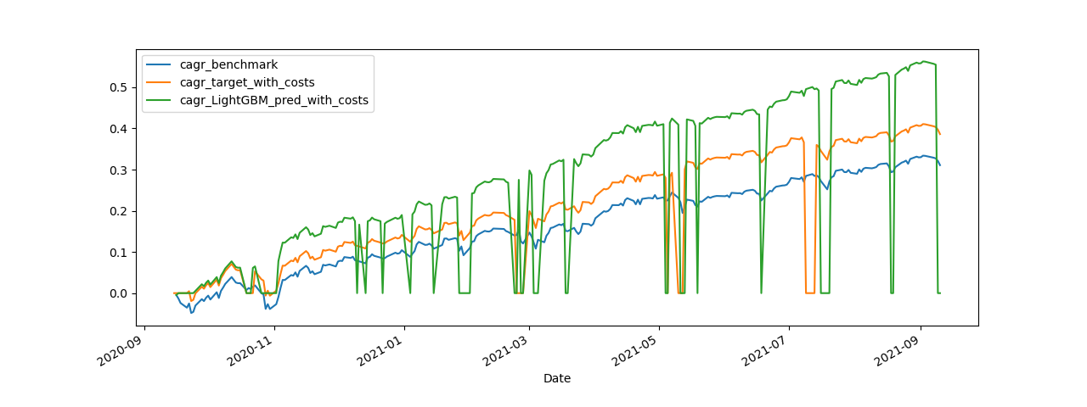
target_variable | cnt_days | cnt_change | cagr_benchmark | cagr_target_without_costs | cagr_target_with_costs | sample | lgbmclassifier__learning_rate | lgbmclassifier__max_depth | lgbmclassifier__n_estimators | cv_best_index | cv_refit_time | cv_n_splits | scorer | cv_best_score | oot_score |  | importance_cv | importance_cv_abs
target | 7895 | 417 | 11.395618582 | 3010.4506925 | 896.05781777 | ['out_of_fold', 'out_of_time'] | 0.01 | 2 | 190 | 59 | 1.6670684814 | 5 | make_scorer(f1_score, average=binary) | 0.38149972949 | 0.35820895522 | base_Close_lag_pr_3 | 65 | 65
LightGBM_pred | 7895 | 1109 | 11.395618582 | 6639617.8904 | 265080.53671 | ['out_of_fold', 'out_of_time'] |  |  |  |  |  |  |  |  |  | base_Close_lag_pr_4 | 48 | 48
target | 7645 | 406 | 8.4068225864 | 2096.9704501 | 644.23537081 | ['out_of_fold'] |  |  |  |  |  |  |  |  |  | base_my_psar_down | 45 | 45
LightGBM_pred | 7645 | 1070 | 8.4068225864 | 3803991.7817 | 170084.02489 | ['out_of_fold'] |  |  |  |  |  |  |  |  |  | base_my_trend_macd_diff_5_35_5 | 32 | 32
target | 250 | 11 | 0.31088443553 | 0.43541139597 | 0.39027997898 | ['out_of_time'] |  |  |  |  |  |  |  |  |  | dollar_momentum_tsi | 29 | 29
LightGBM_pred | 250 | 39 | 0.31088443553 | 0.7363713988 | 0.5504314081 | ['out_of_time'] |  |  |  |  |  |  |  |  |  | base_my_close_pr_trend_sma_5 | 24 | 24
 |  |  |  |  |  |  |  |  |  |  |  |  |  |  |  | base_Bollinger_Bands_min_max_pr_SMA_5 | 20 | 20
 |  |  |  |  |  |  |  |  |  |  |  |  |  |  |  | base_volatility_atr | 20 | 20
 |  |  |  |  |  |  |  |  |  |  |  |  |  |  |  | vix_volatility_bbl | 20 | 20
 |  |  |  |  |  |  |  |  |  |  |  |  |  |  |  | base_Close_lag_pr_2 | 18 | 18
 |  |  |  |  |  |  |  |  |  |  |  |  |  |  |  | base_Bollinger_Bands_min_max_pr_SMA_20 | 16 | 16
 |  |  |  |  |  |  |  |  |  |  |  |  |  |  |  | base_trend_kst_diff | 15 | 15
 |  |  |  |  |  |  |  |  |  |  |  |  |  |  |  | base_volume_vwap | 14 | 14
 |  |  |  |  |  |  |  |  |  |  |  |  |  |  |  | base_momentum_stoch_rsi | 13 | 13
 |  |  |  |  |  |  |  |  |  |  |  |  |  |  |  | base_trend_stc | 13 | 13
 |  |  |  |  |  |  |  |  |  |  |  |  |  |  |  | vix_my_psar_down | 12 | 12
 |  |  |  |  |  |  |  |  |  |  |  |  |  |  |  | dollar_trend_macd | 12 | 12
 |  |  |  |  |  |  |  |  |  |  |  |  |  |  |  | vix_my_close_pr_trend_sma_slow | 12 | 12
 |  |  |  |  |  |  |  |  |  |  |  |  |  |  |  | base_5_countdown_indicator_ema_5_upper | 11 | 11
 |  |  |  |  |  |  |  |  |  |  |  |  |  |  |  | vix_trend_macd_diff | 8 | 8
 |  |  |  |  |  |  |  |  |  |  |  |  |  |  |  | base_trend_macd_diff | 8 | 8
 |  |  |  |  |  |  |  |  |  |  |  |  |  |  |  | vix_trend_vortex_ind_neg | 8 | 8
 |  |  |  |  |  |  |  |  |  |  |  |  |  |  |  | vix_momentum_rsi | 7 | 7
 |  |  |  |  |  |  |  |  |  |  |  |  |  |  |  | base_volatility_kcp | 7 | 7
 |  |  |  |  |  |  |  |  |  |  |  |  |  |  |  | vix_10_countdown_indicator_ema_10_min_max_SMA_15 | 7 | 7

