ISRA
Information Security Risk Assessment |  | Project Name

General Information
Assessor (Contact, Unit) |  |  | Project Executive (Contact, Unit)
Assessment Start date | XX.XX.202X |  | Project Manager (Contact, Unit)
Assesment End Date | XX.XX.202X |  | Business manager (Contact, Unit)

Project Overview
Select the type of project |  | Software development project | Details
Select the type of application |  | SaaS | Details
What are the key technologies or platforms used? |  | e.g., Microsoft 365, AWS, Google Cloud, AI models
Are there any dependencies on legacy systems or external APIs? |  | Dependencies to internal or external systems (origin or destination of data)?
Provide a Project description |  | Scope of the project? What is the primary purpose of this project/application? Who are the key stakeholders, and what are their roles? What is the main benefit of the project? Importance of solution to business process(es) Expectations Milestones

Data Classification and Protection
IGDS 456 - Classification of ILO Information Assets
What types of data will be processed? |  | e.g. Personal, Sensitive Personal, Financial, Health-related, Public
Can you explain the processes involved in data collection, storage, transmission, and backup? Additionally, do you have a data flow diagram? |  | Please describe the process to create, update, modify data or information and/or provide a Data flow Diagram
Is encryption used for data at rest or in transit? If so, what standards are followed?
IGDS 457 - Protection of Personal Data
Will the project application incorporate automated processing on personal information? |  | e.g. one of the following operation: collection, recording, copying, storage, accessing, retrieval, organization, modifying, dissemination, transmission, disclosure, erasure or destruction.
Is there a process in place to ensure that personal data collected is accurate and complete? |  | e.g. manual verification, automatic check performed within the application

Functional description example
Functional diagram or Network topology
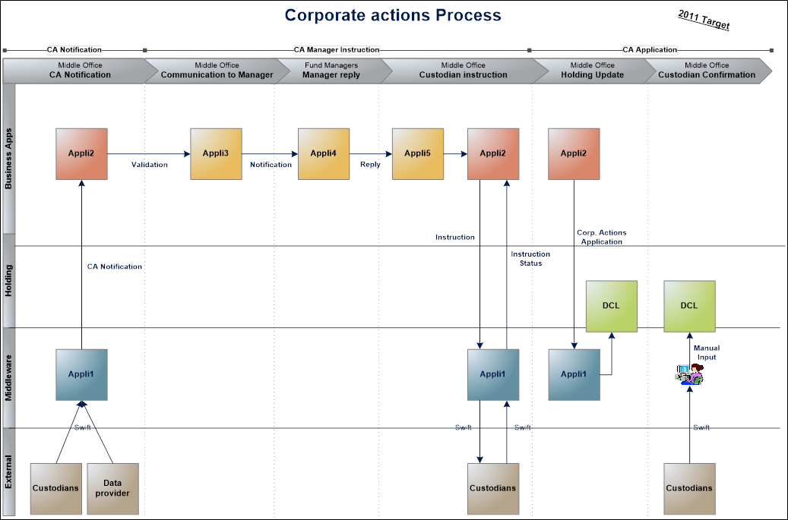 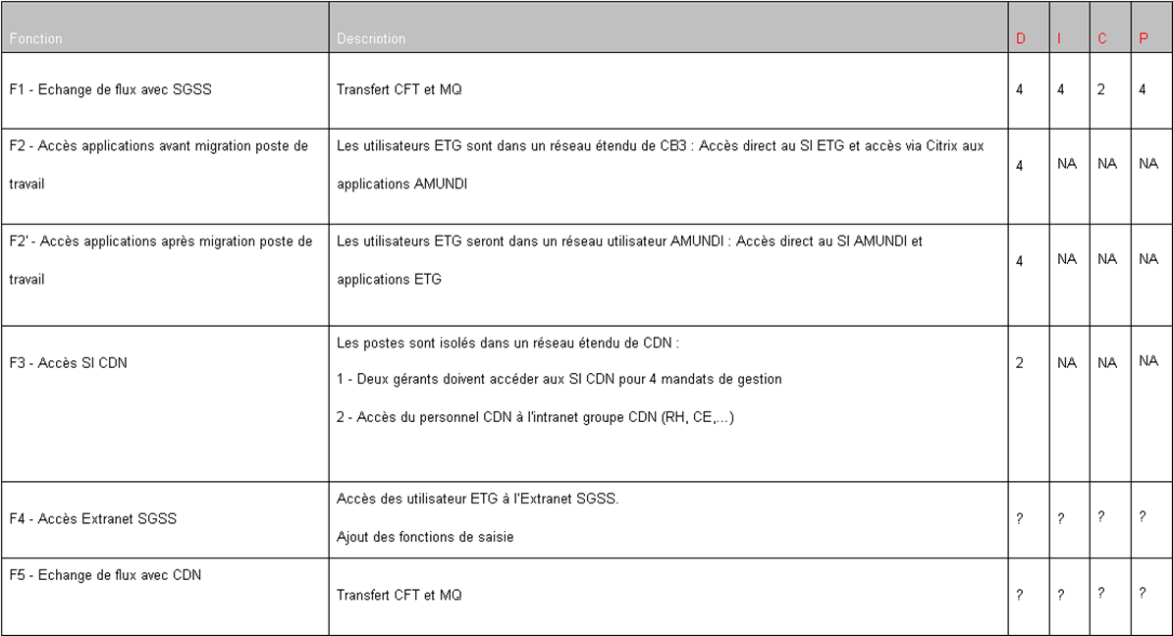 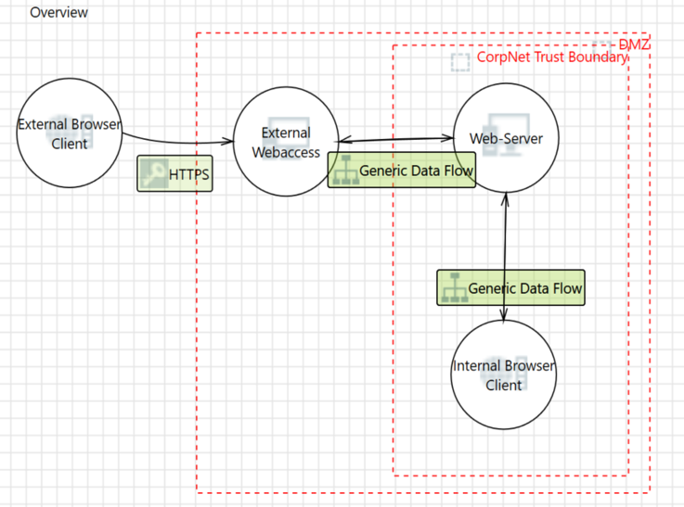

Additional Technical Questions
Authentication & Access
How many users will use the application?
How is user authentication handled? |  | e.g., Single Sign-On, Multi-factor Authentication, WebSSO orBuilt-in application authentication via credentials; SQL credentials for DB from application
How are access requests and terminations managed? |  | Request Workflow, Approval Department, Initiation, responsible, review
How end user access the application? |  | End users via browser or desktop application, from internal LAN
Role and Privileges
Do all users have same rights on the application? |  | Please describe roles or groups
What mechanisms are in place for authorization in the application? |  | e.g. Role-Based Access Control (RBAC), Attribute-Based Access Control (ABAC), Access Control Lists (ACLs), OAuth 2.0, Policy-Based Access Control (PBAC)
Are there groups of privileged users? |  | Please describe groups of priviledges users
Backups
Are there specific backup needs?
Other
How is the system monitored for performance and security issues?
Are there logs for system activities, and how long are they retained?
What is the frequency of patching and updating the system/software?
How are outdated components or software versions handled?

Business Impact Assessment |  | Describe the type of impact and provide a scenario |  | Impact level: (page 22 of Risk management manual)
Which impact do you think would be the worst if data or information within the system were disclosed or leaked? |  | e.g. Financial, Operational, Reputation |  | 1/Negligible to 5/Extreme
Which impact do you think would be the worst if data or information within the system became inaccurate or corrupted? |  | e.g. Financial, Operational, Reputation |  | 1/Negligible to 5/Extreme
Which impact do you think would be the worst if the system became unavailable? |  | e.g. Financial, Operational, Reputation |  | 1/Negligible to 5/Extreme

Risk Register
Threat event | Threat Description | Risk scenario |  |  | Implemented controls | Impact | Likelihood | Risk Severity
 |  |  |  |  |  | Negligible | Rare | 1
 |  |  |  |  |  | Low | Possible | 6
 |  |  |  |  |  | Moderate | Possible | 9
 |  |  |  |  |  | High | Likely | 16
 |  |  |  |  |  | Extreme | Likely | 28

Privacy Assessment (example)
PIA example for NewYorkMarathon organisation
A. Collection of personal data: Interested participations register for the marathon and provide their particulars on the website. They are notified of the purposes of collection for the various types of personal data and are able to review the purposes in greater detail in NewYorkMarathon's organisation data protection policy found on its website.
Types of Personal Data | Types of Sensitive Personal Data | Purpose of Collection
name, date of birth, gender, age, location, email address, ID/social security number |  | • Identification and verification of participants before, during and after the event (e.g. goodie bag collection, printing and issuance of race bibs, lost and found). • Communication purposes (e.g. contacting participants prior to race day to provide event details) • Tracking of participants’ profiles for future event planning purposes • Provision of emergency medical support and services when required • Emergency contact purposes
Will individuals be notified of the purposes for which their information is collected, used and disclosed? |  | How is consent obtained? | Data Owner | Collection Source | Collection Medium
Yes, individuals will be notified of purposes at the point of collection on the website. These purposes can also be found in the data protection policy. |  | At point of information collection on the registration form, individual will click ‘I agree’ before submitting form. | NewYorkMarathon | Individual (interested marathon participant) | Electronic form on the website

B. Storage of personal data: NewYorkMarathon stores the personal data collected on an electronic database. Access to the entire database is available only to certain individuals within the organisation.
Physical Storage | Electronic Storage
N/A | Once the registration form is submitted, personal data in the form would be transmitted and stored in NewYorkMarathon’s electronic database. Access to the database and the level of access is limited to selected staff.

C. Use of personal data: NewYorkMarathon uses the personal data collected for the purposes listed below. As different groups within NewYorkMarathon use the personal data for different purposes, their level of access to the personal data is dependent on their purposes.
Users of Personal Data & Purpose of Usage | Access to Personal Data
• Contacting participants to provide information on marathon details (e.g. wet weather plans, route, reporting time), via emails and SMS o These data processing activities are done in-house by the event planning team • Payment processing purposes o Done in-house by the finance team • Printing of race bibs o Prepared in-house, before sending to third party organisations for printing • Verifying identity of registered individuals for the collection of goodie bags/race bibs/T-shirts, prior to the event o Details are processed and prepared in-house, before sending to third party organisation to arrange for distribution/collection • Verification and announcement of marathon winners/finishers o Done in-house by the event planning team • Data profiling and trend analysis based on participants’ age and gender o Prepared in-house, with NewYorkMarathon anonymising the dataset | The following groups will be granted differing levels of access to personal data in the database: • Event planning team o Full access to personal data collected for communicating with participants, and for extracting relevant personal data to appointed third parties for processing. This includes participants’ name, contact number and medical condition/history (only for provision of emergency medical support and services). • Finance team o Access to full name and credit card details for payment processing purposes.

D. Disclosure NewYorkMarathon discloses certain personal data collected for the purposes listed below.
External Parties and Purpose of Transfer/ Disclosure | Transfer Mode
Appointed third party organisation will receive the full name and contact number of registered participants for the following purposes: o Printing and distributing goodie bags/race bibs/T-shirts o Verifying individuals during goodie bag collection (third party organisations may request for email confirmation as an added verification step) • Paramedics, clinics or hospitals will receive (if requested) the full name, partial identification number and medical condition/history of registered participants for the purpose of: o Providing medical treatment (if needed) | Information will be emailed to the appointed third party organisation.

E. Retention & Disposal of personal data: NewYorkMarathon will cease to retain personal data according to its retention policy. The method of disposal is also specified in the retention policy.
Retention Period (Describe the data retention procedures, purposes, retention periods, etc.) | Disposal Methods (Describe the processes involved to ensure that data is securely disposed of)
• NewYorkMarathon: 3 years from completion of event • Appointed third party organisations: 6 months from completion of event | • Digital files purged from database system, triggered by IT setting • Physical documents shredded in-house and disposed

