General
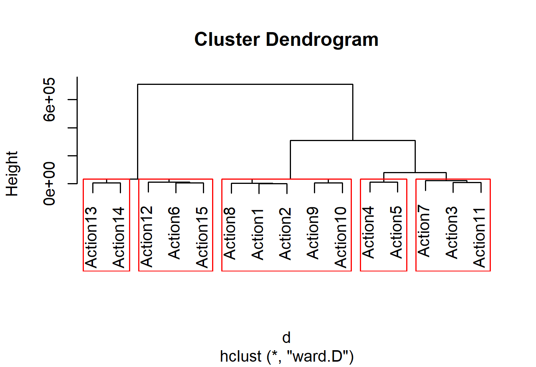
Time (s) | Energy consumption (J) | Test Case | Action | Difrrerence | Cluster
17770 | 25952 | Post a photo. | 8 | 1 | A
18062 | 27403 | Storie with a photo. | 1 | 1.0559109125 | A
29972 | 28126 | Storie with a photo and text. | 2 | 1.083770037 | A
29619 | 39907 | Post a photo and comment. | 9 | 1.5377234895 | A
32011 | 44058 | Post a photo with effect and comment. | 10 | 1.6976726264 | A
45000 | 82647 | 15-second video storie. | 7 | 3.1846100493 | B
65845 | 96050 | Storie with a photo and music. | 3 | 3.7010635018 | B
54590 | 103604 | Post a 15-second video. | 11 | 3.9921393342 | B
74474 | 128928 | Storie using a combination of photo, music, and text. | 4 | 4.9679408138 | C
80288 | 139176 | Storie with a photo that has a static effect and background music. | 5 | 5.3628236745 | C
D
E
A
C
B
120000 | 193849 | Visualising stories. | 13 | 7.4695206535 | D
120000 | 198405 | Visualising reels. | 14 | 7.645075524 | D
100117 | 207732 | Post a 15-second reel. | 12 | 8.0044697904 | E
120000 | 213588 | Visualising general (standard use). | 15 | 8.2301171393 | E
137549 | 218789 | Storie with a photo that has a dynamic effect and background music. | 6 | 8.4305255857 | E

Stories foto vs stories foto + musica | 3.5050906835
post foto vs post video | 3.9921393342
post foto vs post reel | 8.0044697904
Storie foto y musica vs storie foto y efecto estatico | 1.4489953149
Storie foto y musica vs storie foto y efecto estatico | 2.277865695

