duze_dane
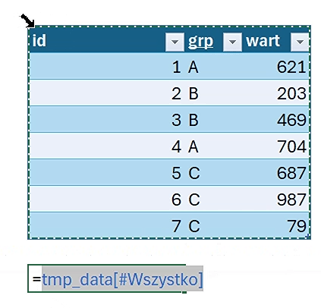
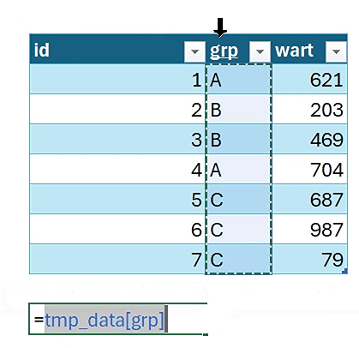
id | grp | wart | Etykiety wierszy | Suma z wart | Liczba z id | Etykiety wierszy | Suma z wart | Liczba z id | id | grp | wart | id | grp | wart
1 | A | 621 | A | 1,325 | 2 | A | 1,325 | 2 | 1 | A | 621 | 1 | A | 621 | 1 | A | 621
2 | B | 203 | B | 672 | 2 | B | 672 | 2 | 2 | B | 203 | 2 | B | 203 | id | grp | wart
3 | B | 469 | C | 1,753 | 3 | C | 1,753 | 3 | 3 | B | 469 | 3 | B | 469 | B
4 | A | 704 | Suma końcowa | 3,750 | 7 | Suma końcowa | 3,750 | 7 |  |  |  | 4 | A | 704
5 | C | 687 |  |  |  |  |  |  |  |  |  | 5 | C | 687 | A | A
6 | C | 987 |  |  |  |  |  |  |  |  |  | 6 | C | 987 | B | B
7 | C | 79 |  |  |  |  |  |  |  |  |  | 7 | C | 79 | B | B
 |  |  |  |  |  |  |  |  |  |  |  |  |  |  | A | A
 |  |  |  |  |  |  |  |  |  |  |  | 621 |  |  | C | C
 |  |  |  |  |  |  |  |  |  |  |  | 203 |  |  | C | C
id | grp | wart | Etykiety wierszy | Suma z wart | Liczba z id | Etykiety wierszy | Suma z wart | Liczba z id |  |  |  | 469 |  |  | C | C
1 | A | 621 | A | 1325 | 2 | A | 1325 | 2 | id | grp | wart | 704
2 | B | 203 | B | 672 | 2 | B | 672 | 2 | 1 | A | 621 | 687
3 | B | 469 | C | 1753 | 3 | C | 1753 | 3 | 2 | B | 203 | 987
4 | A | 704 | Suma końcowa | 3750 | 7 | Suma końcowa | 3750 | 7 | 3 | B | 469 | 79
5 | C | 687
6 | C | 987
7 | C | 79 |  |  |  | Etykiety wierszy | Suma z wart | Liczba z id | id | grp | wart
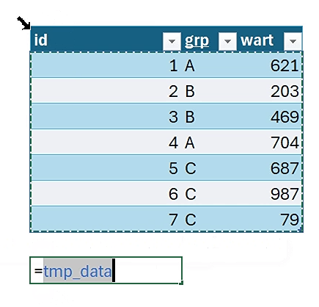
 |  |  |  |  |  | A | 1325 | 2 | 1 | A | 621
 |  |  |  |  |  | B | 672 | 2 | 2 | B | 203
 |  |  |  |  |  | C | 1753 | 3 | 3 | B | 469
 |  |  |  |  |  | Suma końcowa | 3750 | 7

dane_pQuery
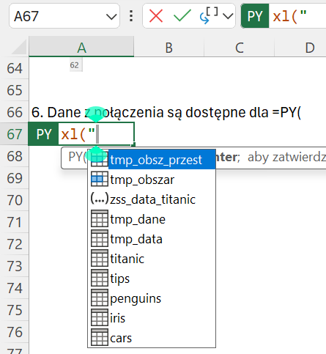
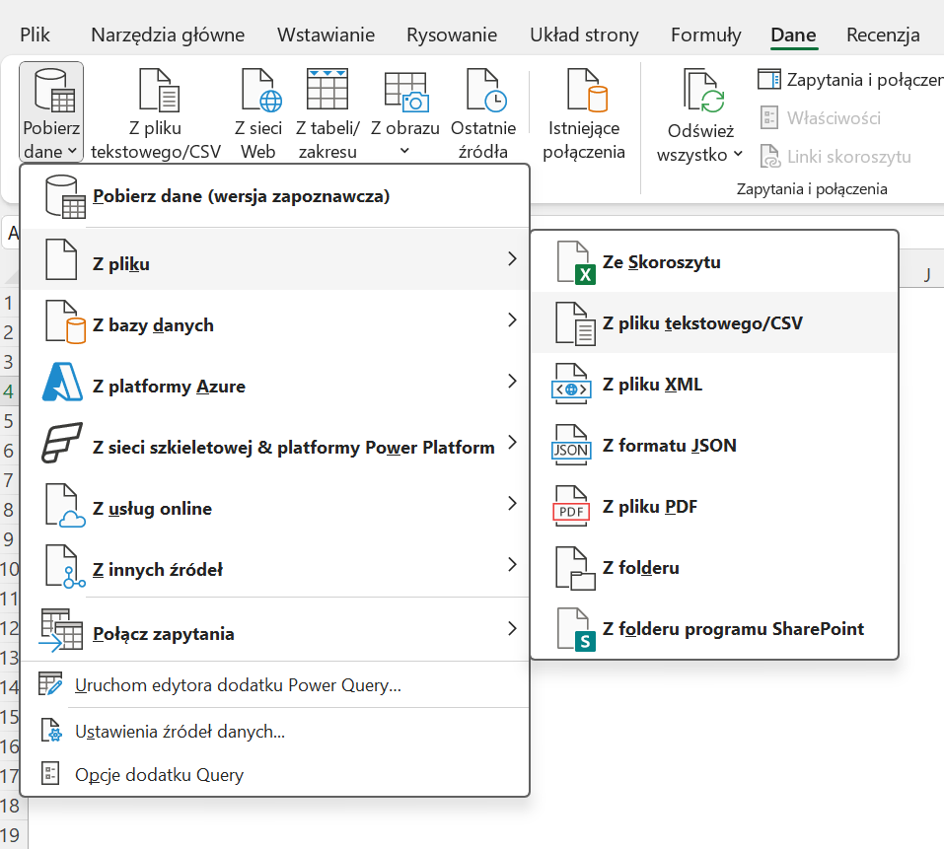
1. Weź dane z pliku

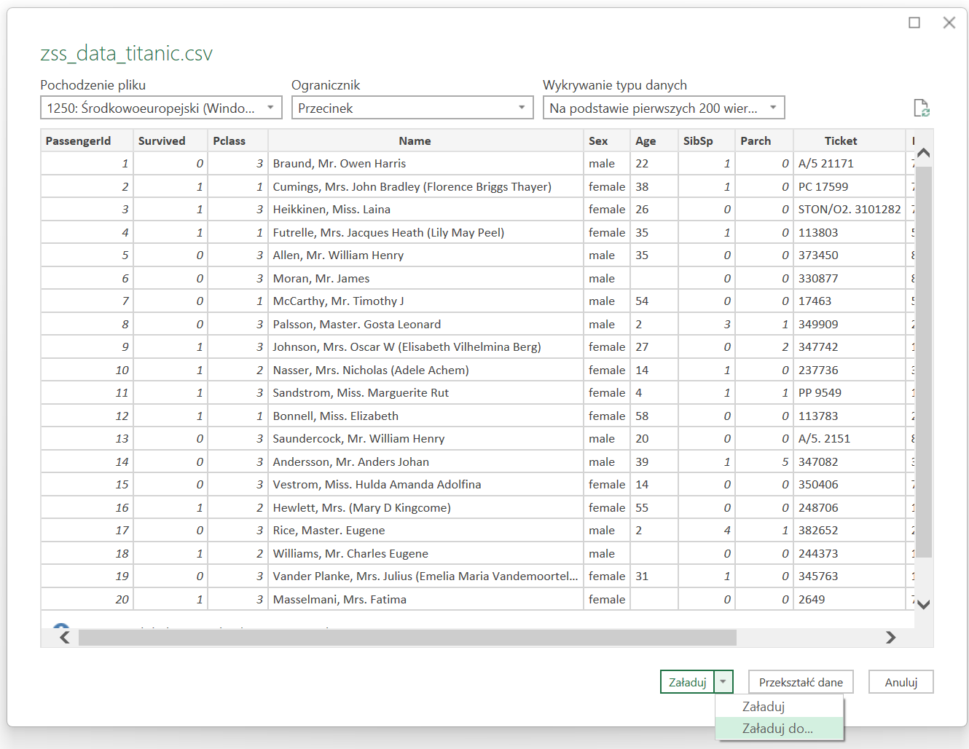
2. Wybierz plik np. zss_data_titanic.csv
3. Z okienka PowerQuery, wybierz opcje Załaduj do…

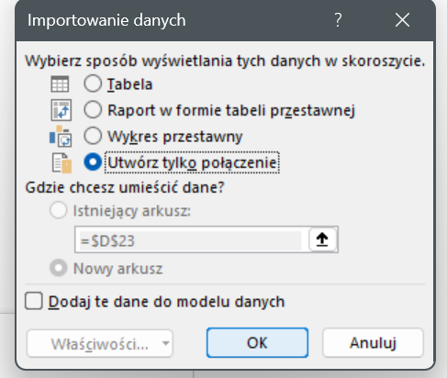
4. Wybierz Utwórz tylko połaczenie z kolejnego okna

5. W wstążce Dane/Zaptania i Połączenia widzisz utworzone połaczenie do pliku w

6. Dane z połączenia są dostępne dla =PY(, zacznij wpisywać =py(xl(" i zobaczysz podpowiedź z połączeniem do danych, które wybieraz i zatwierdzasz

sns_plots
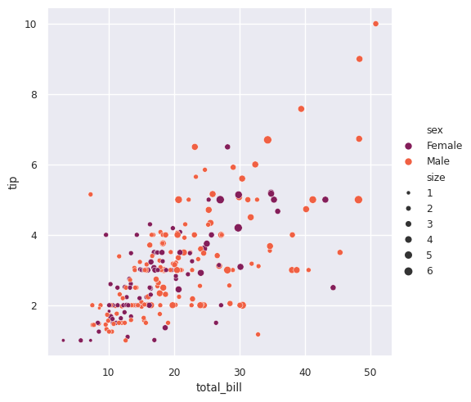
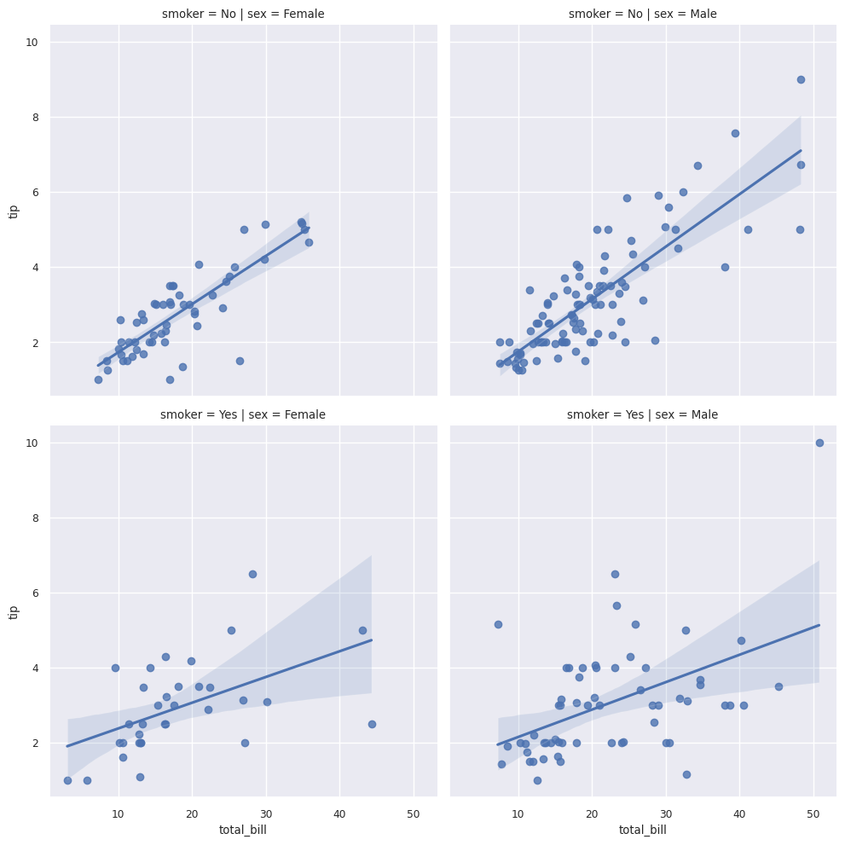
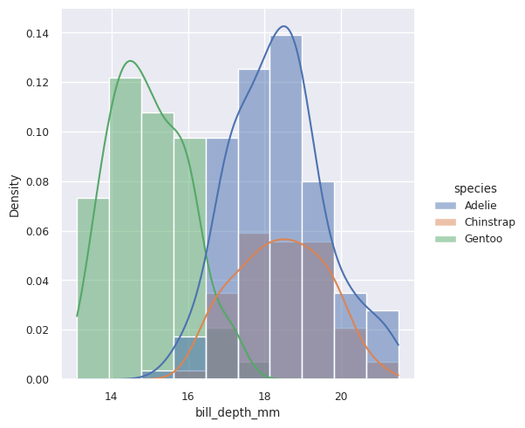
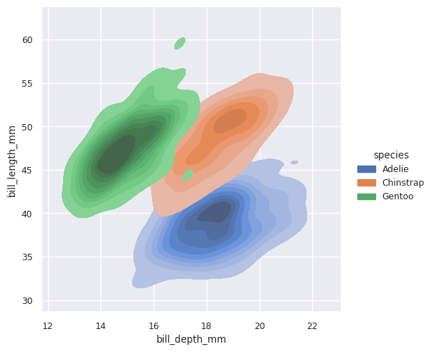
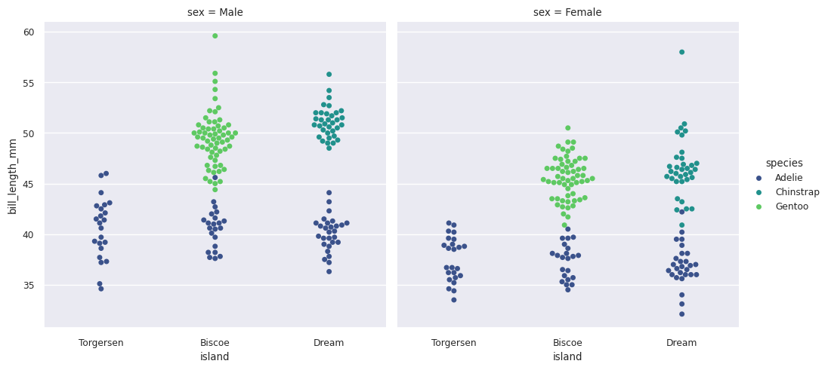
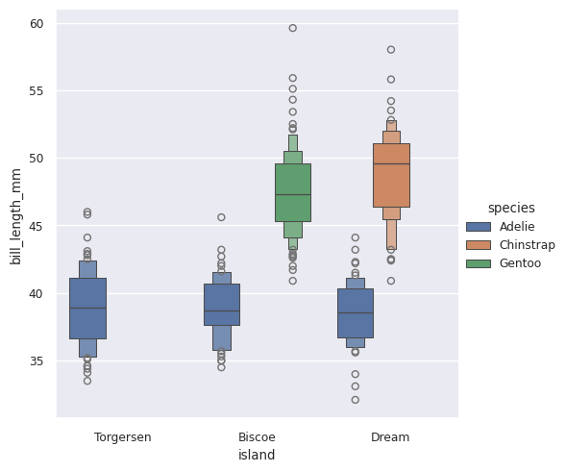
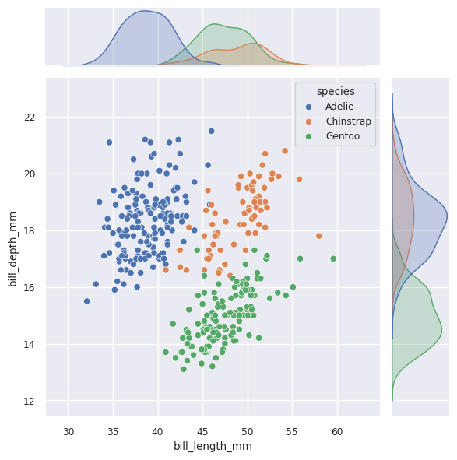
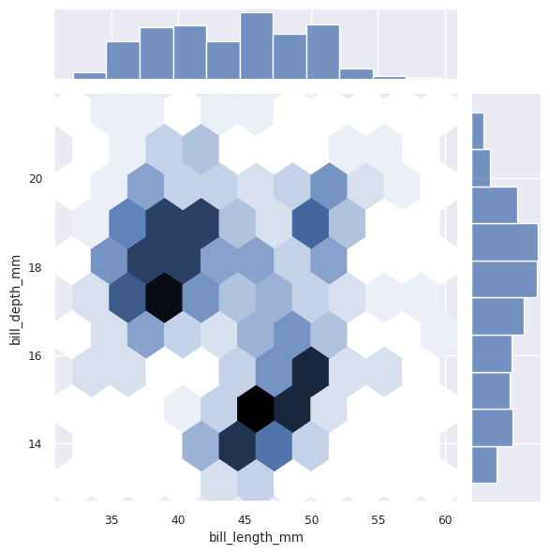
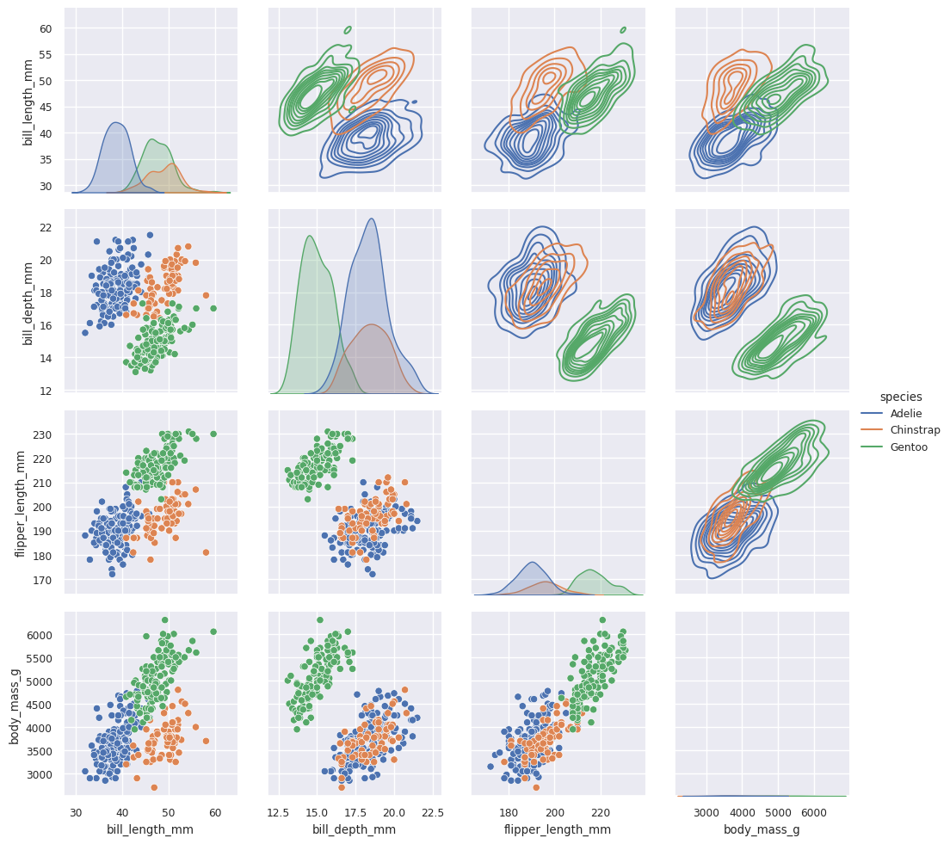
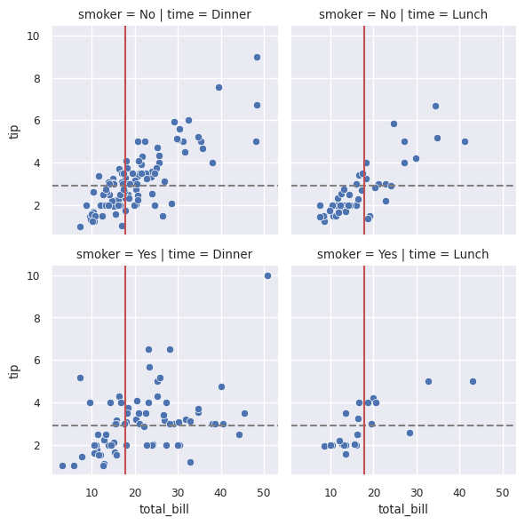
Dane
tips
titanic
penguins

Wykresy

sklearn_models
Dane
iris

Import bibliotek
 | 0

Rozmiar df | wierszy: 150, kolumn: 5

Typy danych | sepal.length | float64
 | sepal.width | float64
 | petal.length | float64
 | petal.width | float64
 | variety | object

Iile nulli | sepal.length | 0
 | sepal.width | 0
 | petal.length | 0
 | petal.width | 0
 | variety | 0

Podsumowanie z.numerycznych |  | count | mean | std | min | 25% | 50% | 75% | max
 | sepal.length | 150 | 5.8433 | 0.8281 | 4.3 | 5.1 | 5.8 | 6.4 | 7.9
 | sepal.width | 150 | 3.0573 | 0.4359 | 2 | 2.8 | 3 | 3.3 | 4.4
 | petal.length | 150 | 3.758 | 1.7653 | 1 | 1.6 | 4.35 | 5.1 | 6.9
 | petal.width | 150 | 1.1993 | 0.7622 | 0.1 | 0.3 | 1.3 | 1.8 | 2.5

Podsumowanie z.kategorycznych |  | count | unique | top | freq
 | variety | 150 | 3 | Setosa | 50

Wartości zmiennej variety | variety | count
 | Setosa | 50
 | Versicolor | 50
 | Virginica | 50

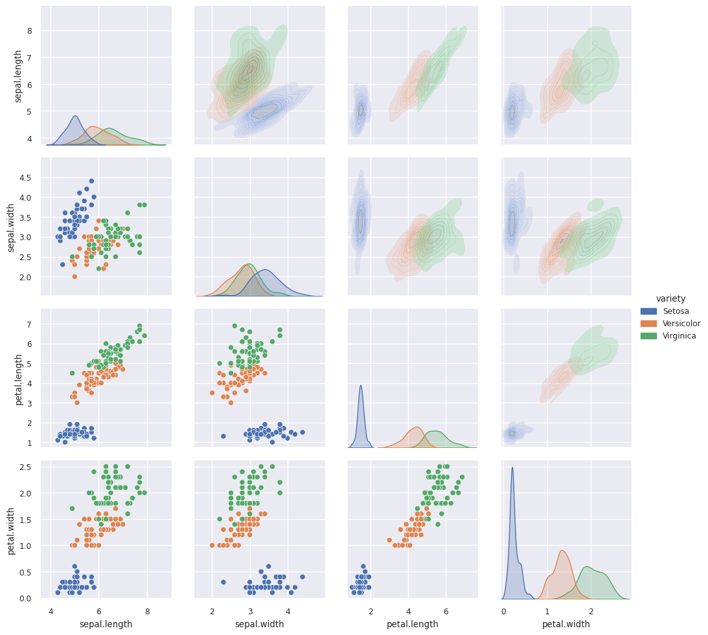
Rozkłady wzgl gatunku

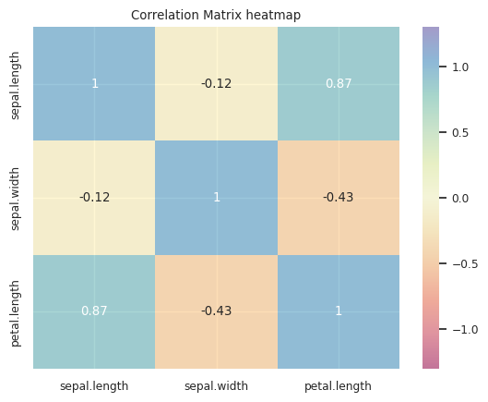
Macierz korelacji

Przygotowanie danych i narzędzi do modelowania

Target encoding (label encoder) | Setosa | 0
 | Versicolor | 1
 | Virginica | 2

Udział test | 0.30

Podział x/y i train/test |  | train_cnt
 | variety
 | 1 | 41
 | 2 | 32
 | 0 | 32

Funkcja zrób se model i oceń | 0

DataFrame do wyników modeli

Regresja logistyczna

Zrób se model |  | Logistic regression |  | Classification report TEST |  |  |  |  |  | Classification report TRAIN
 | Gini Train | 0.996 |  |  | precision | recall | f1-score | support |  |  | precision | recall | f1-score | support
 | Gini Test | 1.000 |  | 0 | 1.000 | 1.000 | 1.000 | 18.000 |  | 0 | 1.000 | 1.000 | 1.000 | 32.000
 | Precision Train | 0.972 |  | 1 | 0.818 | 1.000 | 0.900 | 9.000 |  | 1 | 0.975 | 0.951 | 0.963 | 41.000
 | Precision Test | 0.964 |  | 2 | 1.000 | 0.889 | 0.941 | 18.000 |  | 2 | 0.939 | 0.969 | 0.954 | 32.000
 | Recall Train | 0.971 |  | accuracy | 0.956 | 0.956 | 0.956 | 0.956 |  | accuracy | 0.971 | 0.971 | 0.971 | 0.971
 | Recall Test | 0.956 |  | macro avg | 0.939 | 0.963 | 0.947 | 45.000 |  | macro avg | 0.971 | 0.973 | 0.972 | 105.000
 | Accuracy Train | 0.971 |  | weighted avg | 0.964 | 0.956 | 0.956 | 45.000 |  | weighted avg | 0.972 | 0.971 | 0.971 | 105.000
 | Accuracy Test | 0.956
 | F1 macro Train | 0.971
 | F1 macro Test | 0.956

Confusion matrix
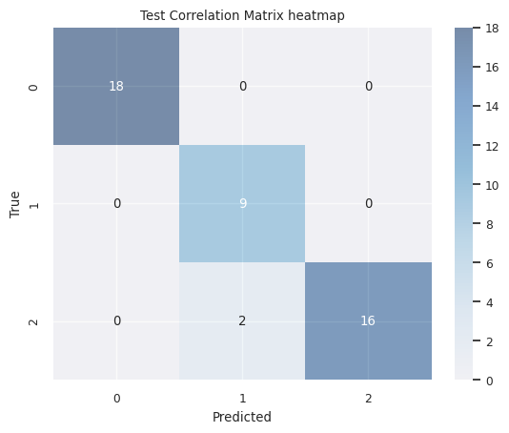
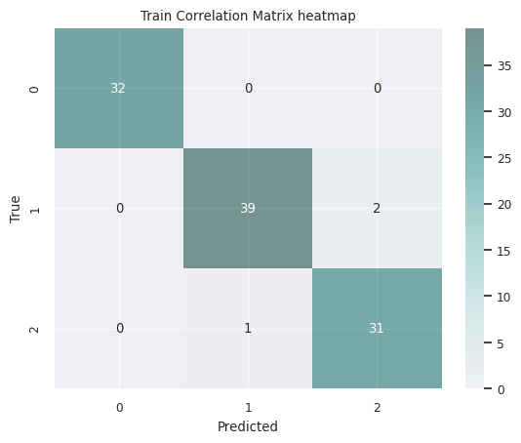

Hyperparamter Tuning / Cross-val | Best hyperparameters: {'C': 10, 'penalty': 'l2', 'solver': 'sag'}

Zrób se model TUNED |  | Logistic regression | Logistic regression tuned |  | Classification report TEST |  |  |  |  |  | Classification report TRAIN
 | Gini Train | 0.996 | 0.998 |  |  | precision | recall | f1-score | support |  |  | precision | recall | f1-score | support
 | Gini Test | 1.000 | 1.000 |  | 0 | 1.000 | 1.000 | 1.000 | 18.000 |  | 0 | 1.000 | 1.000 | 1.000 | 32.000
 | Precision Train | 0.972 | 0.982 |  | 1 | 0.900 | 1.000 | 0.947 | 9.000 |  | 1 | 1.000 | 0.951 | 0.975 | 41.000
 | Precision Test | 0.964 | 0.980 |  | 2 | 1.000 | 0.944 | 0.971 | 18.000 |  | 2 | 0.941 | 1.000 | 0.970 | 32.000
 | Recall Train | 0.971 | 0.981 |  | accuracy | 0.978 | 0.978 | 0.978 | 0.978 |  | accuracy | 0.981 | 0.981 | 0.981 | 0.981
 | Recall Test | 0.956 | 0.978 |  | macro avg | 0.967 | 0.981 | 0.973 | 45.000 |  | macro avg | 0.980 | 0.984 | 0.982 | 105.000
 | Accuracy Train | 0.971 | 0.981 |  | weighted avg | 0.980 | 0.978 | 0.978 | 45.000 |  | weighted avg | 0.982 | 0.981 | 0.981 | 105.000
 | Accuracy Test | 0.956 | 0.978
 | F1 macro Train | 0.971 | 0.981
 | F1 macro Test | 0.956 | 0.978

Feature importance (permutation) | sepal.length | 0.04
 | sepal.width | 0.02
 | petal.length | 0.53
 | petal.width | 0.24

Drzewo decyzyjne

Zrób se model |  | Decision Tree |  | Classification report TEST |  |  |  |  |  | Classification report TRAIN
 | Gini Train | 0.991 |  |  | precision | recall | f1-score | support |  |  | precision | recall | f1-score | support
 | Gini Test | 0.941 |  | 0 | 1.000 | 1.000 | 1.000 | 18.000 |  | 0 | 1.000 | 1.000 | 1.000 | 32.000
 | Precision Train | 0.972 |  | 1 | 0.750 | 1.000 | 0.857 | 9.000 |  | 1 | 0.975 | 0.951 | 0.963 | 41.000
 | Precision Test | 0.950 |  | 2 | 1.000 | 0.833 | 0.909 | 18.000 |  | 2 | 0.939 | 0.969 | 0.954 | 32.000
 | Recall Train | 0.971 |  | accuracy | 0.933 | 0.933 | 0.933 | 0.933 |  | accuracy | 0.971 | 0.971 | 0.971 | 0.971
 | Recall Test | 0.933 |  | macro avg | 0.917 | 0.944 | 0.922 | 45.000 |  | macro avg | 0.971 | 0.973 | 0.972 | 105.000
 | Accuracy Train | 0.971 |  | weighted avg | 0.950 | 0.933 | 0.935 | 45.000 |  | weighted avg | 0.972 | 0.971 | 0.971 | 105.000
 | Accuracy Test | 0.933
 | F1 macro Train | 0.971
 | F1 macro Test | 0.935

Confusion matrix
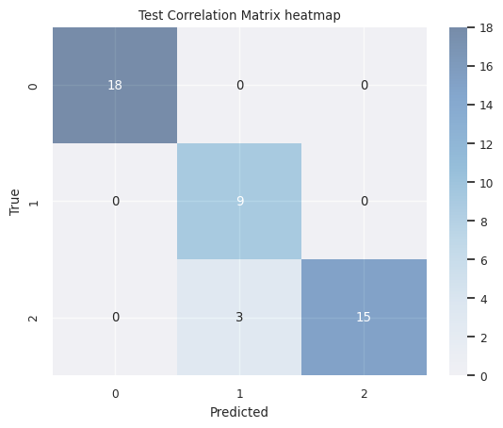

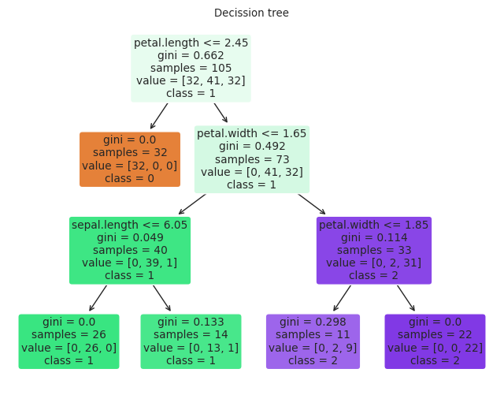
Narysuj se drzewo

Istotność cech |  | Feature | Importance
 | 2 | petal.length | 52%
 | 3 | petal.width | 48%
 | 0 | sepal.length | 0%
 | 1 | sepal.width | 0%
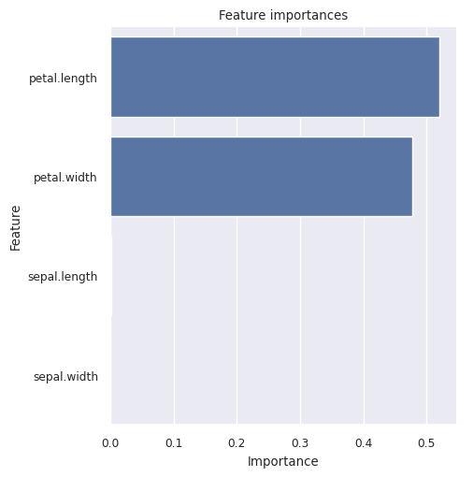
Wykres istotności cech

Random Forest

Zrób se model |  | Random Forest |  | Classification report TEST |  |  |  |  |  | Classification report TRAIN
 | Gini Train | 0.999 |  |  | precision | recall | f1-score | support |  |  | precision | recall | f1-score | support
 | Gini Test | 1.000 |  | 0 | 1.000 | 1.000 | 1.000 | 18.000 |  | 0 | 1.000 | 1.000 | 1.000 | 32.000
 | Precision Train | 0.982 |  | 1 | 0.818 | 1.000 | 0.900 | 9.000 |  | 1 | 1.000 | 0.951 | 0.975 | 41.000
 | Precision Test | 0.964 |  | 2 | 1.000 | 0.889 | 0.941 | 18.000 |  | 2 | 0.941 | 1.000 | 0.970 | 32.000
 | Recall Train | 0.981 |  | accuracy | 0.956 | 0.956 | 0.956 | 0.956 |  | accuracy | 0.981 | 0.981 | 0.981 | 0.981
 | Recall Test | 0.956 |  | macro avg | 0.939 | 0.963 | 0.947 | 45.000 |  | macro avg | 0.980 | 0.984 | 0.982 | 105.000
 | Accuracy Train | 0.981 |  | weighted avg | 0.964 | 0.956 | 0.956 | 45.000 |  | weighted avg | 0.982 | 0.981 | 0.981 | 105.000
 | Accuracy Test | 0.956
 | F1 macro Train | 0.981
 | F1 macro Test | 0.956

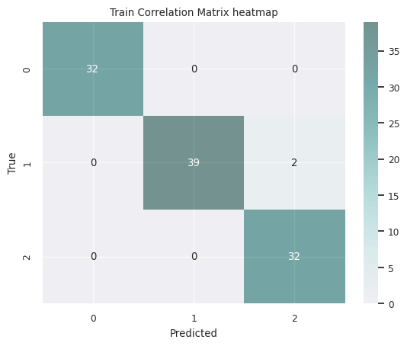
Confusion matrix

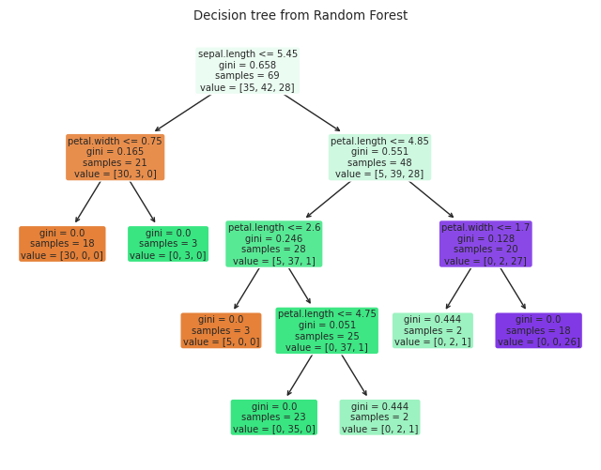
Liczba drzew w lesie | 100
Narysuj drzewo | 99
Narysuj se drzewo

Istotność cech |  | Feature | Importance
 | 3 | petal.width | 44%
 | 2 | petal.length | 43%
 | 0 | sepal.length | 10%
 | 1 | sepal.width | 3%
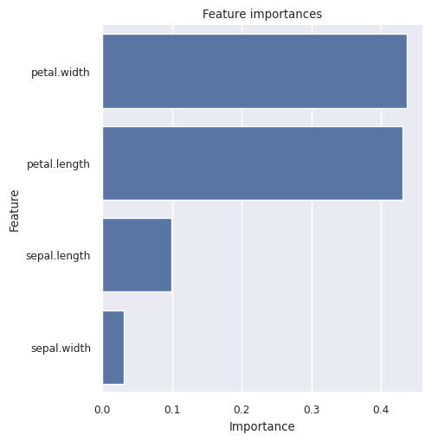
Wykres istotności cech

xgBoost

Zrób se model |  | Gradient Boosting |  | Classification report TEST |  |  |  |  |  | Classification report TRAIN
 | Gini Train | 1.000 |  |  | precision | recall | f1-score | support |  |  | precision | recall | f1-score | support
 | Gini Test | 0.920 |  | 0 | 1.000 | 1.000 | 1.000 | 18.000 |  | 0 | 1.000 | 1.000 | 1.000 | 32.000
 | Precision Train | 1.000 |  | 1 | 0.818 | 1.000 | 0.900 | 9.000 |  | 1 | 1.000 | 1.000 | 1.000 | 41.000
 | Precision Test | 0.964 |  | 2 | 1.000 | 0.889 | 0.941 | 18.000 |  | 2 | 1.000 | 1.000 | 1.000 | 32.000
 | Recall Train | 1.000 |  | accuracy | 0.956 | 0.956 | 0.956 | 0.956 |  | accuracy | 1.000 | 1.000 | 1.000 | 1.000
 | Recall Test | 0.956 |  | macro avg | 0.939 | 0.963 | 0.947 | 45.000 |  | macro avg | 1.000 | 1.000 | 1.000 | 105.000
 | Accuracy Train | 1.000 |  | weighted avg | 0.964 | 0.956 | 0.956 | 45.000 |  | weighted avg | 1.000 | 1.000 | 1.000 | 105.000
 | Accuracy Test | 0.956
 | F1 macro Train | 1.000
 | F1 macro Test | 0.956

Confusion matrix
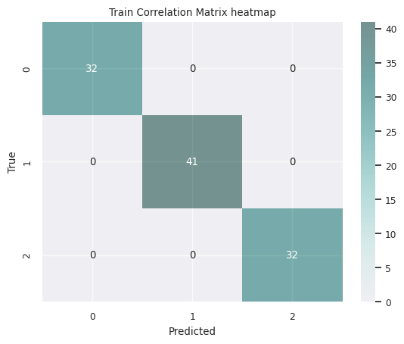

Liczba estymatorów | 100
Narysuj drzewo | 45
Narysuj se drzewo

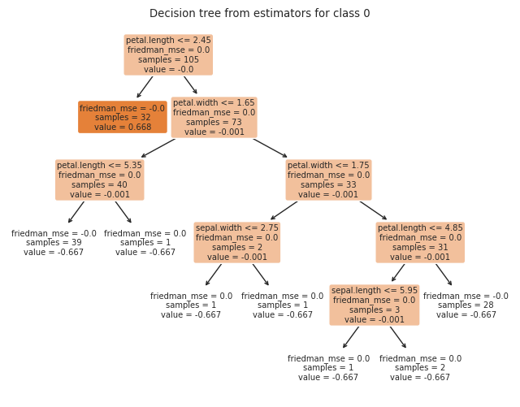
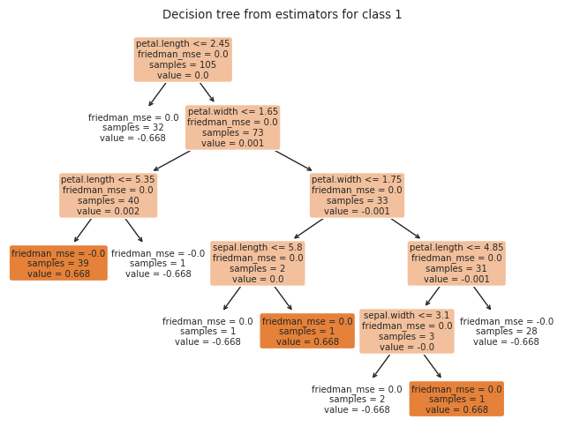
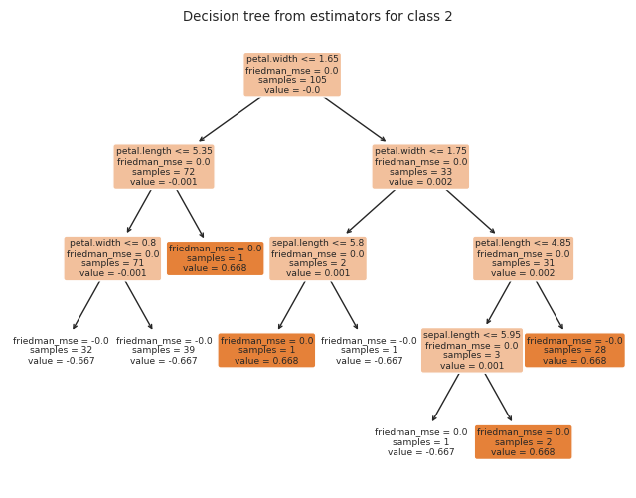

Istotność cech |  | Feature | Importance
 | 3 | petal.width | 76%
 | 2 | petal.length | 22%
 | 0 | sepal.length | 2%
 | 1 | sepal.width | 1%
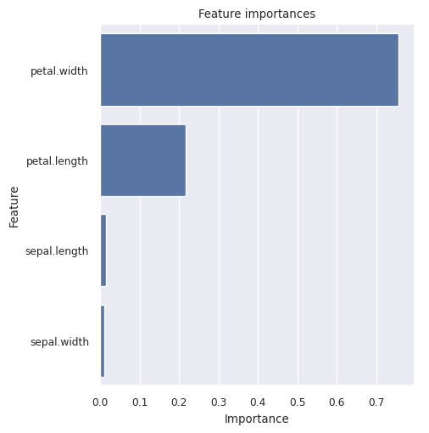
Wykres istotności cech

Zestawienie jakości zbudowanych modeli

Statystyki zbudowanych modeli |  | Logistic regression | Logistic regression tuned | Decision Tree | Random Forest | Gradient Boosting
 | Gini Train | 0.996 | 0.998 | 0.991 | 0.999 | 1.000
 | Gini Test | 1.000 | 1.000 | 0.941 | 1.000 | 0.920
 | Precision Train | 0.972 | 0.982 | 0.972 | 0.982 | 1.000
 | Precision Test | 0.964 | 0.980 | 0.950 | 0.964 | 0.964
 | Recall Train | 0.971 | 0.981 | 0.971 | 0.981 | 1.000
 | Recall Test | 0.956 | 0.978 | 0.933 | 0.956 | 0.956
 | Accuracy Train | 0.971 | 0.981 | 0.971 | 0.981 | 1.000
 | Accuracy Test | 0.956 | 0.978 | 0.933 | 0.956 | 0.956
 | F1 macro Train | 0.971 | 0.981 | 0.971 | 0.981 | 1.000
 | F1 macro Test | 0.956 | 0.978 | 0.935 | 0.956 | 0.956

