duze_dane
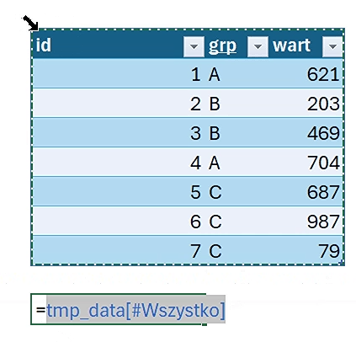
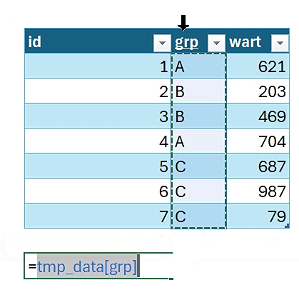
id | grp | wart | Etykiety wierszy | Suma z wart | Liczba z id | Etykiety wierszy | Suma z wart | Liczba z id | id | grp | wart | id | grp | wart
1 | A | 621 | A | 1,325 | 2 | A | 1,325 | 2 | 1 | A | 621 | 1 | A | 621 | 1 | A | 621
2 | B | 203 | B | 672 | 2 | B | 672 | 2 | 2 | B | 203 | 2 | B | 203 | id | grp | wart
3 | B | 469 | C | 1,753 | 3 | C | 1,753 | 3 | 3 | B | 469 | 3 | B | 469 | B
4 | A | 704 | Suma końcowa | 3,750 | 7 | Suma końcowa | 3,750 | 7 |  |  |  | 4 | A | 704
5 | C | 687 |  |  |  |  |  |  |  |  |  | 5 | C | 687 | A | A
6 | C | 987 |  |  |  |  |  |  |  |  |  | 6 | C | 987 | B | B
7 | C | 79 |  |  |  |  |  |  |  |  |  | 7 | C | 79 | B | B
 |  |  |  |  |  |  |  |  |  |  |  |  |  |  | A | A
 |  |  |  |  |  |  |  |  |  |  |  | 621 |  |  | C | C
 |  |  |  |  |  |  |  |  |  |  |  | 203 |  |  | C | C
id | grp | wart | Etykiety wierszy | Suma z wart | Liczba z id | Etykiety wierszy | Suma z wart | Liczba z id |  |  |  | 469 |  |  | C | C
1 | A | 621 | A | 1325 | 2 | A | 1325 | 2 | id | grp | wart | 704
2 | B | 203 | B | 672 | 2 | B | 672 | 2 | 1 | A | 621 | 687
3 | B | 469 | C | 1753 | 3 | C | 1753 | 3 | 2 | B | 203 | 987
4 | A | 704 | Suma końcowa | 3750 | 7 | Suma końcowa | 3750 | 7 | 3 | B | 469 | 79
5 | C | 687
6 | C | 987
7 | C | 79 |  |  |  | Etykiety wierszy | Suma z wart | Liczba z id | id | grp | wart
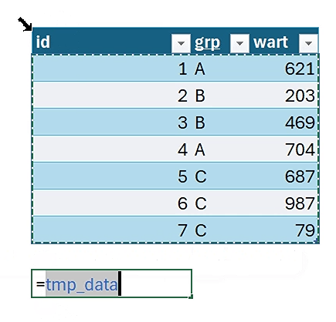
 |  |  |  |  |  | A | 1325 | 2 | 1 | A | 621
 |  |  |  |  |  | B | 672 | 2 | 2 | B | 203
 |  |  |  |  |  | C | 1753 | 3 | 3 | B | 469
 |  |  |  |  |  | Suma końcowa | 3750 | 7

dane_pQuery
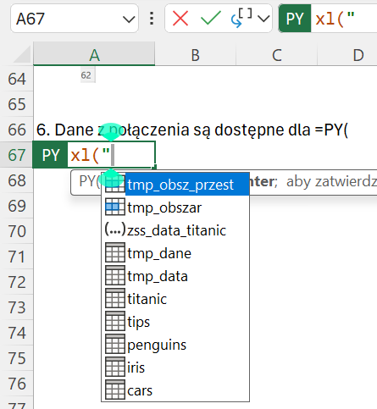
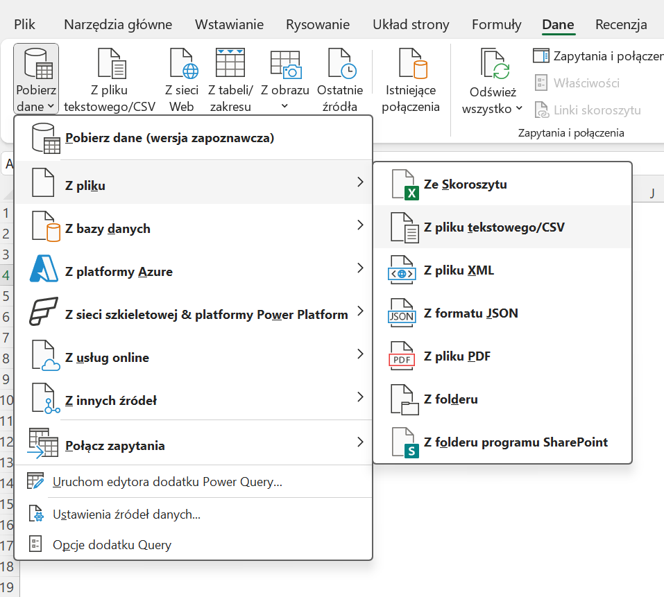
1. Weź dane z pliku

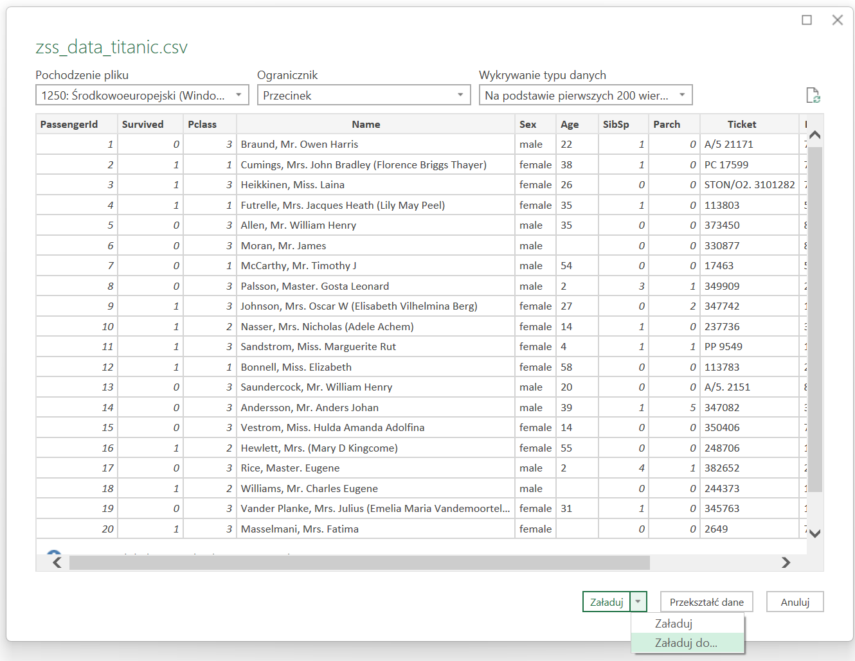
2. Wybierz plik np. zss_data_titanic.csv
3. Z okienka PowerQuery, wybierz opcje Załaduj do…

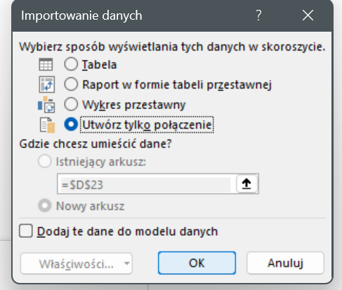
4. Wybierz Utwórz tylko połaczenie z kolejnego okna

5. W wstążce Dane/Zaptania i Połączenia widzisz utworzone połaczenie do pliku w

6. Dane z połączenia są dostępne dla =PY(, zacznij wpisywać =py(xl(" i zobaczysz podpowiedź z połączeniem do danych, które wybieraz i zatwierdzasz

