sklearn_models
Dane
iris

Import bibliotek
 | 0

Rozmiar df | wierszy: 150, kolumn: 5

Typy danych | sepal.length | float64
 | sepal.width | float64
 | petal.length | float64
 | petal.width | float64
 | variety | object

Iile nulli | sepal.length | 0
 | sepal.width | 0
 | petal.length | 0
 | petal.width | 0
 | variety | 0

Podsumowanie z.numerycznych |  | count | mean | std | min | 25% | 50% | 75% | max
 | sepal.length | 150 | 5.8433 | 0.8281 | 4.3 | 5.1 | 5.8 | 6.4 | 7.9
 | sepal.width | 150 | 3.0573 | 0.4359 | 2 | 2.8 | 3 | 3.3 | 4.4
 | petal.length | 150 | 3.758 | 1.7653 | 1 | 1.6 | 4.35 | 5.1 | 6.9
 | petal.width | 150 | 1.1993 | 0.7622 | 0.1 | 0.3 | 1.3 | 1.8 | 2.5

Podsumowanie z.kategorycznych |  | count | unique | top | freq
 | variety | 150 | 3 | Setosa | 50

Wartości zmiennej variety | variety | count
 | Setosa | 50
 | Versicolor | 50
 | Virginica | 50

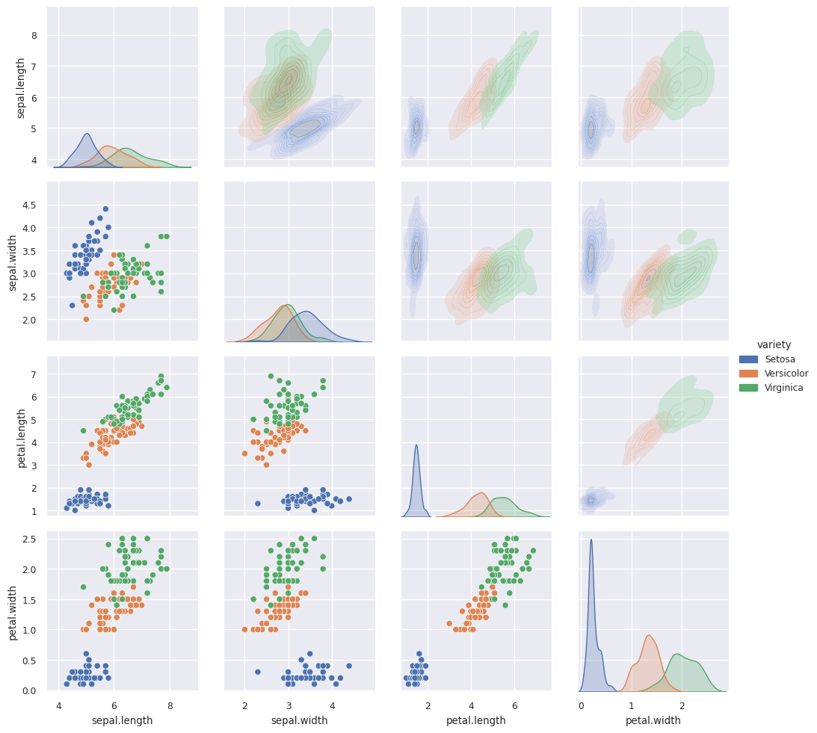
Rozkłady wzgl gatunku

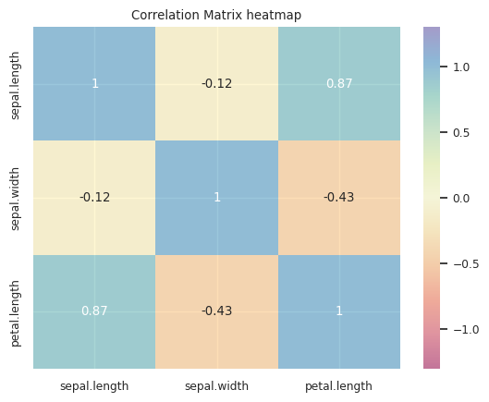
Macierz korelacji

Przygotowanie danych i narzędzi do modelowania

Target encoding (label encoder) | Setosa | 0
 | Versicolor | 1
 | Virginica | 2

Udział test | 0.30

Podział x/y i train/test |  | train_cnt
 | variety
 | 2 | 37
 | 0 | 35
 | 1 | 33

Funkcja zrób se model i oceń | 0

DataFrame do wyników modeli

Regresja logistyczna

Zrób se model |  | Logistic regression |  | Classification report TEST |  |  |  |  |  | Classification report TRAIN
 | Gini Train | 0.998 |  |  | precision | recall | f1-score | support |  |  | precision | recall | f1-score | support
 | Gini Test | 0.991 |  | 0 | 1.000 | 1.000 | 1.000 | 15.000 |  | 0 | 1.000 | 1.000 | 1.000 | 35.000
 | Precision Train | 0.972 |  | 1 | 0.941 | 0.941 | 0.941 | 17.000 |  | 1 | 0.969 | 0.939 | 0.954 | 33.000
 | Precision Test | 0.956 |  | 2 | 0.923 | 0.923 | 0.923 | 13.000 |  | 2 | 0.947 | 0.973 | 0.960 | 37.000
 | Recall Train | 0.971 |  | accuracy | 0.956 | 0.956 | 0.956 | 0.956 |  | accuracy | 0.971 | 0.971 | 0.971 | 0.971
 | Recall Test | 0.956 |  | macro avg | 0.955 | 0.955 | 0.955 | 45.000 |  | macro avg | 0.972 | 0.971 | 0.971 | 105.000
 | Accuracy Train | 0.971 |  | weighted avg | 0.956 | 0.956 | 0.956 | 45.000 |  | weighted avg | 0.972 | 0.971 | 0.971 | 105.000
 | Accuracy Test | 0.956
 | F1 macro Train | 0.971
 | F1 macro Test | 0.956

Confusion matrix
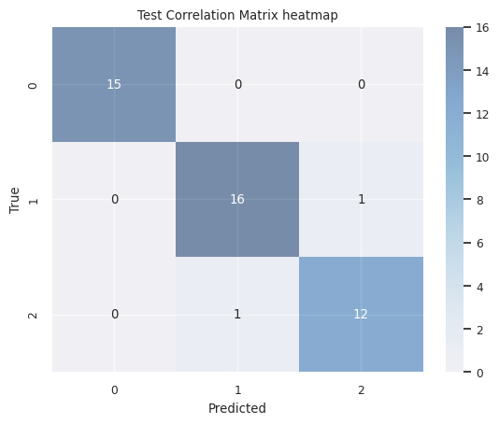
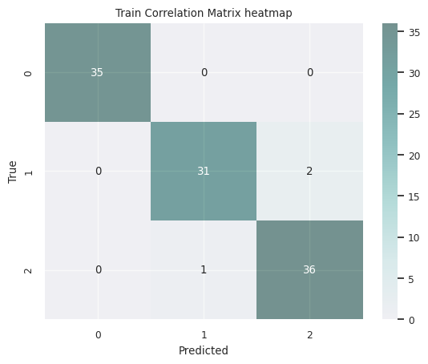

Hyperparamter Tuning / Cross-val | Best hyperparameters: {'C': 10, 'penalty': 'l1', 'solver': 'saga'}

Zrób se model TUNED |  | Logistic regression | Logistic regression tuned |  | Classification report TEST |  |  |  |  |  | Classification report TRAIN
 | Gini Train | 0.998 | 0.998 |  |  | precision | recall | f1-score | support |  |  | precision | recall | f1-score | support
 | Gini Test | 0.991 | 0.994 |  | 0 | 1.000 | 1.000 | 1.000 | 15.000 |  | 0 | 1.000 | 1.000 | 1.000 | 35.000
 | Precision Train | 0.972 | 0.981 |  | 1 | 1.000 | 0.941 | 0.970 | 17.000 |  | 1 | 0.970 | 0.970 | 0.970 | 33.000
 | Precision Test | 0.956 | 0.979 |  | 2 | 0.929 | 1.000 | 0.963 | 13.000 |  | 2 | 0.973 | 0.973 | 0.973 | 37.000
 | Recall Train | 0.971 | 0.981 |  | accuracy | 0.978 | 0.978 | 0.978 | 0.978 |  | accuracy | 0.981 | 0.981 | 0.981 | 0.981
 | Recall Test | 0.956 | 0.978 |  | macro avg | 0.976 | 0.980 | 0.978 | 45.000 |  | macro avg | 0.981 | 0.981 | 0.981 | 105.000
 | Accuracy Train | 0.971 | 0.981 |  | weighted avg | 0.979 | 0.978 | 0.978 | 45.000 |  | weighted avg | 0.981 | 0.981 | 0.981 | 105.000
 | Accuracy Test | 0.956 | 0.978
 | F1 macro Train | 0.971 | 0.981
 | F1 macro Test | 0.956 | 0.978

Feature importance (permutation) | sepal.length | 0.06
 | sepal.width | 0.00
 | petal.length | 0.57
 | petal.width | 0.24

Drzewo decyzyjne

Zrób se model |  | Decision Tree |  | Classification report TEST |  |  |  |  |  | Classification report TRAIN
 | Gini Train | 0.994 |  |  | precision | recall | f1-score | support |  |  | precision | recall | f1-score | support
 | Gini Test | 0.916 |  | 0 | 1.000 | 1.000 | 1.000 | 15.000 |  | 0 | 1.000 | 1.000 | 1.000 | 35.000
 | Precision Train | 0.982 |  | 1 | 0.842 | 0.941 | 0.889 | 17.000 |  | 1 | 0.943 | 1.000 | 0.971 | 33.000
 | Precision Test | 0.914 |  | 2 | 0.909 | 0.769 | 0.833 | 13.000 |  | 2 | 1.000 | 0.946 | 0.972 | 37.000
 | Recall Train | 0.981 |  | accuracy | 0.911 | 0.911 | 0.911 | 0.911 |  | accuracy | 0.981 | 0.981 | 0.981 | 0.981
 | Recall Test | 0.911 |  | macro avg | 0.917 | 0.903 | 0.907 | 45.000 |  | macro avg | 0.981 | 0.982 | 0.981 | 105.000
 | Accuracy Train | 0.981 |  | weighted avg | 0.914 | 0.911 | 0.910 | 45.000 |  | weighted avg | 0.982 | 0.981 | 0.981 | 105.000
 | Accuracy Test | 0.911
 | F1 macro Train | 0.981
 | F1 macro Test | 0.910

Confusion matrix
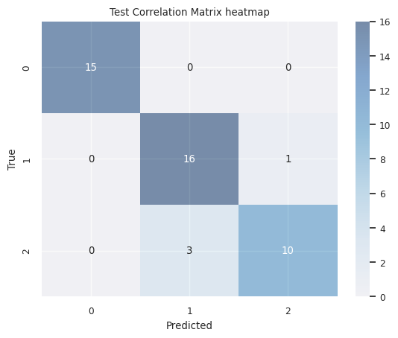
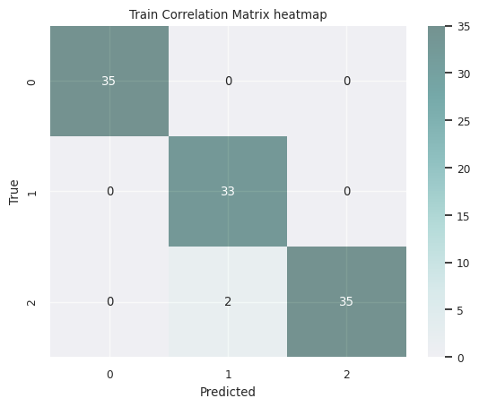

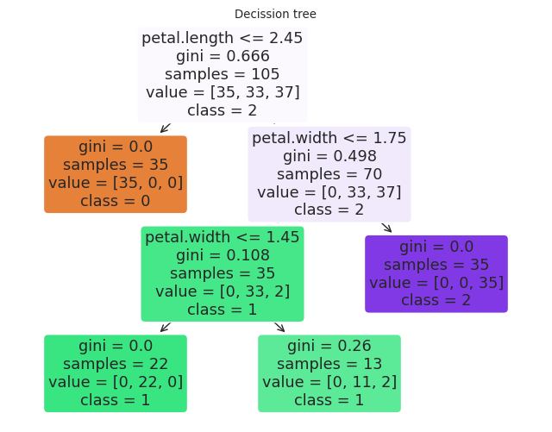
Narysuj se drzewo

Istotność cech |  | Feature | Importance
 | 2 | petal.length | 53%
 | 3 | petal.width | 47%
 | 1 | sepal.width | 0%
 | 0 | sepal.length | 0%
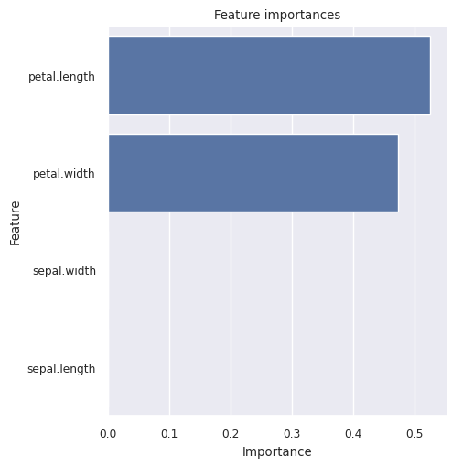
Wykres istotności cech

Random Forest

Zrób se model |  | Random Forest |  | Classification report TEST |  |  |  |  |  | Classification report TRAIN
 | Gini Train | 1.000 |  |  | precision | recall | f1-score | support |  |  | precision | recall | f1-score | support
 | Gini Test | 0.982 |  | 0 | 1.000 | 1.000 | 1.000 | 15.000 |  | 0 | 1.000 | 1.000 | 1.000 | 35.000
 | Precision Train | 0.991 |  | 1 | 0.842 | 0.941 | 0.889 | 17.000 |  | 1 | 0.971 | 1.000 | 0.985 | 33.000
 | Precision Test | 0.914 |  | 2 | 0.909 | 0.769 | 0.833 | 13.000 |  | 2 | 1.000 | 0.973 | 0.986 | 37.000
 | Recall Train | 0.990 |  | accuracy | 0.911 | 0.911 | 0.911 | 0.911 |  | accuracy | 0.990 | 0.990 | 0.990 | 0.990
 | Recall Test | 0.911 |  | macro avg | 0.917 | 0.903 | 0.907 | 45.000 |  | macro avg | 0.990 | 0.991 | 0.990 | 105.000
 | Accuracy Train | 0.990 |  | weighted avg | 0.914 | 0.911 | 0.910 | 45.000 |  | weighted avg | 0.991 | 0.990 | 0.990 | 105.000
 | Accuracy Test | 0.911
 | F1 macro Train | 0.990
 | F1 macro Test | 0.910


Confusion matrix

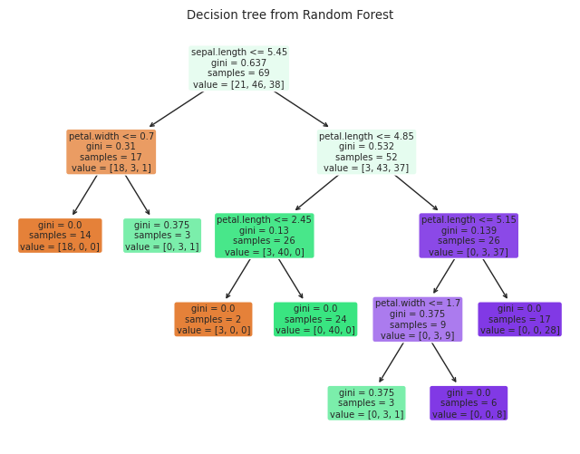
Liczba drzew w lesie | 100
Narysuj drzewo | 99
Narysuj se drzewo

Istotność cech |  | Feature | Importance
 | 3 | petal.width | 46%
 | 2 | petal.length | 40%
 | 0 | sepal.length | 13%
 | 1 | sepal.width | 1%
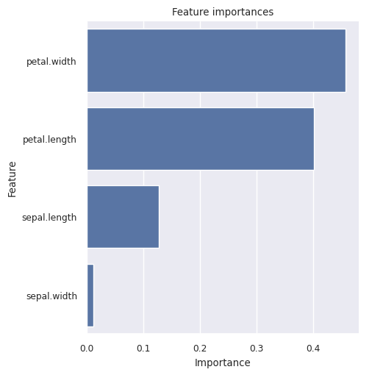
Wykres istotności cech

xgBoost

Zrób se model |  | Gradient Boosting |  | Classification report TEST |  |  |  |  |  | Classification report TRAIN
 | Gini Train | 1.000 |  |  | precision | recall | f1-score | support |  |  | precision | recall | f1-score | support
 | Gini Test | 0.926 |  | 0 | 1.000 | 1.000 | 1.000 | 15.000 |  | 0 | 1.000 | 1.000 | 1.000 | 35.000
 | Precision Train | 1.000 |  | 1 | 0.882 | 0.882 | 0.882 | 17.000 |  | 1 | 1.000 | 1.000 | 1.000 | 33.000
 | Precision Test | 0.911 |  | 2 | 0.846 | 0.846 | 0.846 | 13.000 |  | 2 | 1.000 | 1.000 | 1.000 | 37.000
 | Recall Train | 1.000 |  | accuracy | 0.911 | 0.911 | 0.911 | 0.911 |  | accuracy | 1.000 | 1.000 | 1.000 | 1.000
 | Recall Test | 0.911 |  | macro avg | 0.910 | 0.910 | 0.910 | 45.000 |  | macro avg | 1.000 | 1.000 | 1.000 | 105.000
 | Accuracy Train | 1.000 |  | weighted avg | 0.911 | 0.911 | 0.911 | 45.000 |  | weighted avg | 1.000 | 1.000 | 1.000 | 105.000
 | Accuracy Test | 0.911
 | F1 macro Train | 1.000
 | F1 macro Test | 0.911

Confusion matrix
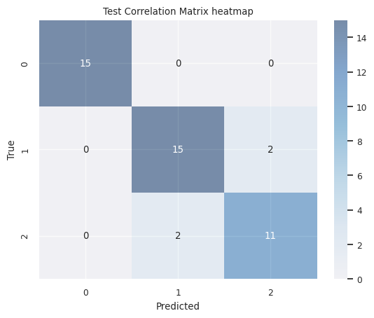
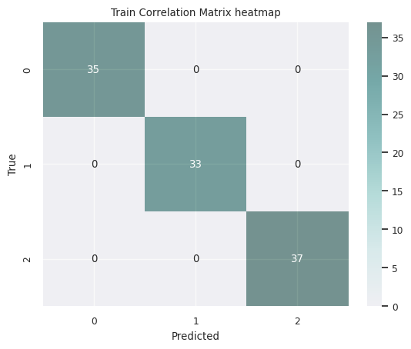

Liczba estymatorów | 100
Narysuj drzewo | 45
Narysuj se drzewo

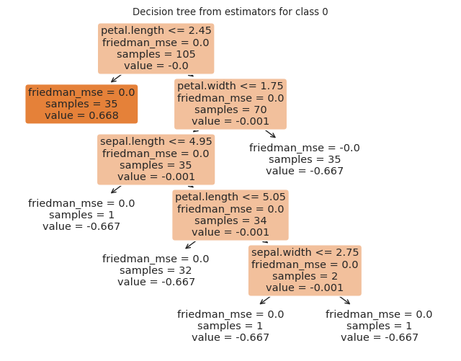
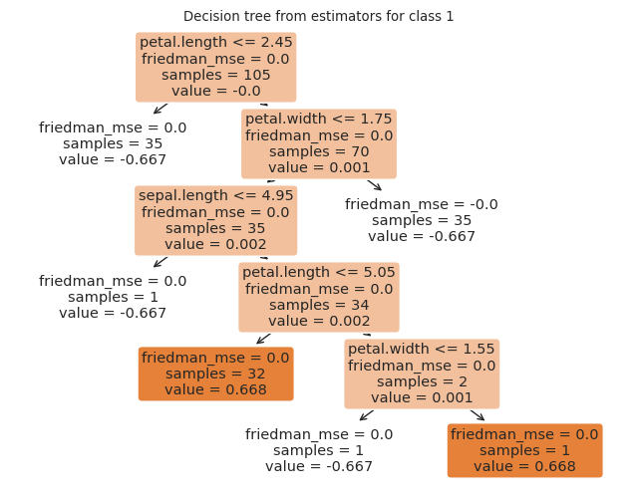
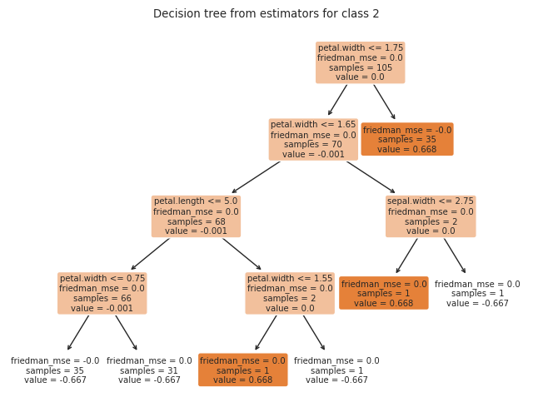

Istotność cech |  | Feature | Importance
 | 3 | petal.width | 80%
 | 2 | petal.length | 17%
 | 0 | sepal.length | 2%
 | 1 | sepal.width | 1%
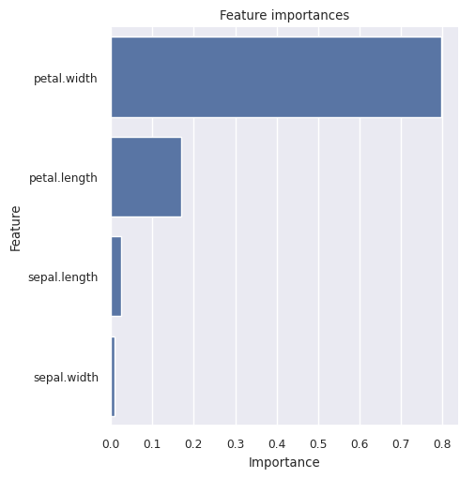
Wykres istotności cech

Zestawienie jakości zbudowanych modeli

Statystyki zbudowanych modeli |  | Logistic regression | Logistic regression tuned | Decision Tree | Random Forest | Gradient Boosting
 | Gini Train | 0.998 | 0.998 | 0.994 | 1.000 | 1.000
 | Gini Test | 0.991 | 0.994 | 0.916 | 0.982 | 0.926
 | Precision Train | 0.972 | 0.981 | 0.982 | 0.991 | 1.000
 | Precision Test | 0.956 | 0.979 | 0.914 | 0.914 | 0.911
 | Recall Train | 0.971 | 0.981 | 0.981 | 0.990 | 1.000
 | Recall Test | 0.956 | 0.978 | 0.911 | 0.911 | 0.911
 | Accuracy Train | 0.971 | 0.981 | 0.981 | 0.990 | 1.000
 | Accuracy Test | 0.956 | 0.978 | 0.911 | 0.911 | 0.911
 | F1 macro Train | 0.971 | 0.981 | 0.981 | 0.990 | 1.000
 | F1 macro Test | 0.956 | 0.978 | 0.910 | 0.910 | 0.911

