coop010x011
Trainer | Date | Day | Stage | Barrier Type | N trials | Rewarded trials | Percent Rewarded
Juan | 2023-04-13 | 1 | 1 | Perforated | 392 | 37 | 9% |  |  | Stage Definitions | 1 | 2 | 3 | 4
Juan | 2023-04-14 | 2 | 1 | Perforated | 471 | 40 | 8% |  |  | Subject | coop010x011 | coop010x011 | coop010x011 | coop018x019
Juan | 2023-04-15 | 3 | 1 | Perforated | 524 | 54 | 10% |  |  | Water delivery | 0.03 sec | 0.03 sec | 0.03 sec | 0.03 sec
Juan | 2023-04-16 | 4 | 1 | Perforated | 477 | 67 | 14% |  |  | Wait time | 0.5 | 0.5 | 0.5 | 0.5
Juan | 2023-04-17 | 5 | 2 | No barrier | 369 | 11 | 3% |  |  | Inter-trial interval | 8 | 10 | 10 | 10
Juan | 2023-04-18 | 6 | 2 | No barrier | 535 | 25 | 5% | pokeDuration: 2 | from here flash light backup | Poke per mouse | n/a | 1--7 | 7 | 7
Juan | 2023-04-19 | 7 | 2 | No barrier | 575 | 36 | 6% | pokeDuration: 3 |  | Target poke per mouse | n/a | 7 | 7 | 7
Juan | 2023-04-20 | 8 | 2 | No barrier | 922 | 50 | 5% | pokeDuration: 5 |  | Task mode | auto lights | poke_elongation | cooperation_lights | cooperation
Juan | 2023-04-21 | 9 | 2 | No barrier | 1231 | 65 | 5% | pokeDuration: 6 | iti decreased to 5 seconds | Max port repetition | 7 | 7 | 7 | 7
Juan | 2023-04-22 | 10 | 3 | No barrier | 1173 | 70 | 6% | iti decreased to 3 seconds. iti did not work |  | Next port after fail | Same | Same | Same | Same
Juan | 2023-04-23 | 11 | 3 | No barrier | 712 | 37 | 5% | return back to 5 seconds |  | Barrier | Perforated | No barrier | No barrier | No barrier
Juan | 2023-04-24 | 12 | 3 | No barrier | 917 | 94 | 10% | They were right on the weight baseline |  | Section duration (min) | 40 | 60 | 60 | 60
Juan | 2023-04-25 | 13 | 4 | No barrier | 1048 | 50 | 5% |  |  | Max. rewarded trials | 282 | 282-240 | 240 | 240
Juan | 2023-04-26 | 14 | 4 | No barrier | 940 | 53 | 6% |  |  | Mice DOB | 2022-11-27 |  | females
Juan | 2023-04-27 | 15 | 4 | No barrier | 997 | 74 | 7%
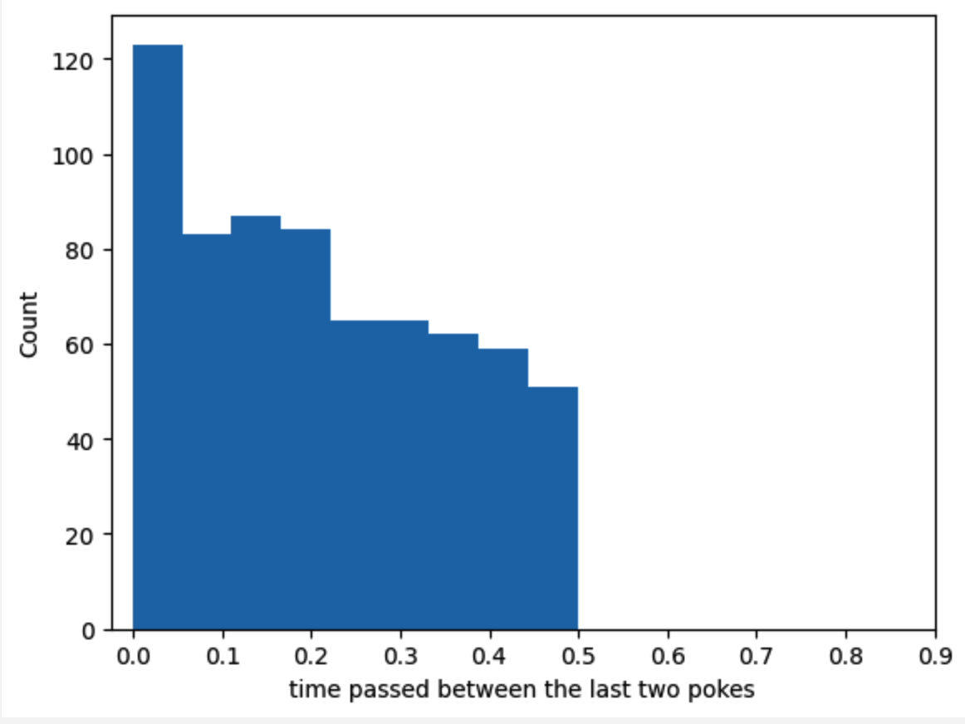
Juan | 2023-04-28 | 16 | 4 | No barrier | 657 | 56 | 9% | 5 drops can be too much. They were satiated
Juan | 2023-04-29 | 17 | 4 | No barrier | 739 | 71 | 10% | reduced to 4 drops
Juan | 2023-04-30 | 18 | 4 | No barrier | 737 | 60 | 8% | 4 drops
Juan | 2023-05-01 | 19 | 4 | No barrier | 754 | 77 | 10%
Juan | 2023-05-02 | 20 | 4 | Solid | 832 | 65 | 8%
Juan | 2023-05-03 | 21 | 2 | No barrier | 625 | 51 | 8% | go back to stage 2 to increment pokes. pokesPerMouse=5
Juan | 2023-05-04 | 22 | 2 | No barrier | 667 | 61 | 9% | go back to stage 2 to increment pokes. pokesPerMouse=7
Juan | 2023-05-05 | 23 | 3 | No barrier | 599 | 56 | 9%
Juan | 2023-05-06 | 24 | 3 | No barrier | 773 | 55 | 7%
Juan | 2023-05-07 | 25 | 3 | No barrier | 673 | 55 | 8%
Juan | 2023-05-08 | 26 | 4 | No barrier | 764 | 44 | 6%
Juan | 2023-05-09 | 27 | 4 | No barrier | 812 | 70 | 9% |  | first 20 min
Juan | 2023-05-10 | 28 | 4 | No barrier | 929 | 64 | 7% | pokePerMouse = 7 | 7%
Juan | 2023-05-11 | 29 | 4 | Solid | 814 | 55 | 7% |  | 5%
Juan | 2023-05-12 | 30 | 4 | No barrier | 869 | 69 | 8% | reduced drops to 2. they were above the baseline weight | 9%
Juan | 2023-05-13 | 31 | 4 | Solid | 1044 | 64 | 6% |  | 5%
Juan | 2023-05-14 | 1 | 4 | No barrier | 942 | 66 | 7% | These mice will be dropped. I am gonna experiment with the proposal given to the professor about an incrementing poke. threshold=10. pokesPerMouse 7 to 12
Juan | 2023-05-15 | 2 | 4 | Solid | 1566 | 83 | 5%
dropped | dropped | dropped | dropped | dropped | dropped | dropped | dropped
 |  |  |  |  |  |  |  | Despite of the efforts to alter their developed behavior in the last training. these mice have developed a behavior that neither show cooperation nor works in the current mechanism
 |  |  |  |  |  |  |  | One mouse is just sticking to the ports regardless of if its partner is there or not. the other one actually is aware of its partner and explore the ports
 |  |  |  |  |  |  |  | that is the reason why isolated and non-isolated are so similar

coop018x019
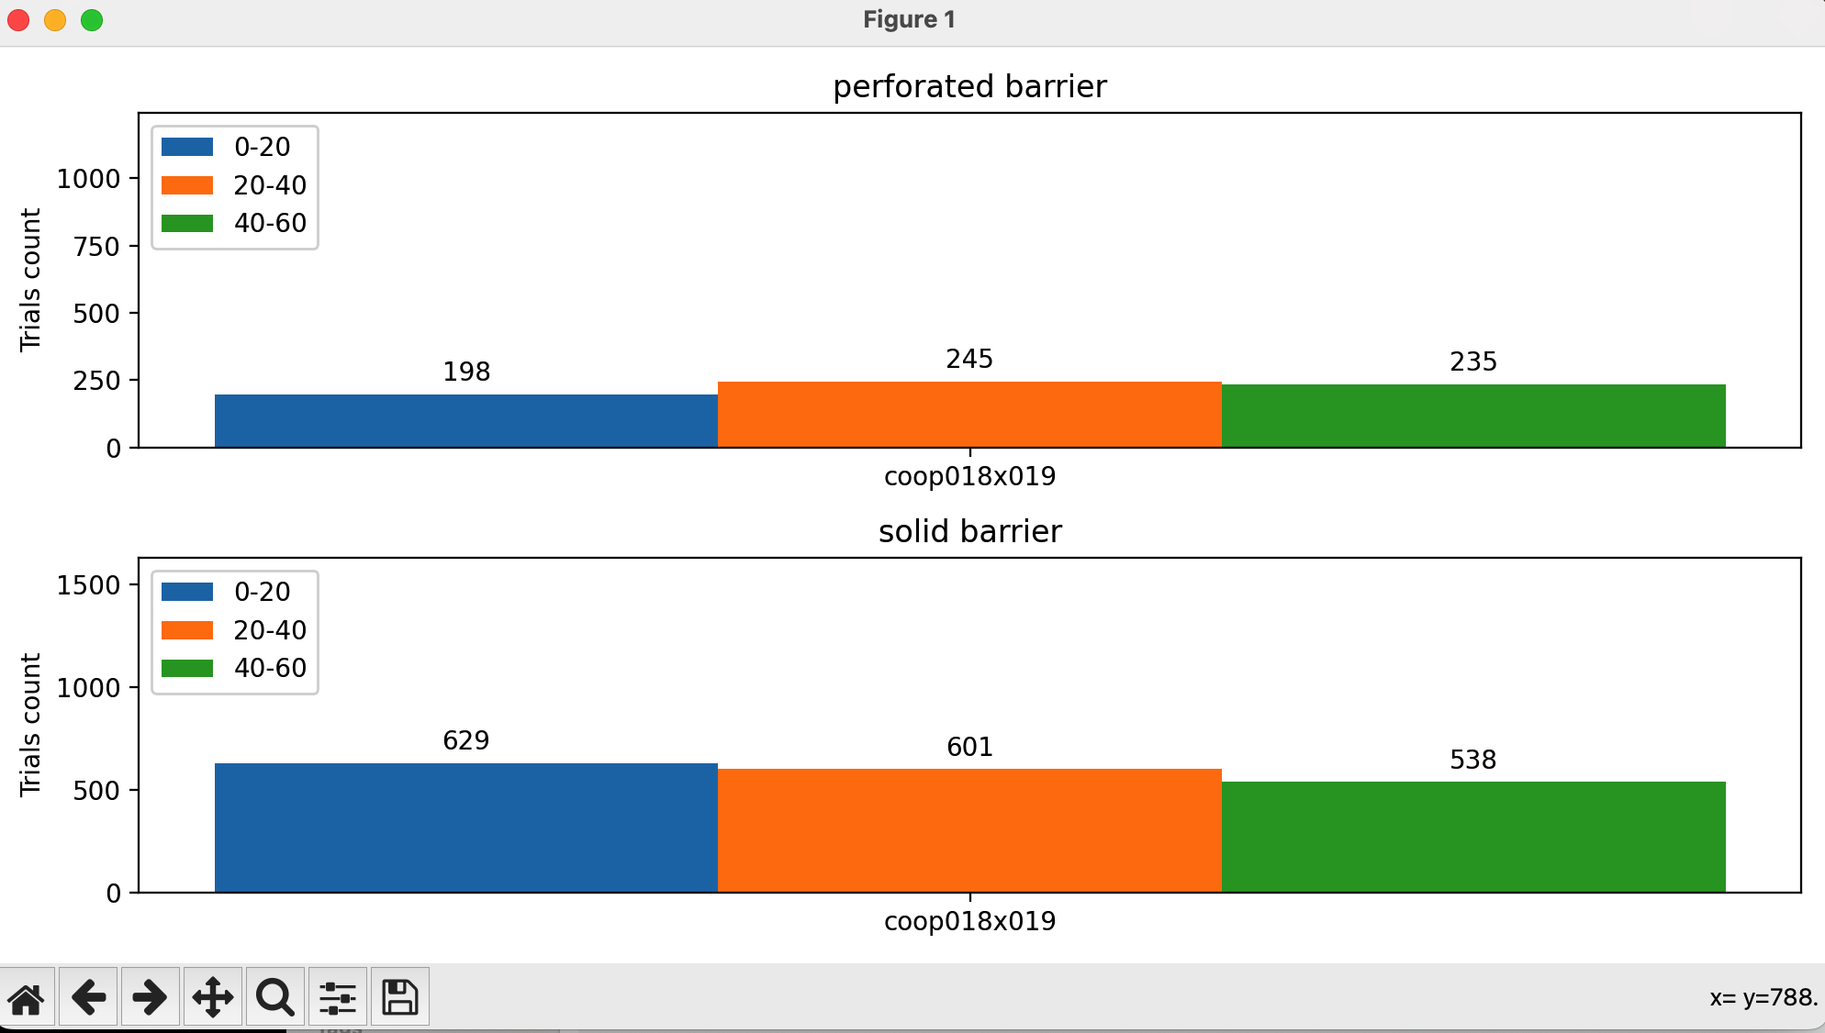
Trainer | Date | Day | Stage | Barrier Type | N trials | Rewarded trials coop018 | Rewarded trials coop019 | Percent Rewarded
Juan | 2023-04-13 | 1 | 1 | Perforated | 79 | 0 | 0 | 0% |  |  | Stage Definitions | 1 | 2 | 3 | 4
Juan | 2023-04-14 | 2 | 1 | Perforated | 88 | 4 | 4 | 5% | wt incremented to 3 seconds. did not work. |  | Subject | coop018x019 | coop018x019 | coop018x019 | coop018x019
Juan | 2023-04-15 | 3 |  | no train | no train | no train | no train |  |  |  | Water delivery | 0.03 sec | 0.03 sec | 0.03 sec | 0.03 sec
 |  |  |  |  |  |  |  |  |  |  | Water frequency | 4 | 4 | 4 | 3
Juan | 2023-04-16 | 4 | 1 | Perforated | 293 | 56 | 65 | 21% | go back to original stage 1 |  | Wait time | 3 | 0.5 | 0.5 | 0.5
Juan | 2023-04-17 | 5 | 1 | Perforated | 174 | 51 | 63 | 33% | from here flash light backup |  | Inter-trial interval | 8 | 10 | 10 | 5
Juan | 2023-04-18 | 6 | 1 | Perforated | 147 | 73 | 63 | 46% |  |  | Poke per mouse | n/a | 1--5 | 5 | 15
Juan | 2023-04-19 | 7 | 2 | No barrier | 345 | 10 | 10 | 3% |  |  | Target poke per mouse | n/a | 5 | 5 | 15
Juan | 2023-04-20 | 8 | 2 | No barrier | 398 | 10 | 10 | 3% | iti decreased to 5. LED kept turned on failed trials. session extended to 60 min |  | Task mode | auto lights | poke_elongation | cooperation_lights | cooperation
Juan | 2023-04-21 | 9 | 2 | No barrier | 761 | 27 | 27 | 4% | pokeDuration:2 |  | Max port repetition | 3 | 3 | 3 | 3
Juan | 2023-04-22 | 10 | 2 | No barrier | 304 | 1 | 1 | 0% |  |  | Next port after fail | Same | Same | Same | Same
Juan | 2023-04-23 | 11 | 2 | No barrier | 196 | 0 | 0 | 0% |  |  | Barrier | perforated | No barrier | No barrier | perforated
Juan | 2023-04-24 | 12 | 1 | Perforated | 191 | 145 | 144 | 76% | Restart. Mice were not doing their task.They were above baseweightline |  | Section duration (min) | 40 | 60 | 60 | 60
Juan | 2023-04-25 | 13 | 2 | No barrier | 773 | 21 | 21 | 3% | They were not able to do more than 2 pokes per mouse. I will change to perforated barrier |  | Max. rewarded trials | 277 | 342-277 | 342-277 | 342-277
Juan | 2023-04-26 | 14 | 2 | Perforated | 927 | 32 | 32 | 3% |  |  | Mice DOB | 2023-01-10 |  | males
Juan | 2023-04-27 | 15 | 2 | Perforated | 938 | 34 | 34 | 4% | pokePerMouse:3
Juan | 2023-04-28 | 16 | 2 | Perforated | 1069 | 40 | 40 | 4% | pokePerMouse:4
Juan | 2023-04-29 | 17 | 2 | Perforated | 588 | 0 | 0 | 0% | pokePerMouse:4
Juan | 2023-04-30 | 18 | 2 | Perforated | 792 | 50 | 50 | 6% | pokePerMouse:4
Juan | 2023-05-01 | 19 | 2 | Perforated | 873 | 40 | 40 | 5% | pokePerMouse:5
Juan | 2023-05-02 | 20 | 3 | Perforated | 715 | 47 | 47 | 7%
Juan | 2023-05-03 | 21 | 3 | Perforated | 706 | 53 | 53 | 8%
Juan | 2023-05-04 | 22 | 3 | Perforated | 870 | 71 | 71 | 8%
Juan | 2023-05-05 | 23 | 4 | Perforated | 788 | 56 | 56 | 7%
Juan | 2023-05-06 | 24 | 4 | Perforated | 710 | 67 | 67 | 9%
Juan | 2023-05-07 | 25 | 4 | Perforated | 760 | 86 | 86 | 11% | pokePerMouse:5 | first 20 min
Juan | 2023-05-08 | 26 | 4 | Solid | 1306 | 51 | 51 | 4% |  | 4%
Juan | 2023-05-09 | 27 | 4 | Perforated | 659 | 85 | 85 | 13% |  | 15%
Juan | 2023-05-10 | 28 | 4 | Solid | 1171 | 70 | 70 | 6% |  | 7%
Juan | 2023-05-11 | 29 | 4 | Perforated | 609 | 77 | 77 | 13% |  | 15%
Juan | 2023-05-12 | 30 | 4 | Solid | 980 | 61 | 61 | 6% |  | 6%
Juan | 2023-05-13 | 31 | 4 | Perforated | 606 | 92 | 92 | 15% |  | 21%
Juan | 2023-05-14 | 1 | 4 | Solid | 1151 | 71 | 72 | 6% |  | 5%
Juan | 2023-05-15 | 2 | 4 | Perforated | 663 | 93 | 93 | 14% | decreased to 3 drops
Jenny | 2023-05-16 | 3 | 4 | Solid | 1412 | 48 | 48 | 3%
Jenny | 2023-05-17 | 4 | 4 | Perforated | 820 | 88 | 88 | 11%
Max | 2023-05-18 | 5 | 4 | Solid | 1121 | 84 | 84 | 7%
Max | 2023-05-19 | 6 | 4 | Perforated | 621 | 112 | 112 | 18%
end | end | end | end | end | end | end | end
Juan | 2023-06-14 | 0 | water out |  |  |  | i will increment the poke to 15
Juan | 2023-06-15 | 1 | 2 | No barrier | 686 | 42 | 42 | 6% | pokepermouse=3 | drops = 3
Juan | 2023-06-16 | 2 | 2 | No barrier | 1056 | 91 |  | 9% | pokepermouse=5
Juan | 2023-06-17 | 3 | 2 | No barrier | 1097 | 74 |  | 7% | pokepermouse=8
Juan | 2023-06-18 | 4 | 2 | No barrier | 1102 | 67 |  | 6% | pokePerMouse = 10
Juan | 2023-06-19 | 5 | 2 | No barrier | 977 | 69 |  | 7% | pokePerMouse = 13
Juan | 2023-06-20 | 6 | 2 | No barrier | 844 | 84 |  | 10% | pokePerMouse = 15 | drops = 2
Juan | 2023-06-21 | 7 | 3 | No barrier | 809 | 86 |  | 11% | pokePerMouse = 15 | drops = 2
Juan | 2023-06-22 | 8 | 4 | No barrier | 1032 | 75 |  | 7%
Juan | 2023-06-23 | 9 | 4 | No barrier | 907 | 72 |  | 8%
Juan | 2023-06-24 | 10 | 4 | No barrier | 845 | 70 |  | 8%
Juan | 2023-06-25 | 11 | 4 | No barrier | 469 | 21 |  | 4% | training: 30 min
Juan | 2023-06-26 | 12 | 4 | No barrier | 642 | 30 |  | 5%
Juan | 2023-06-27 | 13 | 4 | Perforated | 734 | 77 |  | 10%
Diyar | 2023-06-28 | 14 | 4 | Perforated | 755 | 76 |  | 10% | decrease iti to 5
Juan | 2023-06-29 | 15 | 4 | Perforated | 1005 | 63 |  | 6%
Diyar | 2023-06-30 | 16 | 4 | Solid | 418 | 0 |  | 0%
Juan | 2023-07-01 | 17 | 4 | Transparent_holes | 773 | 25 |  | 3%
Diyar | 2023-07-02 | 18 | 4 | Transparent_holes | 1005 | 66 |  | 7%
Juan | 2023-07-03 | 19 | 4 | Transparent_holes | 781 | 80 |  | 10%
Diyar | 2023-07-04 | 20 | 4 | Transparent_holes | 924 | 54 |  | 6% | increase to 3 drops
Diyar | 2023-07-05 | 21 | 4 | Transparent_holes | 266 | 4 |  | 2% | wtf
Juan | 2023-07-06 | 22 | 4 | perforated | 668 | 75 |  | 11% | 2 drops
Juan | 2023-07-07 | 23 | 4 | Transparent_holes
 | 2023-07-08 | 24
 | 2023-07-09 | 25

