coop010x011
Trainer | Date | Day | Stage | Barrier Type | N trials | Rewarded trials | Percent Rewarded
Juan | 2023-04-13 | 1 | 1 | Perforated | 392 | 37 | 9% |  |  | Stage Definitions | 1 | 2 | 3 | 4
Juan | 2023-04-14 | 2 | 1 | Perforated | 471 | 40 | 8% |  |  | Subject | coop010x011 | coop010x011 | coop010x011 | coop018x019
Juan | 2023-04-15 | 3 | 1 | Perforated | 524 | 54 | 10% |  |  | Water delivery | 0.03 sec | 0.03 sec | 0.03 sec | 0.03 sec
Juan | 2023-04-16 | 4 | 1 | Perforated | 477 | 67 | 14% |  |  | Wait time | 0.5 | 0.5 | 0.5 | 0.5
Juan | 2023-04-17 | 5 | 2 | No barrier | 369 | 11 | 3% |  |  | Inter-trial interval | 8 | 10 | 10 | 10
Juan | 2023-04-18 | 6 | 2 | No barrier | 535 | 25 | 5% | pokeDuration: 2 | from here flash light backup | Poke per mouse | n/a | 1--7 | 7 | 7
Juan | 2023-04-19 | 7 | 2 | No barrier | 575 | 36 | 6% | pokeDuration: 3 |  | Target poke per mouse | n/a | 7 | 7 | 7
Juan | 2023-04-20 | 8 | 2 | No barrier | 922 | 50 | 5% | pokeDuration: 5 |  | Task mode | auto lights | poke_elongation | cooperation_lights | cooperation
Juan | 2023-04-21 | 9 | 2 | No barrier | 1231 | 65 | 5% | pokeDuration: 6 | iti decreased to 5 seconds | Max port repetition | 7 | 7 | 7 | 7
Juan | 2023-04-22 | 10 | 3 | No barrier | 1173 | 70 | 6% | iti decreased to 3 seconds. iti did not work |  | Next port after fail | Same | Same | Same | Same
Juan | 2023-04-23 | 11 | 3 | No barrier | 712 | 37 | 5% | return back to 5 seconds |  | Barrier | Perforated | No barrier | No barrier | No barrier
Juan | 2023-04-24 | 12 | 3 | No barrier | 917 | 94 | 10% | They were right on the weight baseline |  | Section duration (min) | 40 | 60 | 60 | 60
Juan | 2023-04-25 | 13 | 4 | No barrier | 1048 | 50 | 5% |  |  | Max. rewarded trials | 282 | 282-240 | 240 | 240
Juan | 2023-04-26 | 14 | 4 | No barrier | 940 | 53 | 6% |  |  | Mice DOB | 2022-11-27 |  | females
Juan | 2023-04-27 | 15 | 4 | No barrier | 997 | 74 | 7%
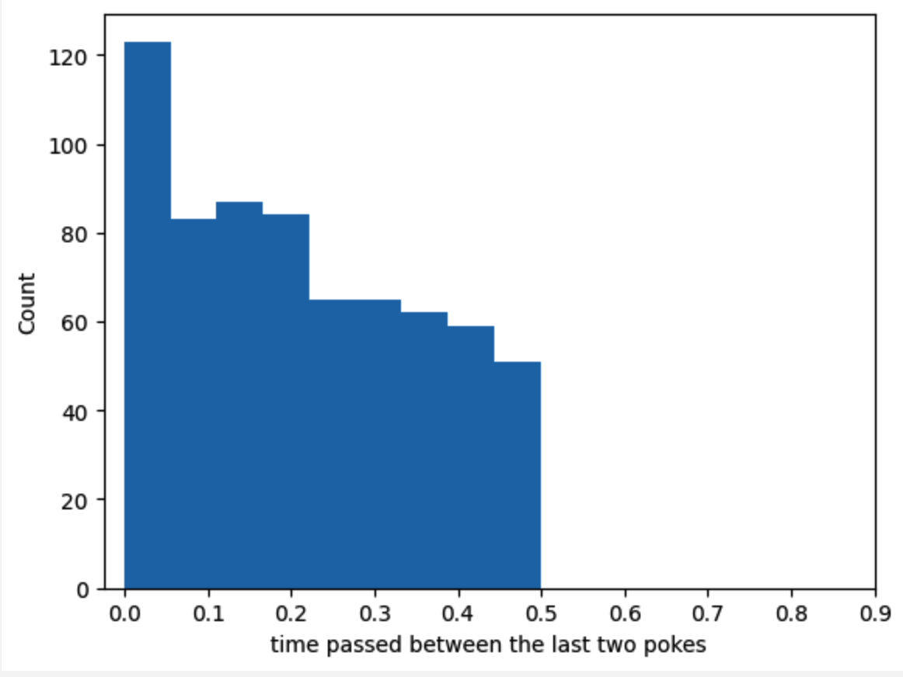
Juan | 2023-04-28 | 16 | 4 | No barrier | 657 | 56 | 9% | 5 drops can be too much. They were satiated
Juan | 2023-04-29 | 17 | 4 | No barrier | 739 | 71 | 10% | reduced to 4 drops
Juan | 2023-04-30 | 18 | 4 | No barrier | 737 | 60 | 8% | 4 drops
Juan | 2023-05-01 | 19 | 4 | No barrier | 754 | 77 | 10%
Juan | 2023-05-02 | 20 | 4 | Solid | 832 | 65 | 8%
Juan | 2023-05-03 | 21 | 2 | No barrier | 625 | 51 | 8% | go back to stage 2 to increment pokes. pokesPerMouse=5
Juan | 2023-05-04 | 22 | 2 | No barrier | 667 | 61 | 9% | go back to stage 2 to increment pokes. pokesPerMouse=7
Juan | 2023-05-05 | 23 | 3 | No barrier | 599 | 56 | 9%
Juan | 2023-05-06 | 24 | 3 | No barrier | 773 | 55 | 7%
Juan | 2023-05-07 | 25 | 3 | No barrier | 673 | 55 | 8%
Juan | 2023-05-08 | 26 | 4 | No barrier | 764 | 44 | 6%
Juan | 2023-05-09 | 27 | 4 | No barrier | 812 | 70 | 9% |  | first 20 min
Juan | 2023-05-10 | 28 | 4 | No barrier | 929 | 64 | 7% | pokePerMouse = 7 | 7%
Juan | 2023-05-11 | 29 | 4 | Solid | 814 | 55 | 7% |  | 5%
Juan | 2023-05-12 | 30 | 4 | No barrier | 869 | 69 | 8% | reduced drops to 2. they were above the baseline weight | 9%
Juan | 2023-05-13 | 31 | 4 | Solid | 1044 | 64 | 6% |  | 5%
Juan | 2023-05-14 | 1 | 4 | No barrier | 942 | 66 | 7% | These mice will be dropped. I am gonna experiment with the proposal given to the professor about an incrementing poke. threshold=10. pokesPerMouse 7 to 12
Juan | 2023-05-15 | 2 | 4 | Solid | 1566 | 83 | 5%
dropped | dropped | dropped | dropped | dropped | dropped | dropped | dropped
 |  |  |  |  |  |  |  | Despite of the efforts to alter their developed behavior in the last training. these mice have developed a behavior that neither show cooperation nor works in the current mechanism
 |  |  |  |  |  |  |  | One mouse is just sticking to the ports regardless of if its partner is there or not. the other one actually is aware of its partner and explore the ports
 |  |  |  |  |  |  |  | that is the reason why isolated and non-isolated are so similar

