Sheet1
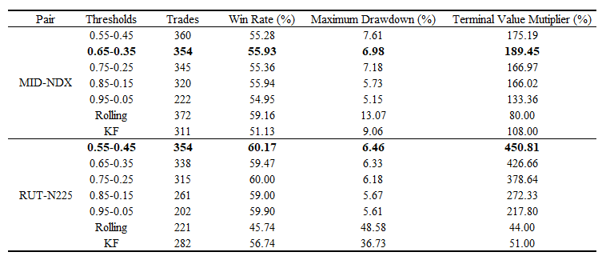
Pair | Thresholds | Trades | Win Rate (%) | Maximum Drawdown (%) | Terminal Value Mutiplier (%)
MID-NDX | 0.55-0.45 | 360 | 55.28 | 7.61 | 175.19
 | 0.65-0.35 | 354 | 55.93 | 6.98 | 189.45
 | 0.75-0.25 | 345 | 55.36 | 7.18 | 166.97
 | 0.85-0.15 | 320 | 55.94 | 5.73 | 166.02
 | 0.95-0.05 | 222 | 54.95 | 5.15 | 133.36
 | Rolling | 372 |  | 13.07 | 80.00
 | KF | 311 |  | 9.06 | 108.00
RUT-N225 | 0.55-0.45 | 354 | 60.17 | 6.46 | 450.81
 | 0.65-0.35 | 338 | 59.47 | 6.33 | 426.66
 | 0.75-0.25 | 315 | 60.00 | 6.18 | 378.64
 | 0.85-0.15 | 261 | 59.00 | 5.67 | 272.33 | a
 | 0.95-0.05 | 202 | 59.90 | 5.61 | 217.80
 | Rolling | 221 |  | 48.58 | 44.00
 | KF | 282 |  | 36.73 | 51.00

