DEMAND
Demand

~FI_T:DEMAND
CommName | 2023 | 2025 | 2030 | 2035 | 2040 | 2045 | 2050
\I: Commodity Name | Annual Demand Value [PJ]
\I: Nazwa dobra (popytowego) | Roczna wartość popytu
ELEC_FIN | 597.89 |  |  | 792.648 | 842.08 |  | 947.38 | Source: | Visualisation Platform | ENTSOs TYNDP 2024 Scenarios
 |  |  |  |  |  |  |  | Poland, Electricity demand, climate year 2009, Distributed Energy
 |  |  |  |  |  |  |  |  |  | 223.9905 | TWh | for 2040 from ENTSO NT |  | year 2009
 |  |  |  |  |  |  |  |  |  | 806.3658
166.08 |  |  |  |  |  |  | 263.16

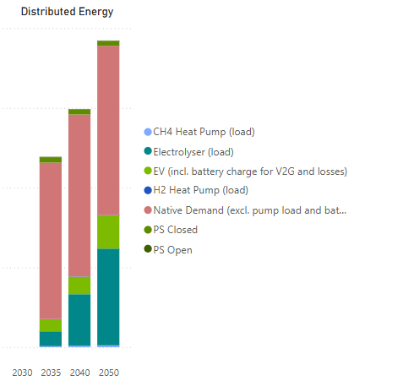
 |  |  |  |  |  |  |  |  |  |  |  | 2035 | 2040 | 2050 | 2023
 |  |  |  |  |  |  |  |  |  | Battery storage charge (load) |  | 0 | 0 | 0
 |  |  |  |  |  |  |  |  |  | CH4 Heat Pump (load) |  | 1.24 | 1.79 | 2.29
 |  |  |  |  |  |  |  |  |  | Electrolyser (load) |  | 18.57 | 64.62 | 121.31
 |  |  |  |  |  |  |  |  |  | EV (incl, battery charge for V2G + losses) |  | 15.03 | 21.84 | 41.5
 |  |  |  |  |  |  |  |  |  | H2 Heat Pump (load) |  | 0.34 | 0.42 | 0.59
 |  |  |  |  |  |  |  |  |  | Native demand (excl. pump load and battery charge) |  | 196.3 | 203.17 | 212.34
 |  |  |  |  |  |  |  |  |  | PS Closed |  | 6.65 | 6.08 | 5.84
 |  |  |  |  |  |  |  |  |  | PS Open |  | 0.62 | 0.61 | 0.6
 |  |  |  |  |  |  |  |  |  | Sum [TWh] |  | 238.75 | 298.53 | 384.47 | 166.08
 |  |  |  |  |  |  |  |  |  |  | [GJ] | 859.5 | 1074.708 | 1384.092 | 597.888
 |  |  |  |  |  |  |  |  |  |  |  | 238.75 | 298.53 | 384.47
 |  |  |  |  |  |  |  |  |  |  |  | 220.18 | 233.91 | 263.16

