Instructions
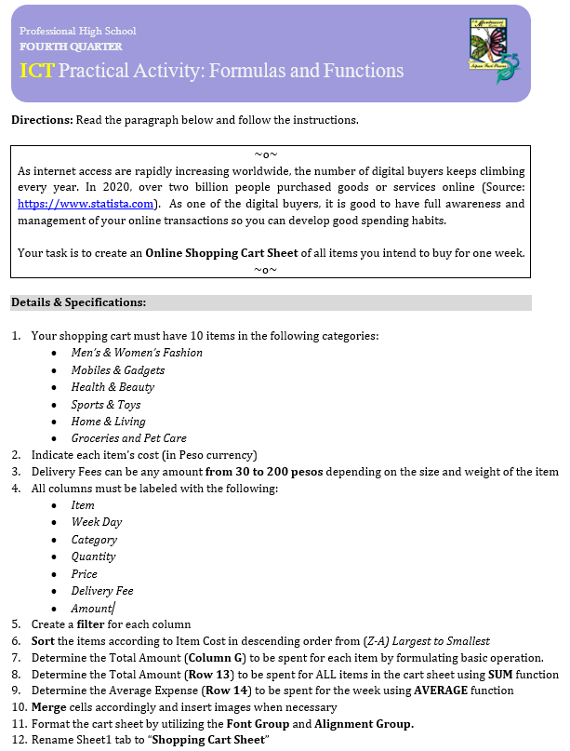
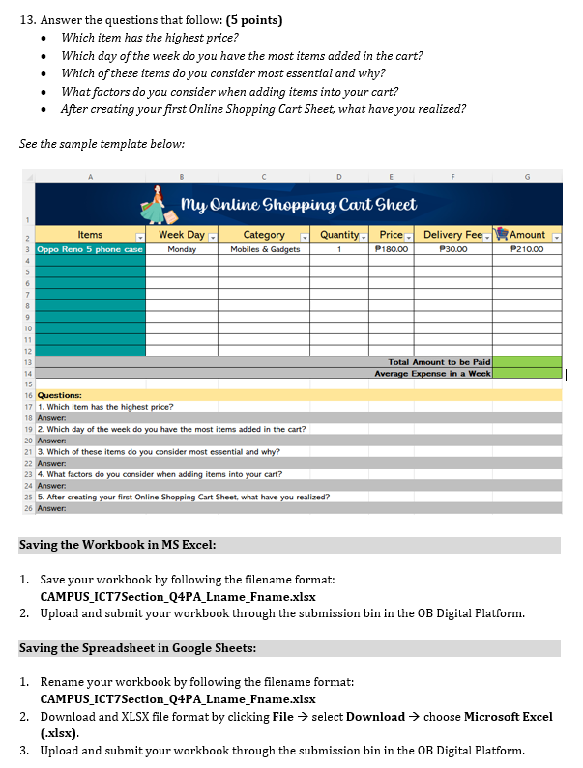

Shopping Cart Sheet
My Online Shopping Cart Sheet
Items | Week Day | Category | Quantity | Price | Delivery Fee | Amount
Demon Slayer Lego Bricks | Monday | Toys | 1 | ₱319.00 | ₱40.00 | ₱359.00
Glutathione Capsule | Thursday | Beauty | 1 | ₱299 | 80 | ₱379
Collagen Lotion | Sunday | Health | 1 | 260 | 38 | 298
Polo for Men Stripes | Tuesday | Men's Fashion | 1 | 180 | 38 | 218
Landscape Painting | Saturday | Home & Living | 1 | 175 | 249 | 424
Ciao Cat Treats | Wednesday | Pet Care | 1 | 95 | 38 | 133
Huawei Band 6 | Monday | Mobiles & Gadgets | 1 | ₱88 | 40 | ₱128
Nightwear Short Sleeve Set | Saturday | Women's Fashion | 1 | 85 | 38 | 123
Toblerone Switzerland | Thursday | Groceries | 1 | ₱65 | 38 | ₱103
Adjustable Jump Rope | Saturday | Sports | 1 | ₱33.00 | 38 | ₱72.00
Total Amount to be Paid |  |  |  |  |  | ₱2,237.00
Average Expense in a Week |  |  |  |  |  | ₱159.90

Questions:
1. Which item has the highest price? |  | Demon Slayer Lego Bricks
Answer:
2. Which day of the week do you have the most items added in the cart? |  |  | Saturday
Answer:
3. Which of these items do you consider most essential and why? Groceries. Because I think it should be the first priority over everything.
Answer:
4. What factors do you consider when adding items into your cart? |  |  | Definitely how much it is.
Answer:
5. After creating your first Online Shopping Cart Sheet, what have you realized? |  |  | That online shopping is a lot more nervewracking than I thought it was.
Answer:

