Table 1
News Release |  |  |  |  |  |  |  |  |  |  |  |  |  |  | Connect with DOL at https://blog.dol.gov

TRANSMISSION OF MATERIALS IN THIS RELEASE IS EMBARGOED UNTIL 8:30 A.M. (Eastern) Thursday, April 16, 2020
COVID-19 Impact The COVID-19 virus continues to impact the number of initial claims and insured unemployment.
UNEMPLOYMENT INSURANCE WEEKLY CLAIMS
SEASONALLY ADJUSTED DATA
In the week ending April 11, the advance figure for seasonally adjusted initial claims was 5,245,000, a decrease of 1,370,000 from the previous week's revised level. The previous week's level was revised up by 9,000 from 6,606,000 to 6,615,000. The 4-week moving average was 5,508,500, an increase of 1,240,750 from the previous week's revised average. The previous week's average was revised up by 2,250 from 4,265,500 to 4,267,750.
The advance seasonally adjusted insured unemployment rate was 8.2 percent for the week ending April 4, an increase of 3.1 percentage points from the previous week's unrevised rate. This marks the highest level of the seasonally adjusted insured unemployment rate in the history of the seasonally adjusted series. The previous high was 7.0 percent in May of 1975.
The advance number for seasonally adjusted insured unemployment during the week ending April 4 was 11,976,000, an increase of 4,530,000 from the previous week's revised level. This marks the highest level of seasonally adjusted insured unemployment in the history of the seasonally adjusted series. The previous week's level was revised down by 9,000 from 7,455,000 to 7,446,000. The 4-week moving average was 6,066,250, an increase of 2,568,500 from the previous week's revised average. The previous week's average was revised down by 2,250 from 3,500,000 to 3,497,750.
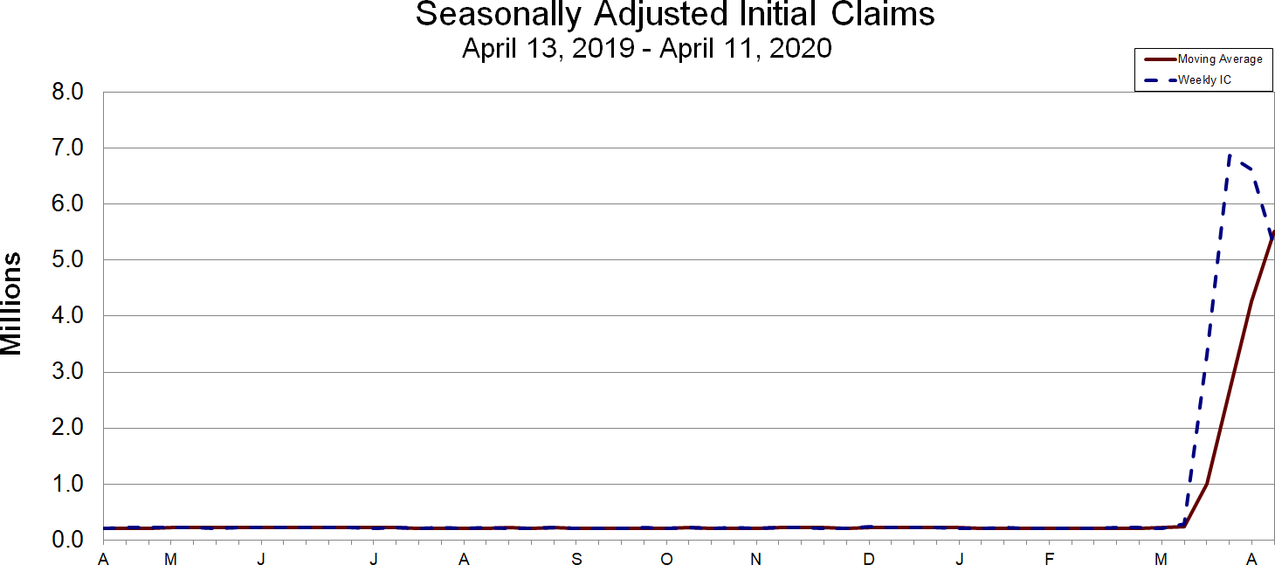
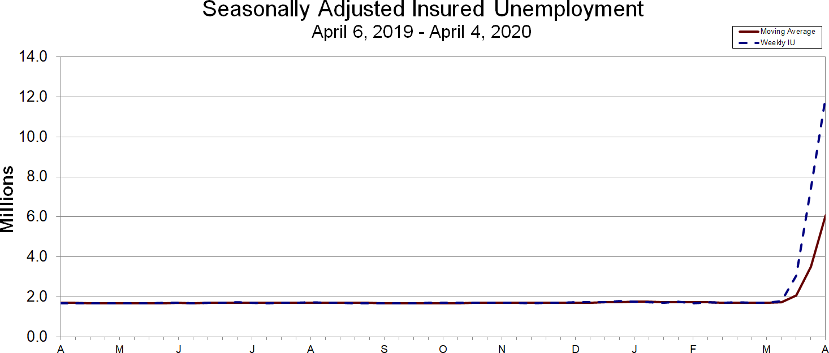
UNADJUSTED DATA
The advance number of actual initial claims under state programs, unadjusted, totaled 4,971,823 in the week ending April 11, a decrease of 1,239,576 (or -20.0 percent) from the previous week. The seasonal factors had expected an increase of 59,534 (or 1.0 percent) from the previous week. There were 196,364 initial claims in the comparable week in 2019.
The advance unadjusted insured unemployment rate was 8.6 percent during the week ending April 4, an increase of 3.0 percentage points from the prior week. The advance unadjusted number for persons claiming UI benefits in state programs totaled 12,526,711, an increase of 4,358,440 (or 53.4 percent) from the preceding week. The seasonal factors had expected a decrease of 379,746 (or -4.6 percent) from the previous week. A year earlier the rate was 1.2 percent and the volume was 1,730,108.
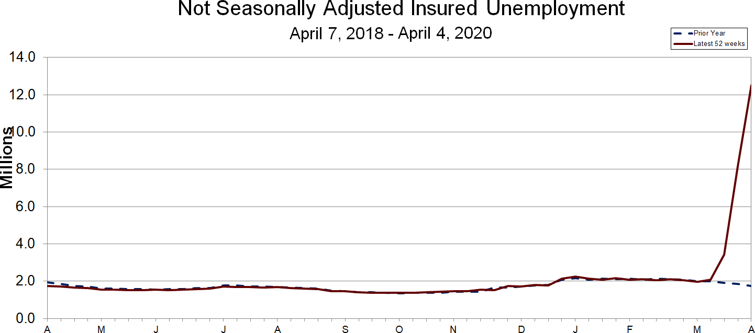
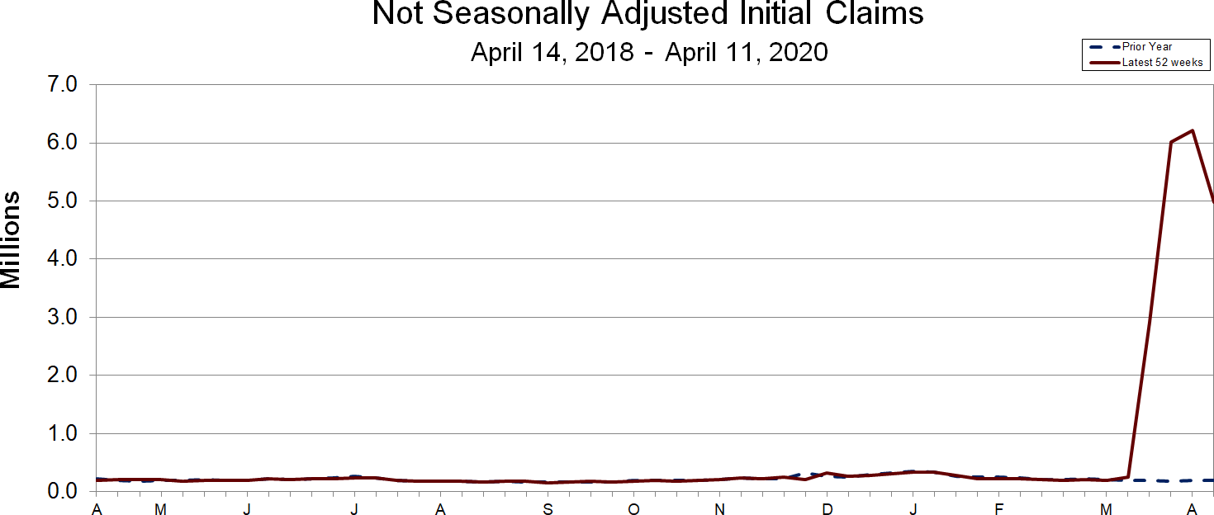
The total number of people claiming benefits in all programs for the week ending March 28 was 8,206,806, an increase of 4,759,027 from the previous week. There were 1,890,578 persons claiming benefits in all programs in the comparable week in 2019.
No state was triggered "on" the Extended Benefits program during the week ending March 28.
Initial claims for UI benefits filed by former Federal civilian employees totaled 3,395 in the week ending April 4, an increase of 944 from the prior week. There were 2,044 initial claims filed by newly discharged veterans, an increase of 292 from the preceding week.
There were 11,008 former Federal civilian employees claiming UI benefits for the week ending March 28, an increase of 1,630 from the previous week. Newly discharged veterans claiming benefits totaled 6,328, an increase of 849 from the prior week.
The highest insured unemployment rates in the week ending March 28 were in Rhode Island (11.9), Pennsylvania (9.8), Nevada (9.6), Washington (9.3), Connecticut (8.9), Massachusetts (8.7), Minnesota (8.7), Michigan (8.5), Ohio (8.4), and Georgia (8.2).
The largest increases in initial claims for the week ending April 4 were in Georgia (+256,312), Michigan (+84,219), Arizona (+43,488), Texas (+38,982), and Virginia (+34,872), while the largest decreases were in California (-139,511), Pennsylvania (-127,037), Florida (-58,599), Ohio (-48,097), and Massachusetts (-41,776).
UNEMPLOYMENT INSURANCE DATA FOR REGULAR STATE PROGRAMS
WEEK ENDING |  |  |  | April 11 |  |  |  |  |  | April 4 |  | Change |  |  |  |  | March 28 |  |  | Prior Year1
Initial Claims (SA) |  |  |  | 5,245,000 |  |  |  |  |  | 6,615,000 |  | -1,370,000 |  |  |  |  | 6,867,000 |  |  | 203,000
Initial Claims (NSA) |  |  |  | 4,971,823 |  |  |  |  |  | 6,211,399 |  | -1,239,576 |  |  |  |  | 6,015,821 |  |  | 196,364
4-Wk Moving Average (SA) |  |  |  | 5,508,500 |  |  |  |  |  | 4,267,750 |  | +1,240,750 |  |  |  |  | 2,666,750 |  |  | 208,000
WEEK ENDING |  |  |  | April 4 |  |  |  |  |  | March 28 |  | Change |  |  |  |  | March 21 |  |  | Prior Year1
Insured Unemployment (SA) |  |  |  | 11,976,000 |  |  |  |  |  | 7,446,000 |  | +4,530,000 |  |  |  |  | 3,059,000 |  |  | 1,667,000
Insured Unemployment (NSA) |  |  |  | 12,526,711 |  |  |  |  |  | 8,168,271 |  | +4,358,440 |  |  |  |  | 3,416,645 |  |  | 1,730,108
4-Wk Moving Average (SA) |  |  |  | 6,066,250 |  |  |  |  |  | 3,497,750 |  | +2,568,500 |  |  |  |  | 2,061,000 |  |  | 1,705,750
Insured Unemployment Rate (SA)2 |  |  |  | 8.2% |  |  |  |  |  | 5.1% |  | +3.1 |  |  |  |  | 2.1% |  |  | 1.2%
Insured Unemployment Rate (NSA)2 |  |  |  | 8.6% |  |  |  |  |  | 5.6% |  | +3.0 |  |  |  |  | 2.4% |  |  | 1.2%

INITIAL CLAIMS FILED IN FEDERAL PROGRAMS (UNADJUSTED)
WEEK ENDING |  |  |  | April 4 |  |  |  |  |  | March 28 |  |  | Change |  |  |  |  |  | Prior Year1
Federal Employees (UCFE) |  |  |  | 3,395 |  |  |  |  |  | 2,451 |  |  | +944 |  |  |  |  |  | 552
Newly Discharged Veterans (UCX) |  |  |  | 2,044 |  |  |  |  |  | 1,752 |  |  | +292 |  |  |  |  |  | 553

PERSONS CLAIMING UI BENEFITS IN ALL PROGRAMS (UNADJUSTED)
WEEK ENDING |  |  |  | March 28 |  |  |  |  |  | March 21 |  |  | Change |  |  |  |  |  | Prior Year1
Regular State |  |  |  | 8,157,940 |  |  |  |  |  | 3,411,021 |  |  | +4,746,919 |  |  |  |  |  | 1,859,082
Federal Employees |  |  |  | 11,008 |  |  |  |  |  | 9,378 |  |  | +1,630 |  |  |  |  |  | 10,434
Newly Discharged Veterans |  |  |  | 6,328 |  |  |  |  |  | 5,479 |  |  | +849 |  |  |  |  |  | 5,879
Extended Benefits3 |  |  |  | 0 |  |  |  |  |  | 0 |  |  | 0 |  |  |  |  |  | 0
State Additional Benefits4 |  |  |  | 5,657 |  |  |  |  |  | 5,449 |  |  | +208 |  |  |  |  |  | 6,117
STC / Workshare 5 |  |  |  | 25,873 |  |  |  |  |  | 16,452 |  |  | +9,421 |  |  |  |  |  | 9,066
TOTAL |  |  |  | 8,206,806 |  |  |  |  |  | 3,447,779 |  |  | +4,759,027 |  |  |  |  |  | 1,890,578
FOOTNOTES SA - Seasonally Adjusted Data, NSA - Not Seasonally Adjusted Data
1. Prior year is comparable to most recent data. 2. Most recent week used covered employment of 145,671,710 as denominator. 3. Information on the EB program can be found here: EB Program information 4. Some states maintain additional benefit programs for those claimants who exhaust regular benefits, and when applicable, extended benefits. Information on states that participate, and the extent of benefits paid, can be found starting on page 4-4 of this link: Extensions and Special Programs PDF 5. Information on STC/Worksharing can be found starting on page 4-8 of the following link: Extensions and Special Programs PDF
Advance State Claims - Not Seasonally Adjusted

Initial Claims Filed During Week Ended April 11 Insured Unemployment For Week Ended April 4
STATE |  |  | Advance | Prior Wk |  |  | Change |  |  | Advance |  |  |  |  |  | Prior Wk |  |  | Change
Alabama* |  |  | 91,079 | 106,739 |  |  | -15,660 |  |  | 50,726 |  |  |  |  |  | 52,176 |  |  | -1,450
Alaska |  |  | 12,752 | 14,590 |  |  | -1,838 |  |  | 35,141 |  |  |  |  |  | 19,845 |  |  | 15,296
Arizona |  |  | 97,784 | 132,428 |  |  | -34,644 |  |  | 116,782 |  |  |  |  |  | 62,597 |  |  | 54,185
Arkansas |  |  | 34,635 | 62,086 |  |  | -27,451 |  |  | 64,356 |  |  |  |  |  | 36,499 |  |  | 27,857
California |  |  | 660,966 | 918,814 |  |  | -257,848 |  |  | 1,440,181 |  |  |  |  |  | 1,076,761 |  |  | 363,420
Colorado |  |  | 105,073 | 46,326 |  |  | 58,747 |  |  | 166,170 |  |  |  |  |  | 73,584 |  |  | 92,586
Connecticut |  |  | 33,962 | 33,464 |  |  | 498 |  |  | 191,593 |  |  |  |  |  | 147,939 |  |  | 43,654
Delaware |  |  | 13,272 | 18,851 |  |  | -5,579 |  |  | 36,134 |  |  |  |  |  | 19,442 |  |  | 16,692
District of Columbia |  |  | 9,904 | 15,329 |  |  | -5,425 |  |  | 40,440 |  |  |  |  |  | 31,385 |  |  | 9,055
Florida |  |  | 181,293 | 169,885 |  |  | 11,408 |  |  | 339,150 |  |  |  |  |  | 98,921 |  |  | 240,229
Georgia |  |  | 317,526 | 390,132 |  |  | -72,606 |  |  | 594,028 |  |  |  |  |  | 360,077 |  |  | 233,951
Hawaii |  |  | 34,693 | 53,101 |  |  | -18,408 |  |  | 48,473 |  |  |  |  |  | 32,123 |  |  | 16,350
Idaho |  |  | 17,817 | 30,904 |  |  | -13,087 |  |  | 58,338 |  |  |  |  |  | 35,915 |  |  | 22,423
Illinois |  |  | 141,049 | 201,041 |  |  | -59,992 |  |  | 453,946 |  |  |  |  |  | 263,057 |  |  | 190,889
Indiana |  |  | 118,184 | 127,010 |  |  | -8,826 |  |  | 152,605 |  |  |  |  |  | 71,737 |  |  | 80,868
Iowa |  |  | 46,356 | 64,194 |  |  | -17,838 |  |  | 128,819 |  |  |  |  |  | 91,631 |  |  | 37,188
Kansas |  |  | 30,769 | 49,306 |  |  | -18,537 |  |  | 79,016 |  |  |  |  |  | 51,425 |  |  | 27,591
Kentucky |  |  | 115,763 | 117,575 |  |  | -1,812 |  |  | 181,130 |  |  |  |  |  | 130,151 |  |  | 50,979
Louisiana |  |  | 80,045 | 100,621 |  |  | -20,576 |  |  | 213,338 |  |  |  |  |  | 116,690 |  |  | 96,648
Maine |  |  | 13,273 | 30,910 |  |  | -17,637 |  |  | 55,033 |  |  |  |  |  | 41,339 |  |  | 13,694
Maryland |  |  | 60,823 | 109,489 |  |  | -48,666 |  |  | 159,533 |  |  |  |  |  | 92,082 |  |  | 67,451
Massachusetts |  |  | 103,040 | 139,647 |  |  | -36,607 |  |  | 358,758 |  |  |  |  |  | 310,211 |  |  | 48,547
Michigan |  |  | 219,320 | 388,554 |  |  | -169,234 |  |  | 744,654 |  |  |  |  |  | 366,426 |  |  | 378,228
Minnesota |  |  | 89,634 | 110,260 |  |  | -20,626 |  |  | 346,689 |  |  |  |  |  | 248,023 |  |  | 98,666
Mississippi |  |  | 46,160 | 45,852 |  |  | 308 |  |  | 59,413 |  |  |  |  |  | 29,373 |  |  | 30,040
Missouri |  |  | 95,785 | 91,458 |  |  | 4,327 |  |  | 177,479 |  |  |  |  |  | 121,467 |  |  | 56,012
Montana |  |  | 13,437 | 21,244 |  |  | -7,807 |  |  | 54,137 |  |  |  |  |  | 36,819 |  |  | 17,318
Nebraska |  |  | 16,391 | 27,054 |  |  | -10,663 |  |  | 59,295 |  |  |  |  |  | 38,921 |  |  | 20,374
Nevada |  |  | 60,180 | 79,285 |  |  | -19,105 |  |  | 186,619 |  |  |  |  |  | 131,121 |  |  | 55,498
New Hampshire |  |  | 23,936 | 39,202 |  |  | -15266 |  |  | 81,312 |  |  |  |  |  | 52,166 |  |  | 29,146
New Jersey |  |  | 140,600 | 214,836 |  |  | -74,236 |  |  | 431,254 |  |  |  |  |  | 276,119 |  |  | 155,135
New Mexico |  |  | 19,494 | 26,132 |  |  | -6,638 |  |  | 64,651 |  |  |  |  |  | 44,829 |  |  | 19,822
New York |  |  | 395,949 | 344,451 |  |  | 51,498 |  |  | 1,126,867 |  |  |  |  |  | 712,544 |  |  | 414,323
North Carolina |  |  | 137,934 | 137,422 |  |  | 512 |  |  | 359,151 |  |  |  |  |  | 245,692 |  |  | 113,459
North Dakota |  |  | 10,378 | 15,125 |  |  | -4,747 |  |  | 26,628 |  |  |  |  |  | 16,036 |  |  | 10,592
Ohio |  |  | 157,218 | 226,191 |  |  | -68,973 |  |  | 618,679 |  |  |  |  |  | 450,061 |  |  | 168,618
Oklahoma |  |  | 48,977 | 60,534 |  |  | -11,557 |  |  | 87,512 |  |  |  |  |  | 55,029 |  |  | 32,483
Oregon |  |  | 50,930 | 62,788 |  |  | -11,858 |  |  | 269,538 |  |  |  |  |  | 118,729 |  |  | 150,809
Pennsylvania** |  |  | 238,357 | 277,640 |  |  | -39,283 |  |  | 621,798 |  |  |  |  |  | 566,464 |  |  | 55,334
Puerto Rico |  |  | 41,829 | 66,555 |  |  | -24,726 |  |  | 84,421 |  |  |  |  |  | 49,669 |  |  | 34,752
Rhode Island |  |  | 22,805 | 28,243 |  |  | -5,438 |  |  | 71,944 |  |  |  |  |  | 56,038 |  |  | 15,906
South Carolina |  |  | 87,686 | 86,573 |  |  | 1,113 |  |  | 125,376 |  |  |  |  |  | 75,521 |  |  | 49,855
South Dakota |  |  | 6,152 | 8,138 |  |  | -1986 |  |  | 4,453 |  |  |  |  |  | 7,568 |  |  | -3,115
Tennessee |  |  | 74,772 | 112,186 |  |  | -37,414 |  |  | 206,622 |  |  |  |  |  | 116,179 |  |  | 90,443
Texas |  |  | 273,567 | 315,167 |  |  | -41,600 |  |  | 635,516 |  |  |  |  |  | 374,656 |  |  | 260,860
Utah |  |  | 24,171 | 33,040 |  |  | -8,869 |  |  | 68,207 |  |  |  |  |  | 45,161 |  |  | 23,046
Vermont |  |  | 9,478 | 16,474 |  |  | -6,996 |  |  | 31,377 |  |  |  |  |  | 21,953 |  |  | 9,424
Virgin Islands |  |  | 3 | 72 |  |  | -69 |  |  | 782 |  |  |  |  |  | 658 |  |  | 124
Virginia |  |  | 106,723 | 147,369 |  |  | -40,646 |  |  | 237,367 |  |  |  |  |  | 133,184 |  |  | 104,183
Washington |  |  | 150,516 | 171,252 |  |  | -20,736 |  |  | 451,054 |  |  |  |  |  | 309,411 |  |  | 141,643
West Virginia |  |  | 14,595 | 14,494 |  |  | 101 |  |  | 53,993 |  |  |  |  |  | 36,690 |  |  | 17,303
Wisconsin |  |  | 69,884 | 104,823 |  |  | -34,939 |  |  | 263,863 |  |  |  |  |  | 208,387 |  |  | 55,476
Wyoming |  |  | 4,904 | 6,543 |  |  | -1,639 |  |  | 12,370 |  |  |  |  |  | 7,790 |  |  | 4,580
US Total |  |  | 4,971,823 | 6,211,399 |  |  | -1,239,576 |  |  | 12,526,711 |  |  |  |  |  | 8,168,271 |  |  | 4,358,440
Note: Advance claims are not directly comparable to claims reported in prior weeks. Advance claims are reported by the state liable for paying the unemployment compensation, whereas previous weeks reported claims reflect claimants by state of residence. In addition, claims reported as "workshare equivalent" in the previous week are added to the advance claims as a proxy for the current week's "workshare equivalent" activity.
*Denotes OUI estimate. **Denotes state estimate.
Seasonally Adjusted US Weekly UI Claims (in thousands)
Week Ending |  | Initial Claims |  | Change from Prior Week |  | 4-Week Average |  |  |  | Insured Unemployment |  |  | Change from Prior Week |  |  |  | 4-Week Average |  | IUR
April 6, 2019 |  | 203 |  | -8 |  | 212.00 |  |  |  | 1,667 |  |  | -38 |  |  |  | 1,705.75 |  | 1.2
April 13, 2019 |  | 203 |  | 0 |  | 208.00 |  |  |  | 1,659 |  |  | -8 |  |  |  | 1,687.50 |  | 1.2
April 20, 2019 |  | 226 |  | 23 |  | 210.75 |  |  |  | 1,682 |  |  | 23 |  |  |  | 1,678.25 |  | 1.2
April 27, 2019 |  | 230 |  | 4 |  | 215.50 |  |  |  | 1,684 |  |  | 2 |  |  |  | 1,673.00 |  | 1.2
May 4, 2019 |  | 225 |  | -5 |  | 221.00 |  |  |  | 1,678 |  |  | -6 |  |  |  | 1,675.75 |  | 1.2
May 11, 2019 |  | 217 |  | -8 |  | 224.50 |  |  |  | 1,683 |  |  | 5 |  |  |  | 1,681.75 |  | 1.2
May 18, 2019 |  | 213 |  | -4 |  | 221.25 |  |  |  | 1,675 |  |  | -8 |  |  |  | 1,680.00 |  | 1.2
May 25, 2019 |  | 218 |  | 5 |  | 218.25 |  |  |  | 1,695 |  |  | 20 |  |  |  | 1,682.75 |  | 1.2
June 1, 2019 |  | 220 |  | 2 |  | 217.00 |  |  |  | 1,700 |  |  | 5 |  |  |  | 1,688.25 |  | 1.2
June 8, 2019 |  | 220 |  | 0 |  | 217.75 |  |  |  | 1,677 |  |  | -23 |  |  |  | 1,686.75 |  | 1.2
June 15, 2019 |  | 219 |  | -1 |  | 219.25 |  |  |  | 1,692 |  |  | 15 |  |  |  | 1,691.00 |  | 1.2
June 22, 2019 |  | 224 |  | 5 |  | 220.75 |  |  |  | 1,699 |  |  | 7 |  |  |  | 1,692.00 |  | 1.2
June 29, 2019 |  | 222 |  | -2 |  | 221.25 |  |  |  | 1,717 |  |  | 18 |  |  |  | 1,696.25 |  | 1.2
July 6, 2019 |  | 211 |  | -11 |  | 219.00 |  |  |  | 1,694 |  |  | -23 |  |  |  | 1,700.50 |  | 1.2
July 13, 2019 |  | 217 |  | 6 |  | 218.50 |  |  |  | 1,682 |  |  | -12 |  |  |  | 1,698.00 |  | 1.2
July 20, 2019 |  | 211 |  | -6 |  | 215.25 |  |  |  | 1,699 |  |  | 17 |  |  |  | 1,698.00 |  | 1.2
July 27, 2019 |  | 216 |  | 5 |  | 213.75 |  |  |  | 1,692 |  |  | -7 |  |  |  | 1,691.75 |  | 1.2
August 3, 2019 |  | 214 |  | -2 |  | 214.50 |  |  |  | 1,719 |  |  | 27 |  |  |  | 1,698.00 |  | 1.2
August 10, 2019 |  | 218 |  | 4 |  | 214.75 |  |  |  | 1,687 |  |  | -32 |  |  |  | 1,699.25 |  | 1.2
August 17, 2019 |  | 215 |  | -3 |  | 215.75 |  |  |  | 1,699 |  |  | 12 |  |  |  | 1,699.25 |  | 1.2
August 24, 2019 |  | 215 |  | 0 |  | 215.50 |  |  |  | 1,683 |  |  | -16 |  |  |  | 1,697.00 |  | 1.2
August 31, 2019 |  | 219 |  | 4 |  | 216.75 |  |  |  | 1,683 |  |  | 0 |  |  |  | 1,688.00 |  | 1.2
September 7, 2019 |  | 208 |  | -11 |  | 214.25 |  |  |  | 1,675 |  |  | -8 |  |  |  | 1,685.00 |  | 1.2
September 14, 2019 |  | 211 |  | 3 |  | 213.25 |  |  |  | 1,672 |  |  | -3 |  |  |  | 1,678.25 |  | 1.2
September 21, 2019 |  | 215 |  | 4 |  | 213.25 |  |  |  | 1,667 |  |  | -5 |  |  |  | 1,674.25 |  | 1.2
September 28, 2019 |  | 218 |  | 3 |  | 213.00 |  |  |  | 1,698 |  |  | 31 |  |  |  | 1,678.00 |  | 1.2
October 5, 2019 |  | 212 |  | -6 |  | 214.00 |  |  |  | 1,689 |  |  | -9 |  |  |  | 1,681.50 |  | 1.2
October 12, 2019 |  | 218 |  | 6 |  | 215.75 |  |  |  | 1,691 |  |  | 2 |  |  |  | 1,686.25 |  | 1.2
October 19, 2019 |  | 213 |  | -5 |  | 215.25 |  |  |  | 1,700 |  |  | 9 |  |  |  | 1,694.50 |  | 1.2
October 26, 2019 |  | 217 |  | 4 |  | 215.00 |  |  |  | 1,695 |  |  | -5 |  |  |  | 1,693.75 |  | 1.2
November 2, 2019 |  | 212 |  | -5 |  | 215.00 |  |  |  | 1,702 |  |  | 7 |  |  |  | 1,697.00 |  | 1.2
November 9, 2019 |  | 222 |  | 10 |  | 216.00 |  |  |  | 1,697 |  |  | -5 |  |  |  | 1,698.50 |  | 1.2
November 16, 2019 |  | 223 |  | 1 |  | 218.50 |  |  |  | 1,665 |  |  | -32 |  |  |  | 1,689.75 |  | 1.2
November 23, 2019 |  | 211 |  | -12 |  | 217.00 |  |  |  | 1,697 |  |  | 32 |  |  |  | 1,690.25 |  | 1.2
November 30, 2019 |  | 206 |  | -5 |  | 215.50 |  |  |  | 1,700 |  |  | 3 |  |  |  | 1,689.75 |  | 1.2
December 7, 2019 |  | 237 |  | 31 |  | 219.25 |  |  |  | 1,725 |  |  | 25 |  |  |  | 1,696.75 |  | 1.2
December 14, 2019 |  | 229 |  | -8 |  | 220.75 |  |  |  | 1,716 |  |  | -9 |  |  |  | 1,709.50 |  | 1.2
December 21, 2019 |  | 218 |  | -11 |  | 222.50 |  |  |  | 1,728 |  |  | 12 |  |  |  | 1,717.25 |  | 1.2
December 28, 2019 |  | 220 |  | 2 |  | 226.00 |  |  |  | 1,775 |  |  | 47 |  |  |  | 1,736.00 |  | 1.2
January 4, 2020 |  | 212 |  | -8 |  | 219.75 |  |  |  | 1,759 |  |  | -16 |  |  |  | 1,744.50 |  | 1.2
January 11, 2020 |  | 207 |  | -5 |  | 214.25 |  |  |  | 1,735 |  |  | -24 |  |  |  | 1,749.25 |  | 1.2
January 18, 2020 |  | 220 |  | 13 |  | 214.75 |  |  |  | 1,704 |  |  | -31 |  |  |  | 1,743.25 |  | 1.2
January 25, 2020 |  | 212 |  | -8 |  | 212.75 |  |  |  | 1,753 |  |  | 49 |  |  |  | 1,737.75 |  | 1.2
February 1, 2020 |  | 201 |  | -11 |  | 210.00 |  |  |  | 1,678 |  |  | -75 |  |  |  | 1,717.50 |  | 1.2
February 8, 2020 |  | 204 |  | 3 |  | 209.25 |  |  |  | 1,729 |  |  | 51 |  |  |  | 1,716.00 |  | 1.2
February 15, 2020 |  | 215 |  | 11 |  | 208.00 |  |  |  | 1,693 |  |  | -36 |  |  |  | 1,713.25 |  | 1.2
February 22, 2020 |  | 220 |  | 5 |  | 210.00 |  |  |  | 1,720 |  |  | 27 |  |  |  | 1,705.00 |  | 1.2
February 29, 2020 |  | 217 |  | -3 |  | 214.00 |  |  |  | 1,699 |  |  | -21 |  |  |  | 1,710.25 |  | 1.2
March 7, 2020 |  | 211 |  | -6 |  | 215.75 |  |  |  | 1,702 |  |  | 3 |  |  |  | 1,703.50 |  | 1.2
March 14, 2020 |  | 282 |  | 71 |  | 232.50 |  |  |  | 1,784 |  |  | 82 |  |  |  | 1,726.25 |  | 1.2
March 21, 2020 |  | 3,307 |  | 3,025 |  | 1,004.25 |  |  |  | 3,059 |  |  | 1,275 |  |  |  | 2,061.00 |  | 2.1
March 28, 2020 |  | 6,867 |  | 3,560 |  | 2,666.75 |  |  |  | 7,446 |  |  | 4,387 |  |  |  | 3,497.75 |  | 5.1
April 4, 2020 |  | 6,615 |  | -252 |  | 4,267.75 |  |  |  | 11,976 |  |  | 4,530 |  |  |  | 6,066.25 |  | 8.2
April 11, 2020 |  | 5,245 |  | -1,370 |  | 5,508.50
INITIAL CLAIMS FILED DURING WEEK ENDED APRIL 4 |  |  |  |  |  |  |  |  |  |  | INSURED UNEMPLOYMENT FOR WEEK ENDED MARCH 28
CHANGE FROM CHANGE FROM ALL PROGRAMS EXCLUDING
STATE NAME |  |  | STATE | LAST WEEK | YEAR AGO |  |  | UCFE 1 | UCX 1 | STATE |  | (%) 2 |  | LAST WEEK |  | YEAR AGO |  | UCFE 1 | UCX 1 | RAILROAD RETIREMENT
Alabama |  |  | 106739 | 25755 | 103848 |  |  | 86 | 36 | 52176 |  | 2.7 |  | 34093 |  | 37595 |  | 52 | 36 | 52264
Alaska |  |  | 14590 | 816 | 13699 |  |  | 5 | 0 | 19845 |  | 6.5 |  | 8672 |  | 11262 |  | 112 | 19 | 19976
Arizona |  |  | 132428 | 43488 | 127399 |  |  | 24 | 24 | 62597 |  | 2.2 |  | 36210 |  | 43842 |  | 194 | 49 | 62840
Arkansas |  |  | 62086 | 34330 | 59836 |  |  | 6 | 3 | 36499 |  | 3.1 |  | 20351 |  | 26711 |  | 65 | 37 | 36601
California |  |  | 918814 | -139511 | 882587 |  |  | 149 | 72 | 1076761 |  | 6.2 |  | 676196 |  | 702938 |  | 2101 | 1031 | 1079893
Colorado |  |  | 46326 | -15512 | 44423 |  |  | 26 | 30 | 73584 |  | 2.8 |  | 51628 |  | 52849 |  | 258 | 158 | 74000
Connecticut |  |  | 33464 | 237 | 31135 |  |  | 7 | 3 | 147939 |  | 8.9 |  | 67078 |  | 111847 |  | 56 | 61 | 148056
Delaware |  |  | 18851 | -286 | 18381 |  |  | 6 | 6 | 19442 |  | 4.4 |  | 7936 |  | 14627 |  | 8 | 10 | 19460
District of Columbia |  |  | 15329 | -540 | 14890 |  |  | 160 | 1 | 31385 |  | 5.4 |  | 13724 |  | 24632 |  | 269 | 5 | 31659
Florida |  |  | 169885 | -58599 | 163483 |  |  | 100 | 94 | 98921 |  | 1.1 |  | 63845 |  | 65668 |  | 120 | 77 | 99118
Georgia |  |  | 390132 | 256312 | 385490 |  |  | 73 | 29 | 360077 |  | 8.2 |  | 252200 |  | 337057 |  | 242 | 161 | 360480
Hawaii |  |  | 53101 | 4505 | 51816 |  |  | 2 | 8 | 32123 |  | 5.2 |  | 21141 |  | 25499 |  | 79 | 58 | 32260
Idaho |  |  | 30904 | -2037 | 29987 |  |  | 17 | 8 | 35915 |  | 4.9 |  | 20392 |  | 28488 |  | 180 | 25 | 36120
Illinois |  |  | 201041 | 22620 | 192165 |  |  | 22 | 13 | 263057 |  | 4.5 |  | 130943 |  | 143900 |  | 326 | 138 | 263521
Indiana |  |  | 127010 | -12164 | 123972 |  |  | 21 | 28 | 71737 |  | 2.4 |  | 42750 |  | 52977 |  | 37 | 45 | 71819
Iowa |  |  | 64194 | 8228 | 62414 |  |  | 37 | 15 | 91631 |  | 6.0 |  | 37981 |  | 67992 |  | 70 | 35 | 91736
Kansas |  |  | 49306 | -5024 | 47949 |  |  | 3 | 1 | 51425 |  | 3.8 |  | 33867 |  | 42782 |  | 30 | 29 | 51484
Kentucky |  |  | 117575 | 4426 | 114801 |  |  | 3 | 2 | 130151 |  | 7.0 |  | 105790 |  | 112064 |  | 157 | 111 | 130419
Louisiana |  |  | 100621 | 3221 | 98965 |  |  | 60 | 34 | 116690 |  | 6.2 |  | 58663 |  | 103022 |  | 47 | 15 | 116752
Maine |  |  | 30910 | 7140 | 30171 |  |  | 1 | 1 | 41339 |  | 6.9 |  | 19372 |  | 33726 |  | 17 | 0 | 41356
Maryland |  |  | 109489 | 24172 | 107007 |  |  | 30 | 60 | 92082 |  | 3.6 |  | 44109 |  | 65523 |  | 186 | 87 | 92355
Massachusetts |  |  | 139647 | -41776 | 135351 |  |  | 62 | 48 | 310211 |  | 8.7 |  | 127106 |  | 239220 |  | 135 | 120 | 310466
Michigan |  |  | 388554 | 84219 | 381872 |  |  | 172 | 228 | 366426 |  | 8.5 |  | 278243 |  | 295060 |  | 212 | 102 | 366740
Minnesota |  |  | 110260 | 1165 | 107124 |  |  | 24 | 22 | 248023 |  | 8.7 |  | 87150 |  | 193462 |  | 131 | 74 | 248228
Mississippi |  |  | 45852 | 13837 | 44903 |  |  | 10 | 5 | 29373 |  | 2.6 |  | 19792 |  | 22697 |  | 63 | 30 | 29466
Missouri |  |  | 91458 | -12833 | 88819 |  |  | 16 | 5 | 121467 |  | 4.4 |  | 71997 |  | 100900 |  | 100 | 45 | 121612
Montana |  |  | 21244 | 481 | 20505 |  |  | 56 | 15 | 36819 |  | 8.1 |  | 17720 |  | 27391 |  | 423 | 33 | 37275
Nebraska |  |  | 27054 | 2329 | 26465 |  |  | 18 | 7 | 38921 |  | 4.0 |  | 22280 |  | 33843 |  | 26 | 7 | 38954
Nevada |  |  | 79285 | 7343 | 77277 |  |  | 9 | 7 | 131121 |  | 9.6 |  | 72323 |  | 112823 |  | 177 | 43 | 131341
New Hampshire |  |  | 39202 | 7824 | 38705 |  |  | 18 | 8 | 52166 |  | 8.0 |  | 24845 |  | 48068 |  | 18 | 8 | 52192
New Jersey |  |  | 214836 | 8583 | 207129 |  |  | 66 | 9 | 276119 |  | 6.9 |  | 119938 |  | 180302 |  | 215 | 260 | 276594
New Mexico |  |  | 26132 | -1717 | 25258 |  |  | 5 | 5 | 44829 |  | 5.6 |  | 24742 |  | 35436 |  | 137 | 39 | 45005
New York |  |  | 344451 | -22144 | 331848 |  |  | 45 | 21 | 712544 |  | 7.6 |  | 397834 |  | 572533 |  | 347 | 329 | 713220
North Carolina |  |  | 137422 | -34723 | 134283 |  |  | 74 | 76 | 245692 |  | 5.6 |  | 170472 |  | 226263 |  | 181 | 204 | 246077
North Dakota |  |  | 15125 | 3307 | 14853 |  |  | 25 | 6 | 16036 |  | 3.9 |  | 7502 |  | 11023 |  | 11 | 9 | 16056
Ohio |  |  | 226191 | -48097 | 220180 |  |  | 29 | 154 | 450061 |  | 8.4 |  | 235788 |  | 390471 |  | 146 | 264 | 450471
Oklahoma |  |  | 60534 | 12790 | 58510 |  |  | 56 | 36 | 55029 |  | 3.5 |  | 29761 |  | 41382 |  | 63 | 54 | 55146
Oregon |  |  | 62788 | 15290 | 58320 |  |  | 22 | 12 | 118729 |  | 6.2 |  | 54799 |  | 88693 |  | 515 | 70 | 119314
Pennsylvania |  |  | 277640 | -127037 | 266513 |  |  | 1326 | 404 | 566464 |  | 9.8 |  | 430756 |  | 449333 |  | 1518 | 357 | 568339
Puerto Rico |  |  | 66555 | 21161 | 65392 |  |  | 15 | 12 | 49669 |  | 5.8 |  | 30439 |  | 34145 |  | 139 | 83 | 49891
Rhode Island |  |  | 28243 | 443 | 27574 |  |  | 4 | 4 | 56038 |  | 11.9 |  | 24191 |  | 45926 |  | 21 | 6 | 56065
South Carolina |  |  | 86573 | 20098 | 84464 |  |  | 32 | 28 | 75521 |  | 3.6 |  | 45180 |  | 61482 |  | 34 | 62 | 75617
South Dakota |  |  | 8138 | 1337 | 7995 |  |  | 11 | 3 | 7568 |  | 1.8 |  | 4030 |  | 4902 |  | 45 | 3 | 7616
Tennessee |  |  | 112186 | 19686 | 107868 |  |  | 84 | 51 | 116179 |  | 3.9 |  | 78638 |  | 99398 |  | 99 | 70 | 116348
Texas |  |  | 315167 | 38982 | 302074 |  |  | 222 | 252 | 374656 |  | 3.1 |  | 229959 |  | 262942 |  | 578 | 975 | 376209
Utah |  |  | 33040 | 4508 | 32014 |  |  | 31 | 11 | 45161 |  | 3.1 |  | 20526 |  | 36161 |  | 164 | 23 | 45348
Vermont |  |  | 16474 | 1841 | 15955 |  |  | 1 | 0 | 21953 |  | 7.2 |  | 8156 |  | 17278 |  | 8 | 3 | 21964
Virgin Islands |  |  | 72 | -178 | 35 |  |  | 0 | 0 | 658 |  | 1.9 |  | 146 |  | 294 |  | 0 | 0 | 658
Virginia |  |  | 147369 | 34872 | 145214 |  |  | 25 | 36 | 133184 |  | 3.6 |  | 91357 |  | 113294 |  | 200 | 226 | 133610
Washington |  |  | 171252 | -11597 | 164953 |  |  | 36 | 80 | 309411 |  | 9.3 |  | 151386 |  | 255787 |  | 477 | 548 | 310436
West Virginia |  |  | 14494 | -29 | 13816 |  |  | 5 | 10 | 36690 |  | 5.5 |  | 15545 |  | 25724 |  | 52 | 45 | 36787
Wisconsin |  |  | 104823 | -6111 | 99442 |  |  | 43 | 18 | 208387 |  | 7.3 |  | 108813 |  | 170083 |  | 103 | 41 | 208531
Wyoming |  |  | 6543 | 147 | 6199 |  |  | 15 | 3 | 7790 |  | 2.9 |  | 3271 |  | 5264 |  | 64 | 8 | 7862
Totals |  |  | 6211399 | 195578 | 6015328 |  |  | 3395 | 2044 | 8168271 |  | 5.6 |  | 4751626 |  | 6306581 |  | 11008 | 6328 | 8185607
Figures appearing in columns showing over-the-week changes reflect all revisions in data for prior week submitted by state agencies.
1. The Unemployment Compensation program for Federal Employees (UCFE) and the Unemployment Compensation for Ex-servicemembers (UCX) exclude claims filed jointly under other programs to avoid duplication. 2. Rate is not seasonally adjusted. The source of U.S. total covered employment is BLS.

UNADJUSTED INITIAL CLAIMS FOR WEEK ENDED April 4, 2020

STATES WITH AN INCREASE OF MORE THAN 1,000
State | Change | State Supplied Comment
GA MI | +256,312 +84,219 | Layoffs in the accommodation and food services, trade, health care and social assistance, administrative, support, waste management, and remediation services, and manufacturing industries. Layoffs in the accommodation and food services, retail trade, wholesale trade, and
AZ | +43,488 | administrative, support, waste management, and remediation services industries. No comment.
TX VA | +38,982 +34,872 | Layoffs in the mining, accommodation and food services, manufacturing, health care and social assistance, information, retail trade, administrative, support, waste management, and remediation services, other services, wholesale trade, and arts, entertainment, and recreation industries. Layoffs in the mining industry.
AR | +34,330 | No comment.
AL MD | +25,755 +24,172 | Layoffs in the retail trade, health care and social assistance, administrative, support, waste management, and remediation services, manufacturing, transportation and warehousing, and wholesale trade industries. Increase in initial claims due to COVID-19. No comment.
IL | +22,620 | Layoffs in the other services, wholesale trade, retail trade, and accommodation and food
PR | +21,161 | services industries. Increase in initial claims due to COVID-19.
SC | +20,098 | No comment.
TN OR | +19,686 +15,290 | Layoffs in the accommodation and food services, retail trade, health care and social assistance, other services, and administrative, support, waste management, and remediation services industries. Increase in initial claims due to COVID-19. Increase in initial claims due to COVID-19.
MS | +13,837 | No comment.
OK | +12,790 | No comment.
NJ | +8,583 | Layoffs in the accommodation and food services, health care and social assistance, and trade
IA | +8,228 | industries. Increase in initial claims due to COVID-19. Layoffs in the accommodation and food services, manufacturing, administrative, support,
NH | +7,824 | waste management, and remediation services, and construction industries. Increase in initial claims due to COVID-19. Increase in initial claims due to COVID-19.
NV | +7,343 | Increase in initial claims due to COVID-19.
ME UT | +7,140 +4,508 | Layoffs in the retail trade, health care and social assistance, accommodation and food services, manufacturing, educational services, other services, arts, entertainment, and recreation, administrative, support, waste management, and remediation services, construction, and professional, scientific, and technical services industries. Increase in initial claims due to COVID-19. No comment.
HI | +4,505 | Increase in initial claims due to COVID-19.
KY | +4,426 | No comment.
ND | +3,307 | Increase in initial claims due to COVID-19.
LA | +3,221 | No comment.
NE | +2,329 | No comment.
VT | +1,841 | Increase in initial claims due to COVID-19.
SD | +1,337 | Increase in initial claims due to COVID-19.
MN | +1,165 | Increase in initial claims due to COVID-19.
STATES WITH A DECREASE OF MORE THAN 1,000
State | Change | State Supplied Comment
CA | -139,511 | Fewer layoffs in the construction and manufacturing industries.
PA | -127,037 | Fewer layoffs in the transportation and warehousing, accommodation and food services, and
 |  | manufacturing industries.
FL | -58,599 | Fewer layoff in the agriculture, forestry, fishing, and hunting, construction, service, and
 |  | manufacturing industries.
OH | -48,097 | No comment.
MA | -41,776 | No comment.
NC | -34,723 | Fewer layoffs in the accommodation and food services, other services, and administrative,
 |  | support, waste management, and remediation services industries.
NY | -22,144 | Fewer layoffs in the accommodation and food services, manufacturing, and health care and
 |  | social assistance industries.
CO | -15,512 | No comment.
MO | -12,833 | Fewer layoffs in the manufacturing, accommodation and food services, and transportation and
 |  | warehousing industries.
IN | -12,164 | No comment.
WA | -11,597 | No comment.
WI | -6,111 | No comment.
KS | -5,024 | No comment.
ID | -2,037 | No comment.
NM | -1,717 | No comment.
TECHNICAL NOTES
This news release presents the weekly unemployment insurance (UI) claims reported by each state's unemployment insurance program offices. These claims may be used for monitoring workload volume, assessing state program operations and for assessing labor market conditions. States initially report claims directly taken by the state liable for the benefit payments, regardless of where the claimant who filed the claim resided. These are the basis for the advance initial claims and continued claims reported each week. These data come from ETA 538, Advance Weekly Initial and Continued Claims Report. The following week initial claims and continued claims are revised based on a second reporting by states that reflect the claimants by state of residence. These data come from the ETA 539, Weekly Claims and Extended Benefits Trigger Data Report.
A. Initial Claims
An initial claim is a claim filed by an unemployed individual after a separation from an employer. The claimant requests a determination of basic eligibility for the UI program. When an initial claim is filed with a state, certain programmatic activities take place and these result in activity counts including the count of initial claims. The count of U.S. initial claims for unemployment insurance is a leading economic indicator because it is an indication of emerging labor market conditions in the country. However, these are weekly administrative data which are difficult to seasonally adjust, making the series subject to some volatility.
B. Continued Weeks Claimed
A person who has already filed an initial claim and who has experienced a week of unemployment then files a continued claim to claim benefits for that week of unemployment. Continued claims are also referred to as insured unemployment. The count of U.S. continued weeks claimed is also a good indicator of labor market conditions. Continued claims reflect the current number of insured unemployed workers filing for UI benefits in the nation. While continued claims are not a leading indicator (they roughly coincide with economic cycles at their peaks and lag at cycle troughs), they provide confirming evidence of the direction of the U.S. economy.
C. Seasonal Adjustments and Annual Revisions
Over the course of a year, the weekly changes in the levels of initial claims and continued claims undergo regularly occurring fluctuations. These fluctuations may result from seasonal changes in weather, major holidays, the opening and closing of schools, or other similar events. Because these seasonal events follow a more or less regular pattern each year, their influence on the level of a series can be tempered by adjusting for regular seasonal variation. These adjustments make trend and cycle developments easier to spot. At the beginning of each calendar year, the Bureau of Labor Statistics provides the Employment and Training Administration (ETA) with a set of seasonal factors to apply to the unadjusted data during that year. Concurrent with the implementation and release of the new seasonal factors, ETA incorporates revisions to the UI claims historical series caused by updates to the unadjusted data.
Weekly Claims Archives Weekly Claims Data
U.S. Department of Labor news materials are accessible at http://www.dol.gov. The Department's Reasonable Accommodation Resource Center converts Departmental information and documents into alternative formats, which include Braille and large print. For alternative format requests, please contact the Department at (202) 693-7828 (voice) or (800) 877-8339 (federal relay).
U.S. Department of Labor Employment and Training Administration Washington, D.C. 20210 Release Number: USDL 20-632-NAT |  |  |  |  |  |  |  |  | Program Contacts: Kevin Stapleton: (202) 321-2810 Media Contact: (202) 693-4676

