LIST
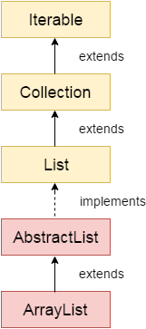
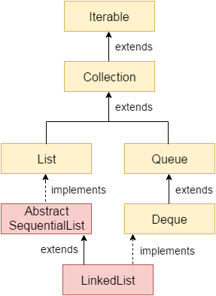
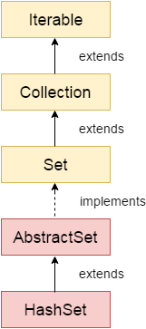
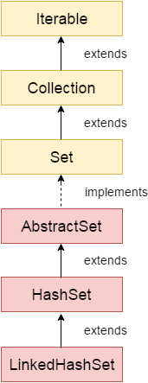
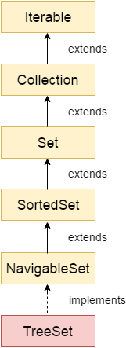
ArrayList | LinkedList | HashSet | LinkedHashSet | TreeSet
Can contain duplicate elements | Can contain duplicate elements | Not maintain order | Maintain insertion order | Maintains ascending order
Maintain Insertion order | Maintain Insertion order | Contains unique elements | Contains unique elements | Contains unique elements
Non Synchorized | Non Synchorized | Stores elements using hashing mechanism | permit null elements | Access and retrival fast
Manipulation is slow because a lot of shifting needs to be occurred if any elements is removed from the array list | Manipulation is fast because no shifting needs to be occurred | not permit null elements
Can act as list only because it implements List only | Can act as as list and queue because both of them implements List and Deque interfaces
Better for storing and accessing data | Better for manipulating data

QUEUE
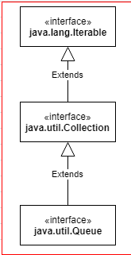
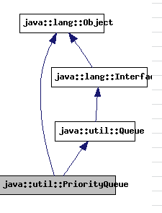
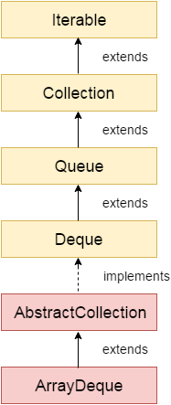
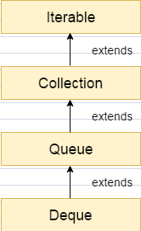
Queue | PriorityQueue | Deque | ArrayDeque
Can contain duplicate elements | Can contain duplicate elements | Linear collection that supports elemet insertion and removal at both ends | We can add or remove elements from both sides
Maintain FIFO [Firt in First our] order | Not maintain any order even it implements Queue | Deque is an acronym for "double ended queue" | Not permits null element
Non Synchronized | Non Synchronized |  | Non Synchronized
Permits null elements | Not permit null element |  | No capasity restriction
Queue<String> qu = new LinkedList(); | Queue<String> pq = new PriorityQueue(); |  | Faster than LinkedList and Stack

MAP
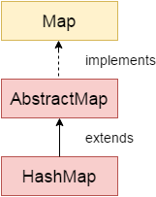
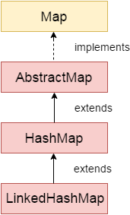
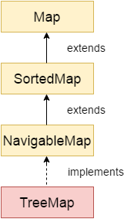
Map | HashMap | LinkedHashMap | TreeMap | HashTable
Can contain duplicate Data but key is unique | Can contain duplicate Data but key is unique | A LinkedHashMap contains values based on the key | A TreeMap contains values based on the key. It implements the NavigableMap interface and extends AbstractMap class | A Hashtable is an array of list. Each list is known as a bucket. The position of bucket is identified by calling the hashcode() method. A Hashtable contains values based on the key
Stored data as Key Value pair | Stored data as Key Value pair | Can contain duplicate Data but key is unique | It contains only unique elements. | Contain only unique elements
Order based on Key | No ordering | Insertion Order | It cannot have null key but can have multiple null values | Not have null key or value
Map is useful if you have to search, update or delete elements on the basis of key | permits one null key | permits one null key | It is same as HashMap instead maintains ascending order | It's Synchronized

ENUM
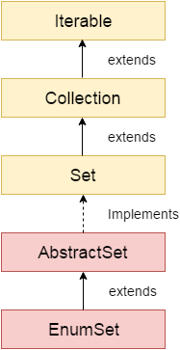
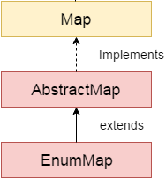
EnumSet | EnumMap
Use with Enum type | Use with Enum type
Inherit AbstractSet and implements Set interface | Java EnumMap class is the specialized Map implementation for enum keys. It inherits Enum and AbstractMap classes

