CK
 |  | First review |  |  | N
 |  | Include | Exclude |  | 63
Sencond review | Include | 36 | 8 | 44
 | Exclude | 3 | 16 | 19
 |  | 39 | 24 | 0
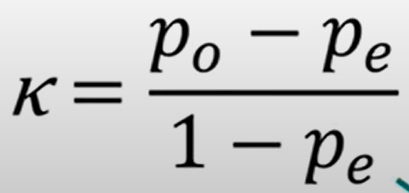
p0 | 0.83 |  |  |  |  | p0 = agree / N
pe | 0.55 |  |  |  |  | pe = includeA/N * includeB/N + excludeA/N * excludeB/N
k | 0.614 |  |  |  |  | https://www.youtube.com/watch?time_continue=384&v=z4CiQPV0Mgw&feature=emb_title

 |  |  |  |  |  | Introduction / context / motivation
 |  |  |  |  |  | What you did (protocol)
 |  |  |  |  |  | Results / Experience
 |  |  |  |  |  | K statistic / Conclusions

