Gráficos_KMeans
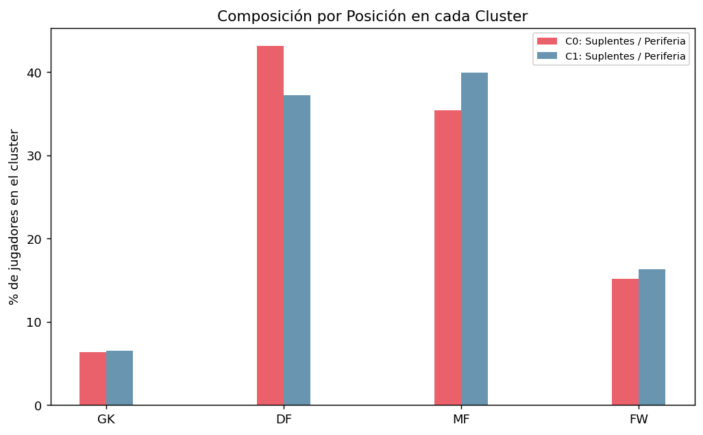
GRÁFICOS — K-MEANS CLUSTERING | G1: Elbow + Silhouette | G2: PCA 2D por Cluster
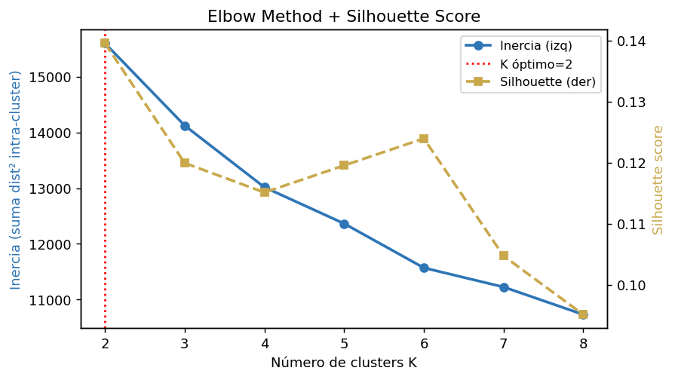
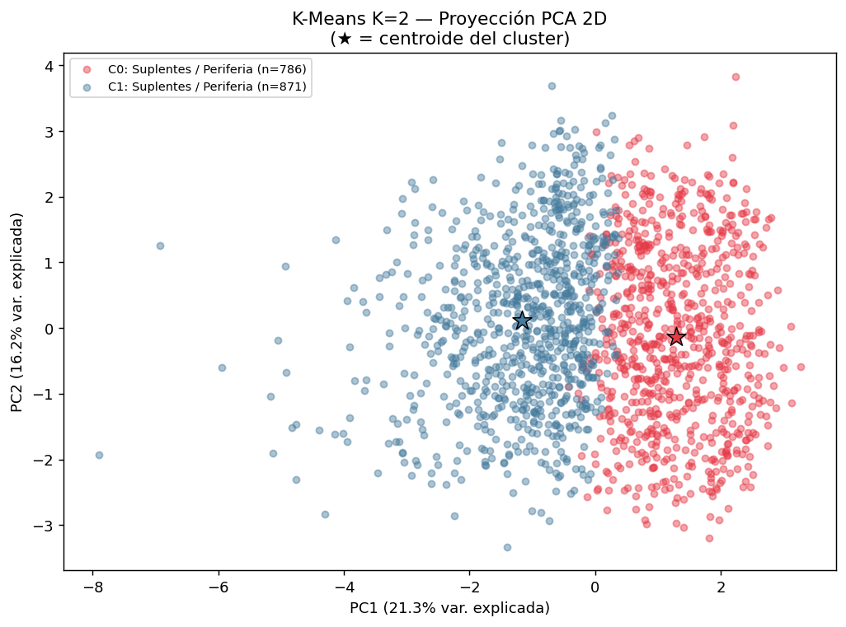

 | G3: MV por Cluster | G4: Heatmap Centroides
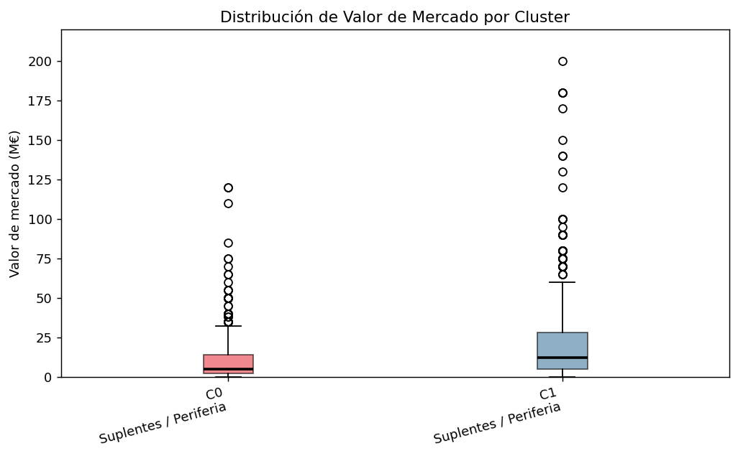
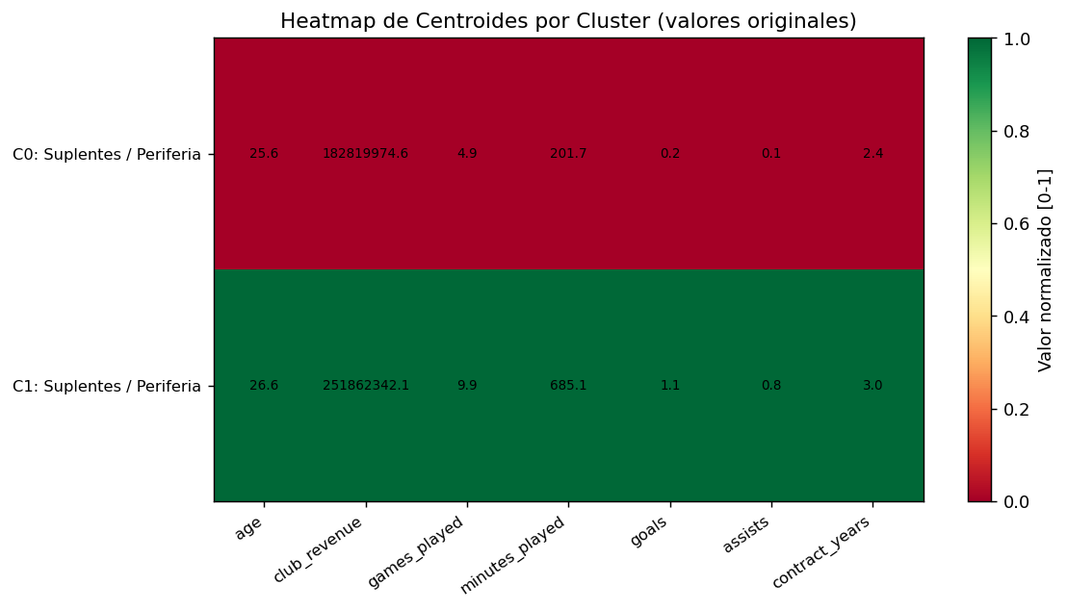

 | G5: Posiciones por Cluster

