Hoja2
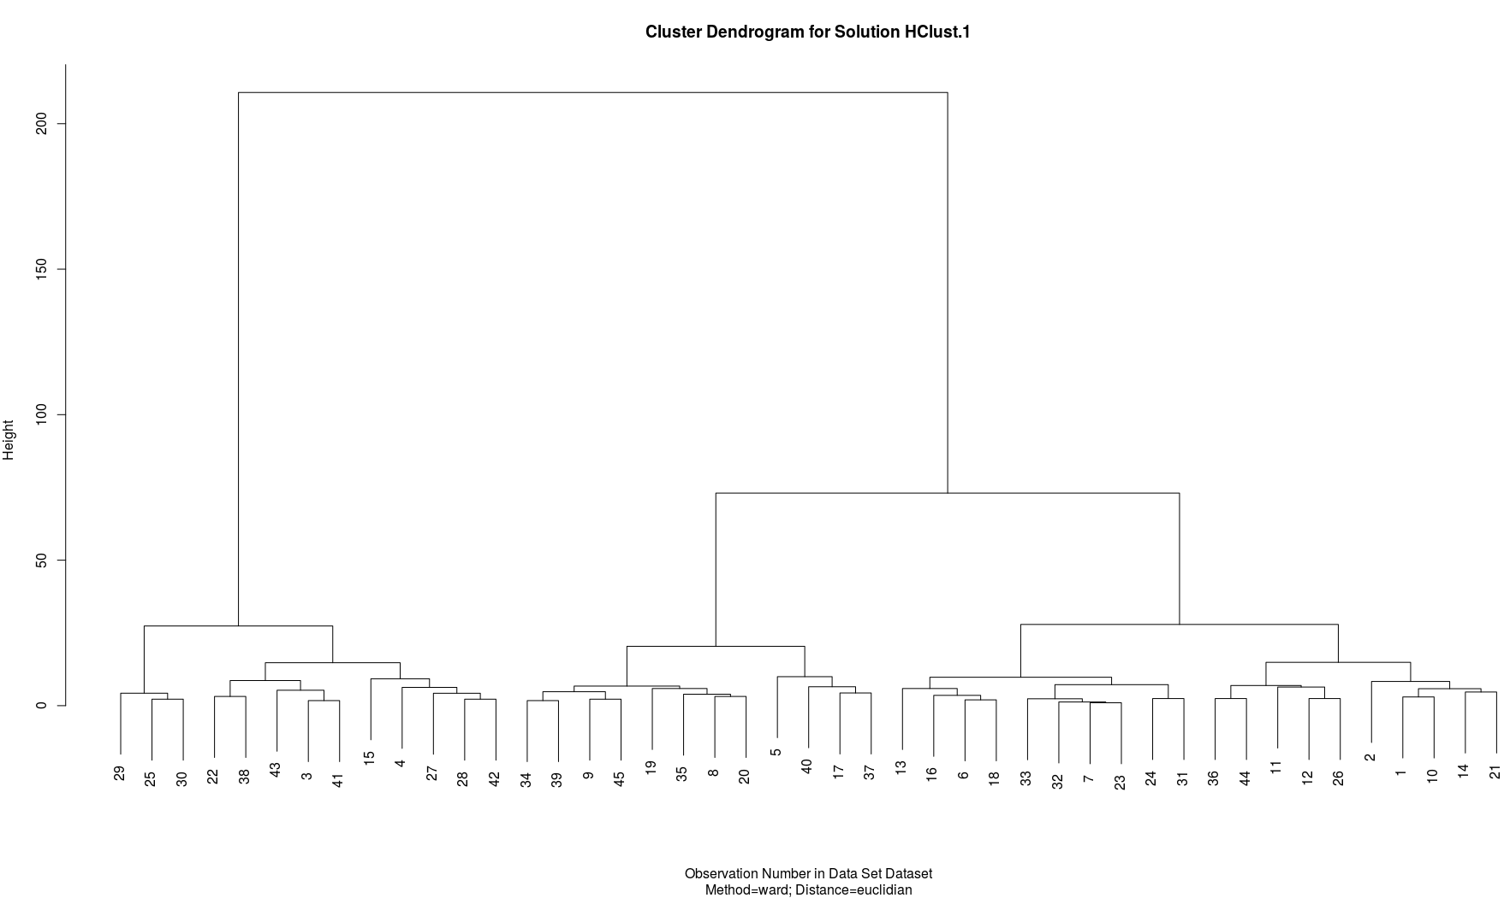
Normalized Probabilities observed (PO)
PO-High | 0.088235294118 | 0.078947368421 | 0.52173913043 | 0.58333333333 | 0.090909090909 | 0.096774193548 | 0.11111111111 | 0.074074074074 | 0.16666666667 | 0.11428571429 | 0.03125 | 0.096774193548
PO-Medium High | 0.32352941176 | 0.44736842105 | 0.39130434783 | 0.20833333333 | 0.72727272727 | 0.38709677419 | 0.40740740741 | 0.51851851852 | 0.5 | 0.37142857143 | 0.1875 | 0.22580645161
PO-Medium Low | 0.5 | 0.39473684211 | 0.086956521739 | 0.041666666667 | 0.18181818182 | 0.41935483871 | 0.48148148148 | 0.2962962963 | 0.26666666667 | 0.42857142857 | 0.5 | 0.51612903226
PO-Low | 0.088235294118 | 0.078947368421 | 0 | 0.16666666667 | 0 | 0.096774193548 | 0 | 0.11111111111 | 0.066666666667 | 0.085714285714 | 0.28125 | 0.16129032258

Merged Normalized Probabilities observed (PO)
PO-High/PO-MH | 0.41176470588 | 0.52631578947 | 0.91304347826 | 0.79166666667 | 0.81818181818 | 0.48387096774 | 0.51851851852 | 0.59259259259 | 0.66666666667 | 0.48571428571 | 0.21875 | 0.32258064516

Merged Normalized Probabilities observed (PO)
PO-MH/PO-ML | 0.82352941176 | 0.84210526316 | 0.47826086957 | 0.25 | 0.90909090909 | 0.8064516129 | 0.88888888889 | 0.81481481481 | 0.76666666667 | 0.8 | 0.6875 | 0.74193548387

Merged Normalized Probabilities observed (PO)
PO-ML/PO-Low | 0.58823529412 | 0.47368421053 | 0.086956521739 | 0.20833333333 | 0.18181818182 | 0.51612903226 | 0.48148148148 | 0.40740740741 | 0.33333333333 | 0.51428571429 | 0.78125 | 0.67741935484

Merged Normalized Probabilities observed (PO)

Merged Normalized Probabilities observed (PO)
PO-High/PO-MH | 0.41176470588 | 0.52631578947 | 0.91304347826 | 0.79166666667 | 0.81818181818 | 0.48387096774 | 0.51851851852 | 0.59259259259 | 0.66666666667 | 0.48571428571 | 0.21875 | 0.32258064516
PO-Medium Low | 0.5 | 0.39473684211 | 0.086956521739 | 0.041666666667 | 0.18181818182 | 0.41935483871 | 0.48148148148 | 0.2962962963 | 0.26666666667 | 0.42857142857 | 0.5 | 0.51612903226
PO-Low | 0.088235294118 | 0.078947368421 | 0 | 0.16666666667 | 0 | 0.096774193548 | 0 | 0.11111111111 | 0.066666666667 | 0.085714285714 | 0.28125 | 0.16129032258
PO-High | 0.088235294118 | 0.078947368421 | 0.52173913043 | 0.58333333333 | 0.090909090909 | 0.096774193548 | 0.11111111111 | 0.074074074074 | 0.16666666667 | 0.11428571429 | 0.03125 | 0.096774193548
PO-MH/PO-ML | 0.82352941176 | 0.84210526316 | 0.47826086957 | 0.25 | 0.90909090909 | 0.8064516129 | 0.88888888889 | 0.81481481481 | 0.76666666667 | 0.8 | 0.6875 | 0.74193548387
PO-Low | 0.088235294118 | 0.078947368421 | 0 | 0.16666666667 | 0 | 0.096774193548 | 0 | 0.11111111111 | 0.066666666667 | 0.085714285714 | 0.28125 | 0.16129032258
PO-High | 0.088235294118 | 0.078947368421 | 0.52173913043 | 0.58333333333 | 0.090909090909 | 0.096774193548 | 0.11111111111 | 0.074074074074 | 0.16666666667 | 0.11428571429 | 0.03125 | 0.096774193548
PO-Medium High | 0.32352941176 | 0.44736842105 | 0.39130434783 | 0.20833333333 | 0.72727272727 | 0.38709677419 | 0.40740740741 | 0.51851851852 | 0.5 | 0.37142857143 | 0.1875 | 0.22580645161
PO-ML/PO-Low | 0.58823529412 | 0.47368421053 | 0.086956521739 | 0.20833333333 | 0.18181818182 | 0.51612903226 | 0.48148148148 | 0.40740740741 | 0.33333333333 | 0.51428571429 | 0.78125 | 0.67741935484

Merged Normalized Probabilities observed (PO)
PO-High/PO-MH | 0.41176470588 | 0.52631578947 | 0.91304347826 | 0.79166666667 | 0.81818181818 | 0.48387096774 | 0.51851851852 | 0.59259259259 | 0.66666666667 | 0.48571428571 | 0.21875 | 0.32258064516
PO-ML/PO-Low | 0.58823529412 | 0.47368421053 | 0.086956521739 | 0.20833333333 | 0.18181818182 | 0.51612903226 | 0.48148148148 | 0.40740740741 | 0.33333333333 | 0.51428571429 | 0.78125 | 0.67741935484

Trend of Response
PO-High | 0.088235294118 | 0.078947368421 | 0.52173913043 | 0.58333333333 | 0.090909090909 | 0.096774193548 | 0.11111111111 | 0.074074074074 | 0.16666666667 | 0.11428571429 | 0.03125 | 0.096774193548
PO-Medium High | 0.32352941176 | 0.44736842105 | 0.39130434783 | 0.20833333333 | 0.72727272727 | 0.38709677419 | 0.40740740741 | 0.51851851852 | 0.5 | 0.37142857143 | 0.1875 | 0.22580645161
PO-Medium Low | 0.5 | 0.39473684211 | 0.086956521739 | 0.041666666667 | 0.18181818182 | 0.41935483871 | 0.48148148148 | 0.2962962963 | 0.26666666667 | 0.42857142857 | 0.5 | 0.51612903226
PO-Low | 0.088235294118 | 0.078947368421 | 0 | 0.16666666667 | 0 | 0.096774193548 | 0 | 0.11111111111 | 0.066666666667 | 0.085714285714 | 0.28125 | 0.16129032258

Trend of the Question
 | PO-High | PO-Medium High | PO-Medium Low | PO-Low
 | 0.088235294118 | 0.32352941176 | 0.5 | 0.088235294118
 | 0.078947368421 | 0.44736842105 | 0.39473684211 | 0.078947368421
 | 0.52173913043 | 0.39130434783 | 0.086956521739 | 0
 | 0.58333333333 | 0.20833333333 | 0.041666666667 | 0.16666666667
 | 0.090909090909 | 0.72727272727 | 0.18181818182 | 0
 | 0.096774193548 | 0.38709677419 | 0.41935483871 | 0.096774193548
 | 0.11111111111 | 0.40740740741 | 0.48148148148 | 0
 | 0.074074074074 | 0.51851851852 | 0.2962962963 | 0.11111111111
 | 0.16666666667 | 0.5 | 0.26666666667 | 0.066666666667
 | 0.11428571429 | 0.37142857143 | 0.42857142857 | 0.085714285714
 | 0.03125 | 0.1875 | 0.5 | 0.28125
 | 0.096774193548 | 0.22580645161 | 0.51612903226 | 0.16129032258
 | 0.058823529412 | 0.38235294118 | 0.35294117647 | 0.20588235294
 | 0 | 0.30303030303 | 0.54545454545 | 0.15151515152
 | 0.52777777778 | 0.30555555556 | 0.11111111111 | 0.055555555556
 | 0.11111111111 | 0.40740740741 | 0.37037037037 | 0.11111111111
 | 0.28125 | 0.53125 | 0.1875 | 0
 | 0.10344827586 | 0.34482758621 | 0.44827586207 | 0.10344827586
 | 0.035714285714 | 0.64285714286 | 0.28571428571 | 0.035714285714
 | 0.13043478261 | 0.52173913043 | 0.30434782609 | 0.04347826087
 | 0.085714285714 | 0.28571428571 | 0.57142857143 | 0.057142857143
 | 0.42307692308 | 0.30769230769 | 0.23076923077 | 0.038461538462
 | 0.11538461538 | 0.42307692308 | 0.46153846154 | 0
 | 0.04 | 0.48 | 0.44 | 0.04
 | 0.76666666667 | 0.2 | 0 | 0.033333333333
 | 0.096774193548 | 0.29032258065 | 0.48387096774 | 0.12903225806
 | 0.78260869565 | 0.17391304348 | 0.04347826087 | 0
 | 0.68 | 0.28 | 0.04 | 0
 | 0.88888888889 | 0.11111111111 | 0 | 0
 | 0.77777777778 | 0.22222222222 | 0 | 0
 | 0 | 0.51851851852 | 0.44444444444 | 0.037037037037
 | 0.10714285714 | 0.42857142857 | 0.46428571429 | 0
 | 0.11111111111 | 0.37037037037 | 0.51851851852 | 0
 | 0.13333333333 | 0.46666666667 | 0.36666666667 | 0.033333333333
 | 0.086956521739 | 0.65217391304 | 0.21739130435 | 0.04347826087
 | 0.035714285714 | 0.17857142857 | 0.64285714286 | 0.14285714286
 | 0.18181818182 | 0.60606060606 | 0.21212121212 | 0
 | 0.5 | 0.26923076923 | 0.15384615385 | 0.076923076923
 | 0.11111111111 | 0.48148148148 | 0.37037037037 | 0.037037037037
 | 0.32 | 0.6 | 0.08 | 0
 | 0.5 | 0.45454545455 | 0.045454545455 | 0
 | 0.68181818182 | 0.31818181818 | 0 | 0
 | 0.5 | 0.46428571429 | 0.035714285714 | 0
 | 0 | 0.25 | 0.64285714286 | 0.10714285714
 | 0.14814814815 | 0.55555555556 | 0.2962962963 | 0

