Sheet1
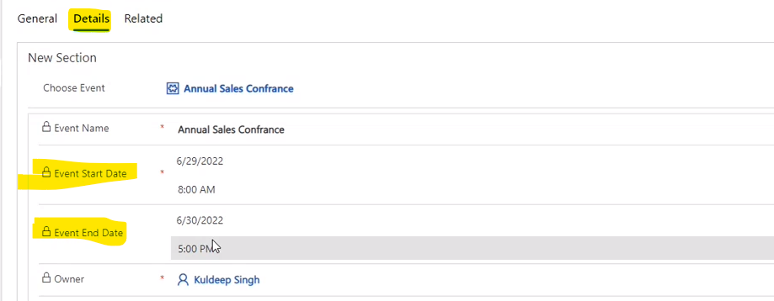
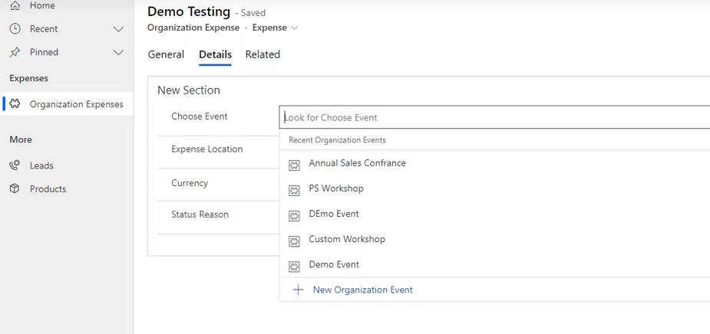
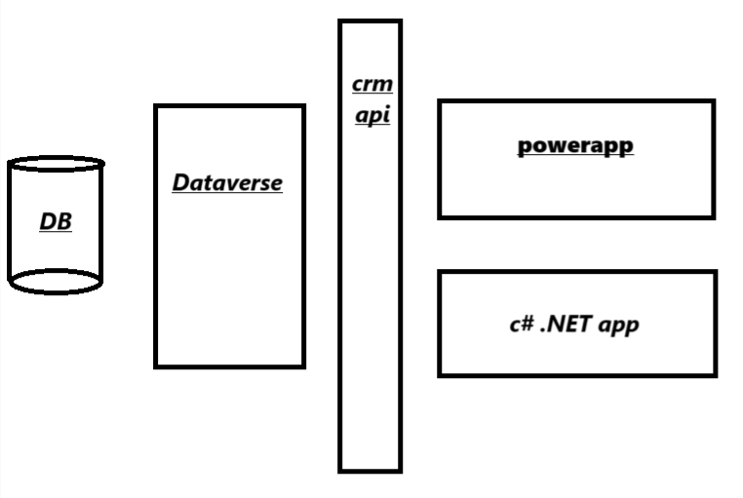
 | Setup Labs

1 | create instance | https://signup.microsoft.com/get-started/signup?OfferId=82272b45-36d5-4226-8cee-576b70f7aaac&ali=1&products=82272b45-36d5-4226-8cee-576b70f7aaac&ru=https%3A%2F%2Fadmin.powerplatform.microsoft.com%2Fenvironments%3Fopen%3Dnew%26type%3DTrial%26template%3DD365_SalesPremiumTrial

 | username | GTBOT@GTTech429.onmicrosoft.com
 | password | Vrmgrg@1122

 | admin center microsoft | https://admin.microsoft.com/Adminportal/Home#/homepage
 | admin center powerapps | https://admin.powerplatform.microsoft.com/ | manage env,securiy

2 | setup env | powerapp admin page > env > new | https://orgf2e58263.crm8.dynamics.com/
 |  | trail - subscriptionbased
 |  | enable d365 apps
 |  | select all enterprise applications
 |  | security group - none (everyone have access)

1 | Introduction basics

 | Deployment | on premises
 |  | cloud
 | Users | Endusers - employees
 |  | Functional consultants - SMEs who do configurations
 |  | Technical consultant - developers do customizations
 |  | Admins - service reqs, maintainance, create/manage env, security

2 | Introduction to D365 Sales

 | goto env link | https://orgf2e58263.crm8.dynamics.com/
 |  | select sales hub app

2.1 | Manage leads with d365 sales

 | Cutomer entity | there are 2 types of cust entity
 |  | 1. Accounts entity -- manage customer as account | My Active Accounts - accounts created/shared by you
 |  | 2. Contacts entity -- manage customer as contact

 | New Account Record [for org] | Account > new | Parent Account -> Child account relation
 |  | Accounts can have multiple/multilevel self relations | denoted by prefix "tree symbol" in accounts list

 | New Contact Record [for individual] | Contact > new | Contacts can be linked with Accounts - "Asscociated with"
 |  | eg - 10 different associated contacts with accounts and maybe one primary contact

2.2 | Forms | open entity > form name below entity name | Mulitple forms of same entity

2.3 | Leads | Business Process Flow- timeline diagram | sales hub app overview |  | DATATYPE -- Choice -> yes/no -- slider bar

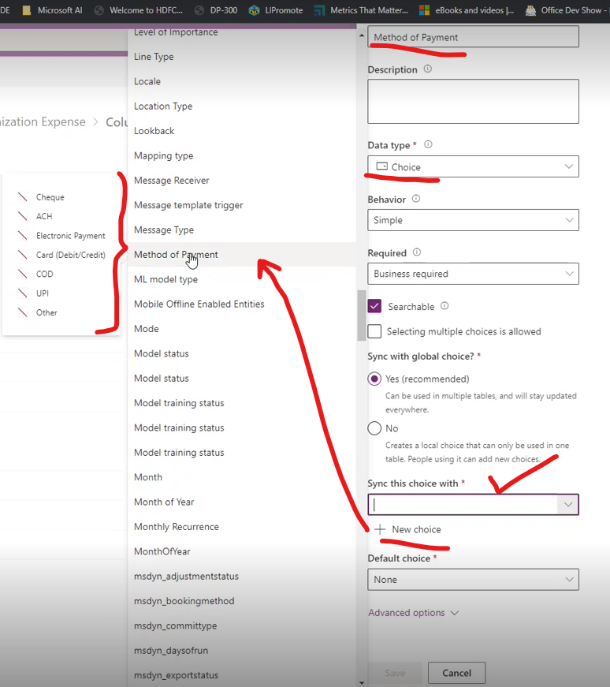
 | Sales Scenario / Cycle | Lead / Prospect -- non contacted person who may be intrested
 |  | Opportunity -- Lead "may" be confirmed [potential sale]
 |  | Quotes -- what we offer is shared
 |  | Order -- if agreed on quotes
 |  | Invoice -- all good

 | Sales > Lead | New lead record > Contact + Company/Account details > Save
 |  | top right > select lead source -- where did you got the lead | lead rating - hot | expense category

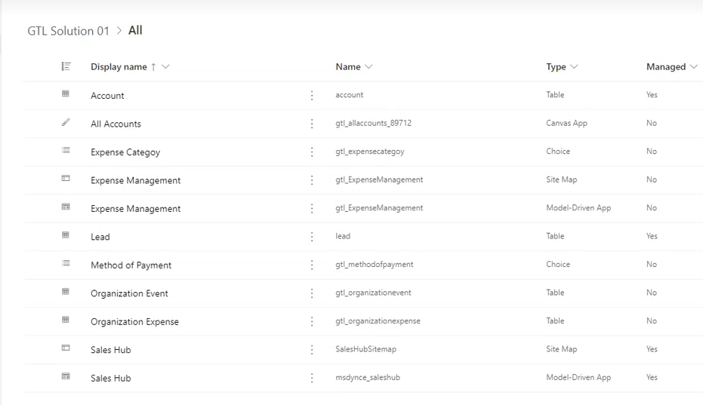
 | Qualify lead | Account is added | Qualify from lead form -- top ribbon option
 |  | Contact is added
 |  | Lead is closed
 |  | Opportunity is created -- a new task is created

 | Sales > Opportunity | opportunity entity have - quotes tab

** | see video ….. For further navigations

 | DATAVERSE | >> SELECT ENVIRONMENT

1 | create solution | create emplty solution + custom publisher create table in it, set primary key, add expense columns

2 | create table | create 2 new tables for expense and exp management

3 | create custom columns | create custom choices for payments and expenses

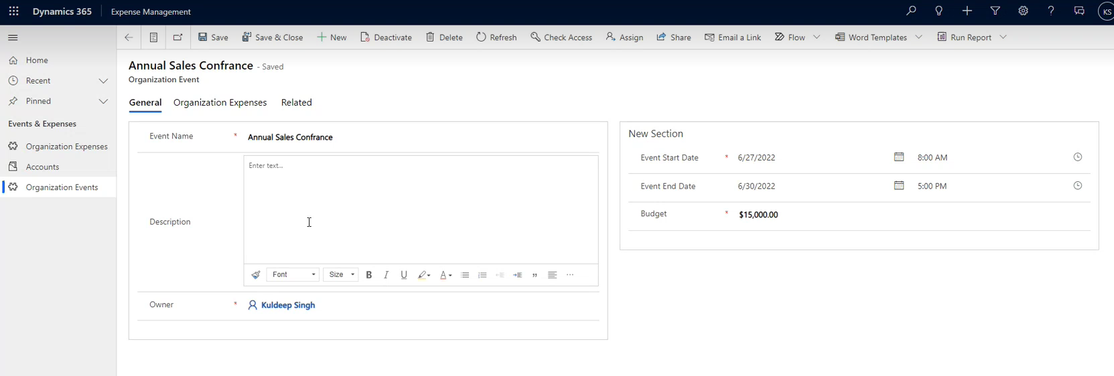
4 | create app | create model driven app > page > select table exp mgt and accounts publish | add feature in existing app 1, our new sol > add existing app > select app 2, find app in sol > edit app 3, add table which is in solution

5 | create forms for apps | update main form to add new records from app

6 | create organization event table | for which event you are raising expense -- ASSOCiATION relation
 |  | from event {lookup for expense}

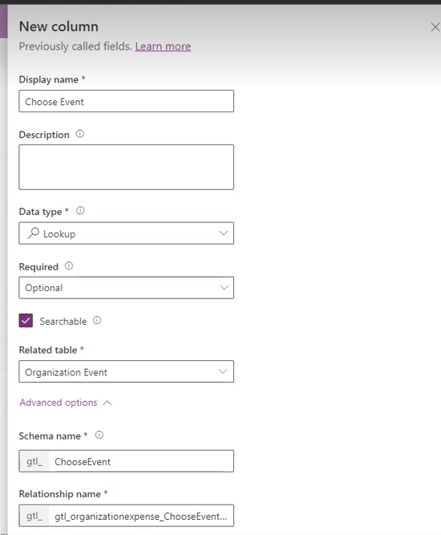
 | RELATIONS | Lookup fields -- Association Relations
 | 1 event : N expenses | org expense form -- select event [lookup]
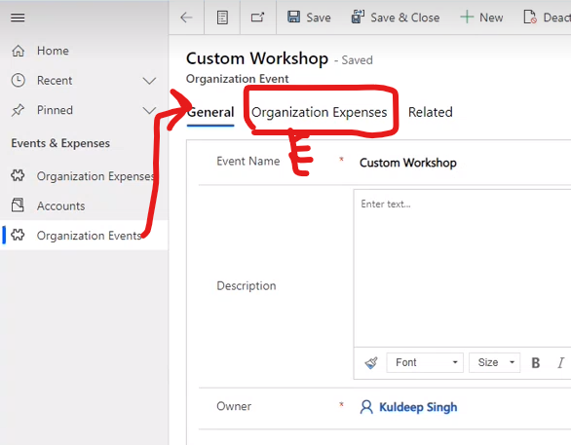

 |  | goto any above table - new tab created automatically (related)
 |  | sol > obj [left side] > relationships (columns relationships)

 |  | roolup -- "total event expenses againist a event"

 |  | new EXPENSE select EVENT its linked to

 | roolup fields / calculated fields | RELATION IS REQUIRED TO ROLLUP
 |  | calculated every 12 hrs / recalculate button - forms

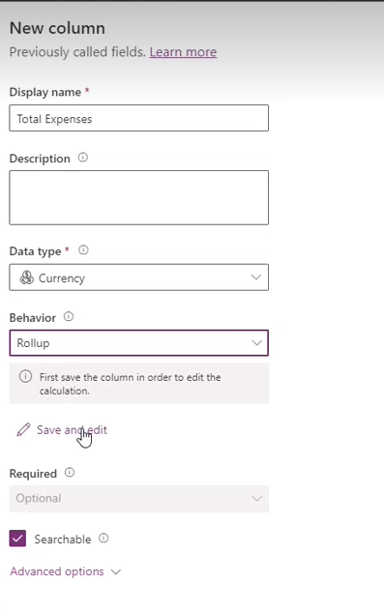
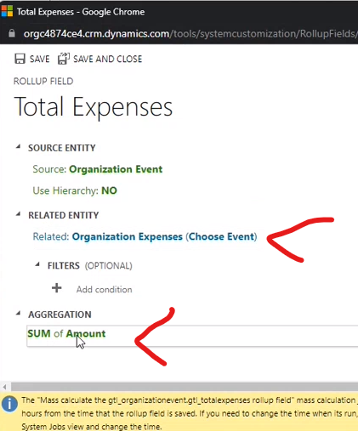

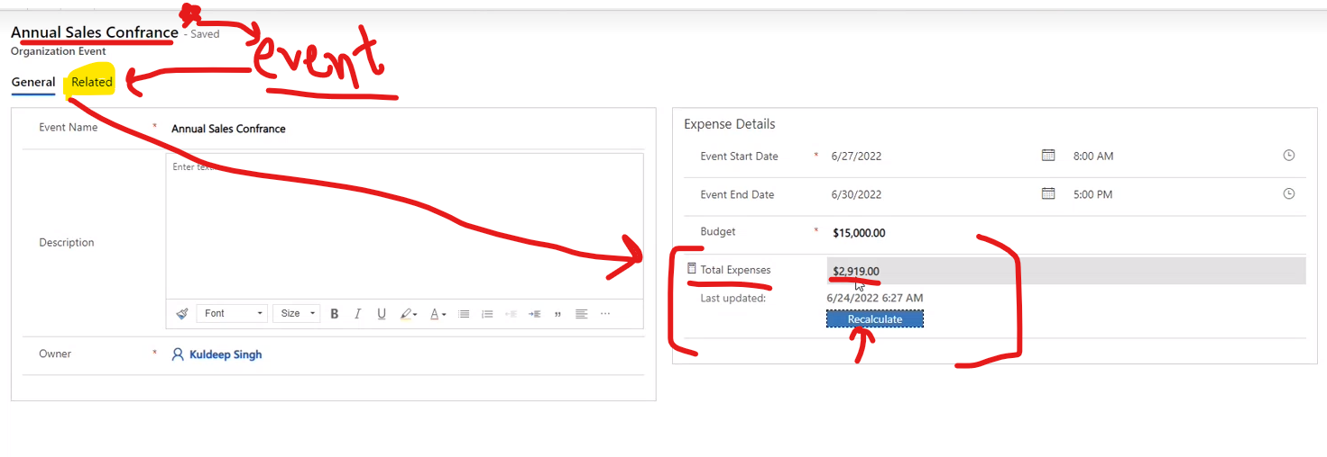

 | table properties > select notes and file attachments | add fields in form - main
 |  | put start date end date in header area
 |  | add timeline controller in form

 | change this as below

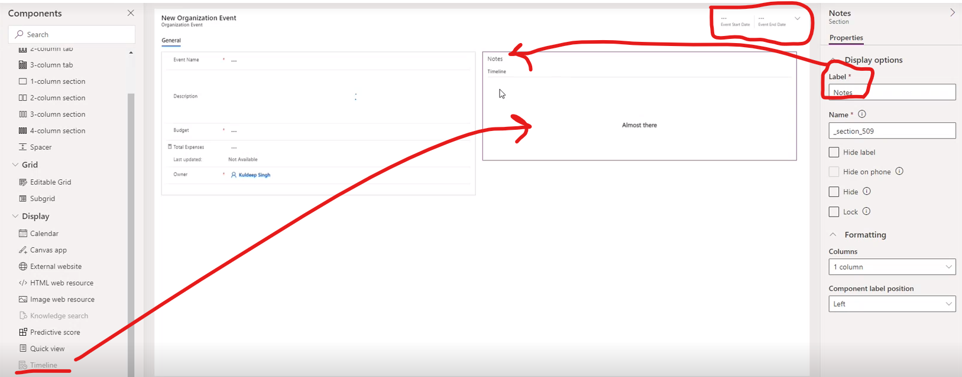

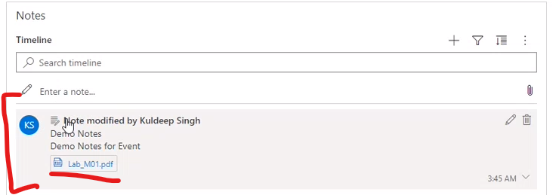
 |  |  | result

 | audit a functionality | 3 levels of audit should be enable to see logs
 |  | 1. org level 2. table level 3. field level | if anyone is disabled, it will not work

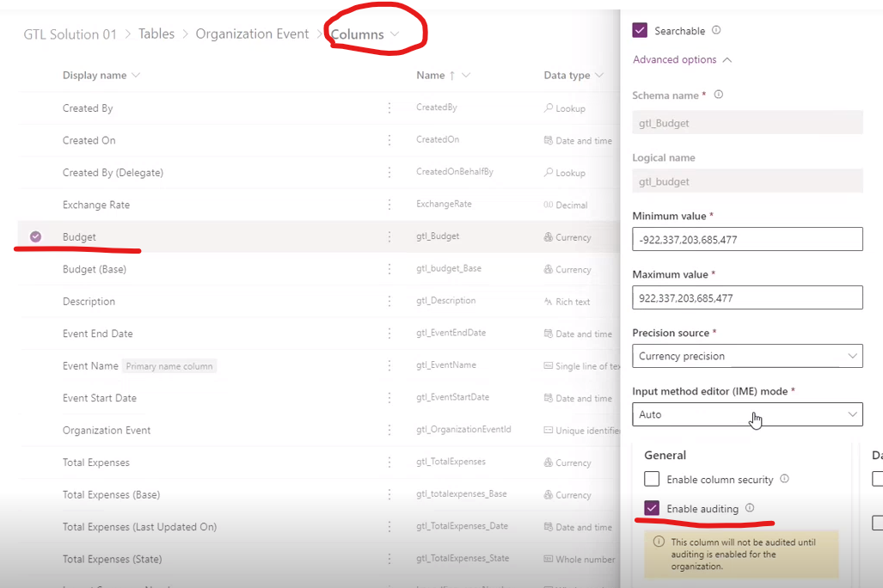

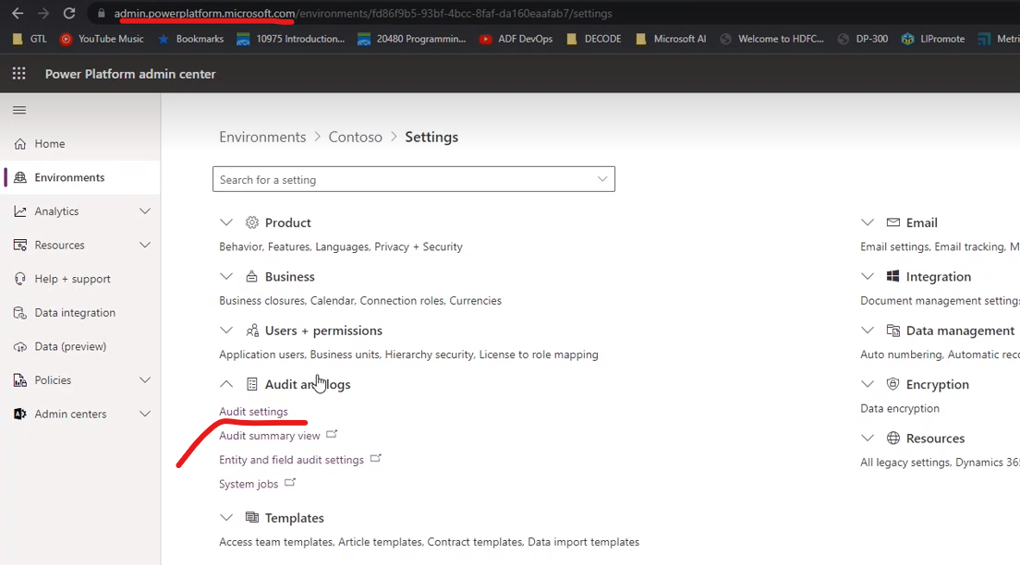
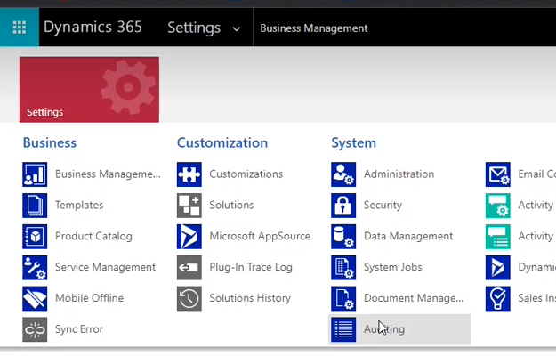

 |  | goto global audit settings

 | start auditing by any of the method above

 | start at 38 mins

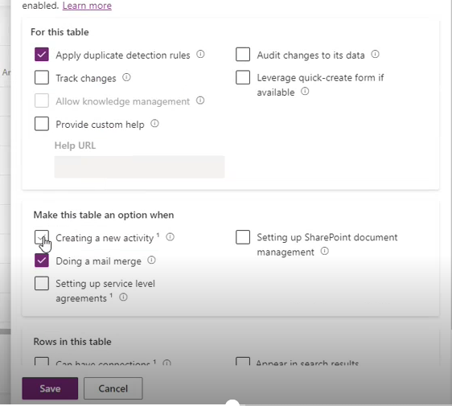
App - sitemap | bottom selector | Area
 | left pane | Groups
 |  | Sub Areas under groups
 | top left -click app name | list of all apps
 | make.powerapps > apps | list of all apps

tables > edit | activate activities associations | supports Tasks
 |  | new entry added while using form > timeline > new

forms | quick view | forms > events > quick view (not main) >> ADD fields to view [start/end dt]
 |  | RELATION IS REQUIRED TO quick view [event from expense] | works after selecting EVENT

