Sheet1
Seasonality Order | RMSE | MAPE

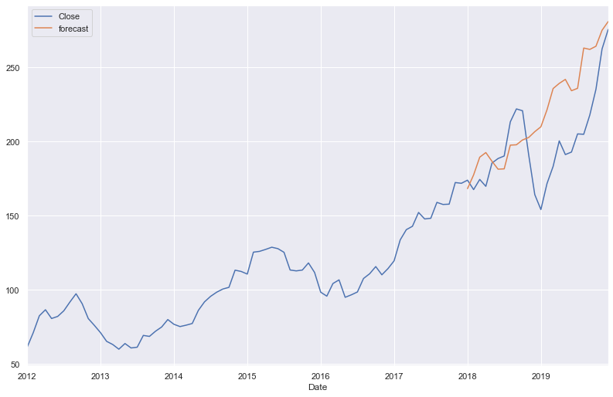
(2,2,0,12) | 46.84 | 0.186

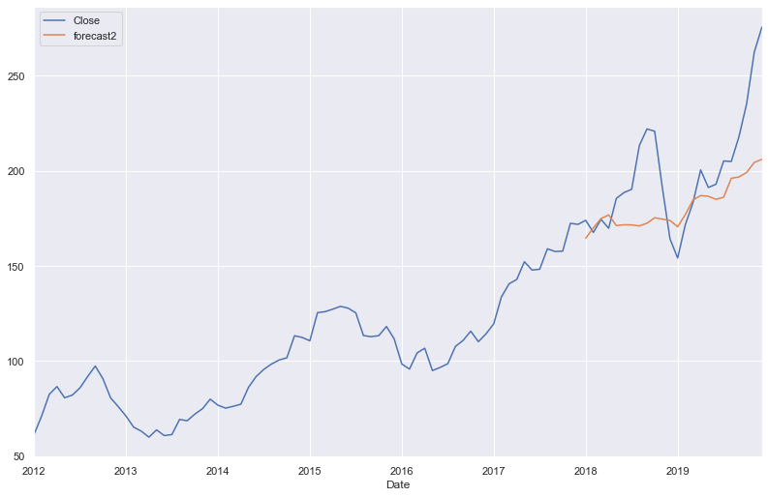
(2,1,0,12) | 22.25 | 0.085


(1,1,0,12) | 30.6 | 0.127

