pieplot
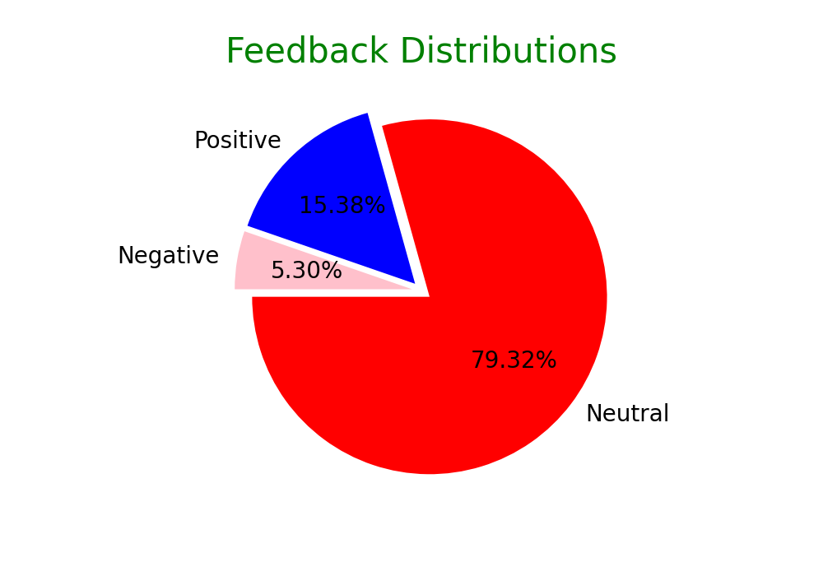
Piechart For Feedback Distributions:

Positive-word-cloud
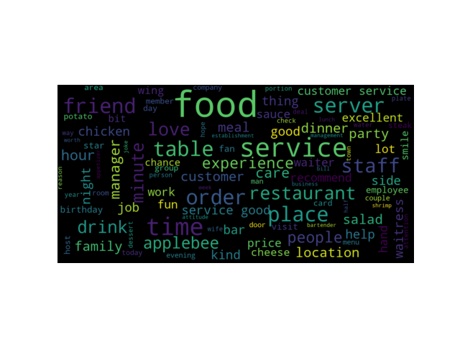
Word Cloud For Positive Feedback

Negative-word-cloud
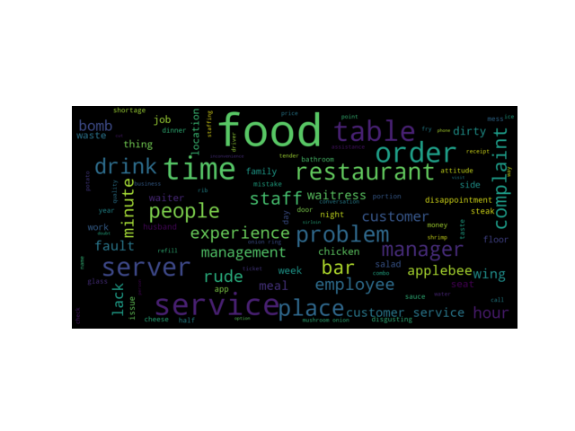
Word Cloud For Negative Feedback

