Worksheet
PT. XYZ MOLD INDONESIA
 |  | Prediksi Harga Molding Menggunakan Metode Random Forest

No | Prediction
1 | Confusion Matrix:
2 | [[36 14]
3 | [ 8 23]]
4 | Remark Prediction: Murah
5 | Price Prediction: Rp. 225,993,823 ,-
6 | Accuracy: 72.84%
7 | Classification Report:
8 | precision recall f1-score support
9
10 | Mahal 0.82 0.72 0.77 50
11 | Murah 0.62 0.74 0.68 31
12
13 | accuracy 0.73 81
14 | macro avg 0.72 0.73 0.72 81
15 | weighted avg 0.74 0.73 0.73 81
16
17 | MAE Price: Rp. 72,141,979 ,-
18 | MAPE Price: 21.55%
19 | Total nodes in RandomForestClassifier: 40436
20 | Total nodes in RandomForestRegressor: 67542
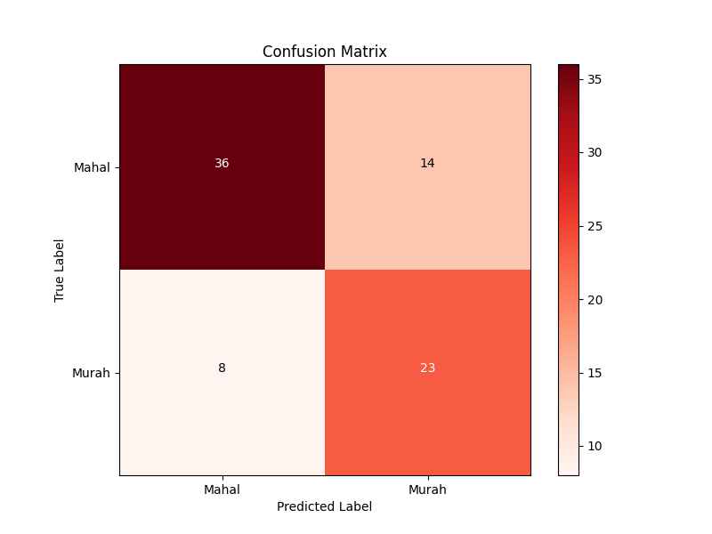
21 | Confusion Matrix: [[36 14]

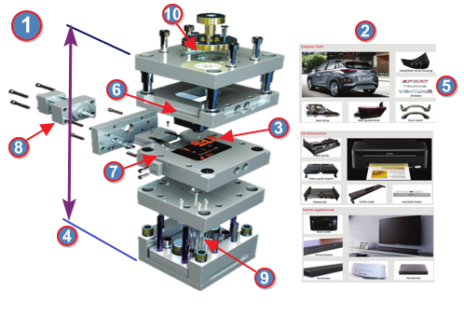
Atribut 8 Label dengan Ratio Split 90:10 Prediksi Harga Molding :
Mold-Atribut |  |  | Value
1. Grade Mold : |  |  | 1
2. Part Application : |  |  | Printer
3. Quantity Produk : |  |  | 2
4. Tonase : |  |  | 100
5. Cavity Material : |  |  | NAK80
6. Core Material : |  |  | HP4M
7. Slide System : |  |  | YES
8. Lift Core System : |  |  | YES

