Worksheet
PT. XYZ MOLD INDONESIA
 |  | Prediksi Harga Molding Menggunakan Metode Random Forest

No | Prediction
1 | Confusion Matrix:
2 | [[35 15]
3 | [ 8 23]]
4 | Remark Prediction: Mahal
5 | Price Prediction: Rp. 342,441,820 ,-
6 | Accuracy: 71.60%
7 | Classification Report:
8 | precision recall f1-score support
9
10 | Mahal 0.81 0.70 0.75 50
11 | Murah 0.61 0.74 0.67 31
12
13 | accuracy 0.72 81
14 | macro avg 0.71 0.72 0.71 81
15 | weighted avg 0.73 0.72 0.72 81
16
17 | MAE Price: Rp. 73,789,140 ,-
18 | MAPE Price: 22.28%
19 | Total nodes in RandomForestClassifier: 40854
20 | Total nodes in RandomForestRegressor: 67516
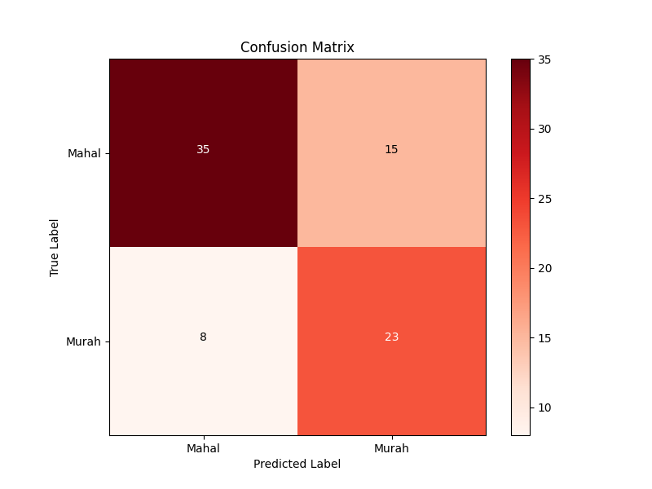
21 | Confusion Matrix: [[35 15]

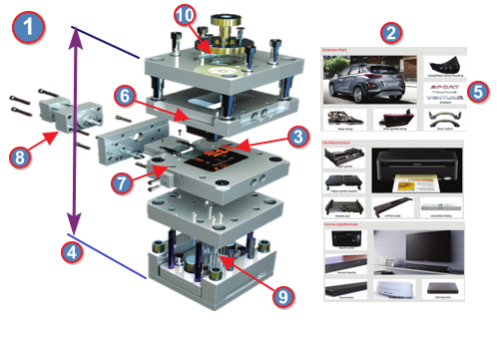
Atribut 8 Label dengan Ratio Split 90:10 Prediksi Harga Molding :
Mold-Atribut |  |  | Value
1. Grade Mold : |  |  | 4
2. Part Application : |  |  | Printer
3. Quantity Produk : |  |  | 2
4. Tonase : |  |  | 100
5. Cavity Material : |  |  | NAK80
6. Core Material : |  |  | HP4M
7. Slide System : |  |  | YES
8. Lift Core System : |  |  | YES

