Worksheet
PT. XYZ MOLD INDONESIA
 |  | Prediksi Harga Molding Menggunakan Metode Random Forest

No | Prediction
1 | Confusion Matrix:
2 | [[34 16]
3 | [ 8 23]]
4 | Remark Prediction: Murah
5 | Price Prediction: Rp. 1,537,811,844 ,-
6 | Accuracy: 70.37%
7 | Classification Report:
8 | precision recall f1-score support
9
10 | Mahal 0.81 0.68 0.74 50
11 | Murah 0.59 0.74 0.66 31
12
13 | accuracy 0.70 81
14 | macro avg 0.70 0.71 0.70 81
15 | weighted avg 0.73 0.70 0.71 81
16
17 | MAE Price: Rp. 72,284,146 ,-
18 | MAPE Price: 21.73%
19 | Total nodes in RandomForestClassifier: 40428
20 | Total nodes in RandomForestRegressor: 67508
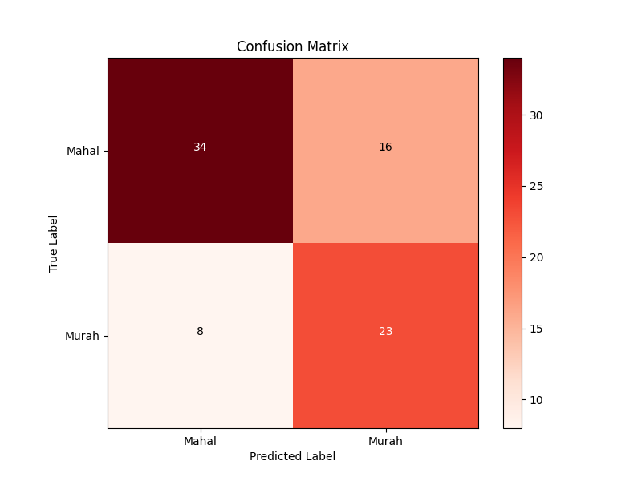
21 | Confusion Matrix: [[34 16]

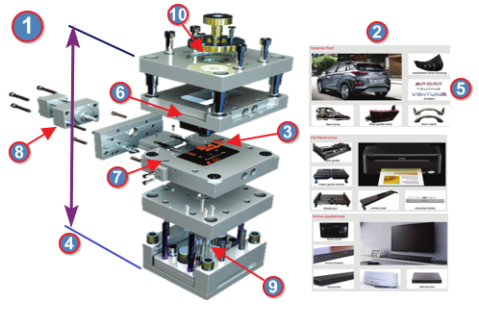
Atribut 8 Label dengan Ratio Split 90:10 Prediksi Harga Molding :
Mold-Atribut |  |  | Value
1. Grade Mold : |  |  | 5
2. Part Application : |  |  | MotorCycle
3. Quantity Produk : |  |  | 4
4. Tonase : |  |  | 650
5. Cavity Material : |  |  | HP4
6. Core Material : |  |  | HP4
7. Slide System : |  |  | NO
8. Lift Core System : |  |  | NO

