Indirect-3
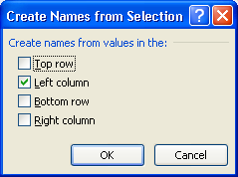
CompnayName | Jan | Feb | Mar | Apr | May | Jun | Jul | Aug | Sep | Oct | Nov | Dec
Car | 69373 | 59700 | 68045 | 48658 | 84534 | 84000 | 65009 | 15796 | 76147 | 72360 | 44125 | 48072 | Jan
Bus | 46737 | 18451 | 46316 | 59661 | 86835 | 92763 | 57303 | 20443 | 97566 | 96219 | 15597 | 94108 | Feb
Motor | 16018 | 67766 | 93615 | 29652 | 96588 | 53335 | 14888 | 77196 | 90614 | 58927 | 86458 | 76323 | Mar
Tempu | 15706 | 88724 | 11143 | 94619 | 33750 | 99329 | 69008 | 68282 | 44491 | 99487 | 40820 | 89142 | Apr
Ship | 13352 | 84742 | 82131 | 69653 | 70637 | 37796 | 88311 | 78671 | 57153 | 97856 | 24230 | 47167 | May
Laptop | 96782 | 21782 | 81677 | 70129 | 24077 | 92563 | 70332 | 81921 | 33728 | 86649 | 18239 | 89190 | Jun
Mouse | 41490 | 95590 | 34320 | 32894 | 31394 | 87338 | 74425 | 33551 | 21548 | 22719 | 82764 | 39111 | Jul
Keyboard | 35931 | 97056 | 24202 | 58264 | 85697 | 35185 | 93579 | 23247 | 43300 | 38297 | 94683 | 17371 | Aug
MotherBoard | 57745 | 31879 | 64193 | 45240 | 73340 | 64404 | 20518 | 60328 | 43658 | 41388 | 76996 | 76276 | Sep
 |  |  |  |  |  |  |  |  |  |  |  |  | Oct

Laptop | Jun | 92563

Indirect-4
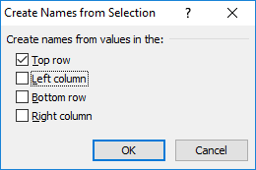
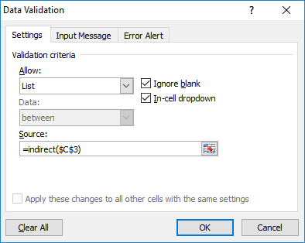
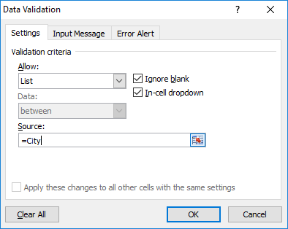

 |  | Delhi | Kolkata | Mumbai | Bangalore
Bangalore | Vijay Malya Road | CP | Howrah | Borribely | Domluru
 |  | Nehru Place | Camac Street | Juhu | Korbangla
 |  | Ashok Nagar | salt Lake | Andheri | White Field
 |  | South Ex | Dharamtala | Bandra | Vijay Malya Road

Images
MIS | 
PBI | 
SQL | 

Indirect-7
Color | Index No.

 |  |  | =GET.CELL(63,INDIRECT("RC[-1]",))

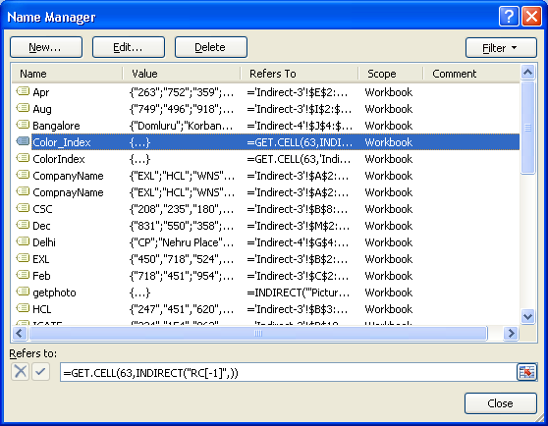

 |  | #NAME?

