Sheet7
ASSIGNMENT 7

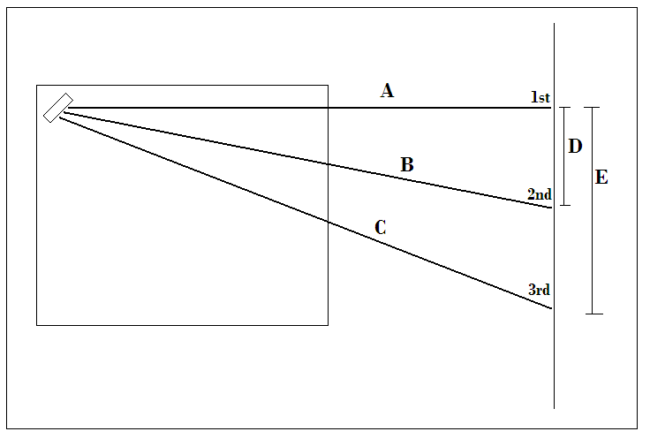

Distances cm |  | Spot Widths cm

A | 151.4 |  | blue | red
B | 162 | 1st | 1 | 1.5
C | 193.4 | 2nd | 0.7
D | 57.5 | 3rd | 0.7 | 1.9
E | 120.3

