Sheet7
ASSIGNMENT 7

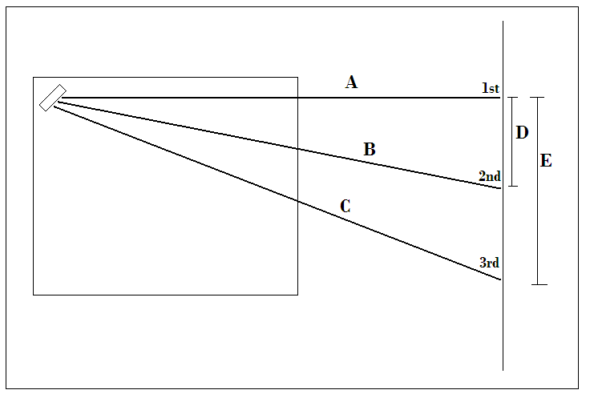
 |  |  |  |  |  | Beam | Order | sin(alpha) | Error | lamba | Error
 |  |  |  |  |  | red | 0 | 0 | 0
 |  |  |  |  |  |  | 1 | 0.62202688728 | 0.00060893205462 | 1.0367114788E-06 | 1.01E-09 | 1.02E+03
 |  |  |  |  |  | blue | 0 | 0 | 0
 |  |  |  |  |  |  | 1 | 0.3549382716 | 0.0075349427281 | 5.9156378601E-07 | 1.255823788E-08
 |  |  |  |  |  |  | 2 | 0.62202688728 | 0.00060893205462 | 5.183557394E-07 | 5.0744337885E-10 | 1021.5045875

 |  |  |  |  |  | Grating Constant | 1.6666666667E-06
 |  |  |  |  |  |  | 600000 |  |  | 2.0000000000 | 0.0027688834287

Distances cm |  |  | Spot Widths cm |  |  | theo:
 |  |  |  |  |  | w_0 |  | f | l |  | L/Delta L
A | 151.4 |  |  | blue | red | 1.75E-03 | 2.50E-04 | 7.50E-02 | 1.30E-01 | 5.00E-03 | 7280 | 3875
B | 162 |  | 1st | 1 | 1.5
C | 193.4 | 0.1 | 2nd | 0.7
D | 57.5 |  | 3rd | 0.7 | 1.9
E | 120.3 | 0.1
 |  |  |  | 1.2206555616 | 2.4207436874

