Neuron
Input 1
Commonly used activation functions:
Hyperbolic tan = tanh(z)
Sigmoid = $\frac{1}{1+e^{−z}}$
Relu = $max⁡(0,z)$
Softmax= $\frac{e^{z_{i}}}{\sum_{i}{e^{z_{i}}}}$
There are other variations as well, leaky relu, tobit etc
 |  |  |  | Input 1 | Input 2 | Input 3
 |  |  |  | 0.2 | 0.1 | 0.001
 |  |  |  | .. | .. | ..
W1
$$z=w_{0}+w_{1}Input_{1}+w_{2}Input_{2}+w_{3}Input_{3}$$
$$z=w_{0}+\sum_{i}{w_{i}Input_{i}}$$
$$Activation=f(z)$$

W2
Input 2

W3

Input 3

w0 | 0.5 | Input 1 | 0.2
w1 | 1 | Input 2 | 0.1
w2 | 1.2 | Input 3 | 0.001
w3 | 2.2
Input 1
W1
$$z=w_{0}+w_{1}Input_{1}+w_{2}Input_{2}+w_{3}Input_{3}$$
$$z=w_{0}+\sum_{i}{w_{i}Input_{i}}$$
$$Activation=f(z)$$
$$f\left(z\right)=\frac{1}{1+e^{−z}}$$

 |  | 0.8222

W2
Input 2
 |  |  | 0.30529686062

W3

Input 3

MLP
$$\sum_{j=1}^{3}{y_{ij}log⁡(p_{ij})}$$
$$CE=−\sum_{i=1}^{n}{ }\sum_{j=1}^{k}{y_{ij}log⁡(p_{ij})}$$
yi1 | yi2 | yi3 | pi1 | pi2 | pi3
1 | 0 | 0 | 0.8 | 0.1 | 0.1 | -0.22314355131
0 | 1 | 0 | 0.2 | 0.7 | 0.1 | -0.35667494394
Input Layer
Hidden Layer
Hidden Layer
Output Layer
0 | 0 | 1 | 0.05 | 0.05 | 0.9 | -0.10536051566
 |  |  |  |  |  | 0.68517901091

Input 1
Neuron 1
Neuron 1
P1
Cost Function

Input 2
P2
$$CE=−\sum_{i=1}^{n}{ }\sum_{j=1}^{k}{y_{ij}log⁡(p_{ij})}$$

Input 3

Neuron 2
Neuron 2
P3

$$P_{i}=\frac{e^{z_{i}}}{\sum_{i}{e^{z_{i}}}}$$
Input n

Input Layer
Hidden Layer
Hidden Layer

Input 1
Neuron 1
Neuron 1

Output Layer
Input 2
Cost Function

$$z_{i}=w_{0}+\sum_{i}{w_{i}Input_{i}}$$

Input 3

Neuron 2
Neuron 2

Input n

Classifier
$$Softmax=\frac{e^{z_{i}}}{∑e^{z_{i}}}$$

$$w_{11}^{2}$$
 |  |  |  |  |  |  | wo | 1
 |  |  |  |  |  |  |  | 11
 |  |  |  |  |  |  | 1 | 1E+00
$$w_{11}^{3}$$
 |  |  |  |  |  |  |  |  | wo | 1
Income | Status | Status_Paid | Status_Late | P(Paid) | P(Late) |  |  |  |  | 3E+00 | z
$$w_{12}^{3}$$
10 | Paid | 1 | 0 | 0.5 | 0.5 |  |  |  | 1 | 20.08 | e(zi)
30 | Paid | 1 | 0 |  |  |  |  |  |  | 0.5 | e(zi)/sum(e(zi))
18 | Late Payment | 0 | 1 |  |  |  |  |  | 1
3 | Late Payment | 0 | 1 |  |  | 10
12 | Paid | 1 | 0
9 | Late Payment | 0 | 1

 |  |  |  |  |  |  |  |  | wo | 1
$$w_{21}^{3}$$
$$w_{22}^{3}$$
$$w_{21}^{2}$$
 |  |  |  |  |  |  |  |  | 1
 |  |  |  |  |  |  | wo | 1 |  | 3E+00
 |  |  |  |  |  |  |  | 11 | 1 | 20.08
 |  |  |  |  |  |  | 1 | 1.00 |  | 0.5

RNN
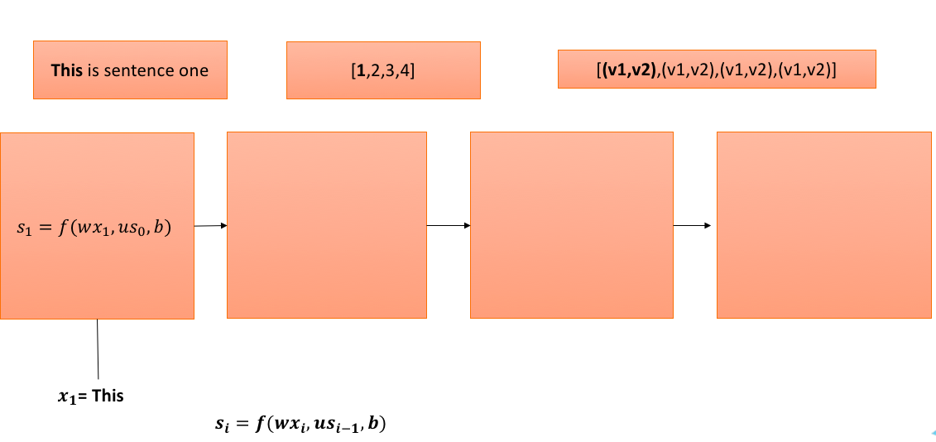
 | Word Vector |  |  | W |  |  | U |  | b
This | 4 | 9 |  | 1 | 1 |  | 2 | 2 | 3 | 3
Is | 2 | 5 |  | 1 | 1 |  | 2 | 2
$$f=tanh⁡$$
sentence | 6 | 7
one | 3 | 2

s0
0 | 0

Step 1

 | Word Vector |  |  | W |  |  | U |  | b
This | 4 | 9 |  | 1 | 1 |  | 2 | 2 | 3 | 3
Is | 2 | 5 |  | 1 | 1 |  | 2 | 2
sentence | 6 | 7
one | 3 | 2

s0 |  |  | wx | 13 | 13 | us0 | 0 | 0
0 | 0

 |  | wx+us0+b | 16 | 16

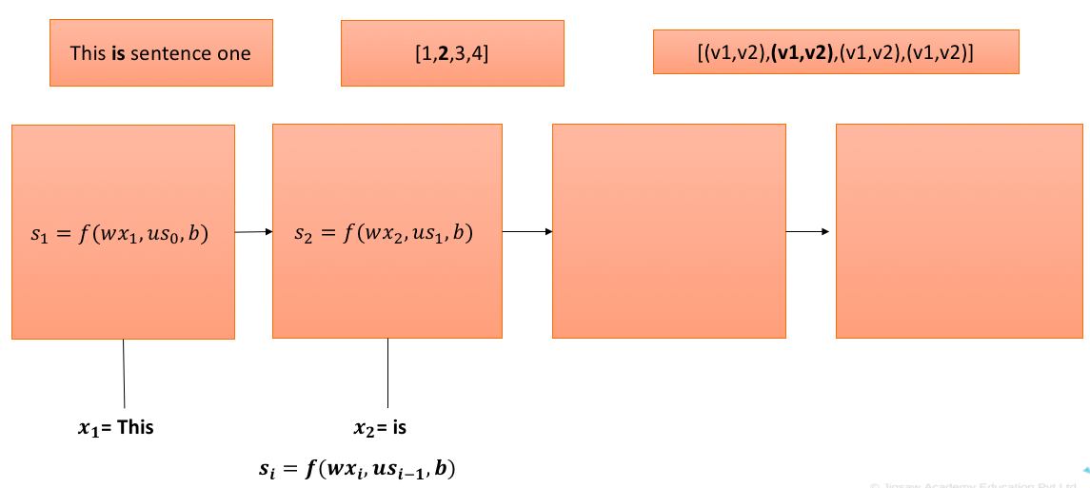
 |  | s1 | 1 | 1

Step 2

 | Word Vector |  |  | W |  |  | U |  | b
This | 4 | 9 |  | 1 | 1 |  | 2 | 2 | 3 | 3
Is | 2 | 5 |  | 1 | 1 |  | 2 | 2
sentence | 6 | 7
one | 3 | 2

s1 |  |  | wx | 7 | 7 | us1 | 4 | 4
1 | 1

 |  | wx+us1+b | 14 | 14

 |  | s2 | 1 | 1

Step 3

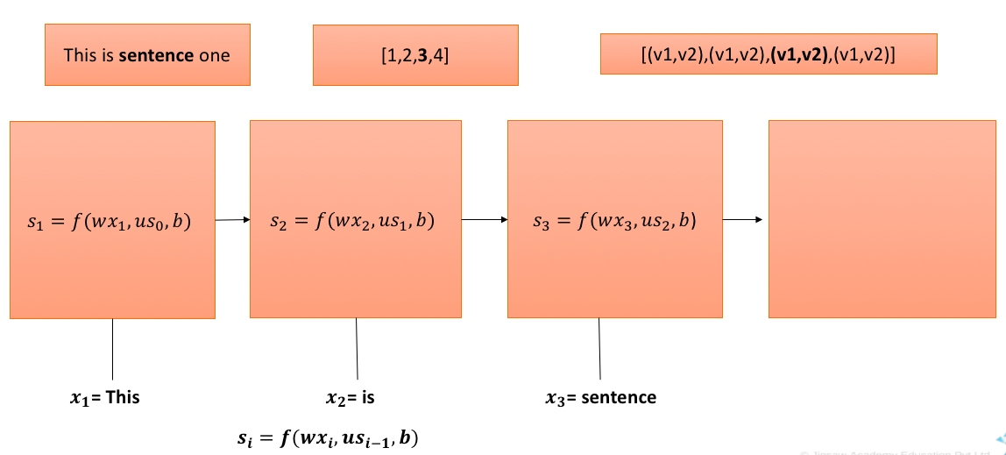
 | Word Vector |  |  | W |  |  | U |  | b
This | 4 | 9 |  | 1 | 1 |  | 2 | 2 | 3 | 3
Is | 2 | 5 |  | 1 | 1 |  | 2 | 2
sentence | 6 | 7
one | 3 | 2

s2 |  |  | wx | 13 | 13 | us2 | 4 | 4
1 | 1

 |  | wx+us2+b | 20 | 20

 |  | s3 | 1 | 1

Step 4

 | Word Vector |  |  | W |  |  | U |  | b
This | 4 | 9 |  | 1 | 1 |  | 2 | 2 | 3 | 3
Is | 2 | 5 |  | 1 | 1 |  | 2 | 2
sentence | 6 | 7
one | 3 | 2

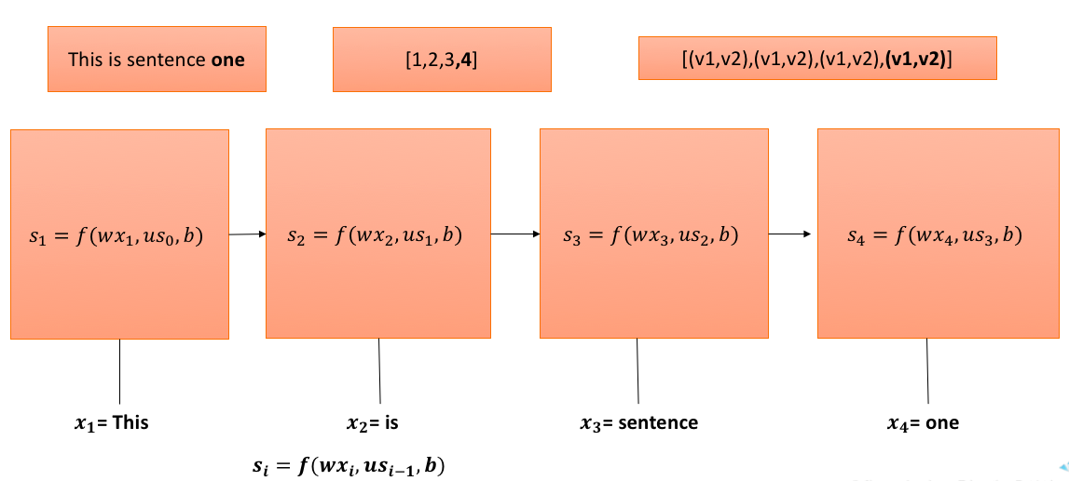
s3 |  |  | wx | 5 | 5 | us3 | 4 | 4
1 | 1

 |  | wx+us3+b | 12 | 12

 |  | s4 | 0.99999999992 | 0.99999999992

Regression
$$w_{11}^{2}$$
Age | Income | Expenses | Predicted Expenses | Error^2
30 | 90 | 25 | 17.25 | 7.75 |  |  | w0 | -0.21
40 | 56 | 19 | .. | ..
60 | 30 | 15 |  |  |  |  | 5.68 | 474.9 | Z
$$a_{1}^{2}=1$$
70 | 32 | 10 |  |  |  |  |  | 1 | f(z)
$$w_{12}^{2}$$
… |  |  |  | RSS
$$RSS=e_{1}^{2}+e_{2}^{2}+…+e_{n}^{2}$$
 |  |  |  |  | 30 |  | 3.39
 |  |  |  |  |  |  |  |  |  | w0 | 6.27
$$w_{11}^{3}$$
$$w_{12}^{3}$$
 |  |  |  |  |  |  |  |  |  | 4.51 | 17.2500001 | Z
 |  |  |  |  |  |  |  |  |  |  | 17.2500001 | f(z)=z

 |  |  |  |  | 90 |  | w0 | 0.66 |  | 6.48
$$w_{21}^{2}$$
$$a_{2}^{2}=1$$
$$w_{22}^{2}$$
 |  |  |  |  |  |  | 0.55
 |  |  |  |  |  | 0.42 |  | 54.52 | Z
 |  |  |  |  |  |  |  | 1 | f(z)

