TestCaseEvidence-Case1
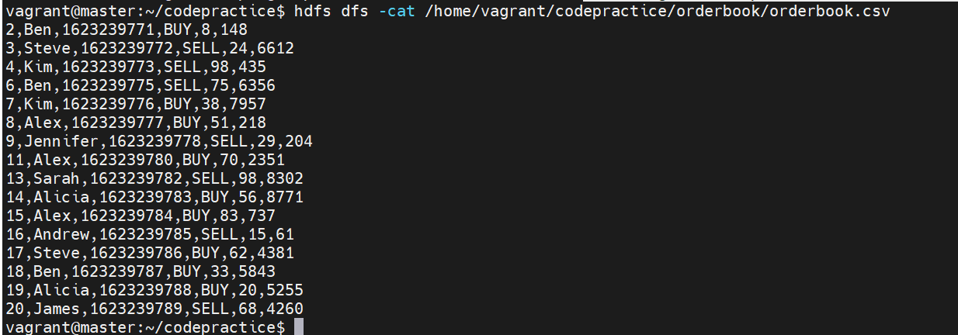
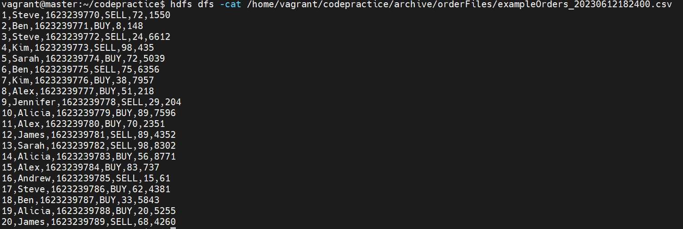
Test Evidence
Before Code Exectuion
InputFileDirectory | OutputFileDirectory | OrderBookDirectory | InputArchiveDirectory

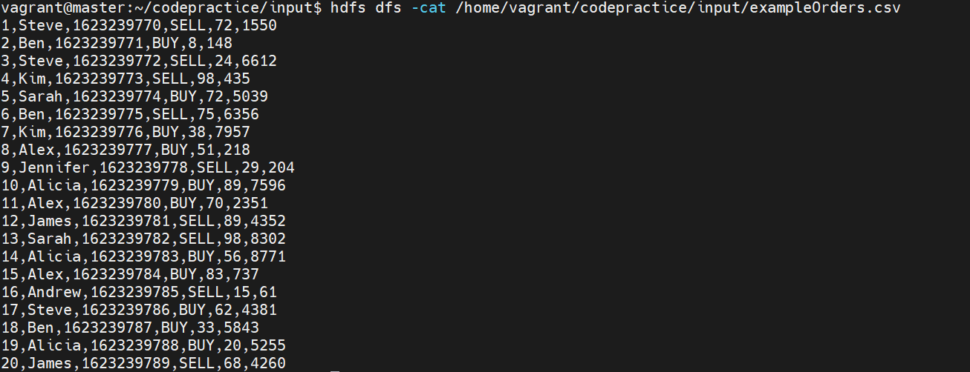
Input File Contents

AfterCodeExecution
Input File Directory | OutputFile Directory | orderBookDirectory | InputArchive Directory

 | Output File Content | orderBookContent | Archived File Content

TestCaseEvidence-Case2

Before Code Exectuion
InputFileDirectory | OutputFileDirectory | OrderBookDirectory | InputArchiveDirectory | orderBookArchiveDirectory

Input File Contents

 |  | orderBookContent

AfterCodeExecution
Input File Directory | OutputFile Directory | orderBookDirectory | InputArchive Directory | OrderBookArchive Directory

 | Latest Output File Content | orderBookContent | Latest Archived File Content | Latest Archived OrderBook File Content

