需求
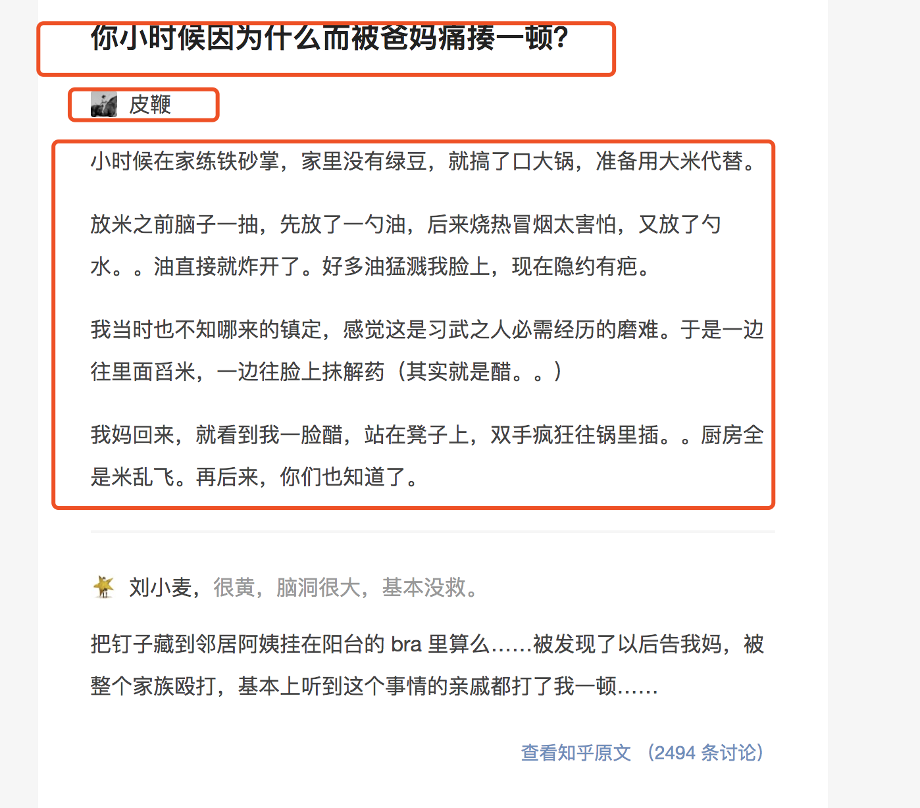

需求如图，包括三部分
title
用户名
内容文字（+图片）

