genotype
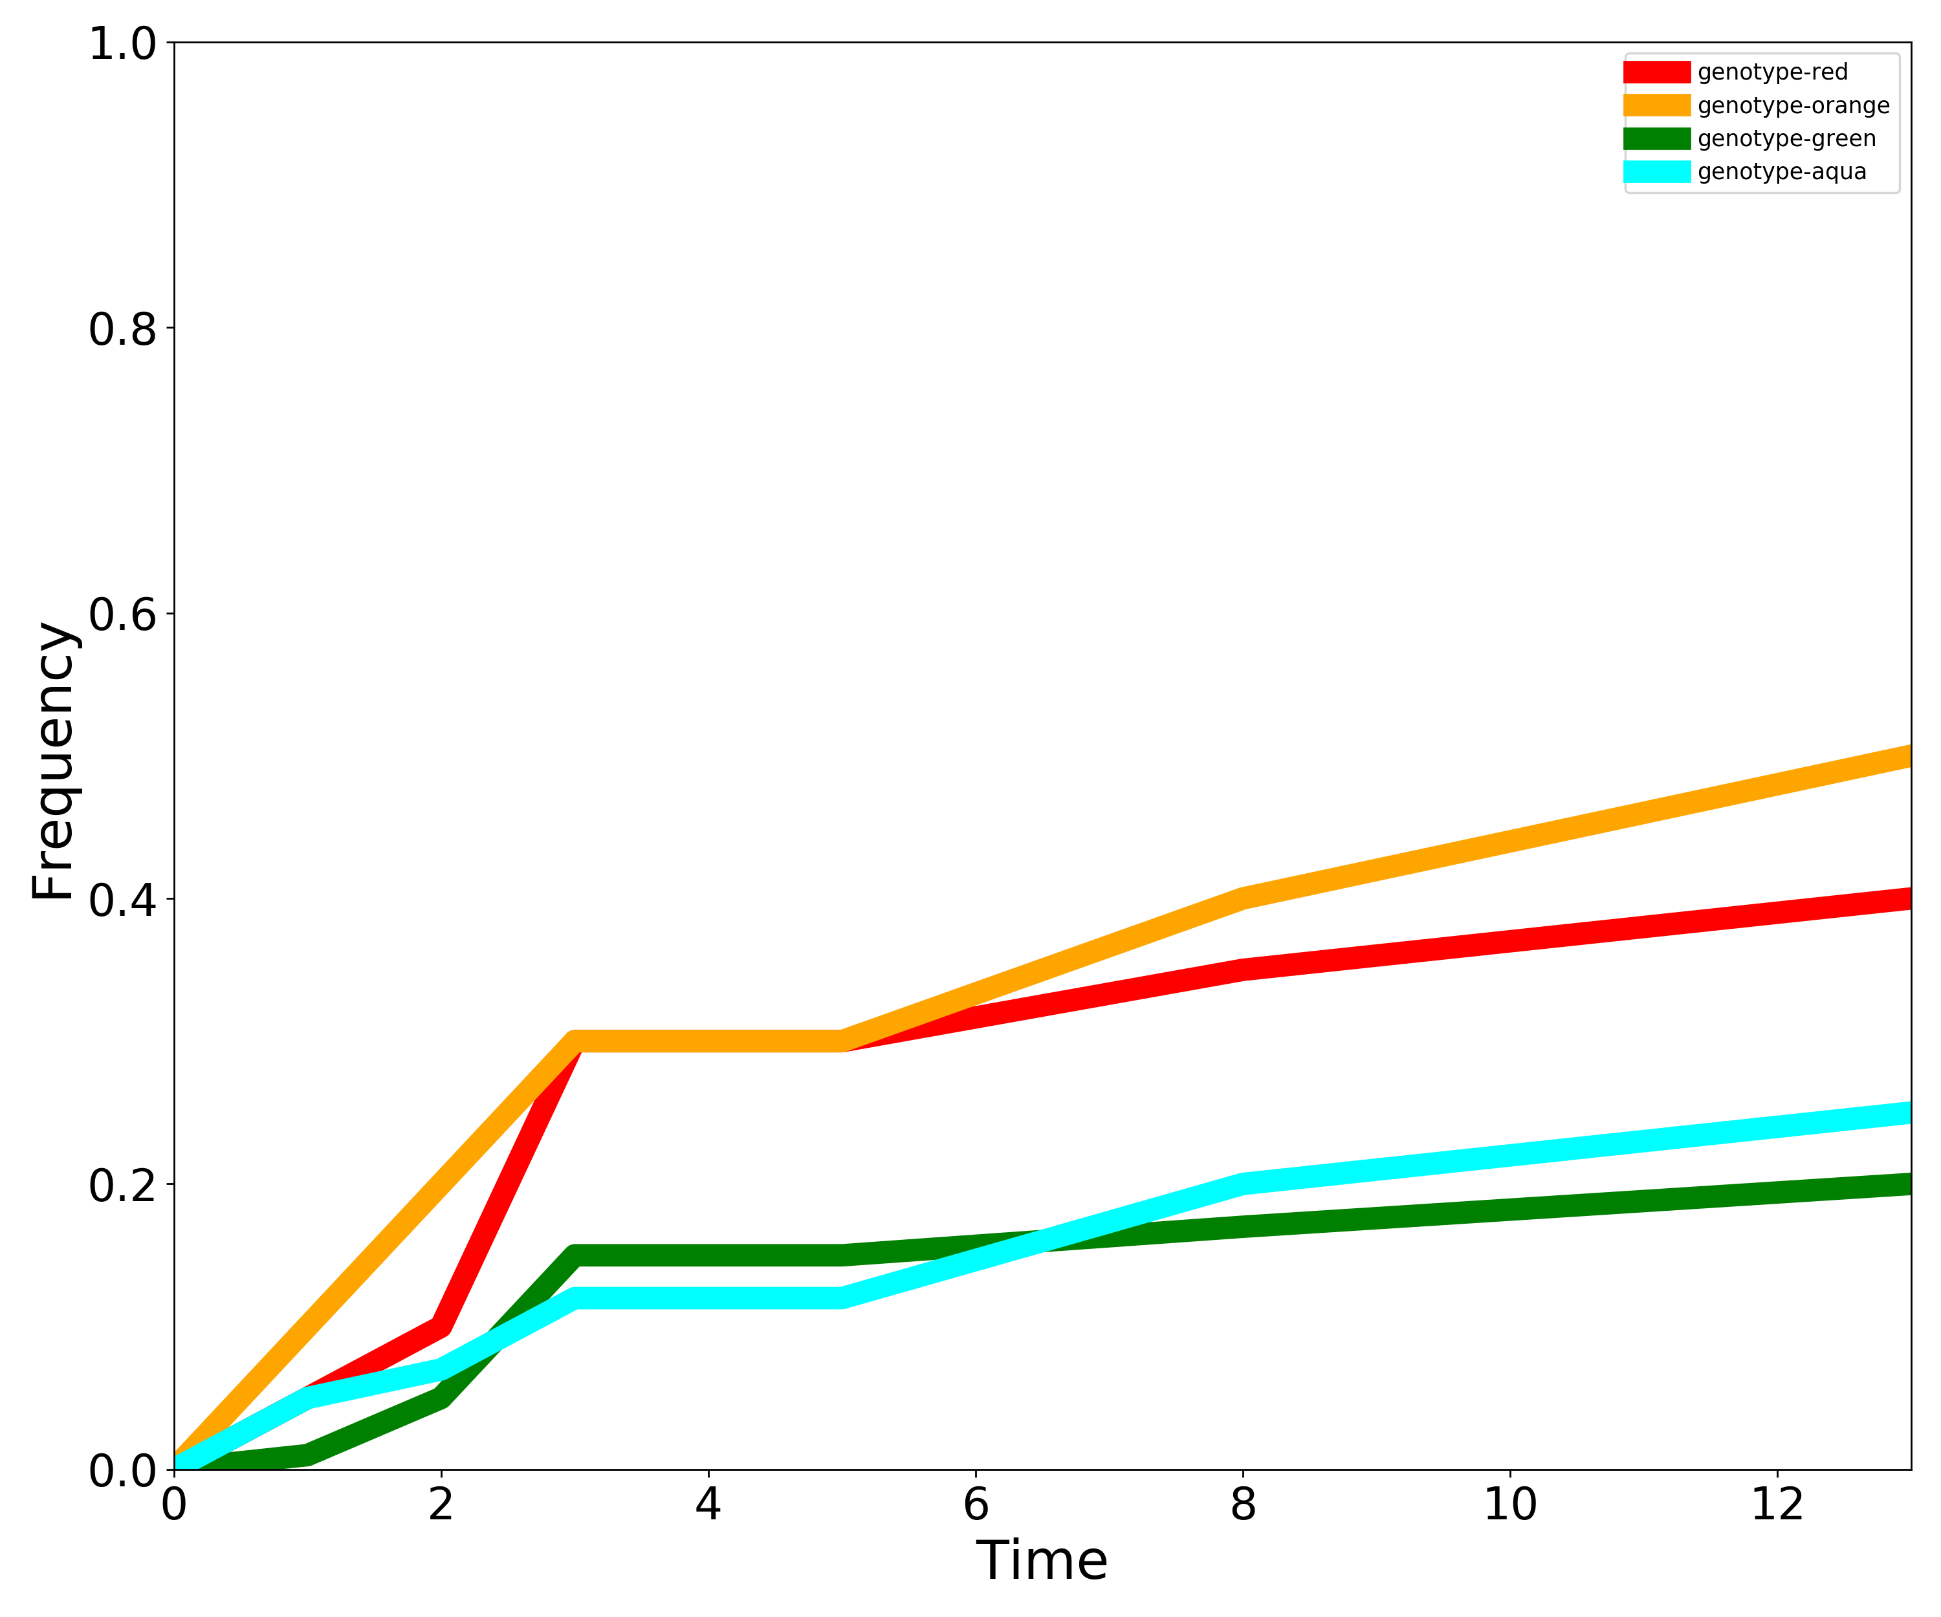
Genotype | 0 | 1 | 2 | 3 | 5 | 8 | 13
genotype-red | 0 | 0.05 | 0.1 | 0.3 | 0.3 | 0.35 | 0.4
genotype-orange | 0 | 0.1 | 0.2 | 0.3 | 0.3 | 0.4 | 0.5
genotype-green | 0 | 0.01 | 0.05 | 0.15 | 0.15 | 0.17 | 0.2
genotype-aqua | 0 | 0.05 | 0.07 | 0.12 | 0.12 | 0.2 | 0.25

