trajectory
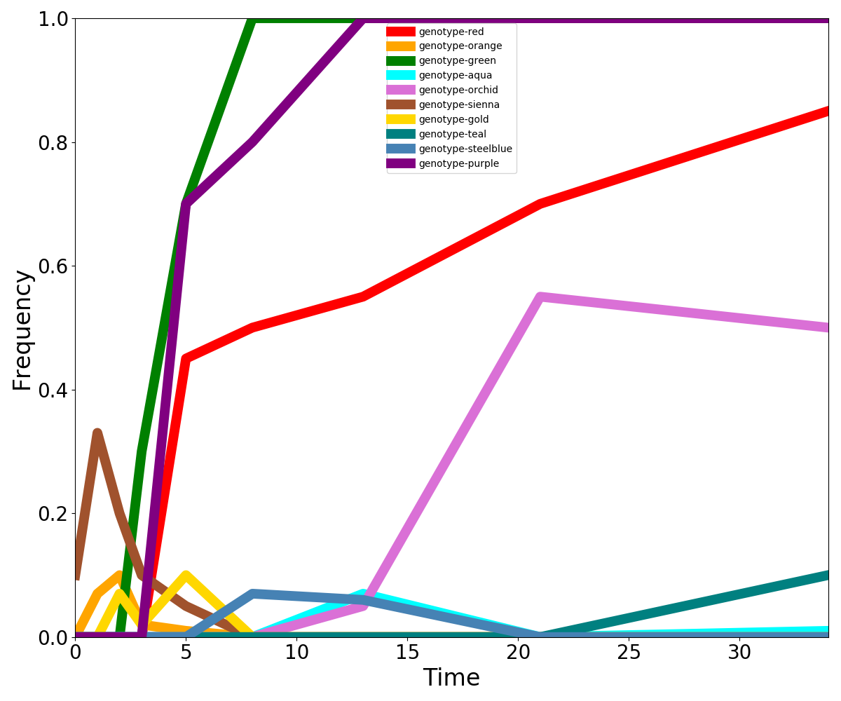
Trajectory | 0 | 1 | 2 | 3 | 5 | 8 | 13 | 21 | 34
genotype-red-1 | 0 | 0 | 0 | 0 | 0.45 | 0.5 | 0.55 | 0.7 | 0.85
genotype-orange-1 | 0 | 0.07 | 0.1 | 0.02 | 0.01 | 0 | 0 | 0 | 0
genotype-green-1 | 0 | 0 | 0 | 0.3 | 0.7 | 1 | 1 | 1 | 1
genotype-aqua-1 | 0 | 0 | 0 | 0 | 0 | 0 | 0.07 | 0 | 0.01
genotype-orchid-1 | 0 | 0 | 0 | 0 | 0 | 0 | 0.05 | 0.55 | 0.5
genotype-sienna-1 | 0.1 | 0.33 | 0.2 | 0.1 | 0.05 | 0 | 0 | 0 | 0
genotype-gold-1 | 0 | 0 | 0.07 | 0.02 | 0.1 | 0 | 0 | 0 | 0
genotype-teal-1 | 0 | 0 | 0 | 0 | 0 | 0 | 0 | 0 | 0.1
genotype-steelblue-1 | 0 | 0 | 0 | 0 | 0 | 0.07 | 0.06 | 0 | 0
genotype-purple-1 | 0 | 0 | 0 | 0 | 0.7 | 0.8 | 1 | 1 | 1

