genotype
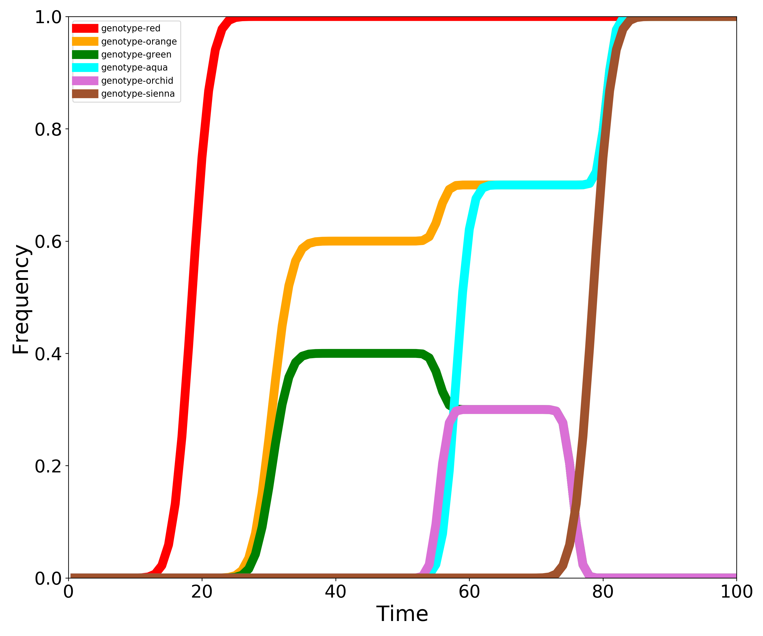
Genotype | 1 | 2 | 3 | 4 | 5 | 6 | 7 | 8 | 9 | 10 | 11 | 12 | 13 | 14 | 15 | 16 | 17 | 18 | 19 | 20 | 21 | 22 | 23 | 24 | 25 | 26 | 27 | 28 | 29 | 30 | 31 | 32 | 33 | 34 | 35 | 36 | 37 | 38 | 39 | 40 | 41 | 42 | 43 | 44 | 45 | 46 | 47 | 48 | 49 | 50 | 51 | 52 | 53 | 54 | 55 | 56 | 57 | 58 | 59 | 60 | 61 | 62 | 63 | 64 | 65 | 66 | 67 | 68 | 69 | 70 | 71 | 72 | 73 | 74 | 75 | 76 | 77 | 78 | 79 | 80 | 81 | 82 | 83 | 84 | 85 | 86 | 87 | 88 | 89 | 90 | 91 | 92 | 93 | 94 | 95 | 96 | 97 | 98 | 99 | 100
genotype-red | 0 | 0 | 0 | 0 | 0 | 0 | 0 | 0 | 0 | 6.2466970493E-05 | 0.00039381965593 | 0.0018378582749 | 0.0070085761252 | 0.022222408375 | 0.059007365638 | 0.13209929678 | 0.25145826471 | 0.41165027667 | 0.58834972333 | 0.74854173529 | 0.86790070322 | 0.94099263436 | 0.97777759162 | 0.99299142387 | 0.99816214173 | 0.99960618034 | 0.99993753303 | 1 | 1 | 1 | 1 | 1 | 1 | 1 | 1 | 1 | 1 | 1 | 1 | 1 | 1 | 1 | 1 | 1 | 1 | 1 | 1 | 1 | 1 | 1 | 1 | 1 | 1 | 1 | 1 | 1 | 1 | 1 | 1 | 1 | 1 | 1 | 1 | 1 | 1 | 1 | 1 | 1 | 1 | 1 | 1 | 1 | 1 | 1 | 1 | 1 | 1 | 1 | 1 | 1 | 1 | 1 | 1 | 1 | 1 | 1 | 1 | 1 | 1 | 1 | 1 | 1 | 1 | 1 | 1 | 1 | 1 | 1 | 1 | 1
genotype-orange | 0 | 0 | 0 | 0 | 0 | 0 | 0 | 0 | 0 | 0 | 0 | 0 | 0 | 0 | 0 | 0 | 0 | 0 | 0 | 0 | 0 | 3.7480182296E-05 | 0.00023629179356 | 0.0011027149649 | 0.0042051456751 | 0.013333445025 | 0.035404419383 | 0.079259578068 | 0.15087495883 | 0.246990166 | 0.353009834 | 0.44912504117 | 0.52074042193 | 0.56459558062 | 0.58666655497 | 0.59579485432 | 0.59889728504 | 0.59976370821 | 0.59996251982 | 0.6 | 0.6 | 0.6 | 0.6 | 0.6 | 0.6 | 0.6 | 0.6 | 0.6 | 0.6 | 0.6 | 0.6 | 0.60004726794 | 0.60092002207 | 0.60786402955 | 0.63186719385 | 0.66813280615 | 0.69213597045 | 0.69907997793 | 0.69995273206 | 0.7 | 0.7 | 0.7 | 0.7 | 0.7 | 0.7 | 0.7 | 0.7 | 0.7 | 0.7 | 0.7 | 0.7 | 0.7 | 0.7 | 0.7 | 0.7 | 0.7 | 0.70014180383 | 0.70276006621 | 0.72359208864 | 0.79560158155 | 0.90439841845 | 0.97640791136 | 0.99723993379 | 0.99985819617 | 1 | 1 | 1 | 1 | 1 | 1 | 1 | 1 | 1 | 1 | 1 | 1 | 1 | 1 | 1 | 1
genotype-green | 0 | 0 | 0 | 0 | 0 | 0 | 0 | 0 | 0 | 0 | 0 | 0 | 0 | 0 | 0 | 0 | 0 | 0 | 0 | 0 | 0 | 0 | 3.1876587566E-05 | 0.00023100657993 | 0.0012049487395 | 0.0049351617299 | 0.016124457112 | 0.042414780186 | 0.090805040094 | 0.16058355819 | 0.23941644181 | 0.30919495991 | 0.35758521981 | 0.38387554289 | 0.39506483827 | 0.39879505126 | 0.39976899342 | 0.39996812341 | 0.4 | 0.4 | 0.4 | 0.4 | 0.4 | 0.4 | 0.4 | 0.4 | 0.4 | 0.4 | 0.4 | 0.4 | 0.4 | 0.39995273206 | 0.39907997793 | 0.39213597045 | 0.36813280615 | 0.33186719385 | 0.30786402955 | 0.30092002207 | 0.30004726794 | 0.3 | 0.3 | 0.3 | 0.3 | 0.3 | 0.3 | 0.3 | 0.3 | 0.3 | 0.3 | 0.3 | 0.3 | 0.29985819617 | 0.29723993379 | 0.27640791136 | 0.20439841845 | 0.095601581547 | 0.023592088644 | 0.0027600662148 | 0.0001418038255 | 0 | 0 | 0 | 0 | 0 | 0 | 0 | 0 | 0 | 0 | 0 | 0 | 0 | 0 | 0 | 0 | 0 | 0 | 0 | 0 | 0
genotype-aqua | 0 | 0 | 0 | 0 | 0 | 0 | 0 | 0 | 0 | 0 | 0 | 0 | 0 | 0 | 0 | 0 | 0 | 0 | 0 | 0 | 0 | 0 | 0 | 0 | 0 | 0 | 0 | 0 | 0 | 0 | 0 | 0 | 0 | 0 | 0 | 0 | 0 | 0 | 0 | 0 | 0 | 0 | 0 | 0 | 0 | 0 | 0 | 0 | 0 | 0 | 0 | 8.898051661E-05 | 0.00084692908223 | 0.0053596846875 | 0.024150563418 | 0.078898822188 | 0.19055536984 | 0.35 | 0.50944463016 | 0.62110117781 | 0.67584943658 | 0.69464031531 | 0.69915307092 | 0.69991101948 | 0.7 | 0.7 | 0.7 | 0.7 | 0.7 | 0.7 | 0.7 | 0.7 | 0.7 | 0.7 | 0.7 | 0.7 | 0.70014180383 | 0.70276006621 | 0.72359208864 | 0.79560158155 | 0.90439841845 | 0.97640791136 | 0.99723993379 | 0.99985819617 | 1 | 1 | 1 | 1 | 1 | 1 | 1 | 1 | 1 | 1 | 1 | 1 | 1 | 1 | 1 | 1
genotype-orchid | 0 | 0 | 0 | 0 | 0 | 0 | 0 | 0 | 0 | 0 | 0 | 0 | 0 | 0 | 0 | 0 | 0 | 0 | 0 | 0 | 0 | 0 | 0 | 0 | 0 | 0 | 0 | 0 | 0 | 0 | 0 | 0 | 0 | 0 | 0 | 0 | 0 | 0 | 0 | 0 | 0 | 0 | 0 | 0 | 0 | 0 | 0 | 0 | 0 | 0 | 0 | 0.0001418038255 | 0.0027600662148 | 0.023592088644 | 0.095601581547 | 0.20439841845 | 0.27640791136 | 0.29723993379 | 0.29985819617 | 0.3 | 0.3 | 0.3 | 0.3 | 0.3 | 0.3 | 0.3 | 0.3 | 0.3 | 0.3 | 0.3 | 0.3 | 0.29985819617 | 0.29723993379 | 0.27640791136 | 0.20439841845 | 0.095601581547 | 0.023592088644 | 0.0027600662148 | 0.0001418038255 | 0 | 0 | 0 | 0 | 0 | 0 | 0 | 0 | 0 | 0 | 0 | 0 | 0 | 0 | 0 | 0 | 0 | 0 | 0 | 0 | 0
genotype-sienna | 0 | 0 | 0 | 0 | 0 | 0 | 0 | 0 | 0 | 0 | 0 | 0 | 0 | 0 | 0 | 0 | 0 | 0 | 0 | 0 | 0 | 0 | 0 | 0 | 0 | 0 | 0 | 0 | 0 | 0 | 0 | 0 | 0 | 0 | 0 | 0 | 0 | 0 | 0 | 0 | 0 | 0 | 0 | 0 | 0 | 0 | 0 | 0 | 0 | 0 | 0 | 0 | 0 | 0 | 0 | 0 | 0 | 0 | 0 | 0 | 0 | 0 | 0 | 0 | 0 | 0 | 0 | 0 | 0 | 6.2466970493E-05 | 0.00039381965593 | 0.0018378582749 | 0.0070085761252 | 0.022222408375 | 0.059007365638 | 0.13209929678 | 0.25145826471 | 0.41165027667 | 0.58834972333 | 0.74854173529 | 0.86790070322 | 0.94099263436 | 0.97777759162 | 0.99299142387 | 0.99816214173 | 0.99960618034 | 0.99993753303 | 1 | 1 | 1 | 1 | 1 | 1 | 1 | 1 | 1 | 1 | 1 | 1 | 1

