genotype
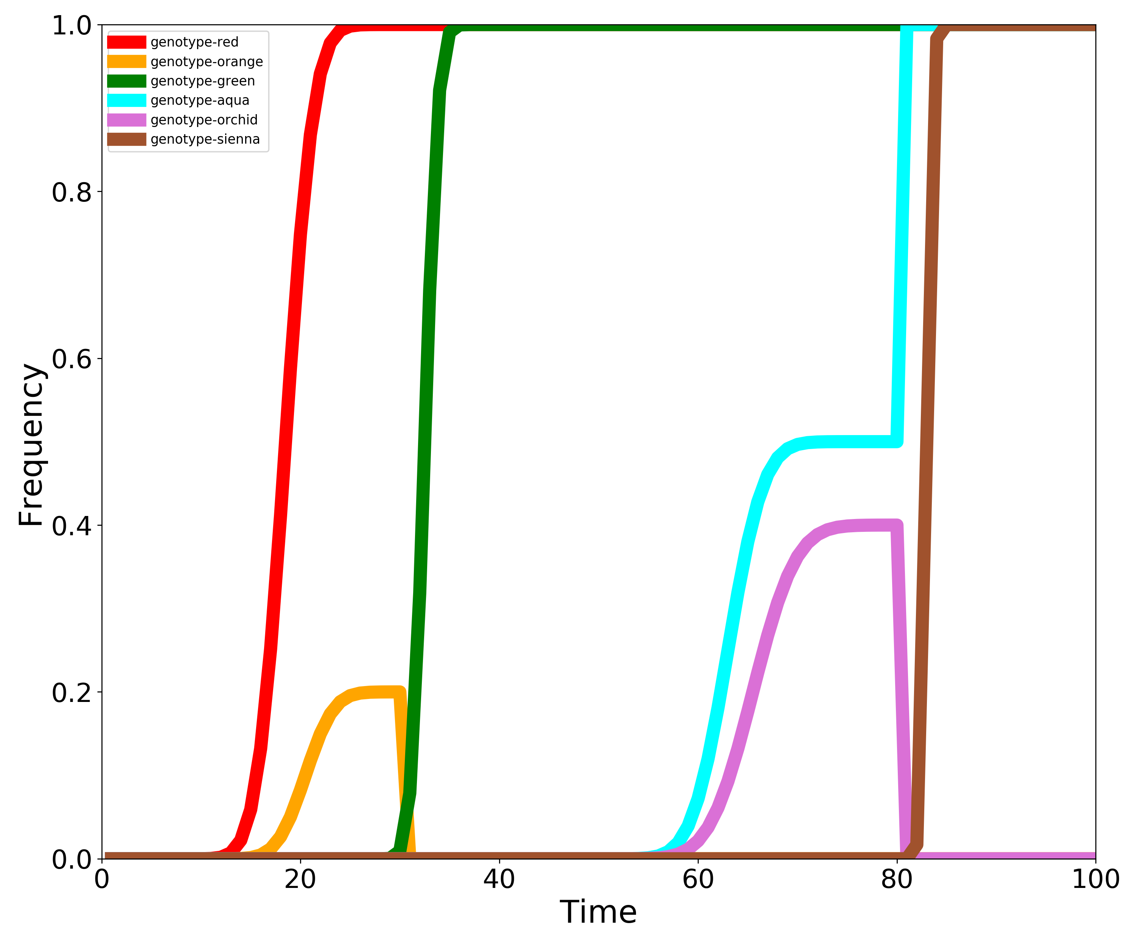
Genotype | 1 | 2 | 3 | 4 | 5 | 6 | 7 | 8 | 9 | 10 | 11 | 12 | 13 | 14 | 15 | 16 | 17 | 18 | 19 | 20 | 21 | 22 | 23 | 24 | 25 | 26 | 27 | 28 | 29 | 30 | 31 | 32 | 33 | 34 | 35 | 36 | 37 | 38 | 39 | 40 | 41 | 42 | 43 | 44 | 45 | 46 | 47 | 48 | 49 | 50 | 51 | 52 | 53 | 54 | 55 | 56 | 57 | 58 | 59 | 60 | 61 | 62 | 63 | 64 | 65 | 66 | 67 | 68 | 69 | 70 | 71 | 72 | 73 | 74 | 75 | 76 | 77 | 78 | 79 | 80 | 81 | 82 | 83 | 84 | 85 | 86 | 87 | 88 | 89 | 90 | 91 | 92 | 93 | 94 | 95 | 96 | 97 | 98 | 99 | 100
genotype-red | 0 | 0 | 0 | 0 | 0 | 0 | 0 | 0 | 0 | 6.2466970493E-05 | 0.00039381965593 | 0.0018378582749 | 0.0070085761252 | 0.022222408375 | 0.059007365638 | 0.13209929678 | 0.25145826471 | 0.41165027667 | 0.58834972333 | 0.74854173529 | 0.86790070322 | 0.94099263436 | 0.97777759162 | 0.99299142387 | 0.99816214173 | 0.99960618034 | 0.99993753303 | 1 | 1 | 1 | 1 | 1 | 1 | 1 | 1 | 1 | 1 | 1 | 1 | 1 | 1 | 1 | 1 | 1 | 1 | 1 | 1 | 1 | 1 | 1 | 1 | 1 | 1 | 1 | 1 | 1 | 1 | 1 | 1 | 1 | 1 | 1 | 1 | 1 | 1 | 1 | 1 | 1 | 1 | 1 | 1 | 1 | 1 | 1 | 1 | 1 | 1 | 1 | 1 | 1 | 1 | 1 | 1 | 1 | 1 | 1 | 1 | 1 | 1 | 1 | 1 | 1 | 1 | 1 | 1 | 1 | 1 | 1 | 1 | 1
genotype-orange | 0 | 0 | 0 | 0 | 0 | 0 | 0 | 0 | 0 | 0 | 0 | 1.2493394099E-05 | 7.8763931186E-05 | 0.00036757165497 | 0.001401715225 | 0.0044444816751 | 0.011801473128 | 0.026419859356 | 0.050291652942 | 0.082330055334 | 0.11766994467 | 0.14970834706 | 0.17358014064 | 0.18819852687 | 0.19555551832 | 0.19859828477 | 0.19963242835 | 0.19992123607 | 0.19998750661 | 0.2 | 0 | 0 | 0 | 0 | 0 | 0 | 0 | 0 | 0 | 0 | 0 | 0 | 0 | 0 | 0 | 0 | 0 | 0 | 0 | 0 | 0 | 0 | 0 | 0 | 0 | 0 | 0 | 0 | 0 | 0 | 0 | 0 | 0 | 0 | 0 | 0 | 0 | 0 | 0 | 0 | 0 | 0 | 0 | 0 | 0 | 0 | 0 | 0 | 0 | 0 | 0 | 0 | 0 | 0 | 0 | 0 | 0 | 0 | 0 | 0 | 0 | 0 | 0 | 0 | 0 | 0 | 0 | 0 | 0 | 0
genotype-green | 0 | 0 | 0 | 0 | 0 | 0 | 0 | 0 | 0 | 0 | 0 | 0 | 0 | 0 | 0 | 0 | 0 | 0 | 0 | 0 | 0 | 0 | 0 | 0 | 0 | 0 | 0 | 0 | 0.00047267941835 | 0.009200220716 | 0.07864029548 | 0.31867193849 | 0.68132806151 | 0.92135970452 | 0.99079977928 | 0.99952732058 | 1 | 1 | 1 | 1 | 1 | 1 | 1 | 1 | 1 | 1 | 1 | 1 | 1 | 1 | 1 | 1 | 1 | 1 | 1 | 1 | 1 | 1 | 1 | 1 | 1 | 1 | 1 | 1 | 1 | 1 | 1 | 1 | 1 | 1 | 1 | 1 | 1 | 1 | 1 | 1 | 1 | 1 | 1 | 1 | 1 | 1 | 1 | 1 | 1 | 1 | 1 | 1 | 1 | 1 | 1 | 1 | 1 | 1 | 1 | 1 | 1 | 1 | 1 | 1
genotype-aqua | 0 | 0 | 0 | 0 | 0 | 0 | 0 | 0 | 0 | 0 | 0 | 0 | 0 | 0 | 0 | 0 | 0 | 0 | 0 | 0 | 0 | 0 | 0 | 0 | 0 | 0 | 0 | 0 | 0 | 0 | 0 | 0 | 0 | 0 | 0 | 0 | 0 | 0 | 0 | 0 | 0 | 0 | 0 | 0 | 0 | 0 | 0 | 0 | 0 | 0 | 0 | 1.9633289989E-05 | 9.6217505604E-05 | 0.00036016447863 | 0.001163936833 | 0.0033266330579 | 0.0084683778276 | 0.019269870993 | 0.03932014774 | 0.072207164055 | 0.11987215596 | 0.18091687638 | 0.25 | 0.31908312362 | 0.38012784404 | 0.42779283595 | 0.46067985226 | 0.48073012901 | 0.49153162217 | 0.49667336694 | 0.49883606317 | 0.49963983552 | 0.49990378249 | 0.49998036671 | 0.5 | 0.5 | 0.5 | 0.5 | 0.5 | 0.5 | 1 | 1 | 1 | 1 | 1 | 1 | 1 | 1 | 1 | 1 | 1 | 1 | 1 | 1 | 1 | 1 | 1 | 1 | 1 | 1
genotype-orchid | 0 | 0 | 0 | 0 | 0 | 0 | 0 | 0 | 0 | 0 | 0 | 0 | 0 | 0 | 0 | 0 | 0 | 0 | 0 | 0 | 0 | 0 | 0 | 0 | 0 | 0 | 0 | 0 | 0 | 0 | 0 | 0 | 0 | 0 | 0 | 0 | 0 | 0 | 0 | 0 | 0 | 0 | 0 | 0 | 0 | 0 | 0 | 0 | 0 | 0 | 0 | 1.1209463024E-05 | 4.6530539525E-05 | 0.0001487541084 | 0.00042048457608 | 0.0010839188102 | 0.0025716743098 | 0.005636043832 | 0.011433375663 | 0.021507192256 | 0.037585487437 | 0.061155894078 | 0.09289364369 | 0.13214618965 | 0.17673672218 | 0.22326327782 | 0.26785381035 | 0.30710635631 | 0.33884410592 | 0.36241451256 | 0.37849280774 | 0.38856662434 | 0.39436395617 | 0.39742832569 | 0.39891608119 | 0.39957951542 | 0.39985124589 | 0.39995346946 | 0.39998879054 | 0.4 | 0 | 0 | 0 | 0 | 0 | 0 | 0 | 0 | 0 | 0 | 0 | 0 | 0 | 0 | 0 | 0 | 0 | 0 | 0 | 0
genotype-sienna | 0 | 0 | 0 | 0 | 0 | 0 | 0 | 0 | 0 | 0 | 0 | 0 | 0 | 0 | 0 | 0 | 0 | 0 | 0 | 0 | 0 | 0 | 0 | 0 | 0 | 0 | 0 | 0 | 0 | 0 | 0 | 0 | 0 | 0 | 0 | 0 | 0 | 0 | 0 | 0 | 0 | 0 | 0 | 0 | 0 | 0 | 0 | 0 | 0 | 0 | 0 | 0 | 0 | 0 | 0 | 0 | 0 | 0 | 0 | 0 | 0 | 0 | 0 | 0 | 0 | 0 | 0 | 0 | 0 | 0 | 0 | 0 | 0 | 0 | 0 | 0 | 0 | 0 | 0 | 0 | 0 | 0.016936755655 | 0.5 | 0.98306324434 | 1 | 1 | 1 | 1 | 1 | 1 | 1 | 1 | 1 | 1 | 1 | 1 | 1 | 1 | 1 | 1

