trajectory
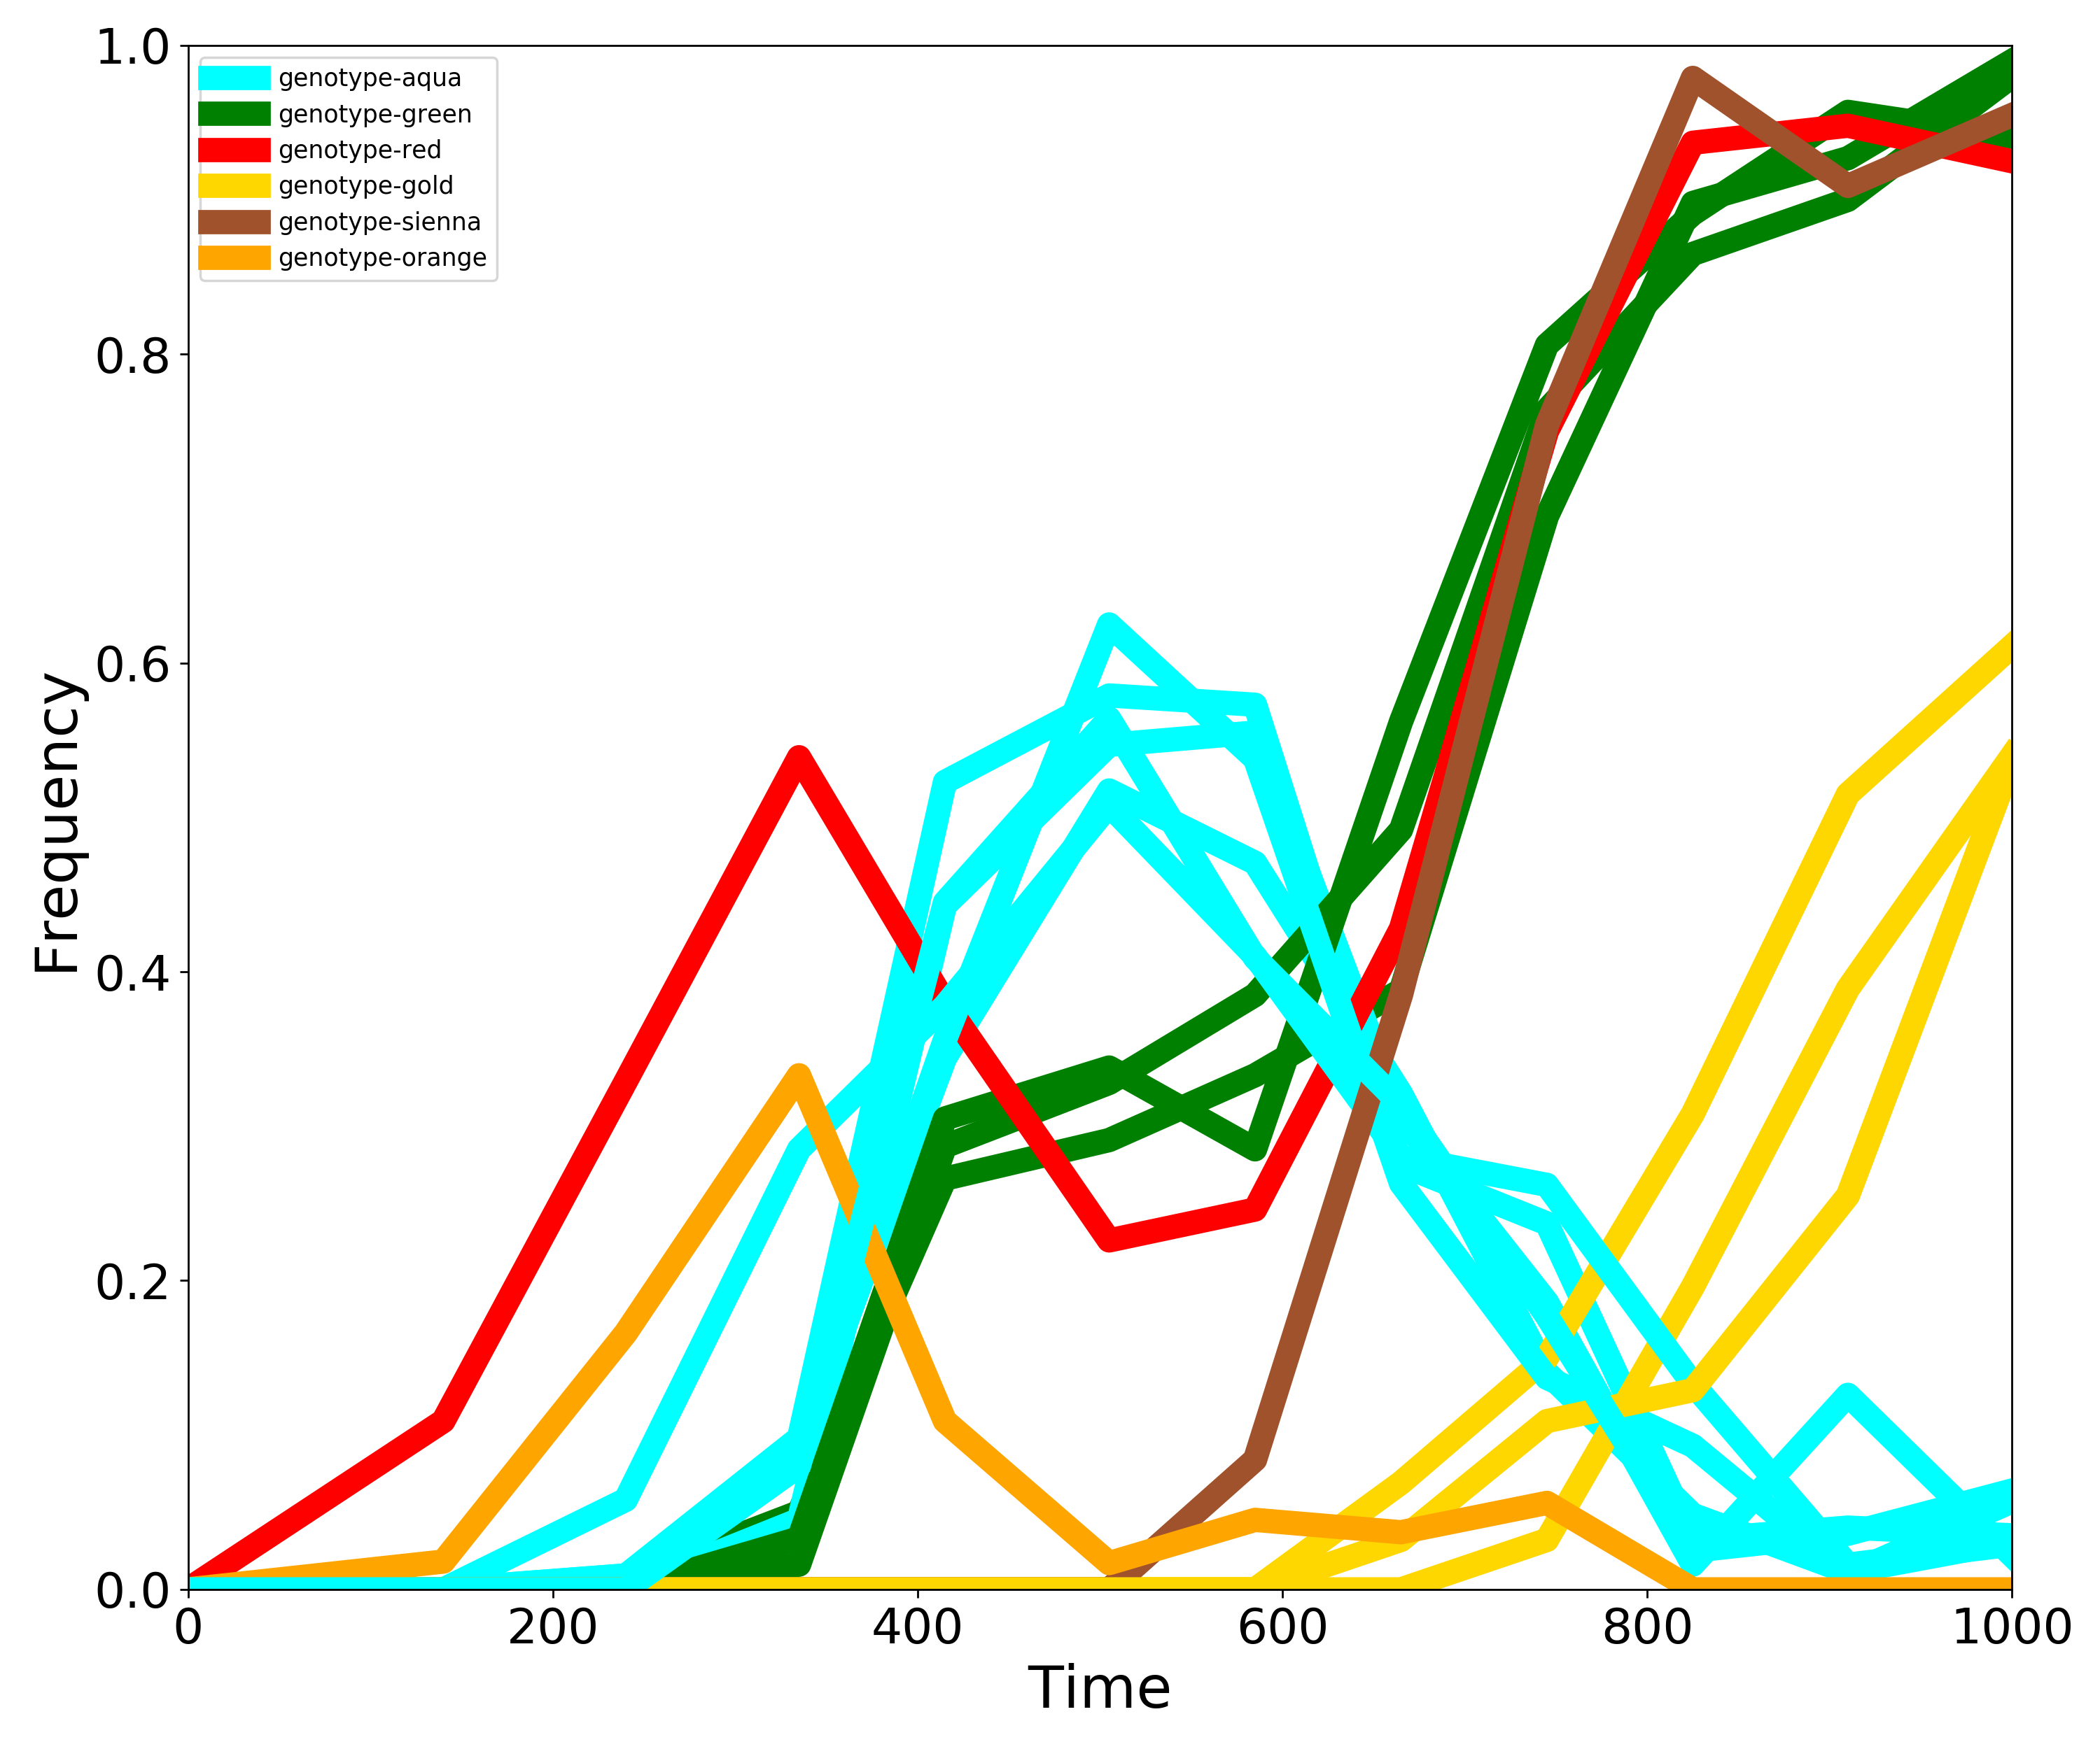
Trajectory | Genotype | 0 | 140 | 240 | 335 | 415 | 505 | 585 | 665 | 745 | 825 | 910 | 1000
genotype-aqua-1 | genotype-aqua | 0.00 | 0.00 | 0.00 | 0.09 | 0.34 | 0.52 | 0.47 | 0.32 | 0.14 | 0.05 | 0.01 | 0.03
genotype-green-1 | genotype-green | 0.00 | 0.00 | 0.01 | 0.05 | 0.27 | 0.29 | 0.33 | 0.39 | 0.70 | 0.90 | 0.93 | 0.99
genotype-aqua-2 | genotype-aqua | 0.00 | 0.00 | 0.00 | 0.05 | 0.44 | 0.55 | 0.56 | 0.31 | 0.19 | 0.02 | 0.13 | 0.02
genotype-aqua-3 | genotype-aqua | 0.00 | 0.00 | 0.01 | 0.10 | 0.52 | 0.58 | 0.57 | 0.28 | 0.24 | 0.03 | 0.04 | 0.04
genotype-green-2 | genotype-green | 0.00 | 0.00 | 0.00 | 0.03 | 0.31 | 0.34 | 0.29 | 0.56 | 0.81 | 0.89 | 0.96 | 0.94
genotype-green-3 | genotype-green | 0.00 | 0.00 | 0.00 | 0.02 | 0.29 | 0.33 | 0.39 | 0.49 | 0.76 | 0.87 | 0.90 | 0.98
genotype-red-1 | genotype-red | 0.00 | 0.11 | 0.33 | 0.54 | 0.38 | 0.23 | 0.25 | 0.43 | 0.75 | 0.94 | 0.95 | 0.93
genotype-gold-1 | genotype-gold | 0.00 | 0.00 | 0.00 | 0.00 | 0.00 | 0.00 | 0.00 | 0.07 | 0.15 | 0.31 | 0.52 | 0.61
genotype-gold-2 | genotype-gold | 0.00 | 0.00 | 0.00 | 0.00 | 0.00 | 0.00 | 0.00 | 0.00 | 0.03 | 0.20 | 0.39 | 0.54
genotype-aqua-4 | genotype-aqua | 0.00 | 0.00 | 0.01 | 0.09 | 0.36 | 0.63 | 0.54 | 0.26 | 0.14 | 0.09 | 0.01 | 0.06
genotype-aqua-5 | genotype-aqua | 0.00 | 0.00 | 0.06 | 0.29 | 0.38 | 0.51 | 0.41 | 0.28 | 0.26 | 0.13 | 0.02 | 0.03
genotype-sienna-1 | genotype-sienna | 0.00 | 0.00 | 0.00 | 0.00 | 0.00 | 0.00 | 0.08 | 0.39 | 0.75 | 0.98 | 0.91 | 0.96
genotype-gold-3 | genotype-gold | 0.00 | 0.00 | 0.00 | 0.00 | 0.00 | 0.00 | 0.00 | 0.03 | 0.11 | 0.13 | 0.26 | 0.54
genotype-orange-1 | genotype-orange | 0.00 | 0.02 | 0.17 | 0.33 | 0.11 | 0.02 | 0.05 | 0.04 | 0.06 | 0.00 | 0.00 | 0.00
genotype-aqua-6 | genotype-aqua | 0.00 | 0.00 | 0.00 | 0.08 | 0.45 | 0.56 | 0.41 | 0.31 | 0.18 | 0.03 | 0.04 | 0.06

genotype
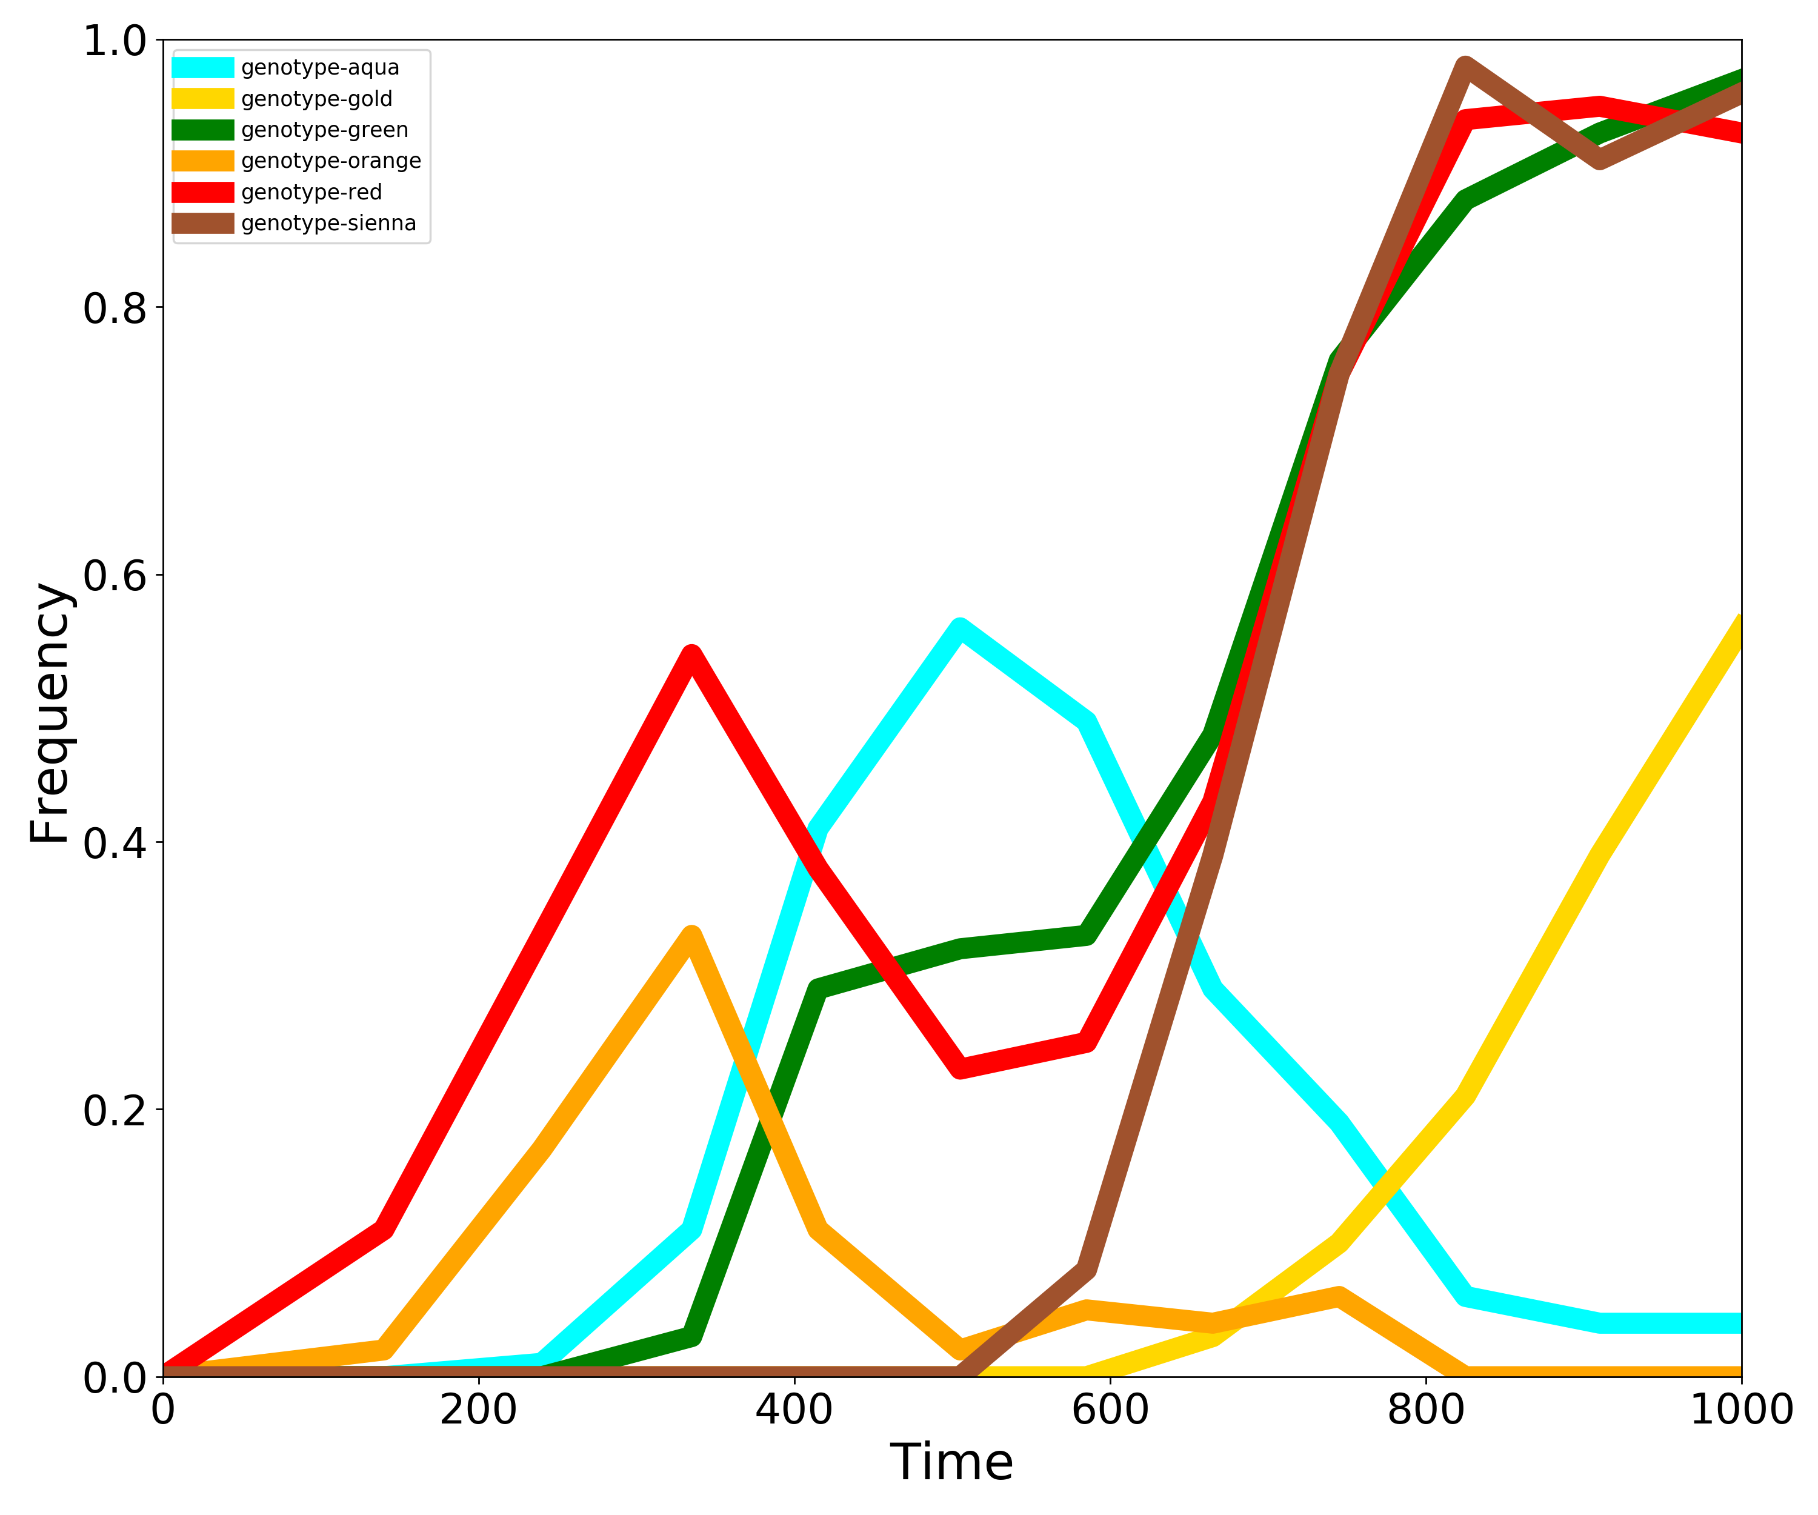
Genotype | 0 | 140 | 240 | 335 | 415 | 505 | 585 | 665 | 745 | 825 | 910 | 1000
genotype-aqua | 0.00 | 0.00 | 0.01 | 0.11 | 0.41 | 0.56 | 0.49 | 0.29 | 0.19 | 0.06 | 0.04 | 0.04
genotype-gold | 0.00 | 0.00 | 0.00 | 0.00 | 0.00 | 0.00 | 0.00 | 0.03 | 0.10 | 0.21 | 0.39 | 0.56
genotype-green | 0.00 | 0.00 | 0.00 | 0.03 | 0.29 | 0.32 | 0.33 | 0.48 | 0.76 | 0.88 | 0.93 | 0.97
genotype-orange | 0.00 | 0.02 | 0.17 | 0.33 | 0.11 | 0.02 | 0.05 | 0.04 | 0.06 | 0.00 | 0.00 | 0.00
genotype-red | 0.00 | 0.11 | 0.33 | 0.54 | 0.38 | 0.23 | 0.25 | 0.43 | 0.75 | 0.94 | 0.95 | 0.93
genotype-sienna | 0.00 | 0.00 | 0.00 | 0.00 | 0.00 | 0.00 | 0.08 | 0.39 | 0.75 | 0.98 | 0.91 | 0.96

