trajectory
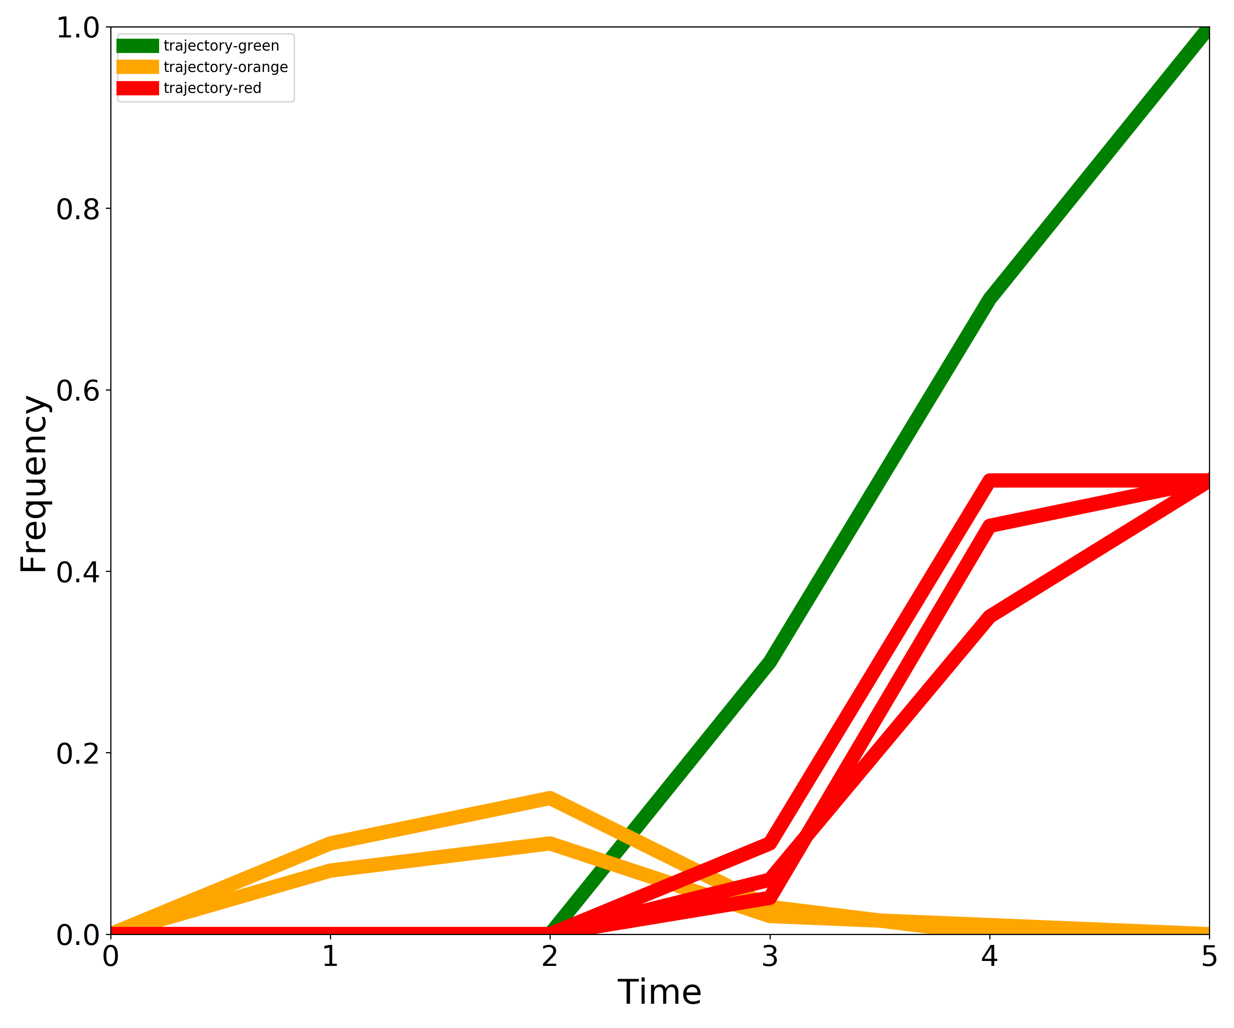
Trajectory | 0 | 1 | 2 | 3 | 4 | 5
trajectory-green-1 | 0 | 0 | 0 | 0.3 | 0.7 | 1
trajectory-orange-1 | 0 | 0.1 | 0.15 | 0.03 | 0 | 0
trajectory-orange-2 | 0 | 0.07 | 0.1 | 0.02 | 0.01 | 0
trajectory-red-1 | 0 | 0 | 0 | 0.1 | 0.5 | 0.5
trajectory-red-2 | 0 | 0 | 0 | 0.06 | 0.35 | 0.5
trajectory-red-3 | 0 | 0 | 0 | 0.04 | 0.45 | 0.5

unsorted
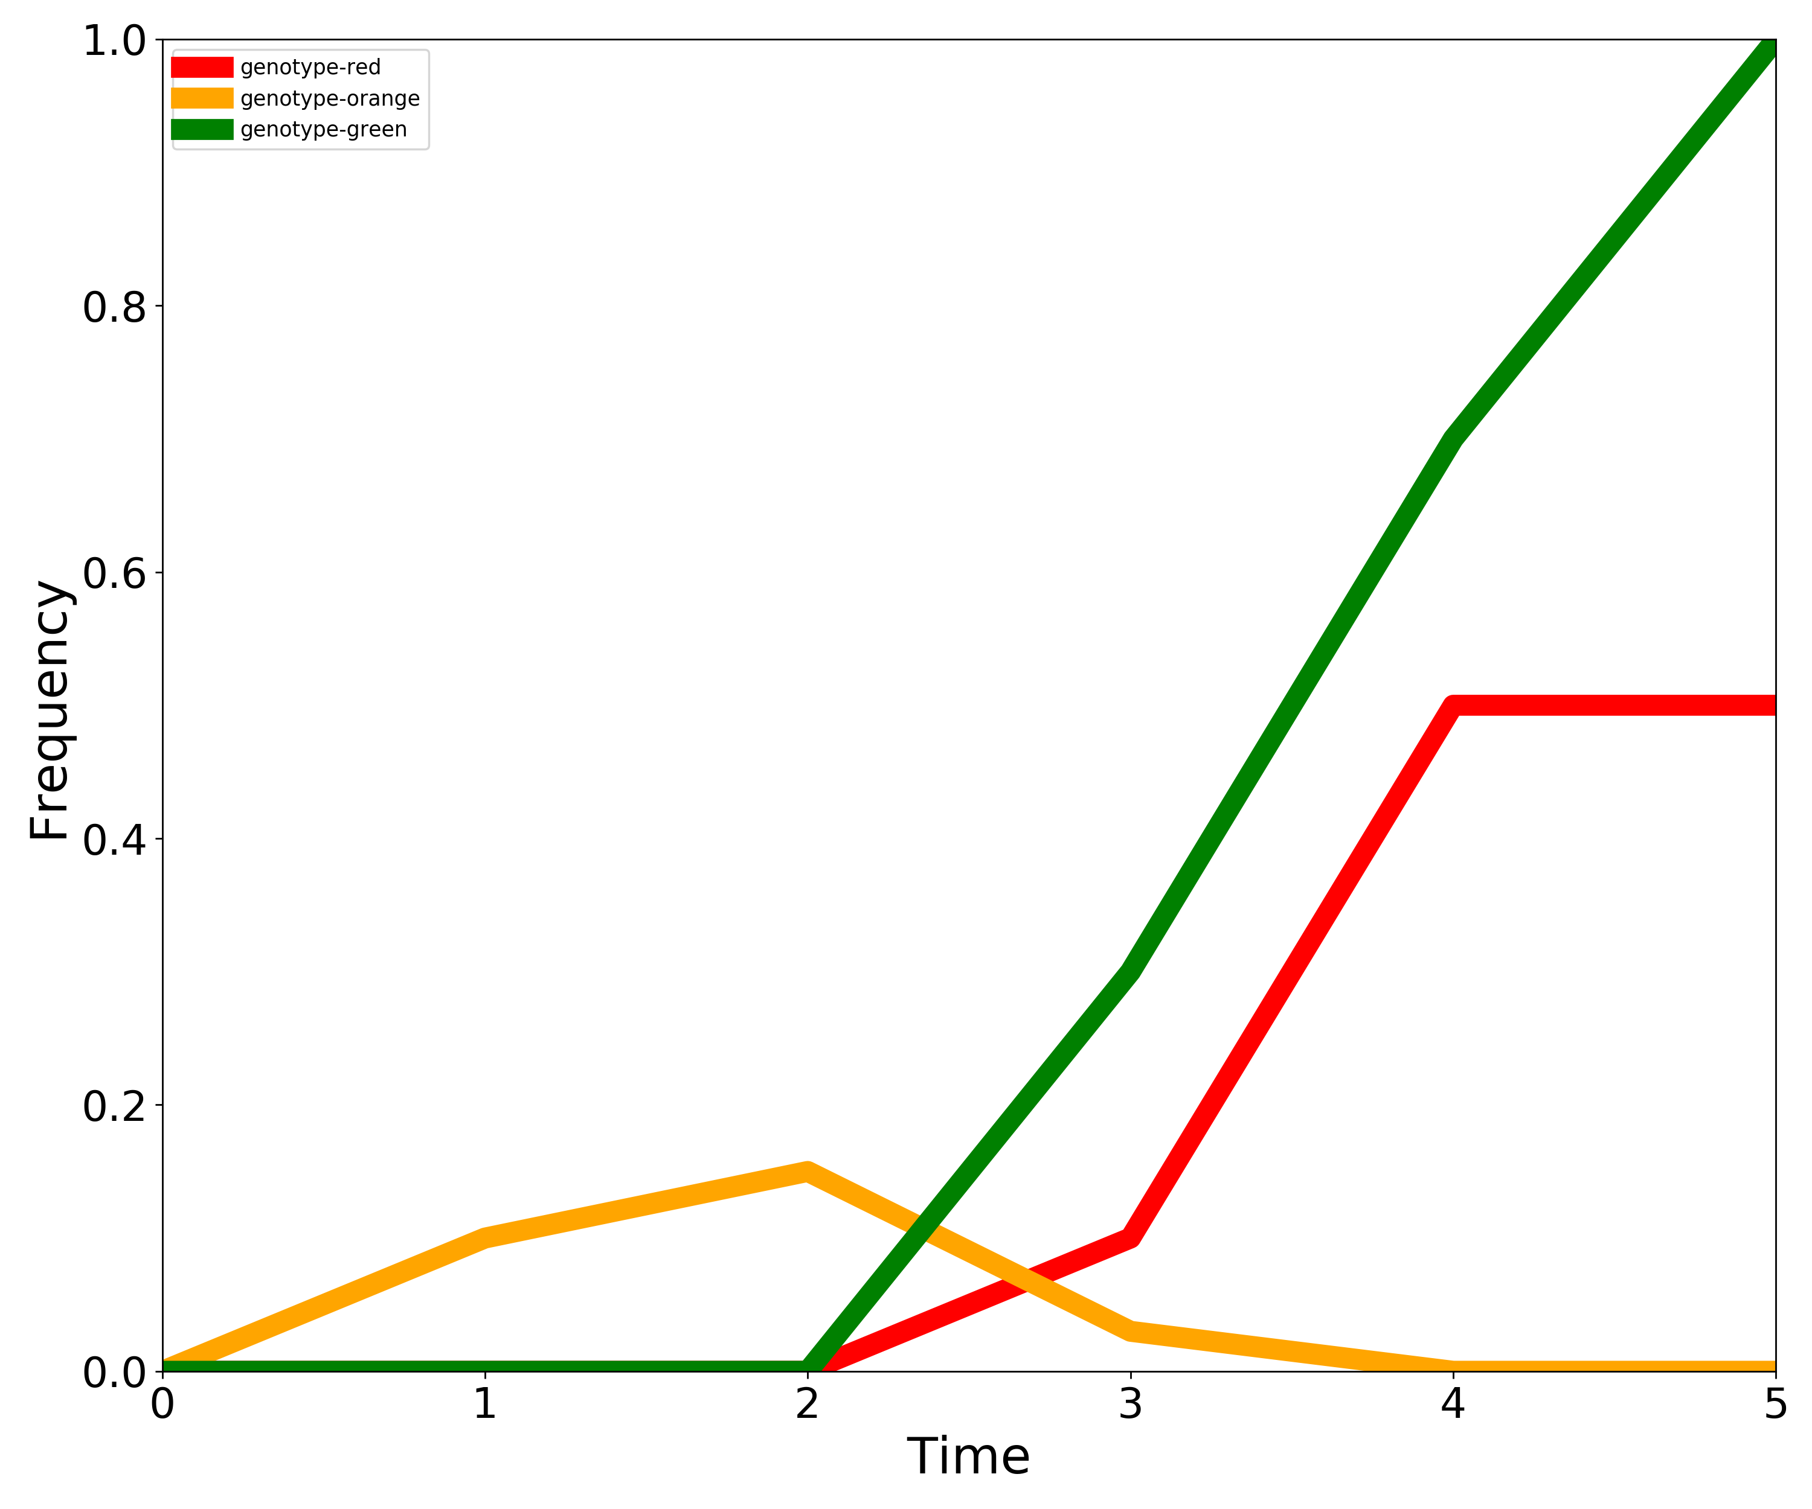
Genotype | 0 | 1 | 2 | 3 | 4 | 5
genotype-red | 0 | 0 | 0 | 0.066666666667 | 0.43333333333 | 0.5
genotype-orange | 0 | 0.085 | 0.125 | 0.025 | 0.005 | 0
genotype-green | 0 | 0 | 0 | 0.3 | 0.7 | 1

