trajectory
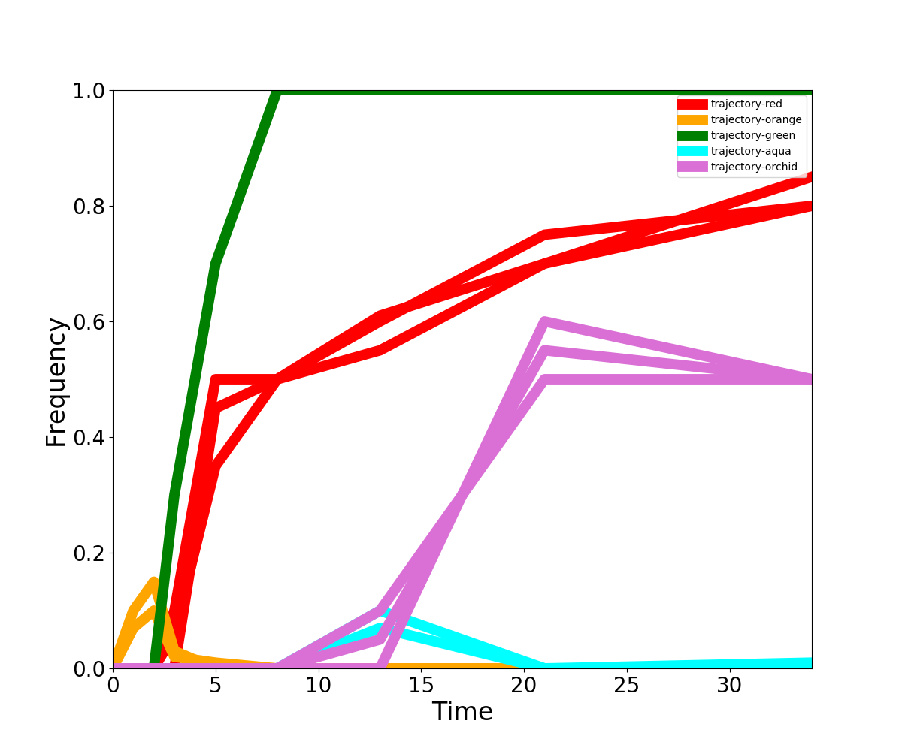
Trajectory | 0 | 1 | 2 | 3 | 5 | 8 | 13 | 21 | 34
trajectory-red-1 | 0 | 0 | 0 | 0.1 | 0.5 | 0.5 | 0.61 | 0.7 | 0.8
trajectory-red-2 | 0 | 0 | 0 | 0.06 | 0.35 | 0.5 | 0.6 | 0.75 | 0.8
trajectory-red-3 | 0 | 0 | 0 | 0 | 0.45 | 0.5 | 0.55 | 0.7 | 0.85
trajectory-orange-1 | 0 | 0.1 | 0.15 | 0.03 | 0 | 0 | 0 | 0 | 0
trajectory-orange-2 | 0 | 0.07 | 0.1 | 0.02 | 0.01 | 0 | 0 | 0 | 0
trajectory-green-1 | 0 | 0 | 0 | 0.3 | 0.7 | 1 | 1 | 1 | 1
trajectory-aqua-1 | 0 | 0 | 0 | 0 | 0 | 0 | 0.1 | 0 | 0
trajectory-aqua-2 | 0 | 0 | 0 | 0 | 0 | 0 | 0.07 | 0 | 0.01
trajectory-orchid-1 | 0 | 0 | 0 | 0 | 0 | 0 | 0.1 | 0.5 | 0.5
trajectory-orchid-2 | 0 | 0 | 0 | 0 | 0 | 0 | 0.05 | 0.55 | 0.5
trajectory-orchid-3 | 0 | 0 | 0 | 0 | 0 | 0 | 0 | 0.6 | 0.5

unsorted
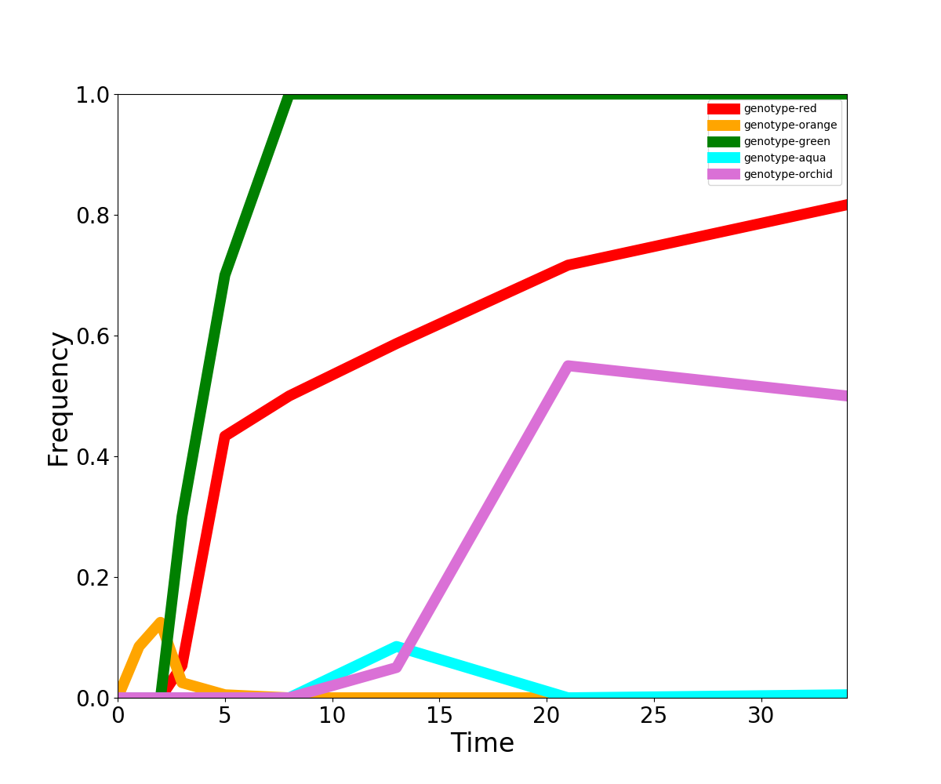
Genotype | 0 | 1 | 2 | 3 | 5 | 8 | 13 | 21 | 34
genotype-red | 0 | 0 | 0 | 0.053333333333 | 0.43333333333 | 0.5 | 0.58666666667 | 0.71666666667 | 0.81666666667
genotype-orange | 0 | 0.085 | 0.125 | 0.025 | 0.005 | 0 | 0 | 0 | 0
genotype-green | 0 | 0 | 0 | 0.3 | 0.7 | 1 | 1 | 1 | 1
genotype-aqua | 0 | 0 | 0 | 0 | 0 | 0 | 0.085 | 0 | 0.005
genotype-orchid | 0 | 0 | 0 | 0 | 0 | 0 | 0.05 | 0.55 | 0.5

