genotype
Genotype | 0 | 17 | 25 | 44 | 66 | 75 | 90
genotype-red | 0 | 0 | 0.261 | 1 | 1 | 1 | 1
genotype-orange | 0 | 0 | 0 | 0.138 | 0.295 | 0 | 0.081
genotype-green | 0 | 0 | 0 | 0 | 0.209 | 0.209 | 0
genotype-aqua | 0 | 0 | 0.066 | 0.104 | 0.062 | 0 | 0
genotype-orchid | 0 | 0 | 0 | 0 | 0 | 0.269 | 0.34
genotype-sienna | 0 | 0 | 0.117 | 0 | 0 | 0 | 0.103

edges
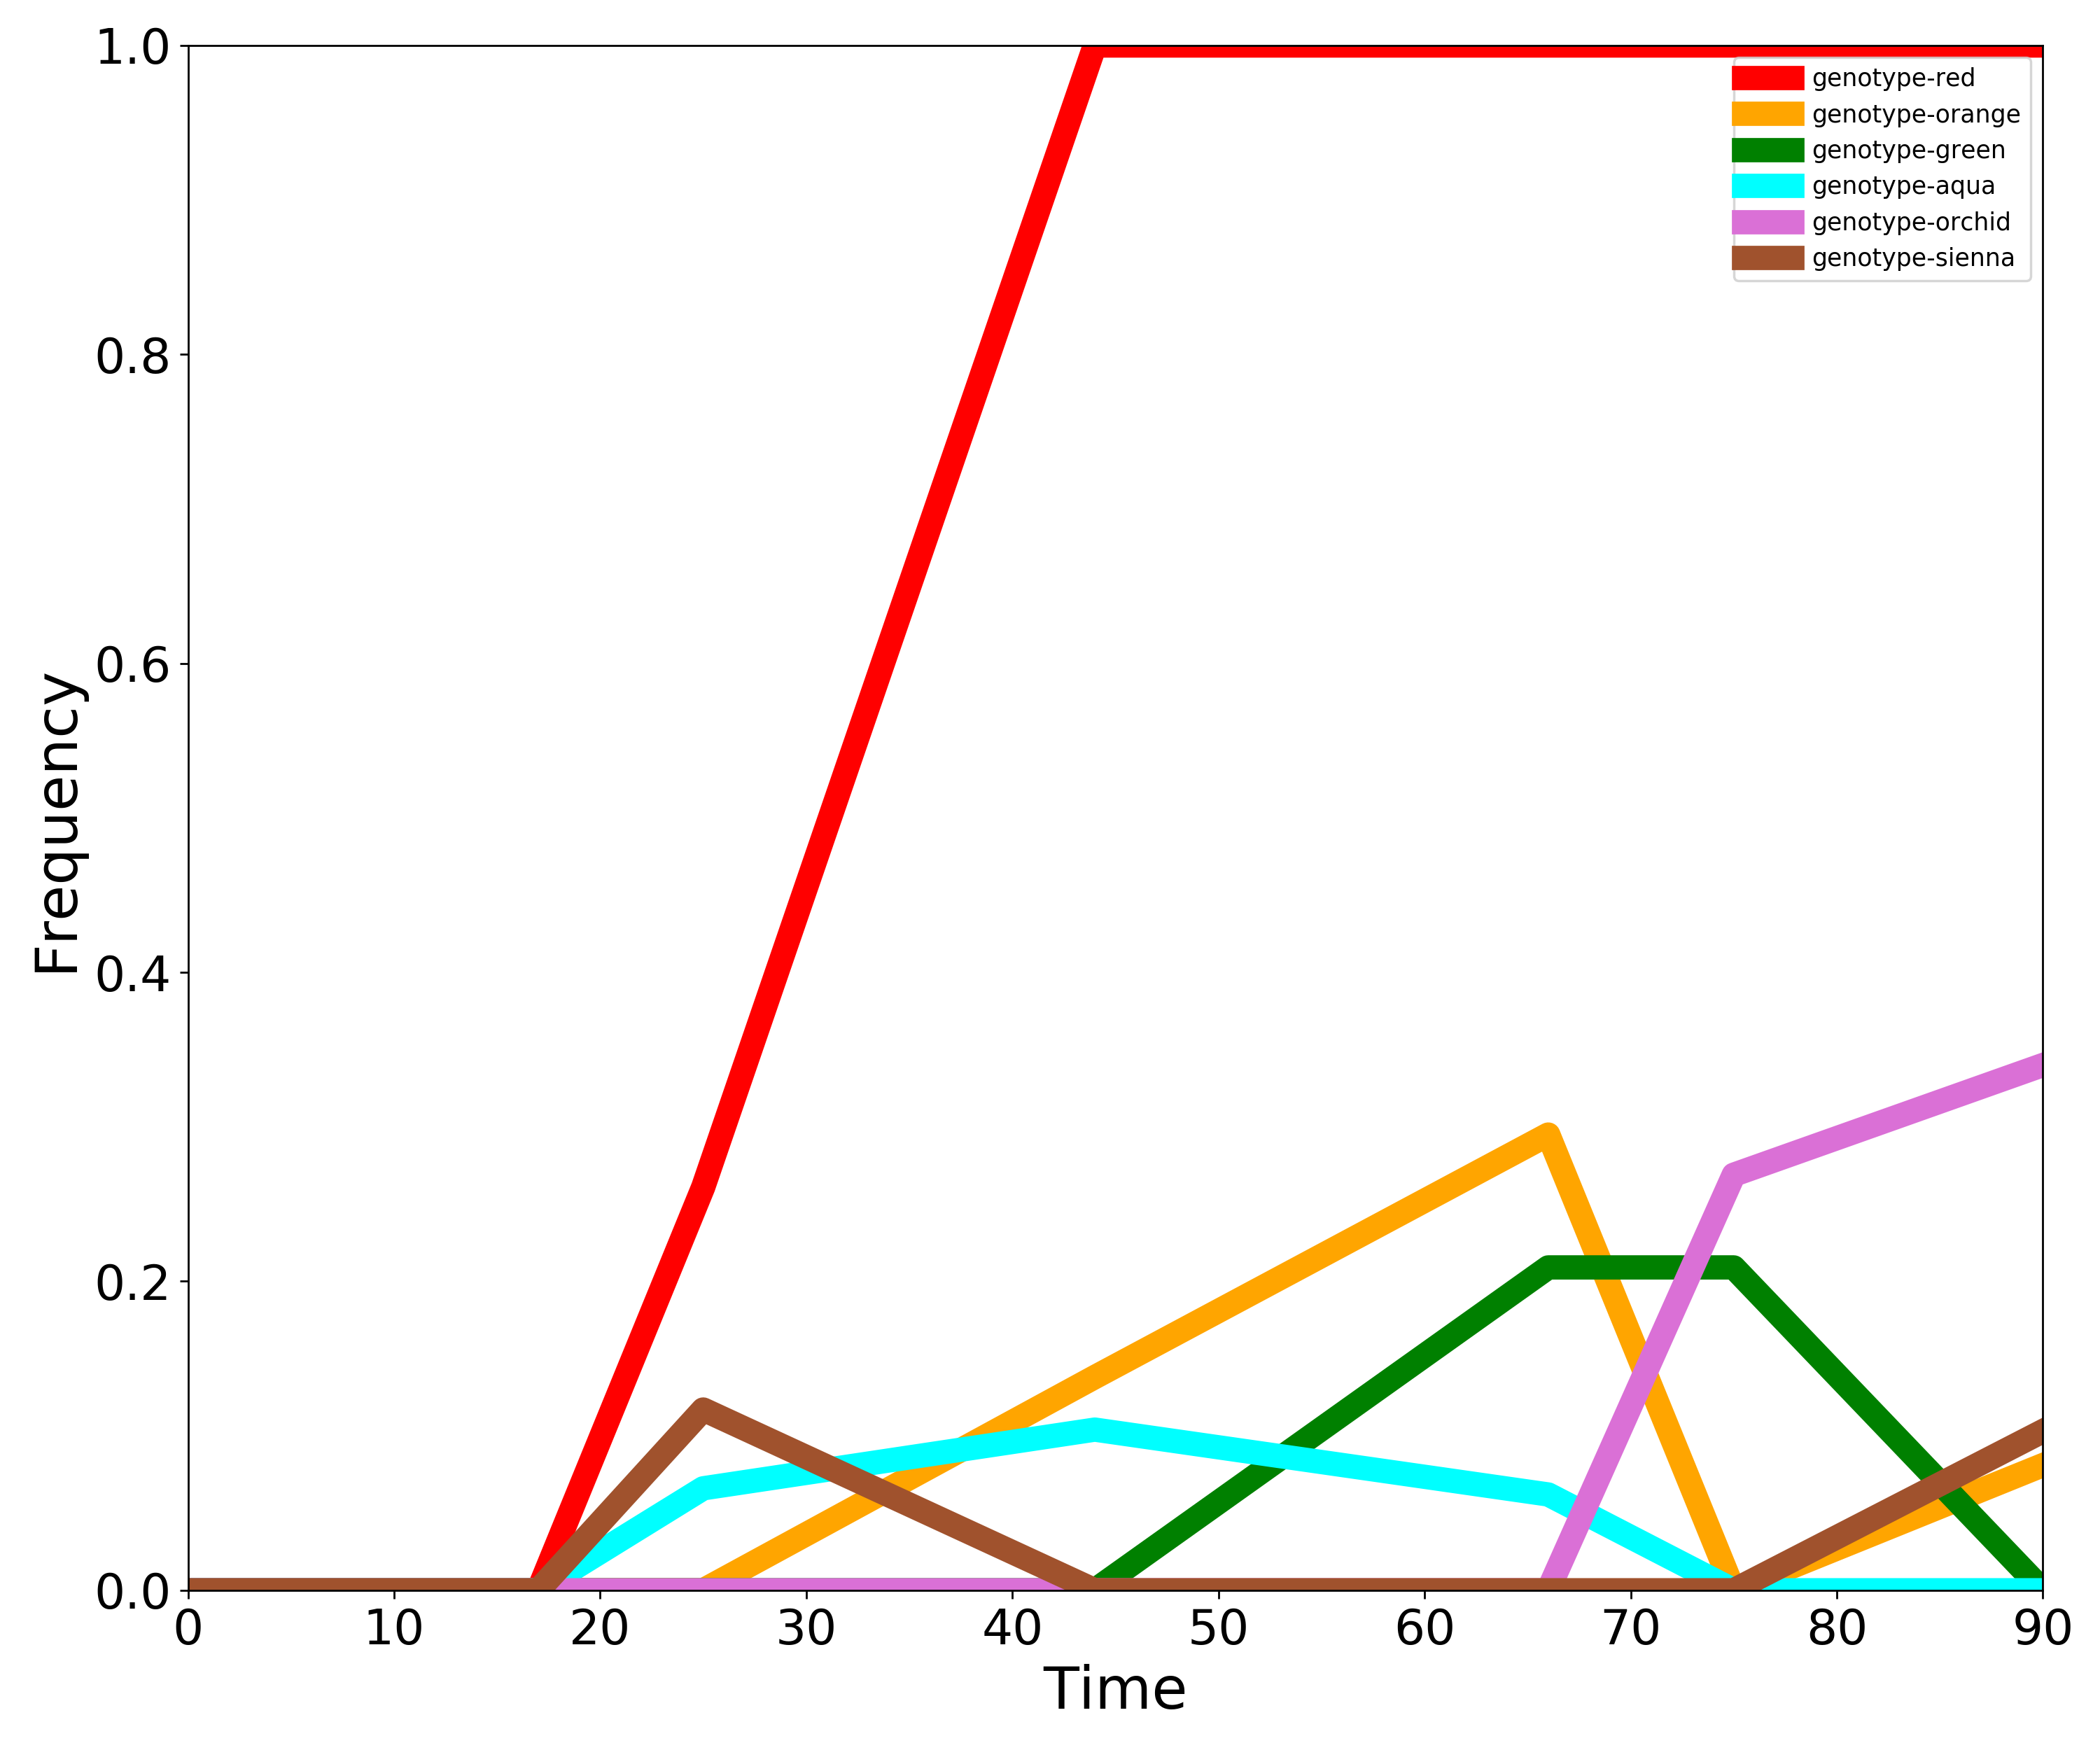
Identity | Parent
genotype-red | genotype-0
genotype-sienna | genotype-red
genotype-aqua | genotype-red
genotype-orange | genotype-red
genotype-green | genotype-red
genotype-orchid | genotype-red

