unsorted
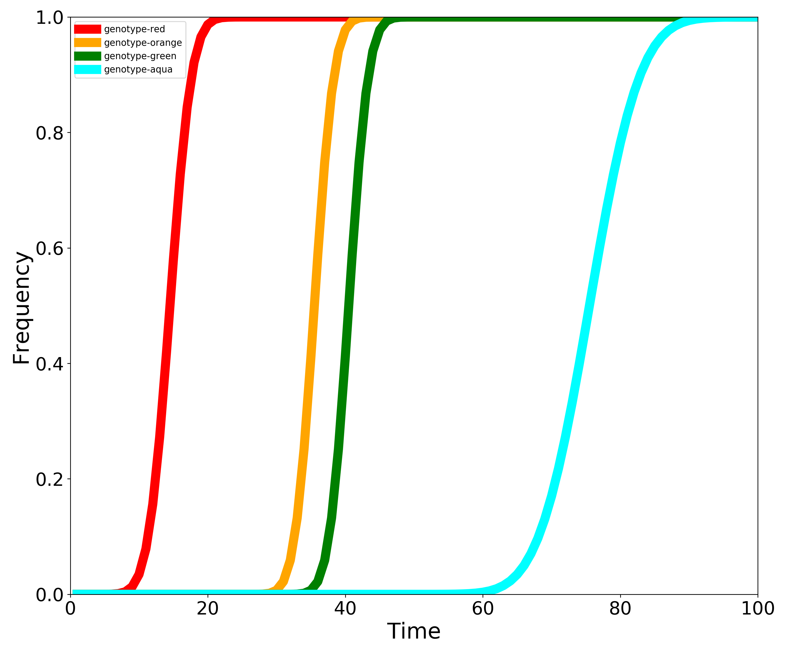
Genotype | 1 | 2 | 3 | 4 | 5 | 6 | 7 | 8 | 9 | 10 | 11 | 12 | 13 | 14 | 15 | 16 | 17 | 18 | 19 | 20 | 21 | 22 | 23 | 24 | 25 | 26 | 27 | 28 | 29 | 30 | 31 | 32 | 33 | 34 | 35 | 36 | 37 | 38 | 39 | 40 | 41 | 42 | 43 | 44 | 45 | 46 | 47 | 48 | 49 | 50 | 51 | 52 | 53 | 54 | 55 | 56 | 57 | 58 | 59 | 60 | 61 | 62 | 63 | 64 | 65 | 66 | 67 | 68 | 69 | 70 | 71 | 72 | 73 | 74 | 75 | 76 | 77 | 78 | 79 | 80 | 81 | 82 | 83 | 84 | 85 | 86 | 87 | 88 | 89 | 90 | 91 | 92 | 93 | 94 | 95 | 96 | 97 | 98 | 99 | 100
genotype-red | 0 | 0 | 0 | 0 | 5.082990601E-05 | 0.00028576467406 | 0.0012098986889 | 0.0043037599341 | 0.013119561628 | 0.034500804883 | 0.07864029548 | 0.15620351099 | 0.27222195691 | 0.41994466817 | 0.58005533183 | 0.72777804309 | 0.84379648901 | 0.92135970452 | 0.96549919512 | 0.98688043837 | 0.99569624007 | 0.99879010131 | 0.99971423533 | 0.99994917009 | 1 | 1 | 1 | 1 | 1 | 1 | 1 | 1 | 1 | 1 | 1 | 1 | 1 | 1 | 1 | 1 | 1 | 1 | 1 | 1 | 1 | 1 | 1 | 1 | 1 | 1 | 1 | 1 | 1 | 1 | 1 | 1 | 1 | 1 | 1 | 1 | 1 | 1 | 1 | 1 | 1 | 1 | 1 | 1 | 1 | 1 | 1 | 1 | 1 | 1 | 1 | 1 | 1 | 1 | 1 | 1 | 1 | 1 | 1 | 1 | 1 | 1 | 1 | 1 | 1 | 1 | 1 | 1 | 1 | 1 | 1 | 1 | 1 | 1 | 1 | 1
genotype-orange | 0 | 0 | 0 | 0 | 0 | 0 | 0 | 0 | 0 | 0 | 0 | 0 | 0 | 0 | 0 | 0 | 0 | 0 | 0 | 0 | 0 | 0 | 0 | 0 | 0 | 0 | 6.2466970493E-05 | 0.00039381965593 | 0.0018378582749 | 0.0070085761252 | 0.022222408375 | 0.059007365638 | 0.13209929678 | 0.25145826471 | 0.41165027667 | 0.58834972333 | 0.74854173529 | 0.86790070322 | 0.94099263436 | 0.97777759162 | 0.99299142387 | 0.99816214173 | 0.99960618034 | 0.99993753303 | 1 | 1 | 1 | 1 | 1 | 1 | 1 | 1 | 1 | 1 | 1 | 1 | 1 | 1 | 1 | 1 | 1 | 1 | 1 | 1 | 1 | 1 | 1 | 1 | 1 | 1 | 1 | 1 | 1 | 1 | 1 | 1 | 1 | 1 | 1 | 1 | 1 | 1 | 1 | 1 | 1 | 1 | 1 | 1 | 1 | 1 | 1 | 1 | 1 | 1 | 1 | 1 | 1 | 1 | 1 | 1
genotype-green | 0 | 0 | 0 | 0 | 0 | 0 | 0 | 0 | 0 | 0 | 0 | 0 | 0 | 0 | 0 | 0 | 0 | 0 | 0 | 0 | 0 | 0 | 0 | 0 | 0 | 0 | 0 | 0 | 0 | 0 | 0 | 6.2466970493E-05 | 0.00039381965593 | 0.0018378582749 | 0.0070085761252 | 0.022222408375 | 0.059007365638 | 0.13209929678 | 0.25145826471 | 0.41165027667 | 0.58834972333 | 0.74854173529 | 0.86790070322 | 0.94099263436 | 0.97777759162 | 0.99299142387 | 0.99816214173 | 0.99960618034 | 0.99993753303 | 1 | 1 | 1 | 1 | 1 | 1 | 1 | 1 | 1 | 1 | 1 | 1 | 1 | 1 | 1 | 1 | 1 | 1 | 1 | 1 | 1 | 1 | 1 | 1 | 1 | 1 | 1 | 1 | 1 | 1 | 1 | 1 | 1 | 1 | 1 | 1 | 1 | 1 | 1 | 1 | 1 | 1 | 1 | 1 | 1 | 1 | 1 | 1 | 1 | 1 | 1
genotype-aqua | 0 | 0 | 0 | 0 | 0 | 0 | 0 | 0 | 0 | 0 | 0 | 0 | 0 | 0 | 0 | 0 | 0 | 0 | 0 | 0 | 0 | 0 | 0 | 0 | 0 | 0 | 0 | 0 | 0 | 0 | 0 | 0 | 0 | 0 | 0 | 0 | 0 | 0 | 0 | 0 | 0 | 0 | 0 | 0 | 0 | 0 | 0 | 0 | 0 | 0 | 0 | 1.2514961301E-05 | 3.7791744229E-05 | 8.7339322597E-05 | 0.00018160019993 | 0.0003556401671 | 0.00066751119847 | 0.0012098986889 | 0.0021253872647 | 0.0036250889543 | 0.0060094145795 | 0.0096884589903 | 0.01519797329 | 0.023205538016 | 0.034500804883 | 0.049964079295 | 0.07050951655 | 0.097002953382 | 0.13015957118 | 0.17043231123 | 0.21790689722 | 0.27222195691 | 0.33253183033 | 0.39752469265 | 0.46550012978 | 0.53449987022 | 0.60247530735 | 0.66746816967 | 0.72777804309 | 0.78209310278 | 0.82956768877 | 0.86984042882 | 0.90299704662 | 0.92949048345 | 0.9500359207 | 0.96549919512 | 0.97679446198 | 0.98480202671 | 0.99031154101 | 0.99399058542 | 0.99637491105 | 0.99787461274 | 0.99879010131 | 0.9993324888 | 0.99964435983 | 0.9998183998 | 0.99991266068 | 0.99996220826 | 0.99998748504 | 1

